T0ME44
 | Baroda BNP Paribas Multi Asset Active FOF

 | Monthly Portfolio Statement as on January 31, 2026
 | Name of the Instrument | ISIN | Industry / Rating | Quantity | Market/Fair Value (Rs. in Lakhs) | % to Net Assets | YTM~ | YTC^ | null
 | Others
 | Exchange Traded Funds
152231 | Baroda BNP Paribas Gold ETF-RG | INF251K01SU9 |  | 2,044,032 | 3,289.87 | 24.93%
 | Sub Total |  |  |  | 3,289.87 | 24.93%
 | Mutual Fund Units
119400 | Baroda BNP Paribas Short Duration Dr Plan Growth | INF955L01BD5 |  | 19,487,347 | 6,376.28 | 48.31%
150187 | Baroda BNP Paribas Large Cap Direct Plan Growth | INF251K01HN7 |  | 936,897 | 2,401.13 | 18.19%
150180 | Baroda BNP Paribas Dynamic Bond Dr Plan Growth | INF251K01GW0 |  | 1,744,500 | 894.15 | 6.78%
150264 | BARODA BNP PARIBAS Focused Fund Dr Pl - Growth | INF251K01PN0 |  | 391,701 | 95.96 | 0.73%
 | Sub Total |  |  |  | 9,767.52 | 74.01%
 | Total |  |  |  | 13,057.39 | 98.94%
 | Reverse Repo / TREPS
TRP_020226 | Clearing Corporation of India Ltd |  |  |  | 183.78 | 1.39% | 5.01%
 | Sub Total |  |  |  | 183.78 | 1.39%
 | Total |  |  |  | 183.78 | 1.39%
 | Net Receivables / (Payables) |  |  |  | (43.67) | (0.33)%
 | GRAND TOTAL |  |  |  | 13,197.50 | 100.00%

 | ~ YTM as on January 31, 2026
 | ^ YTC represents Yield to Call provided by valuation agencies as on January 31, 2026. It is disclosed for Perpetual Bond issued by Banks (i.e. AT-1 Bond / Tier 1 Bond / Tier 2 Bond), as per AMFI Best Practices Guidelines Circular no. 135/BP/91/2020-21 read with SEBI circular No. SEBI/HO/IMD/DF4/CIR/P/2021/034 on Valuation of AT-1 Bonds and Tier 2 Bonds.

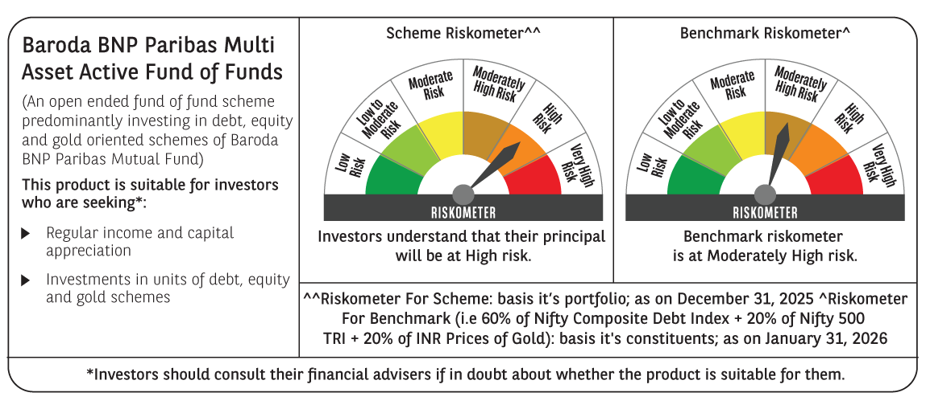

 | Monthly Performance Link: https://www.barodabnpparibasmf.in/assets/download_documents/Performance-of-Schemes-jan-2026_16576.pdf

