T0ME42
 | Baroda BNP Paribas Energy Opportunities Fund

 | Monthly Portfolio Statement as on January 31, 2026
 | Name of the Instrument | ISIN | Industry / Rating | Quantity | Market/Fair Value (Rs. in Lakhs) | % to Net Assets | YTM~ | YTC^ | null
 | Equity & Equity related
 | (a) Listed / awaiting listing on Stock Exchanges
RIND01 | Reliance Industries Limited | INE002A01018 | Petroleum Products | 480,000 | 6,697.92 | 9.46%
NTPC01 | NTPC Limited | INE733E01010 | Power | 1,800,000 | 6,408.00 | 9.05%
COAL01 | Coal India Limited | INE522F01014 | Consumable Fuels | 1,350,000 | 5,950.13 | 8.41%
HPEC01 | Hindustan Petroleum Corporation Limited | INE094A01015 | Petroleum Products | 975,000 | 4,163.25 | 5.88%
ONGC02 | Oil & Natural Gas Corporation Limited | INE213A01029 | Oil | 1,350,000 | 3,630.96 | 5.13%
BPCL01 | Bharat Petroleum Corporation Limited | INE029A01011 | Petroleum Products | 950,000 | 3,462.75 | 4.89%
OIIL01 | Oil India Limited | INE274J01014 | Oil | 525,000 | 2,677.76 | 3.78%
GAIL01 | GAIL (India) Limited | INE129A01019 | Gas | 1,500,000 | 2,509.35 | 3.55%
NHPC01 | NHPC Limited | INE848E01016 | Power | 3,150,000 | 2,463.30 | 3.48%
PGCI01 | Power Grid Corporation of India Limited | INE752E01010 | Power | 900,000 | 2,308.50 | 3.26%
ABBP01 | Hitachi Energy India Limited | INE07Y701011 | Electrical Equipment | 12,000 | 2,263.44 | 3.20%
BHAH02 | Bharat Heavy Electricals Limited | INE257A01026 | Electrical Equipment | 850,000 | 2,232.95 | 3.15%
TPOW02 | Tata Power Company Limited | INE245A01021 | Power | 600,000 | 2,197.80 | 3.11%
LARS02 | Larsen & Toubro Limited | INE018A01030 | Construction | 55,000 | 2,162.77 | 3.06%
ULCC01 | UltraTech Cement Limited | INE481G01011 | Cement & Cement Products | 15,000 | 1,904.10 | 2.69%
AEVO01 | Aegis Vopak Terminals Limited | INE0INX01018 | Oil | 789,216 | 1,790.02 | 2.53%
MARE01 | Mangalore Refinery and Petrochemicals Limited | INE103A01014 | Petroleum Products | 1,000,000 | 1,765.40 | 2.49%
MREL01 | Chennai Petroleum Corporation Limited | INE178A01016 | Petroleum Products | 185,000 | 1,602.19 | 2.26%
ALLI02 | GE Vernova T&D India Limited | INE200A01026 | Electrical Equipment | 42,000 | 1,356.73 | 1.92%
IOIC01 | Indian Oil Corporation Limited | INE242A01010 | Petroleum Products | 750,000 | 1,224.30 | 1.73%
BOCL01 | Linde India Limited | INE473A01011 | Chemicals & Petrochemicals | 18,950 | 1,138.33 | 1.61%
TOPL01 | Torrent Power Limited | INE813H01021 | Power | 75,000 | 1,040.70 | 1.47%
NAYV01 | NLC India Limited | INE589A01014 | Power | 384,000 | 994.94 | 1.41%
GUOL01 | Gulf Oil Lubricants India Limited | INE635Q01029 | Petroleum Products | 88,814 | 967.89 | 1.37%
KSPL02 | KSB Limited | INE999A01023 | Industrial Products | 135,825 | 961.91 | 1.36%
ICEM01 | The India Cements Limited | INE383A01012 | Cement & Cement Products | 210,000 | 961.17 | 1.36%
SIEM02 | Siemens Limited | INE003A01024 | Electrical Equipment | 30,000 | 930.39 | 1.31%
KCUL02 | Cummins India Limited | INE298A01020 | Industrial Products | 20,000 | 822.50 | 1.16%
 | Sub Total |  |  |  | 66,589.45 | 94.08%
 | (b) Unlisted |  |  |  | NIL | NIL
 | Sub Total |  |  |  | NIL | NIL
 | Total |  |  |  | 66,589.45 | 94.08%
 | Money Market Instruments
 | Treasury Bill
TBIL2566 | 364 Days Tbill (MD 17/09/2026) | IN002025Z252 | Sovereign | 1,000,000 | 966.21 | 1.37% | 5.60%
 | Sub Total |  |  |  | 966.21 | 1.37%
 | Total |  |  |  | 966.21 | 1.37%
 | Reverse Repo / TREPS
TRP_020226 | Clearing Corporation of India Ltd |  |  |  | 2,964.67 | 4.19% | 5.01%
 | Sub Total |  |  |  | 2,964.67 | 4.19%
 | Total |  |  |  | 2,964.67 | 4.19%
 | Net Receivables / (Payables) |  |  |  | 258.51 | 0.36%
 | GRAND TOTAL |  |  |  | 70,778.84 | 100.00%

 | ~ YTM as on January 31, 2026
 | ^ YTC represents Yield to Call provided by valuation agencies as on January 31, 2026. It is disclosed for Perpetual Bond issued by Banks (i.e. AT-1 Bond / Tier 1 Bond / Tier 2 Bond), as per AMFI Best Practices Guidelines Circular no. 135/BP/91/2020-21 read with SEBI circular No. SEBI/HO/IMD/DF4/CIR/P/2021/034 on Valuation of AT-1 Bonds and Tier 2 Bonds.

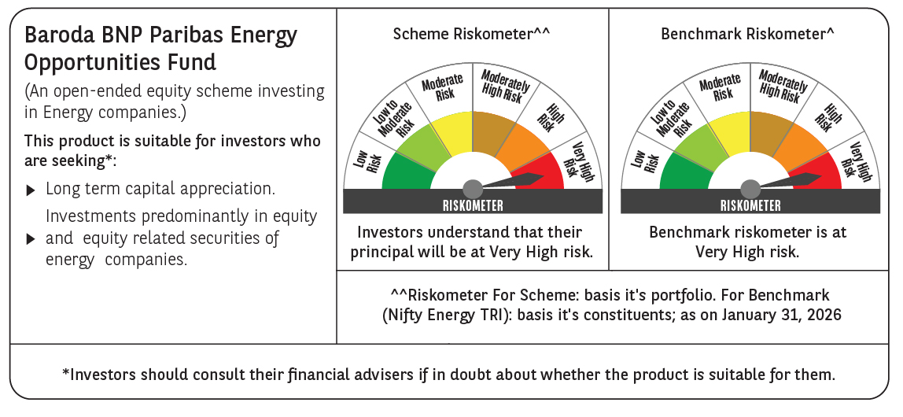

 | Monthly Performance Link: https://www.barodabnpparibasmf.in/assets/download_documents/Performance-of-Schemes-jan-2026_16576.pdf

