T0ME41
 | Baroda BNP Paribas Childrens Fund

 | Monthly Portfolio Statement as on January 31, 2026
 | Name of the Instrument | ISIN | Industry / Rating | Quantity | Market/Fair Value (Rs. in Lakhs) | % to Net Assets | YTM~ | YTC^ | null
 | Equity & Equity related
 | (a) Listed / awaiting listing on Stock Exchanges
HDFB03 | HDFC Bank Limited | INE040A01034 | Banks | 74,000 | 687.65 | 6.27%
RIND01 | Reliance Industries Limited | INE002A01018 | Petroleum Products | 31,500 | 439.55 | 4.01%
IBCL05 | ICICI Bank Limited | INE090A01021 | Banks | 30,600 | 414.63 | 3.78%
BHAH02 | Bharat Heavy Electricals Limited | INE257A01026 | Electrical Equipment | 111,448 | 292.77 | 2.67%
TEMA02 | Tech Mahindra Limited | INE669C01036 | IT - Software | 15,700 | 273.67 | 2.50%
KAVY06 | Karur Vysya Bank Limited | INE036D01028 | Banks | 87,600 | 264.03 | 2.41%
TWAT02 | Titan Company Limited | INE280A01028 | Consumer Durables | 6,500 | 258.53 | 2.36%
ULCC01 | UltraTech Cement Limited | INE481G01011 | Cement & Cement Products | 2,000 | 253.88 | 2.32%
BTVL02 | Bharti Airtel Limited | INE397D01024 | Telecom - Services | 12,590 | 247.86 | 2.26%
KOMA03 | Kotak Mahindra Bank Limited | INE237A01036 | Banks | 60,500 | 246.84 | 2.25%
INFS02 | Infosys Limited | INE009A01021 | IT - Software | 14,291 | 234.52 | 2.14%
BRIT03 | Britannia Industries Limited | INE216A01030 | Food Products | 3,950 | 231.49 | 2.11%
UTIB02 | Axis Bank Limited | INE238A01034 | Banks | 16,200 | 222.00 | 2.03%
SAGI01 | Sagility Limited | INE0W2G01015 | IT - Services | 430,000 | 214.70 | 1.96%
BAFL03 | Bajaj Finance Limited | INE296A01032 | Finance | 23,000 | 213.87 | 1.95%
HERO02 | Hero MotoCorp Limited | INE158A01026 | Automobiles | 3,700 | 204.76 | 1.87%
SBAI02 | State Bank of India | INE062A01020 | Banks | 19,000 | 204.66 | 1.87%
LARS02 | Larsen & Toubro Limited | INE018A01030 | Construction | 5,200 | 204.48 | 1.87%
USFB01 | Ujjivan Small Finance Bank Limited | INE551W01018 | Banks | 306,255 | 200.20 | 1.83%
KCUL02 | Cummins India Limited | INE298A01020 | Industrial Products | 4,708 | 193.62 | 1.77%
TRFO01 | Travel Food Services Limited | INE103V01028 | Leisure Services | 17,600 | 187.79 | 1.71%
ABBP01 | Hitachi Energy India Limited | INE07Y701011 | Electrical Equipment | 981 | 185.04 | 1.69%
RAKH02 | Radico Khaitan Limited | INE944F01028 | Beverages | 6,500 | 183.83 | 1.68%
TMLC01 | Tata Motors Ltd | INE1TAE01010 | Agricultural, Commercial & Construction Vehicles | 40,000 | 183.40 | 1.67%
HINI02 | Hindalco Industries Limited | INE038A01020 | Non - Ferrous Metals | 19,000 | 182.89 | 1.67%
MAUD01 | Maruti Suzuki India Limited | INE585B01010 | Automobiles | 1,250 | 182.49 | 1.66%
FEBA02 | The Federal Bank Limited | INE171A01029 | Banks | 60,000 | 172.65 | 1.57%
ZMPL01 | Eternal Limited | INE758T01015 | Retailing | 63,000 | 172.37 | 1.57%
VMML01 | Vishal Mega Mart Limited | INE01EA01019 | Retailing | 128,333 | 161.64 | 1.47%
WIPR02 | Wipro Limited | INE075A01022 | IT - Software | 68,000 | 161.09 | 1.47%
NTPC01 | NTPC Limited | INE733E01010 | Power | 44,800 | 159.49 | 1.45%
BHEL02 | Bharat Electronics Limited | INE263A01024 | Aerospace & Defense | 35,000 | 157.15 | 1.43%
MCEX02 | Multi Commodity Exchange of India Limited | INE745G01043 | Capital Markets | 6,000 | 151.68 | 1.38%
INAV01 | InterGlobe Aviation Limited | INE646L01027 | Transport Services | 3,200 | 147.09 | 1.34%
PRRC03 | Navin Fluorine International Limited | INE048G01026 | Chemicals & Petrochemicals | 2,410 | 146.99 | 1.34%
AFFI02 | Affle 3i Limited | INE00WC01027 | IT - Services | 9,500 | 146.98 | 1.34%
DIVI02 | Divi's Laboratories Limited | INE361B01024 | Pharmaceuticals & Biotechnology | 2,400 | 145.22 | 1.32%
MAXI02 | Max Financial Services Limited | INE180A01020 | Insurance | 9,000 | 145.22 | 1.32%
FRHL01 | Fortis Healthcare Limited | INE061F01013 | Healthcare Services | 17,000 | 144.76 | 1.32%
RCAM01 | Nippon Life India Asset Management Limited | INE298J01013 | Capital Markets | 16,000 | 140.50 | 1.28%
SLIF01 | SBI Life Insurance Company Limited | INE123W01016 | Insurance | 7,000 | 139.90 | 1.28%
APOL02 | Apollo Hospitals Enterprise Limited | INE437A01024 | Healthcare Services | 2,000 | 139.21 | 1.27%
BOCL01 | Linde India Limited | INE473A01011 | Chemicals & Petrochemicals | 2,300 | 138.16 | 1.26%
SAEL02 | TVS Motor Company Limited | INE494B01023 | Automobiles | 3,675 | 135.14 | 1.23%
BLTE01 | Swiggy Limited | INE00H001014 | Retailing | 42,667 | 132.16 | 1.21%
MAHI02 | Mahindra & Mahindra Limited | INE101A01026 | Automobiles | 3,780 | 129.72 | 1.18%
ONCO02 | One 97 Communications Limited | INE982J01020 | Financial Technology (Fintech) | 11,000 | 125.13 | 1.14%
PSYL02 | Persistent Systems Limited | INE262H01021 | IT - Software | 2,000 | 120.70 | 1.10%
CHOL02 | Cholamandalam Investment and Finance Company Ltd | INE121A01024 | Finance | 7,309 | 119.25 | 1.09%
TOPH02 | Torrent Pharmaceuticals Limited | INE685A01028 | Pharmaceuticals & Biotechnology | 3,000 | 118.82 | 1.08%
IEIN02 | Info Edge (India) Limited | INE663F01032 | Retailing | 8,500 | 106.20 | 0.97%
AFPL02 | AU Small Finance Bank Limited | INE949L01017 | Banks | 10,500 | 103.15 | 0.94%
HPEC01 | Hindustan Petroleum Corporation Limited | INE094A01015 | Petroleum Products | 21,000 | 89.67 | 0.82%
MAHE01 | Max Healthcare Institute Limited | INE027H01010 | Healthcare Services | 7,000 | 66.98 | 0.61%
KPEL01 | KPIT Technologies Limited | INE04I401011 | IT - Software | 6,000 | 62.51 | 0.57%
 | Sub Total |  |  |  | 10,488.68 | 95.66%
 | (b) Unlisted |  |  |  | NIL | NIL
 | Sub Total |  |  |  | NIL | NIL
 | Total |  |  |  | 10,488.68 | 95.66%
 | Debt Instruments
 | (a) Listed / awaiting listing on Stock Exchange
GOI5228 | 7.18% Government of India (14/08/2033) | IN0020230085 | Sovereign | 200,000 | 205.29 | 1.87% | 6.84%
 | Sub Total |  |  |  | 205.29 | 1.87%
 | Preference Shares
SAEL21PS | 6% TVS Motor Company Limited ** | INE494B04019 | CARE A1+ | 14,000 | 1.43 | 0.01%
 | Sub Total |  |  |  | 1.43 | 0.01%
 | (b) Privately placed / Unlisted |  |  |  | NIL | NIL
 | Sub Total |  |  |  | NIL | NIL
 | (b) Privately placed / Unlisted |  |  |  | NIL | NIL
 | Sub Total |  |  |  | NIL | NIL
 | Total |  |  |  | 206.72 | 1.88%
 | Reverse Repo / TREPS
TRP_020226 | Clearing Corporation of India Ltd |  |  |  | 298.97 | 2.73% | 5.01%
 | Sub Total |  |  |  | 298.97 | 2.73%
 | (b) Privately placed / Unlisted |  |  |  | NIL | NIL
 | Sub Total |  |  |  | NIL | NIL
 | Total |  |  |  | 298.97 | 2.73%
 | Net Receivables / (Payables) |  |  |  | (31.53) | (0.27)%
 | GRAND TOTAL |  |  |  | 10,962.84 | 100.00%

 | ** Thinly Traded / Non Traded Security
 | ~ YTM as on January 31, 2026
 | ^ YTC represents Yield to Call provided by valuation agencies as on January 31, 2026. It is disclosed for Perpetual Bond issued by Banks (i.e. AT-1 Bond / Tier 1 Bond / Tier 2 Bond), as per AMFI Best Practices Guidelines Circular no. 135/BP/91/2020-21 read with SEBI circular No. SEBI/HO/IMD/DF4/CIR/P/2021/034 on Valuation of AT-1 Bonds and Tier 2 Bonds.

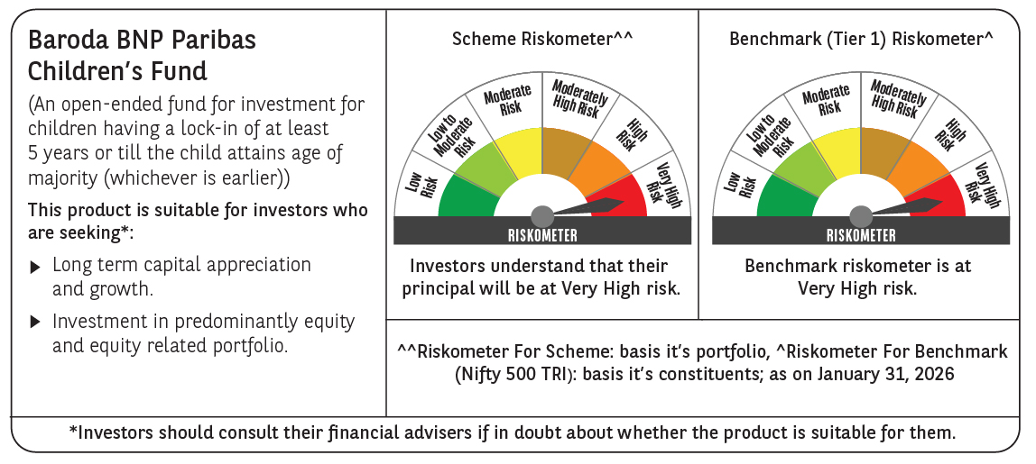

 | Monthly Performance Link: https://www.barodabnpparibasmf.in/assets/download_documents/Performance-of-Schemes-jan-2026_16576.pdf

