T0ME39
 | Baroda BNP Paribas Nifty200 Momentum 30 Index Fund

 | Monthly Portfolio Statement as on January 31, 2026
 | Name of the Instrument | ISIN | Industry / Rating | Quantity | Market/Fair Value (Rs. in Lakhs) | % to Net Assets | YTM~ | YTC^ | null
 | Equity & Equity related
 | (a) Listed / awaiting listing on Stock Exchanges
HINI02 | Hindalco Industries Limited | INE038A01020 | Non - Ferrous Metals | 14,199 | 136.68 | 5.89%
SBAI02 | State Bank of India | INE062A01020 | Banks | 11,957 | 128.79 | 5.55%
SHTR02 | Shriram Finance Limited | INE721A01047 | Finance | 12,252 | 124.97 | 5.38%
EIML02 | Eicher Motors Limited | INE066A01021 | Automobiles | 1,590 | 113.25 | 4.88%
BAFL03 | Bajaj Finance Limited | INE296A01032 | Finance | 11,761 | 109.36 | 4.71%
BTVL02 | Bharti Airtel Limited | INE397D01024 | Telecom - Services | 5,550 | 109.26 | 4.71%
SAEL02 | TVS Motor Company Limited | INE494B01023 | Automobiles | 2,808 | 103.26 | 4.45%
ASPA02 | Asian Paints Limited | INE021A01026 | Consumer Durables | 4,228 | 102.67 | 4.42%
MAUD01 | Maruti Suzuki India Limited | INE585B01010 | Automobiles | 700 | 102.19 | 4.40%
HERO02 | Hero MotoCorp Limited | INE158A01026 | Automobiles | 1,744 | 96.51 | 4.16%
BSEL02 | BSE Limited | INE118H01025 | Capital Markets | 3,434 | 96.05 | 4.14%
MUFL01 | Muthoot Finance Limited | INE414G01012 | Finance | 2,302 | 88.16 | 3.80%
SLIF01 | SBI Life Insurance Company Limited | INE123W01016 | Insurance | 4,406 | 88.05 | 3.79%
INAV01 | InterGlobe Aviation Limited | INE646L01027 | Transport Services | 1,915 | 88.02 | 3.79%
AFPL02 | AU Small Finance Bank Limited | INE949L01017 | Banks | 7,754 | 76.17 | 3.28%
FEBA02 | The Federal Bank Limited | INE171A01029 | Banks | 26,025 | 74.89 | 3.23%
CANB02 | Canara Bank | INE476A01022 | Banks | 41,909 | 61.78 | 2.66%
KCUL02 | Cummins India Limited | INE298A01020 | Industrial Products | 1,497 | 61.56 | 2.65%
ASHL02 | Ashok Leyland Limited | INE208A01029 | Agricultural, Commercial & Construction Vehicles | 31,055 | 61.08 | 2.63%
LTFL01 | L&T Finance Limited | INE498L01015 | Finance | 20,161 | 57.73 | 2.49%
ONCO02 | One 97 Communications Limited | INE982J01020 | Financial Technology (Fintech) | 4,752 | 54.05 | 2.33%
CHOL02 | Cholamandalam Investment and Finance Company Ltd | INE121A01024 | Finance | 3,218 | 52.50 | 2.26%
ABFS01 | Aditya Birla Capital Limited | INE674K01013 | Finance | 14,155 | 48.10 | 2.07%
MAXI02 | Max Financial Services Limited | INE180A01020 | Insurance | 2,900 | 46.79 | 2.02%
FRHL01 | Fortis Healthcare Limited | INE061F01013 | Healthcare Services | 5,426 | 46.20 | 1.99%
INBK01 | Indian Bank | INE562A01011 | Banks | 4,899 | 44.66 | 1.92%
FSNE01 | FSN E-Commerce Ventures Limited | INE388Y01029 | Retailing | 17,860 | 42.42 | 1.83%
SECH03 | UPL Limited | INE628A01036 | Fertilizers & Agrochemicals | 5,857 | 41.23 | 1.78%
GMRI03 | GMR Airports Limited | INE776C01039 | Transport Infrastructure | 39,260 | 36.86 | 1.59%
GLPH03 | Glenmark Pharmaceuticals Limited | INE935A01035 | Pharmaceuticals & Biotechnology | 1,474 | 29.71 | 1.28%
 | Sub Total |  |  |  | 2,322.95 | 100.08%
 | (b) Unlisted |  |  |  | NIL | NIL
 | Sub Total |  |  |  | NIL | NIL
 | Total |  |  |  | 2,322.95 | 100.08%
 | Debt Instruments
 | (a) Preference Shares
SAEL21PS | 6% TVS Motor Company Limited ** | INE494B04019 | CARE A1+ | 10,460 | 1.07 | 0.05%
 | Sub Total |  |  |  | 1.07 | 0.05%
 | Total |  |  |  | 1.07 | 0.05%
 | Reverse Repo / TREPS
TRP_020226 | Clearing Corporation of India Ltd |  |  |  | 1.43 | 0.06% | 5.01%
 | Sub Total |  |  |  | 1.43 | 0.06%
 | Total |  |  |  | 1.43 | 0.06%
 | Net Receivables / (Payables) |  |  |  | (4.03) | (0.19)%
 | GRAND TOTAL |  |  |  | 2,321.42 | 100.00%

 | ** Thinly Traded / Non Traded Security
 | ~ YTM as on January 31, 2026
 | ^ YTC represents Yield to Call provided by valuation agencies as on January 31, 2026. It is disclosed for Perpetual Bond issued by Banks (i.e. AT-1 Bond / Tier 1 Bond / Tier 2 Bond), as per AMFI Best Practices Guidelines Circular no. 135/BP/91/2020-21 read with SEBI circular No. SEBI/HO/IMD/DF4/CIR/P/2021/034 on Valuation of AT-1 Bonds and Tier 2 Bonds.

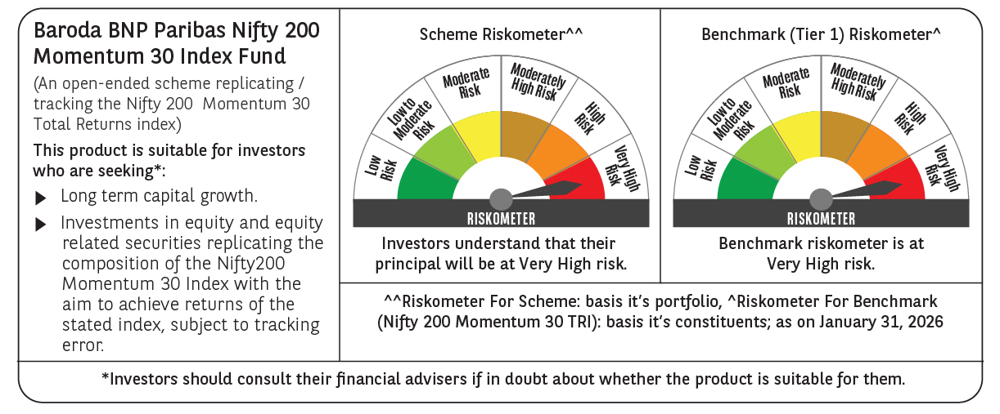

 | Monthly Performance Link: https://www.barodabnpparibasmf.in/assets/download_documents/Performance-of-Schemes-jan-2026_16576.pdf

