T0ME38
 | Baroda BNP Paribas Dividend Yield Fund

 | Monthly Portfolio Statement as on January 31, 2026
 | Name of the Instrument | ISIN | Industry / Rating | Quantity | Market/Fair Value (Rs. in Lakhs) | % to Net Assets | YTM~ | YTC^ | null
 | Equity & Equity related
 | (a) Listed / awaiting listing on Stock Exchanges
RIND01 | Reliance Industries Limited | INE002A01018 | Petroleum Products | 342,000 | 4,772.27 | 6.65%
HDFB03 | HDFC Bank Limited | INE040A01034 | Banks | 495,000 | 4,599.79 | 6.41%
LARS02 | Larsen & Toubro Limited | INE018A01030 | Construction | 81,000 | 3,185.16 | 4.44%
IBCL05 | ICICI Bank Limited | INE090A01021 | Banks | 234,000 | 3,170.70 | 4.42%
INFS02 | Infosys Limited | INE009A01021 | IT - Software | 162,000 | 2,658.42 | 3.70%
SESA02 | Vedanta Limited | INE205A01025 | Diversified Metals | 315,000 | 2,146.88 | 2.99%
JBCH03 | JB Chemicals & Pharmaceuticals Limited | INE572A01036 | Pharmaceuticals & Biotechnology | 110,000 | 2,056.45 | 2.86%
ALLI02 | GE Vernova T&D India Limited | INE200A01026 | Electrical Equipment | 63,000 | 2,035.09 | 2.83%
KOMA03 | Kotak Mahindra Bank Limited | INE237A01036 | Banks | 477,000 | 1,946.16 | 2.71%
TCSL01 | Tata Consultancy Services Limited | INE467B01029 | IT - Software | 54,000 | 1,686.91 | 2.35%
HERO02 | Hero MotoCorp Limited | INE158A01026 | Automobiles | 29,700 | 1,643.60 | 2.29%
CANB02 | Canara Bank | INE476A01022 | Banks | 1,080,000 | 1,592.14 | 2.22%
ULCC01 | UltraTech Cement Limited | INE481G01011 | Cement & Cement Products | 12,500 | 1,586.75 | 2.21%
GLAX01 | GlaxoSmithKline Pharmaceuticals Limited | INE159A01016 | Pharmaceuticals & Biotechnology | 63,000 | 1,513.01 | 2.11%
HYUN01 | Hyundai Motor India Ltd | INE0V6F01027 | Automobiles | 67,500 | 1,482.44 | 2.06%
DIVI02 | Divi's Laboratories Limited | INE361B01024 | Pharmaceuticals & Biotechnology | 24,300 | 1,470.39 | 2.05%
SPIL03 | Sun Pharmaceutical Industries Limited | INE044A01036 | Pharmaceuticals & Biotechnology | 90,000 | 1,435.77 | 2.00%
TEMA02 | Tech Mahindra Limited | INE669C01036 | IT - Software | 80,000 | 1,394.48 | 1.94%
NACL03 | National Aluminium Company Limited | INE139A01034 | Non - Ferrous Metals | 360,000 | 1,387.62 | 1.93%
OIIL01 | Oil India Limited | INE274J01014 | Oil | 270,000 | 1,377.14 | 1.92%
NEST02 | Nestle India Limited | INE239A01024 | Food Products | 100,000 | 1,332.40 | 1.86%
EIML02 | Eicher Motors Limited | INE066A01021 | Automobiles | 18,000 | 1,282.05 | 1.79%
BAFL03 | Bajaj Finance Limited | INE296A01032 | Finance | 135,000 | 1,255.30 | 1.75%
DRRL03 | Dr. Reddy's Laboratories Limited | INE089A01031 | Pharmaceuticals & Biotechnology | 99,000 | 1,205.92 | 1.68%
BHFO02 | Bharat Forge Limited | INE465A01025 | Auto Components | 81,000 | 1,167.53 | 1.63%
HPEC01 | Hindustan Petroleum Corporation Limited | INE094A01015 | Petroleum Products | 270,000 | 1,152.90 | 1.61%
NHPC01 | NHPC Limited | INE848E01016 | Power | 1,440,000 | 1,126.08 | 1.57%
RAKH02 | Radico Khaitan Limited | INE944F01028 | Beverages | 39,600 | 1,119.93 | 1.56%
MAHE01 | Max Healthcare Institute Limited | INE027H01010 | Healthcare Services | 117,000 | 1,119.46 | 1.56%
BRIT03 | Britannia Industries Limited | INE216A01030 | Food Products | 18,000 | 1,054.89 | 1.47%
ESCO01 | Escorts Kubota Limited | INE042A01014 | Agricultural, Commercial & Construction Vehicles | 30,600 | 1,034.52 | 1.44%
ICRA01 | ICRA Limited | INE725G01011 | Capital Markets | 16,200 | 1,021.65 | 1.42%
IIFM02 | 360 One WAM Limited | INE466L01038 | Capital Markets | 90,000 | 1,020.87 | 1.42%
TENN01 | Tenneco Clean Air India Limited | INE19RI01016 | Auto Components | 189,000 | 986.86 | 1.37%
BPCL01 | Bharat Petroleum Corporation Limited | INE029A01011 | Petroleum Products | 270,000 | 984.15 | 1.37%
ONGC02 | Oil & Natural Gas Corporation Limited | INE213A01029 | Oil | 360,000 | 968.26 | 1.35%
IDBK01 | IDFC First Bank Limited | INE092T01019 | Banks | 1,125,000 | 940.28 | 1.31%
HCLT02 | HCL Technologies Limited | INE860A01027 | IT - Software | 54,000 | 915.62 | 1.28%
ITCL02 | ITC Limited | INE154A01025 | Diversified FMCG | 270,000 | 869.81 | 1.21%
MOTI02 | Bosch Limited | INE323A01026 | Auto Components | 2,250 | 821.93 | 1.14%
CHOL02 | Cholamandalam Investment and Finance Company Ltd | INE121A01024 | Finance | 49,500 | 807.64 | 1.12%
LGEL01 | LG Electronics India Ltd | INE324D01010 | Consumer Durables | 54,000 | 789.80 | 1.10%
WIPR02 | Wipro Limited | INE075A01022 | IT - Software | 333,000 | 788.88 | 1.10%
SJVN01 | SJVN Limited | INE002L01015 | Power | 1,080,000 | 783.00 | 1.09%
IFEL01 | Oracle Financial Services Software Limited | INE881D01027 | IT - Software | 10,000 | 776.00 | 1.08%
ILOM01 | ICICI Lombard General Insurance Company Limited | INE765G01017 | Insurance | 36,000 | 653.08 | 0.91%
SKFI01 | SKF India (Industrial) Ltd | INE2J8701016 | Industrial Products | 21,600 | 587.71 | 0.82%
SKFB02 | SKF India Limited | INE640A01023 | Auto Components | 10,800 | 182.52 | 0.25%
 | Sub Total |  |  |  | 69,890.21 | 97.35%
 | (b) Unlisted |  |  |  | NIL | NIL
 | Sub Total |  |  |  | NIL | NIL
 | Total |  |  |  | 69,890.21 | 97.35%
 | Derivatives
 | Index / Stock Futures
MCEXFEB26 | Multi Commodity Exchange of India Limited February 2026 Future |  |  | 33,750 | 853.88 | 1.19%
 | Sub Total |  |  |  | 853.88 | 1.19%
 | Index / Stock Options
EL24FB262160P | Multi Commodity Exchange of India Limited 2160 Put February 2026 Option |  |  | 16,875 | 3.70 | 0.01%
 | Sub Total |  |  |  | 3.70 | 0.01%
 | Total |  |  |  | 857.58 | 1.20%
 | Money Market Instruments
 | Treasury Bill
TBIL2519 | 364 Days Tbill (MD 11/06/2026) | IN002025Z112 | Sovereign | 1,000,000 | 980.66 | 1.37% | 5.54%
 | Sub Total |  |  |  | 980.66 | 1.37%
 | Total |  |  |  | 980.66 | 1.37%
 | Reverse Repo / TREPS
TRP_020226 | Clearing Corporation of India Ltd |  |  |  | 1,374.88 | 1.91% | 5.01%
 | Sub Total |  |  |  | 1,374.88 | 1.91%
 | Total |  |  |  | 1,374.88 | 1.91%
 | Net Receivables / (Payables) |  |  |  | (1,293.74) | (1.83)%
 | GRAND TOTAL |  |  |  | 71,809.59 | 100.00%

 | ** Thinly Traded / Non Traded Security
 | ~ YTM as on January 31, 2026
 | ^ YTC represents Yield to Call provided by valuation agencies as on January 31, 2026. It is disclosed for Perpetual Bond issued by Banks (i.e. AT-1 Bond / Tier 1 Bond / Tier 2 Bond), as per AMFI Best Practices Guidelines Circular no. 135/BP/91/2020-21 read with SEBI circular No. SEBI/HO/IMD/DF4/CIR/P/2021/034 on Valuation of AT-1 Bonds and Tier 2 Bonds.
 | Details of Stock Future / Index Future
 | Long/Short | Name of the Instrument | Industry | Quantity. | Market/Fair Value (Rs. in Lacs). | % to NAV.
 | Long | Multi Commodity Exchange of India Limited_24/02/2026 | Capital Markets | 33,750 | 853.88 | 1.19%

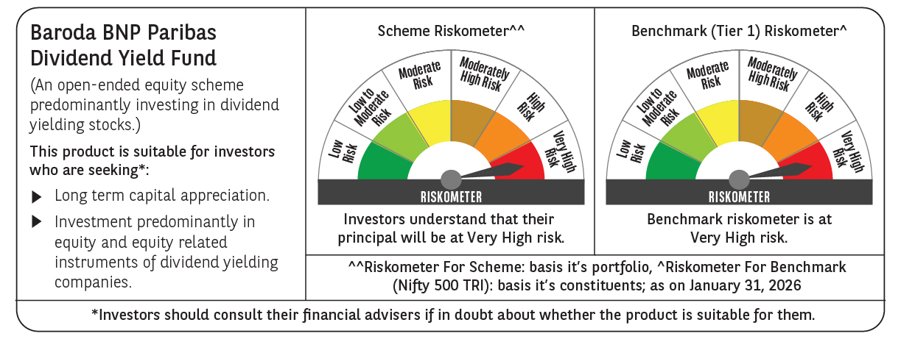

 | Monthly Performance Link: https://www.barodabnpparibasmf.in/assets/download_documents/Performance-of-Schemes-jan-2026_16576.pdf

