T0ME37
 | Baroda BNP Paribas Manufacturing Fund

 | Monthly Portfolio Statement as on January 31, 2026
 | Name of the Instrument | ISIN | Industry / Rating | Quantity | Market/Fair Value (Rs. in Lakhs) | % to Net Assets | YTM~ | YTC^ | null
 | Equity & Equity related
 | (a) Listed / awaiting listing on Stock Exchanges
RIND01 | Reliance Industries Limited | INE002A01018 | Petroleum Products | 369,000 | 5,149.03 | 5.72%
DIVI02 | Divi's Laboratories Limited | INE361B01024 | Pharmaceuticals & Biotechnology | 81,000 | 4,901.31 | 5.44%
ABBP01 | Hitachi Energy India Limited | INE07Y701011 | Electrical Equipment | 24,930 | 4,702.30 | 5.22%
SESA02 | Vedanta Limited | INE205A01025 | Diversified Metals | 612,000 | 4,171.09 | 4.63%
NACL03 | National Aluminium Company Limited | INE139A01034 | Non - Ferrous Metals | 810,000 | 3,122.15 | 3.47%
MAHI02 | Mahindra & Mahindra Limited | INE101A01026 | Automobiles | 90,000 | 3,088.62 | 3.43%
BHAH02 | Bharat Heavy Electricals Limited | INE257A01026 | Electrical Equipment | 1,080,000 | 2,837.16 | 3.15%
SAEL02 | TVS Motor Company Limited | INE494B01023 | Automobiles | 76,500 | 2,813.21 | 3.12%
MAUD01 | Maruti Suzuki India Limited | INE585B01010 | Automobiles | 18,900 | 2,759.21 | 3.06%
SPIL03 | Sun Pharmaceutical Industries Limited | INE044A01036 | Pharmaceuticals & Biotechnology | 166,500 | 2,656.17 | 2.95%
ASPH02 | AstraZeneca Pharma India Limited | INE203A01020 | Pharmaceuticals & Biotechnology | 27,900 | 2,385.45 | 2.65%
HERO02 | Hero MotoCorp Limited | INE158A01026 | Automobiles | 40,500 | 2,241.27 | 2.49%
JVSL04 | JSW Steel Limited | INE019A01038 | Ferrous Metals | 180,000 | 2,185.92 | 2.43%
ESCO01 | Escorts Kubota Limited | INE042A01014 | Agricultural, Commercial & Construction Vehicles | 63,000 | 2,129.90 | 2.36%
BPCL01 | Bharat Petroleum Corporation Limited | INE029A01011 | Petroleum Products | 567,000 | 2,066.72 | 2.29%
TMLC01 | Tata Motors Ltd | INE1TAE01010 | Agricultural, Commercial & Construction Vehicles | 450,000 | 2,063.25 | 2.29%
BOCL01 | Linde India Limited | INE473A01011 | Chemicals & Petrochemicals | 33,300 | 2,000.33 | 2.22%
WABT01 | ZF Commercial Vehicle Control Systems India Limited | INE342J01019 | Auto Components | 12,600 | 1,888.61 | 2.10%
SUMI01 | Sumitomo Chemical India Limited | INE258G01013 | Fertilizers & Agrochemicals | 450,000 | 1,843.43 | 2.05%
LARS02 | Larsen & Toubro Limited | INE018A01030 | Construction | 45,000 | 1,769.54 | 1.96%
BHEL02 | Bharat Electronics Limited | INE263A01024 | Aerospace & Defense | 333,000 | 1,495.17 | 1.66%
HYUN01 | Hyundai Motor India Ltd | INE0V6F01027 | Automobiles | 67,500 | 1,482.44 | 1.65%
PRRC03 | Navin Fluorine International Limited | INE048G01026 | Chemicals & Petrochemicals | 24,300 | 1,482.06 | 1.65%
KCUL02 | Cummins India Limited | INE298A01020 | Industrial Products | 36,000 | 1,480.50 | 1.64%
MOTI02 | Bosch Limited | INE323A01026 | Auto Components | 4,050 | 1,479.47 | 1.64%
NAYV01 | NLC India Limited | INE589A01014 | Power | 540,000 | 1,399.14 | 1.55%
SOKO03 | Jtekt India Limited | INE643A01035 | Auto Components | 990,000 | 1,354.62 | 1.50%
LGEL01 | LG Electronics India Ltd | INE324D01010 | Consumer Durables | 90,000 | 1,316.34 | 1.46%
DRRL03 | Dr. Reddy's Laboratories Limited | INE089A01031 | Pharmaceuticals & Biotechnology | 108,000 | 1,315.55 | 1.46%
BHFO02 | Bharat Forge Limited | INE465A01025 | Auto Components | 90,000 | 1,297.26 | 1.44%
ASEA02 | ABB India Limited | INE117A01022 | Electrical Equipment | 22,500 | 1,255.16 | 1.39%
IPCA03 | IPCA Laboratories Limited | INE571A01038 | Pharmaceuticals & Biotechnology | 81,000 | 1,191.35 | 1.32%
PIDI02 | Pidilite Industries Limited | INE318A01026 | Chemicals & Petrochemicals | 81,000 | 1,159.19 | 1.29%
HALT02 | Hindustan Aeronautics Limited | INE066F01020 | Aerospace & Defense | 23,400 | 1,080.94 | 1.20%
TENN01 | Tenneco Clean Air India Limited | INE19RI01016 | Auto Components | 207,000 | 1,080.85 | 1.20%
ICEM01 | The India Cements Limited | INE383A01012 | Cement & Cement Products | 225,000 | 1,029.83 | 1.14%
BHAE02 | BEML Limited | INE258A01024 | Agricultural, Commercial & Construction Vehicles | 55,800 | 1,001.55 | 1.11%
BIRM01 | 3M India Limited | INE470A01017 | Diversified | 2,880 | 990.43 | 1.10%
KSPL02 | KSB Limited | INE999A01023 | Industrial Products | 135,000 | 956.07 | 1.06%
KEWI01 | Kennametal India Limited | INE717A01029 | Industrial Manufacturing | 46,498 | 908.99 | 1.01%
HZIN02 | Hindustan Zinc Limited | INE267A01025 | Non - Ferrous Metals | 117,000 | 735.35 | 0.82%
SKFI01 | SKF India (Industrial) Ltd | INE2J8701016 | Industrial Products | 27,000 | 734.64 | 0.82%
JSWC01 | JSW Cement Limited | INE718I01012 | Cement & Cement Products | 630,000 | 719.46 | 0.80%
MAZG02 | Mazagon Dock Shipbuilders Limited | INE249Z01020 | Industrial Manufacturing | 27,000 | 694.68 | 0.77%
PFIZ01 | Pfizer Limited | INE182A01018 | Pharmaceuticals & Biotechnology | 13,320 | 607.87 | 0.67%
SIEM02 | Siemens Limited | INE003A01024 | Electrical Equipment | 18,000 | 558.23 | 0.62%
SCDL01 | Sundaram Clayton Limited | INE0Q3R01026 | Auto Components | 42,188 | 523.38 | 0.58%
SKFB02 | SKF India Limited | INE640A01023 | Auto Components | 10,800 | 182.52 | 0.20%
 | Sub Total |  |  |  | 86,287.71 | 95.78%
 | (b) Unlisted |  |  |  | NIL | NIL
 | Sub Total |  |  |  | NIL | NIL
 | Total |  |  |  | 86,287.71 | 95.78%
 | Derivatives
 | Index / Stock Futures
MCEXFEB26 | Multi Commodity Exchange of India Limited February 2026 Future |  |  | 39,375 | 996.19 | 1.11%
 | Sub Total |  |  |  | 996.19 | 1.11%
 | Index / Stock Options
EL24FB262160P | Multi Commodity Exchange of India Limited 2160 Put February 2026 Option |  |  | 16,875 | 3.70 | 0.00%
 | Sub Total |  |  |  | 3.70 | 0.00%
 | Total |  |  |  | 999.89 | 1.11%
 | Debt Instruments
 | (a) Preference Shares
SAEL21PS | 6% TVS Motor Company Limited ** | INE494B04019 | CARE A1+ | 180,000 | 18.40 | 0.02%
 | Sub Total |  |  |  | 18.40 | 0.02%
 | Total |  |  |  | 18.40 | 0.02%
 | Money Market Instruments
 | Treasury Bill
TBIL2487 | 364 Days Tbill (MD 19/03/2026) | IN002024Z495 | Sovereign | 1,500,000 | 1,490.12 | 1.65% | 5.26%
TBIL2525 | 364 Days Tbill (MD 25/06/2026) | IN002025Z138 | Sovereign | 1,000,000 | 978.62 | 1.09% | 5.54%
 | Sub Total |  |  |  | 2,468.74 | 2.74%
 | Total |  |  |  | 2,468.74 | 2.74%
 | Reverse Repo / TREPS
TRP_020226 | Clearing Corporation of India Ltd |  |  |  | 1,776.07 | 1.97% | 5.01%
 | Sub Total |  |  |  | 1,776.07 | 1.97%
 | Total |  |  |  | 1,776.07 | 1.97%
 | Net Receivables / (Payables) |  |  |  | (1,481.75) | (1.62)%
 | GRAND TOTAL |  |  |  | 90,069.06 | 100.00%

 | ** Thinly Traded / Non Traded Security
 | $ Less Than 0.01% of Net Asset Value
 | ~ YTM as on January 31, 2026
 | ^ YTC represents Yield to Call provided by valuation agencies as on January 31, 2026. It is disclosed for Perpetual Bond issued by Banks (i.e. AT-1 Bond / Tier 1 Bond / Tier 2 Bond), as per AMFI Best Practices Guidelines Circular no. 135/BP/91/2020-21 read with SEBI circular No. SEBI/HO/IMD/DF4/CIR/P/2021/034 on Valuation of AT-1 Bonds and Tier 2 Bonds.
 | Details of Stock Future / Index Future
 | Long/Short | Name of the Instrument | Industry | Quantity. | Market/Fair Value (Rs. in Lacs). | % to NAV.
 | Long | Multi Commodity Exchange of India Limited_24/02/2026 | Capital Markets | 39,375 | 996.19 | 1.11%

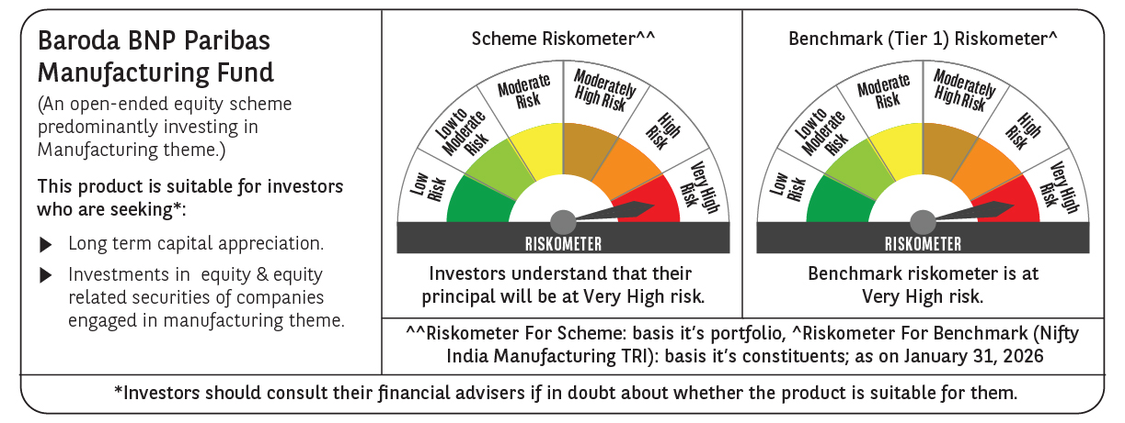

 | Monthly Performance Link: https://www.barodabnpparibasmf.in/assets/download_documents/Performance-of-Schemes-jan-2026_16576.pdf

