T0ME36
 | Baroda BNP Paribas NIFTY BANK ETF

 | Monthly Portfolio Statement as on January 31, 2026
 | Name of the Instrument | ISIN | Industry | Quantity | Market/Fair Value (Rs. in Lakhs) | % to Net Assets | YTM~ | YTC^ | null
 | Equity & Equity related
 | (a) Listed / awaiting listing on Stock Exchanges
HDFB03 | HDFC Bank Limited | INE040A01034 | Banks | 9,017 | 83.79 | 21.97%
IBCL05 | ICICI Bank Limited | INE090A01021 | Banks | 5,099 | 69.09 | 18.11%
SBAI02 | State Bank of India | INE062A01020 | Banks | 3,683 | 39.67 | 10.40%
UTIB02 | Axis Bank Limited | INE238A01034 | Banks | 2,732 | 37.44 | 9.82%
KOMA03 | Kotak Mahindra Bank Limited | INE237A01036 | Banks | 8,294 | 33.84 | 8.87%
FEBA02 | The Federal Bank Limited | INE171A01029 | Banks | 6,597 | 18.98 | 4.98%
IIBL01 | IndusInd Bank Limited | INE095A01012 | Banks | 1,780 | 15.95 | 4.18%
BKBA02 | Bank of Baroda | INE028A01039 | Banks | 4,971 | 14.88 | 3.90%
IDBK01 | IDFC First Bank Limited | INE092T01019 | Banks | 17,209 | 14.38 | 3.77%
AFPL02 | AU Small Finance Bank Limited | INE949L01017 | Banks | 1,426 | 14.01 | 3.67%
CANB02 | Canara Bank | INE476A01022 | Banks | 9,146 | 13.48 | 3.54%
PUBA02 | Punjab National Bank | INE160A01022 | Banks | 9,633 | 12.06 | 3.16%
YESB03 | Yes Bank Limited | INE528G01035 | Banks | 31,100 | 6.66 | 1.75%
UNBI01 | Union Bank of India | INE692A01016 | Banks | 3,615 | 6.53 | 1.71%
 | Sub Total |  |  |  | 380.76 | 99.83%
 | (b) Unlisted |  |  |  | NIL | NIL
 | Sub Total |  |  |  | NIL | NIL
 | Total |  |  |  | 380.76 | 99.83%
 | Reverse Repo / TREPS
TRP_020226 | Clearing Corporation of India Ltd |  |  |  | 0.29 | 0.08% | 5.00%
 | Sub Total |  |  |  | 0.29 | 0.08%
 | Total |  |  |  | 0.29 | 0.08%
 | Net Receivables / (Payables) |  |  |  | 0.36 | 0.09%
 | GRAND TOTAL |  |  |  | 381.41 | 100.00%

 | ~ YTM as on January 31, 2026
 | ^ YTC represents Yield to Call provided by valuation agencies as on January 31, 2026. It is disclosed for Perpetual Bond issued by Banks (i.e. AT-1 Bond / Tier 1 Bond / Tier 2 Bond), as per AMFI Best Practices Guidelines Circular no. 135/BP/91/2020-21 read with SEBI circular No. SEBI/HO/IMD/DF4/CIR/P/2021/034 on Valuation of AT-1 Bonds and Tier 2 Bonds.

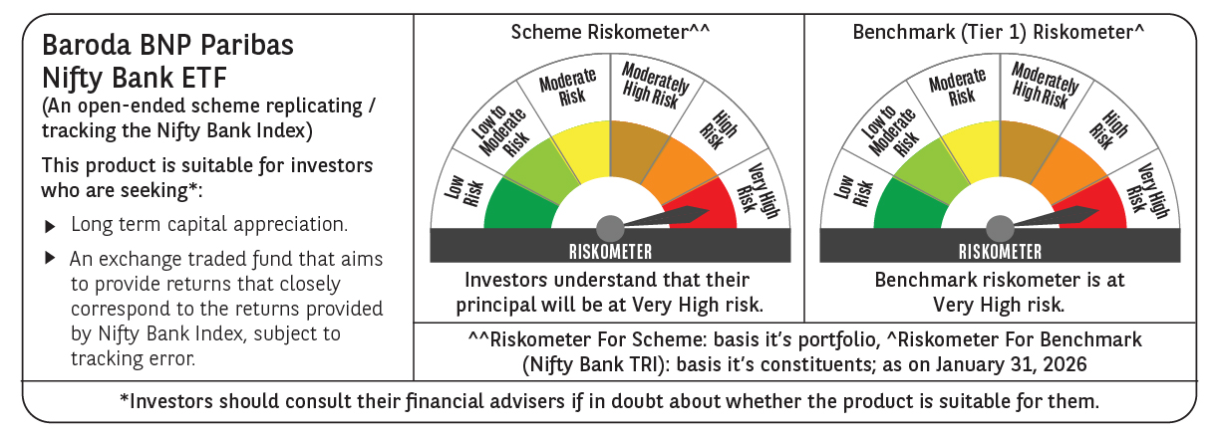

 | Monthly Performance Link: https://www.barodabnpparibasmf.in/assets/download_documents/Performance-of-Schemes-jan-2026_16576.pdf

