T0ME35
 | Baroda BNP Paribas Retirement Fund

 | Monthly Portfolio Statement as on January 31, 2026
 | Name of the Instrument | ISIN | Industry / Rating | Quantity | Market/Fair Value (Rs. in Lakhs) | % to Net Assets | YTM~ | YTC^ | null
 | Equity & Equity related
 | (a) Listed / awaiting listing on Stock Exchanges
HDFB03 | HDFC Bank Limited | INE040A01034 | Banks | 220,000 | 2,044.35 | 5.20%
IBCL05 | ICICI Bank Limited | INE090A01021 | Banks | 105,300 | 1,426.82 | 3.63%
RIND01 | Reliance Industries Limited | INE002A01018 | Petroleum Products | 81,900 | 1,142.83 | 2.91%
LARS02 | Larsen & Toubro Limited | INE018A01030 | Construction | 23,800 | 935.89 | 2.38%
INFS02 | Infosys Limited | INE009A01021 | IT - Software | 52,110 | 855.13 | 2.17%
BTVL02 | Bharti Airtel Limited | INE397D01024 | Telecom - Services | 41,515 | 817.31 | 2.08%
TEMA02 | Tech Mahindra Limited | INE669C01036 | IT - Software | 43,010 | 749.71 | 1.91%
ZMPL01 | Eternal Limited | INE758T01015 | Retailing | 265,000 | 725.04 | 1.84%
DIVI02 | Divi's Laboratories Limited | INE361B01024 | Pharmaceuticals & Biotechnology | 11,800 | 714.02 | 1.82%
BRIT03 | Britannia Industries Limited | INE216A01030 | Food Products | 11,350 | 665.17 | 1.69%
BHAH02 | Bharat Heavy Electricals Limited | INE257A01026 | Electrical Equipment | 250,000 | 656.75 | 1.67%
TWAT02 | Titan Company Limited | INE280A01028 | Consumer Durables | 15,500 | 616.50 | 1.57%
TRFO01 | Travel Food Services Limited | INE103V01028 | Leisure Services | 55,200 | 588.98 | 1.50%
ULCC01 | UltraTech Cement Limited | INE481G01011 | Cement & Cement Products | 4,600 | 583.92 | 1.48%
UTIB02 | Axis Bank Limited | INE238A01034 | Banks | 42,000 | 575.57 | 1.46%
INAV01 | InterGlobe Aviation Limited | INE646L01027 | Transport Services | 12,500 | 574.56 | 1.46%
PRRC03 | Navin Fluorine International Limited | INE048G01026 | Chemicals & Petrochemicals | 9,240 | 563.55 | 1.43%
ABBP01 | Hitachi Energy India Limited | INE07Y701011 | Electrical Equipment | 2,867 | 540.77 | 1.38%
MCEX02 | Multi Commodity Exchange of India Limited | INE745G01043 | Capital Markets | 21,300 | 538.46 | 1.37%
AFPL02 | AU Small Finance Bank Limited | INE949L01017 | Banks | 53,400 | 524.57 | 1.33%
KOMA03 | Kotak Mahindra Bank Limited | INE237A01036 | Banks | 125,000 | 510.00 | 1.30%
SAGI01 | Sagility Limited | INE0W2G01015 | IT - Services | 1,012,847 | 505.71 | 1.29%
SAEL02 | TVS Motor Company Limited | INE494B01023 | Automobiles | 13,650 | 501.97 | 1.28%
SBAI02 | State Bank of India | INE062A01020 | Banks | 45,000 | 484.72 | 1.23%
MAHI02 | Mahindra & Mahindra Limited | INE101A01026 | Automobiles | 13,750 | 471.87 | 1.20%
ALLI02 | GE Vernova T&D India Limited | INE200A01026 | Electrical Equipment | 14,590 | 471.30 | 1.20%
FRHL01 | Fortis Healthcare Limited | INE061F01013 | Healthcare Services | 55,000 | 468.33 | 1.19%
HINI02 | Hindalco Industries Limited | INE038A01020 | Non - Ferrous Metals | 48,000 | 462.05 | 1.17%
TMLC01 | Tata Motors Ltd | INE1TAE01010 | Agricultural, Commercial & Construction Vehicles | 99,000 | 453.92 | 1.15%
CUBI02 | City Union Bank Limited | INE491A01021 | Banks | 150,000 | 452.63 | 1.15%
RAKH02 | Radico Khaitan Limited | INE944F01028 | Beverages | 16,000 | 452.50 | 1.15%
PSYL02 | Persistent Systems Limited | INE262H01021 | IT - Software | 7,450 | 449.61 | 1.14%
USFB01 | Ujjivan Small Finance Bank Limited | INE551W01018 | Banks | 679,045 | 443.89 | 1.13%
RCAM01 | Nippon Life India Asset Management Limited | INE298J01013 | Capital Markets | 50,000 | 439.05 | 1.12%
VMML01 | Vishal Mega Mart Limited | INE01EA01019 | Retailing | 342,222 | 431.03 | 1.10%
KCUL02 | Cummins India Limited | INE298A01020 | Industrial Products | 10,328 | 424.74 | 1.08%
MAXI02 | Max Financial Services Limited | INE180A01020 | Insurance | 24,700 | 398.56 | 1.01%
LTIL01 | LTIMindtree Limited | INE214T01019 | IT - Software | 6,600 | 394.32 | 1.00%
PUBA02 | Punjab National Bank | INE160A01022 | Banks | 313,732 | 392.76 | 1.00%
CHOL02 | Cholamandalam Investment and Finance Company Ltd | INE121A01024 | Finance | 23,911 | 390.13 | 0.99%
ESMC02 | PB Fintech Limited | INE417T01026 | Financial Technology (Fintech) | 23,500 | 388.81 | 0.99%
MAUD01 | Maruti Suzuki India Limited | INE585B01010 | Automobiles | 2,600 | 379.57 | 0.97%
ONCO02 | One 97 Communications Limited | INE982J01020 | Financial Technology (Fintech) | 33,000 | 375.38 | 0.95%
BLTE01 | Swiggy Limited | INE00H001014 | Retailing | 117,333 | 363.44 | 0.92%
BOCL01 | Linde India Limited | INE473A01011 | Chemicals & Petrochemicals | 5,600 | 336.39 | 0.86%
GUAM02 | Ambuja Cements Limited | INE079A01024 | Cement & Cement Products | 64,000 | 326.50 | 0.83%
MAHE01 | Max Healthcare Institute Limited | INE027H01010 | Healthcare Services | 34,000 | 325.31 | 0.83%
INSP01 | Indiqube Spaces Limited | INE06ST01018 | Commercial Services & Supplies | 183,645 | 323.69 | 0.82%
BHEL02 | Bharat Electronics Limited | INE263A01024 | Aerospace & Defense | 70,000 | 314.30 | 0.80%
CIPL03 | Cipla Limited | INE059A01026 | Pharmaceuticals & Biotechnology | 22,000 | 291.28 | 0.74%
FEBA02 | The Federal Bank Limited | INE171A01029 | Banks | 100,000 | 287.75 | 0.73%
BAFL03 | Bajaj Finance Limited | INE296A01032 | Finance | 30,000 | 278.96 | 0.71%
 | Sub Total |  |  |  | 28,830.37 | 73.31%
 | (b) Invits
ANZE01 | Anzen India Energy Yield Plus Trust | INE0MIZ23019 | Power | 825,000 | 965.25 | 2.45%
 | Sub Total |  |  |  | 965.25 | 2.45%
 | (c) Unlisted |  |  |  | NIL | NIL
 | Sub Total |  |  |  | NIL | NIL
 | Total |  |  |  | 29,795.62 | 75.76%
 | Debt Instruments
 | (a) Listed / awaiting listing on Stock Exchange
GOI6638 | 6.9% Government of India (15/04/2065) | IN0020250018 | Sovereign | 4,900,000 | 4,582.89 | 11.65% | 7.54%
GOI5728 | 7.34% Government of India (22/04/2064) | IN0020240035 | Sovereign | 1,621,800 | 1,603.64 | 4.08% | 7.57%
RUPL50 | 7.90% Jamnagar Utilities & Power Private Limited (10/08/2028) ** | INE936D07182 | CRISIL AAA | 500 | 505.04 | 1.28% | 7.42%
GOI6156 | 6.79% Government of India (07/10/2034) | IN0020240126 | Sovereign | 500,000 | 501.75 | 1.28% | 6.85%
NTPC257 | 6.84% NTPC Limited (09/05/2035) ** | INE733E08270 | CRISIL AAA | 500 | 481.69 | 1.22% | 7.39%
PHFL84 | 6.75% Piramal Finance Limited (26/09/2031) ** | INE516Y07444 | ICRA AA | 57,142 | 431.70 | 1.10% | 9.03%
GOI6919 | 6.01% Government of India (21/07/2030) | IN0020250067 | Sovereign | 200,000 | 197.28 | 0.50% | 6.46%
GOI6019 | 7.09% Government of India (05/08/2054) | IN0020240118 | Sovereign | 200,000 | 193.20 | 0.49% | 7.51%
 | Sub Total |  |  |  | 8,497.19 | 21.60%
 | Preference Shares
SAEL21PS | 6% TVS Motor Company Limited ** | INE494B04019 | CARE A1+ | 52,000 | 5.32 | 0.01%
 | Sub Total |  |  |  | 5.32 | 0.01%
 | (b) Privately placed / Unlisted |  |  |  | NIL | NIL
 | Sub Total |  |  |  | NIL | NIL
 | (b) Privately placed / Unlisted |  |  |  | NIL | NIL
 | Sub Total |  |  |  | NIL | NIL
 | Total |  |  |  | 8,502.51 | 21.61%
 | Reverse Repo / TREPS
TRP_020226 | Clearing Corporation of India Ltd |  |  |  | 861.37 | 2.19% | 5.01%
 | Sub Total |  |  |  | 861.37 | 2.19%
 | (b) Privately placed / Unlisted |  |  |  | NIL | NIL
 | Sub Total |  |  |  | NIL | NIL
 | Total |  |  |  | 861.37 | 2.19%
 | Net Receivables / (Payables) |  |  |  | 164.13 | 0.44%
 | GRAND TOTAL |  |  |  | 39,323.63 | 100.00%

 | ** Thinly Traded / Non Traded Security
 | ~ YTM as on January 31, 2026
 | ^ YTC represents Yield to Call provided by valuation agencies as on January 31, 2026. It is disclosed for Perpetual Bond issued by Banks (i.e. AT-1 Bond / Tier 1 Bond / Tier 2 Bond), as per AMFI Best Practices Guidelines Circular no. 135/BP/91/2020-21 read with SEBI circular No. SEBI/HO/IMD/DF4/CIR/P/2021/034 on Valuation of AT-1 Bonds and Tier 2 Bonds.

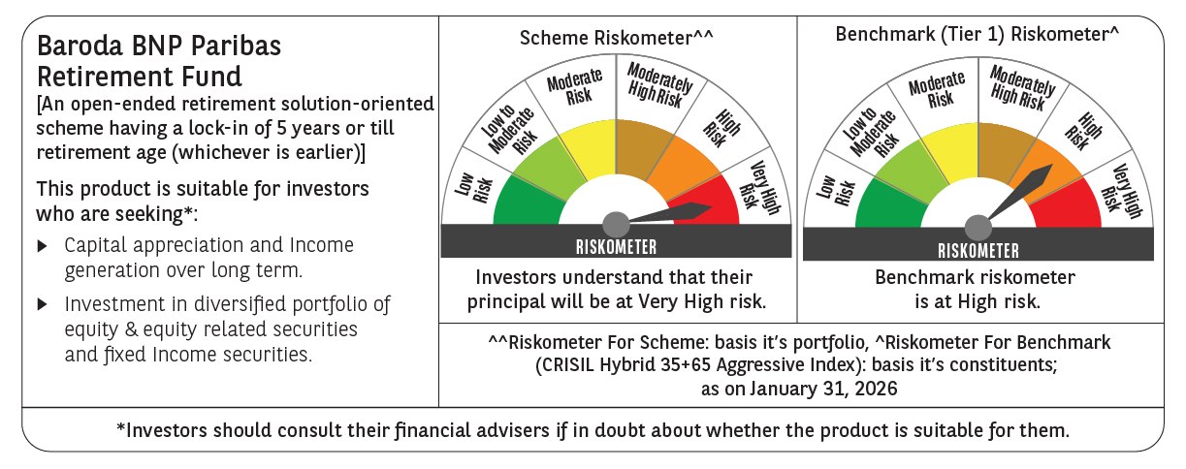

 | Monthly Performance Link: https://www.barodabnpparibasmf.in/assets/download_documents/Performance-of-Schemes-jan-2026_16576.pdf

