T0ME34
 | Baroda BNP Paribas Innovation Fund

 | Monthly Portfolio Statement as on January 31, 2026
 | Name of the Instrument | ISIN | Industry / Rating | Quantity | Market/Fair Value (Rs. in Lakhs) | % to Net Assets | YTM~ | YTC^ | null
 | Equity & Equity related
 | (a) Listed / awaiting listing on Stock Exchanges
MCEX02 | Multi Commodity Exchange of India Limited | INE745G01043 | Capital Markets | 146,250 | 3,697.20 | 4.29%
BOCL01 | Linde India Limited | INE473A01011 | Chemicals & Petrochemicals | 57,774 | 3,470.48 | 4.03%
ONCO02 | One 97 Communications Limited | INE982J01020 | Financial Technology (Fintech) | 305,000 | 3,469.38 | 4.02%
ZMPL01 | Eternal Limited | INE758T01015 | Retailing | 1,194,500 | 3,268.15 | 3.79%
ABBP01 | Hitachi Energy India Limited | INE07Y701011 | Electrical Equipment | 17,224 | 3,248.79 | 3.77%
PRRC03 | Navin Fluorine International Limited | INE048G01026 | Chemicals & Petrochemicals | 51,711 | 3,153.85 | 3.66%
BTVL02 | Bharti Airtel Limited | INE397D01024 | Telecom - Services | 158,108 | 3,112.67 | 3.61%
ESMC02 | PB Fintech Limited | INE417T01026 | Financial Technology (Fintech) | 184,600 | 3,054.21 | 3.54%
SAEL02 | TVS Motor Company Limited | INE494B01023 | Automobiles | 77,400 | 2,846.31 | 3.30%
IBCL05 | ICICI Bank Limited | INE090A01021 | Banks | 180,000 | 2,439.00 | 2.83%
CAMS02 | Computer Age Management Services Limited | INE596I01020 | Capital Markets | 345,000 | 2,397.92 | 2.78%
DIVI02 | Divi's Laboratories Limited | INE361B01024 | Pharmaceuticals & Biotechnology | 39,200 | 2,371.99 | 2.75%
KCUL02 | Cummins India Limited | INE298A01020 | Industrial Products | 55,723 | 2,291.61 | 2.66%
SAGI01 | Sagility Limited | INE0W2G01015 | IT - Services | 4,550,420 | 2,272.02 | 2.64%
BIRM01 | 3M India Limited | INE470A01017 | Diversified | 6,264 | 2,154.19 | 2.50%
BAFL03 | Bajaj Finance Limited | INE296A01032 | Finance | 230,000 | 2,138.66 | 2.48%
FSNE01 | FSN E-Commerce Ventures Limited | INE388Y01029 | Retailing | 890,000 | 2,113.75 | 2.45%
AMIO02 | Acutaas Chemicals Limited | INE00FF01025 | Pharmaceuticals & Biotechnology | 108,462 | 2,074.34 | 2.41%
RIND01 | Reliance Industries Limited | INE002A01018 | Petroleum Products | 147,600 | 2,059.61 | 2.39%
IEIN02 | Info Edge (India) Limited | INE663F01032 | Retailing | 163,000 | 2,036.52 | 2.36%
MAHI02 | Mahindra & Mahindra Limited | INE101A01026 | Automobiles | 56,700 | 1,945.83 | 2.26%
BLTE01 | Swiggy Limited | INE00H001014 | Retailing | 590,000 | 1,827.53 | 2.12%
KFIN01 | KFin Technologies Limited | INE138Y01010 | Capital Markets | 180,000 | 1,825.20 | 2.12%
USFB01 | Ujjivan Small Finance Bank Limited | INE551W01018 | Banks | 2,641,407 | 1,726.69 | 2.00%
MOTI02 | Bosch Limited | INE323A01026 | Auto Components | 4,539 | 1,658.10 | 1.92%
INAV01 | InterGlobe Aviation Limited | INE646L01027 | Transport Services | 34,500 | 1,585.79 | 1.84%
TBOT01 | TBO Tek Limited | INE673O01025 | Leisure Services | 113,073 | 1,574.20 | 1.83%
TRFO01 | Travel Food Services Limited | INE103V01028 | Leisure Services | 145,000 | 1,547.15 | 1.79%
AMBE01 | Amber Enterprises India Limited | INE371P01015 | Consumer Durables | 27,000 | 1,543.32 | 1.79%
INFS02 | Infosys Limited | INE009A01021 | IT - Software | 87,998 | 1,444.05 | 1.68%
MAXI02 | Max Financial Services Limited | INE180A01020 | Insurance | 88,500 | 1,428.04 | 1.66%
LENS01 | Lenskart Solutions Limited | INE956O01016 | Retailing | 301,638 | 1,379.54 | 1.60%
KPEL01 | KPIT Technologies Limited | INE04I401011 | IT - Software | 121,000 | 1,260.70 | 1.46%
ALLI02 | GE Vernova T&D India Limited | INE200A01026 | Electrical Equipment | 36,000 | 1,162.91 | 1.35%
PINP01 | Pine Labs Limited | INE15B701018 | Financial Technology (Fintech) | 500,000 | 1,140.55 | 1.32%
BSEL02 | BSE Limited | INE118H01025 | Capital Markets | 40,000 | 1,118.80 | 1.30%
SOKO03 | Jtekt India Limited | INE643A01035 | Auto Components | 807,136 | 1,104.40 | 1.28%
PFIZ01 | Pfizer Limited | INE182A01018 | Pharmaceuticals & Biotechnology | 22,879 | 1,044.11 | 1.21%
AMLL01 | Amagi Media Labs Limited | INE121R01077 | IT - Services | 272,636 | 999.76 | 1.16%
LGEL01 | LG Electronics India Ltd | INE324D01010 | Consumer Durables | 57,994 | 848.22 | 0.98%
 | Sub Total |  |  |  | 81,835.54 | 94.93%
 | (b) Unlisted |  |  |  | NIL | NIL
 | Sub Total |  |  |  | NIL | NIL
 | Total |  |  |  | 81,835.54 | 94.93%
 | Derivatives
 | Index / Stock Futures
BAFLFEB26 | Bajaj Finance Limited February 2026 Future |  |  | 90,000 | 839.57 | 0.97%
 | Sub Total |  |  |  | 839.57 | 0.97%
 | Total |  |  |  | 839.57 | 0.97%
 | Debt Instruments
 | (a) Preference Shares
SAEL21PS | 6% TVS Motor Company Limited ** | INE494B04019 | CARE A1+ | 472,000 | 48.25 | 0.06%
 | Sub Total |  |  |  | 48.25 | 0.06%
 | Total |  |  |  | 48.25 | 0.06%
 | Money Market Instruments
 | Treasury Bill
TBIL2503 | 364 Days Tbill (MD 01/05/2026) | IN002025Z054 | Sovereign | 1,000,000 | 986.86 | 1.14% | 5.46%
 | Sub Total |  |  |  | 986.86 | 1.14%
 | Total |  |  |  | 986.86 | 1.14%
 | Reverse Repo / TREPS
TRP_020226 | Clearing Corporation of India Ltd |  |  |  | 1,157.45 | 1.34% | 5.01%
 | Sub Total |  |  |  | 1,157.45 | 1.34%
 | Total |  |  |  | 1,157.45 | 1.34%
 | Net Receivables / (Payables) |  |  |  | 1,328.03 | 1.56%
 | GRAND TOTAL |  |  |  | 86,195.70 | 100.00%

 | ** Thinly Traded / Non Traded Security
 | ~ YTM as on January 31, 2026
 | ^ YTC represents Yield to Call provided by valuation agencies as on January 31, 2026. It is disclosed for Perpetual Bond issued by Banks (i.e. AT-1 Bond / Tier 1 Bond / Tier 2 Bond), as per AMFI Best Practices Guidelines Circular no. 135/BP/91/2020-21 read with SEBI circular No. SEBI/HO/IMD/DF4/CIR/P/2021/034 on Valuation of AT-1 Bonds and Tier 2 Bonds.
 | Details of Stock Future / Index Future
 | Long/Short | Name of the Instrument | Industry | Quantity. | Market/Fair Value (Rs. in Lacs). | % to NAV.
 | Long | Bajaj Finance Limited_24/02/2026 | Finance | 90,000 | 839.57 | 0.97%

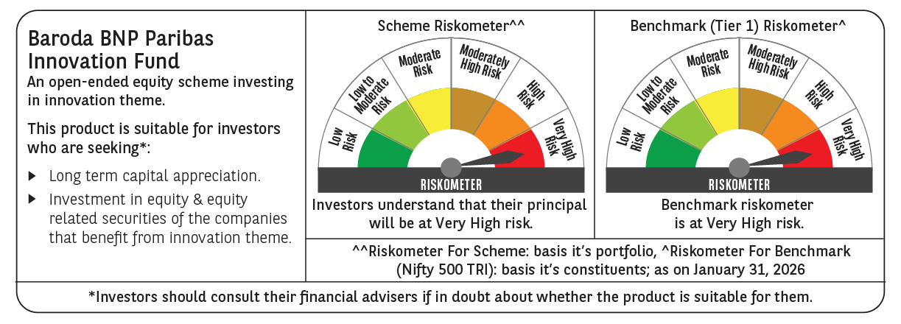

 | Monthly Performance Link: https://www.barodabnpparibasmf.in/assets/download_documents/Performance-of-Schemes-jan-2026_16576.pdf

