T0ME33
 | Baroda BNP Paribas Nifty 50 Index Fund

 | Monthly Portfolio Statement as on January 31, 2026
 | Name of the Instrument | ISIN | Industry | Quantity | Market/Fair Value (Rs. in Lakhs) | % to Net Assets | YTM~ | YTC^ | null
 | Equity & Equity related
 | (a) Listed / awaiting listing on Stock Exchanges
HDFB03 | HDFC Bank Limited | INE040A01034 | Banks | 82,226 | 764.09 | 12.32%
IBCL05 | ICICI Bank Limited | INE090A01021 | Banks | 38,314 | 519.15 | 8.37%
RIND01 | Reliance Industries Limited | INE002A01018 | Petroleum Products | 36,431 | 508.36 | 8.20%
INFS02 | Infosys Limited | INE009A01021 | IT - Software | 18,985 | 311.54 | 5.02%
BTVL02 | Bharti Airtel Limited | INE397D01024 | Telecom - Services | 14,997 | 295.25 | 4.76%
SBAI02 | State Bank of India | INE062A01020 | Banks | 22,292 | 240.12 | 3.87%
LARS02 | Larsen & Toubro Limited | INE018A01030 | Construction | 6,100 | 239.87 | 3.87%
UTIB02 | Axis Bank Limited | INE238A01034 | Banks | 15,063 | 206.42 | 3.33%
TCSL01 | Tata Consultancy Services Limited | INE467B01029 | IT - Software | 5,625 | 175.72 | 2.83%
MAHI02 | Mahindra & Mahindra Limited | INE101A01026 | Automobiles | 4,948 | 169.81 | 2.74%
ITCL02 | ITC Limited | INE154A01025 | Diversified FMCG | 52,437 | 168.93 | 2.72%
KOMA03 | Kotak Mahindra Bank Limited | INE237A01036 | Banks | 39,681 | 161.90 | 2.61%
BAFL03 | Bajaj Finance Limited | INE296A01032 | Finance | 14,346 | 133.40 | 2.15%
HLEL02 | Hindustan Unilever Limited | INE030A01027 | Diversified FMCG | 4,851 | 115.11 | 1.86%
MAUD01 | Maruti Suzuki India Limited | INE585B01010 | Automobiles | 727 | 106.13 | 1.71%
ZMPL01 | Eternal Limited | INE758T01015 | Retailing | 37,898 | 103.69 | 1.67%
HCLT02 | HCL Technologies Limited | INE860A01027 | IT - Software | 5,725 | 97.07 | 1.56%
SPIL03 | Sun Pharmaceutical Industries Limited | INE044A01036 | Pharmaceuticals & Biotechnology | 5,782 | 92.24 | 1.49%
TWAT02 | Titan Company Limited | INE280A01028 | Consumer Durables | 2,255 | 89.69 | 1.45%
BHEL02 | Bharat Electronics Limited | INE263A01024 | Aerospace & Defense | 19,873 | 89.23 | 1.44%
NTPC01 | NTPC Limited | INE733E01010 | Power | 24,974 | 88.91 | 1.43%
TISC03 | Tata Steel Limited | INE081A01020 | Ferrous Metals | 43,042 | 83.13 | 1.34%
ULCC01 | UltraTech Cement Limited | INE481G01011 | Cement & Cement Products | 646 | 82.00 | 1.32%
SHTR02 | Shriram Finance Limited | INE721A01047 | Finance | 7,552 | 77.03 | 1.24%
HINI02 | Hindalco Industries Limited | INE038A01020 | Non - Ferrous Metals | 7,598 | 73.14 | 1.18%
PGCI01 | Power Grid Corporation of India Limited | INE752E01010 | Power | 24,423 | 62.64 | 1.01%
ASPA02 | Asian Paints Limited | INE021A01026 | Consumer Durables | 2,532 | 61.48 | 0.99%
JVSL04 | JSW Steel Limited | INE019A01038 | Ferrous Metals | 5,006 | 60.79 | 0.98%
BFSL02 | Bajaj Finserv Limited | INE918I01026 | Finance | 3,090 | 60.34 | 0.97%
TEMA02 | Tech Mahindra Limited | INE669C01036 | IT - Software | 3,413 | 59.49 | 0.96%
GRAS02 | Grasim Industries Limited | INE047A01021 | Cement & Cement Products | 2,066 | 58.24 | 0.94%
INAV01 | InterGlobe Aviation Limited | INE646L01027 | Transport Services | 1,258 | 57.82 | 0.93%
BALN01 | Bajaj Auto Limited | INE917I01010 | Automobiles | 598 | 57.39 | 0.93%
MUND02 | Adani Ports and Special Economic Zone Limited | INE742F01042 | Transport Infrastructure | 3,935 | 55.87 | 0.90%
ONGC02 | Oil & Natural Gas Corporation Limited | INE213A01029 | Oil | 20,508 | 55.16 | 0.89%
EIML02 | Eicher Motors Limited | INE066A01021 | Automobiles | 745 | 53.06 | 0.86%
COAL01 | Coal India Limited | INE522F01014 | Consumable Fuels | 11,951 | 52.67 | 0.85%
NEST02 | Nestle India Limited | INE239A01024 | Food Products | 3,886 | 51.78 | 0.83%
SLIF01 | SBI Life Insurance Company Limited | INE123W01016 | Insurance | 2,511 | 50.18 | 0.81%
LAKM02 | Trent Limited | INE849A01020 | Retailing | 1,213 | 45.92 | 0.74%
RELS01 | Jio Financial Services Limited | INE758E01017 | Finance | 17,748 | 45.17 | 0.73%
HDLI01 | HDFC Life Insurance Company Limited | INE795G01014 | Insurance | 5,815 | 42.51 | 0.69%
DRRL03 | Dr. Reddy's Laboratories Limited | INE089A01031 | Pharmaceuticals & Biotechnology | 3,341 | 40.70 | 0.66%
TTEA02 | Tata Consumer Products Limited | INE192A01025 | Agricultural Food & other Products | 3,577 | 40.56 | 0.65%
CIPL03 | Cipla Limited | INE059A01026 | Pharmaceuticals & Biotechnology | 3,060 | 40.51 | 0.65%
APOL02 | Apollo Hospitals Enterprise Limited | INE437A01024 | Healthcare Services | 562 | 39.12 | 0.63%
MAHE01 | Max Healthcare Institute Limited | INE027H01010 | Healthcare Services | 4,050 | 38.75 | 0.62%
TELC03 | Tata Motors Passenger Vehicles Limited | INE155A01022 | Automobiles | 10,967 | 38.39 | 0.62%
WIPR02 | Wipro Limited | INE075A01022 | IT - Software | 15,235 | 36.09 | 0.58%
ADAN02 | Adani Enterprises Limited | INE423A01024 | Metals & Minerals Trading | 1,391 | 28.10 | 0.45%
ADAN04 | Adani Enterprises Limited Partly paid up ** | IN9423A01030 | Metals & Minerals Trading | 300 | 3.36 | 0.05%
KWWA01 | Kwality Walls (India) Limited ** | INE2KCE01013 | Food Products | 4,648 | 1.87 | 0.03%
 | Sub Total |  |  |  | 6,229.89 | 100.43%
 | (b) Unlisted |  |  |  | NIL | NIL
 | Sub Total |  |  |  | NIL | NIL
 | Total |  |  |  | 6,229.89 | 100.43%
 | Reverse Repo / TREPS
TRP_020226 | Clearing Corporation of India Ltd |  |  |  | 6.79 | 0.11% | 5.01%
 | Sub Total |  |  |  | 6.79 | 0.11%
 | Total |  |  |  | 6.79 | 0.11%
 | Net Receivables / (Payables) |  |  |  | (33.67) | (0.54)%
 | GRAND TOTAL |  |  |  | 6,203.01 | 100.00%

 | ** Thinly Traded / Non Traded Security
 | ~ YTM as on January 31, 2026
 | ^ YTC represents Yield to Call provided by valuation agencies as on January 31, 2026. It is disclosed for Perpetual Bond issued by Banks (i.e. AT-1 Bond / Tier 1 Bond / Tier 2 Bond), as per AMFI Best Practices Guidelines Circular no. 135/BP/91/2020-21 read with SEBI circular No. SEBI/HO/IMD/DF4/CIR/P/2021/034 on Valuation of AT-1 Bonds and Tier 2 Bonds.

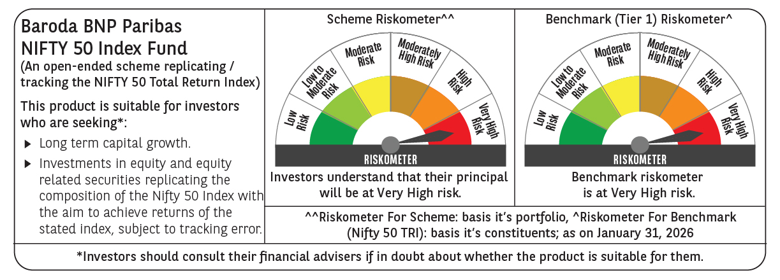

 | Monthly Performance Link: https://www.barodabnpparibasmf.in/assets/download_documents/Performance-of-Schemes-jan-2026_16576.pdf

