T0ME32
 | Baroda BNP Paribas Small Cap Fund

 | Monthly Portfolio Statement as on January 31, 2026
 | Name of the Instrument | ISIN | Industry | Quantity | Market/Fair Value (Rs. in Lakhs) | % to Net Assets | YTM~ | YTC^ | null
 | Equity & Equity related
 | (a) Listed / awaiting listing on Stock Exchanges
CUBI02 | City Union Bank Limited | INE491A01021 | Banks | 1,350,000 | 4,073.63 | 3.49%
NACL03 | National Aluminium Company Limited | INE139A01034 | Non - Ferrous Metals | 1,000,000 | 3,854.50 | 3.30%
PRRC03 | Navin Fluorine International Limited | INE048G01026 | Chemicals & Petrochemicals | 60,000 | 3,659.40 | 3.14%
BHAE02 | BEML Limited | INE258A01024 | Agricultural, Commercial & Construction Vehicles | 200,000 | 3,589.80 | 3.08%
SAGI01 | Sagility Limited | INE0W2G01015 | IT - Services | 6,800,000 | 3,395.24 | 2.91%
KAVY06 | Karur Vysya Bank Limited | INE036D01028 | Banks | 1,100,000 | 3,315.40 | 2.84%
CANH02 | Can Fin Homes Limited | INE477A01020 | Finance | 347,000 | 3,235.60 | 2.77%
RAKH02 | Radico Khaitan Limited | INE944F01028 | Beverages | 105,000 | 2,969.51 | 2.55%
USFB01 | Ujjivan Small Finance Bank Limited | INE551W01018 | Banks | 4,500,000 | 2,941.65 | 2.52%
SOKO03 | Jtekt India Limited | INE643A01035 | Auto Components | 2,100,377 | 2,873.95 | 2.46%
AMBE01 | Amber Enterprises India Limited | INE371P01015 | Consumer Durables | 50,000 | 2,858.00 | 2.45%
PHWL01 | PhysicsWallah Limited | INE0LP301011 | Other Consumer Services | 2,382,100 | 2,845.42 | 2.44%
ASPH02 | AstraZeneca Pharma India Limited | INE203A01020 | Pharmaceuticals & Biotechnology | 32,200 | 2,753.10 | 2.36%
SSNL02 | Delhivery Limited | INE148O01028 | Transport Services | 625,000 | 2,643.44 | 2.27%
BHAH02 | Bharat Heavy Electricals Limited | INE257A01026 | Electrical Equipment | 1,000,000 | 2,627.00 | 2.25%
MFSL01 | Mas Financial Services Limited | INE348L01012 | Finance | 800,000 | 2,602.40 | 2.23%
MCEX02 | Multi Commodity Exchange of India Limited | INE745G01043 | Capital Markets | 100,000 | 2,528.00 | 2.17%
ICEM01 | The India Cements Limited | INE383A01012 | Cement & Cement Products | 550,000 | 2,517.35 | 2.16%
JBCH03 | JB Chemicals & Pharmaceuticals Limited | INE572A01036 | Pharmaceuticals & Biotechnology | 130,000 | 2,430.35 | 2.08%
AGBL01 | Angel One Limited | INE732I01013 | Capital Markets | 95,000 | 2,413.86 | 2.07%
DLPL01 | Dr. Lal Path Labs Limited | INE600L01024 | Healthcare Services | 170,000 | 2,396.15 | 2.05%
MSUW01 | Motherson Sumi Wiring India Limited | INE0FS801015 | Auto Components | 5,500,000 | 2,373.80 | 2.03%
AFFI02 | Affle 3i Limited | INE00WC01027 | IT - Services | 150,000 | 2,320.80 | 1.99%
ADHL01 | Aster DM Healthcare Limited | INE914M01019 | Healthcare Services | 400,000 | 2,208.60 | 1.89%
LAUR02 | Laurus Labs Limited | INE947Q01028 | Pharmaceuticals & Biotechnology | 225,000 | 2,171.25 | 1.86%
MALE02 | Poonawalla Fincorp Limited | INE511C01022 | Finance | 525,000 | 2,094.75 | 1.80%
ECLE01 | eClerx Services Limited | INE738I01010 | Commercial Services & Supplies | 45,000 | 2,093.04 | 1.79%
ABBP01 | Hitachi Energy India Limited | INE07Y701011 | Electrical Equipment | 10,000 | 1,886.20 | 1.62%
CNAF02 | Zydus Wellness Limited | INE768C01028 | Food Products | 408,400 | 1,830.86 | 1.57%
EMPH02 | Emcure Pharmaceuticals Limited | INE168P01015 | Pharmaceuticals & Biotechnology | 125,000 | 1,829.75 | 1.57%
RATN01 | RBL Bank Limited | INE976G01028 | Banks | 600,000 | 1,792.50 | 1.54%
DCMC02 | DCM Shriram Limited | INE499A01024 | Diversified | 150,000 | 1,766.70 | 1.51%
CRAF01 | Craftsman Automation Limited | INE00LO01017 | Auto Components | 23,976 | 1,754.32 | 1.50%
KPEL01 | KPIT Technologies Limited | INE04I401011 | IT - Software | 162,500 | 1,693.09 | 1.45%
KSPL02 | KSB Limited | INE999A01023 | Industrial Products | 217,208 | 1,538.27 | 1.32%
KFIN01 | KFin Technologies Limited | INE138Y01010 | Capital Markets | 150,000 | 1,521.00 | 1.30%
YESB03 | Yes Bank Limited | INE528G01035 | Banks | 7,000,000 | 1,498.70 | 1.28%
SCLB01 | Leela Palaces Hotels & Resorts Limited | INE0AQ201015 | Leisure Services | 353,066 | 1,486.41 | 1.27%
MNGF02 | Manappuram Finance Limited | INE522D01027 | Finance | 500,000 | 1,423.25 | 1.22%
STPR03 | JK Lakshmi Cement Limited | INE786A01032 | Cement & Cement Products | 179,195 | 1,390.73 | 1.19%
PFIZ01 | Pfizer Limited | INE182A01018 | Pharmaceuticals & Biotechnology | 30,000 | 1,369.08 | 1.17%
GUOL01 | Gulf Oil Lubricants India Limited | INE635Q01029 | Petroleum Products | 124,551 | 1,357.36 | 1.16%
NHSP02 | Nephrocare Health Services Ltd | INE428V01029 | Healthcare Services | 243,782 | 1,286.44 | 1.10%
INKN01 | Inventurus Knowledge Solutions Limited | INE115Q01022 | IT - Services | 82,777 | 1,284.62 | 1.10%
TRFO01 | Travel Food Services Limited | INE103V01028 | Leisure Services | 120,000 | 1,280.40 | 1.10%
LTHL01 | Lemon Tree Hotels Limited | INE970X01018 | Leisure Services | 800,000 | 1,032.72 | 0.89%
DOMS01 | Doms Industries Limited | INE321T01012 | Household Products | 34,870 | 830.60 | 0.71%
PHFP02 | PNB Housing Finance Limited | INE572E01012 | Finance | 100,000 | 822.40 | 0.70%
MCEL03 | The Ramco Cements Limited | INE331A01037 | Cement & Cement Products | 50,000 | 560.50 | 0.48%
IINF02 | IIFL Finance Limited | INE530B01024 | Finance | 100,000 | 528.70 | 0.45%
ALLI02 | GE Vernova T&D India Limited | INE200A01026 | Electrical Equipment | 10,000 | 323.03 | 0.28%
 | Sub Total |  |  |  | 107,873.62 | 92.43%
 | (b) Unlisted |  |  |  | NIL | NIL
 | Sub Total |  |  |  | NIL | NIL
 | Total |  |  |  | 107,873.62 | 92.43%
 | Reverse Repo / TREPS
TRP_020226 | Clearing Corporation of India Ltd |  |  |  | 6,372.34 | 5.46% | 5.01%
 | Sub Total |  |  |  | 6,372.34 | 5.46%
 | Total |  |  |  | 6,372.34 | 5.46%
 | Net Receivables / (Payables) |  |  |  | 2,424.91 | 2.11%
 | GRAND TOTAL |  |  |  | 116,670.87 | 100.00%

 | ~ YTM as on January 31, 2026
 | ^ YTC represents Yield to Call provided by valuation agencies as on January 31, 2026. It is disclosed for Perpetual Bond issued by Banks (i.e. AT-1 Bond / Tier 1 Bond / Tier 2 Bond), as per AMFI Best Practices Guidelines Circular no. 135/BP/91/2020-21 read with SEBI circular No. SEBI/HO/IMD/DF4/CIR/P/2021/034 on Valuation of AT-1 Bonds and Tier 2 Bonds.

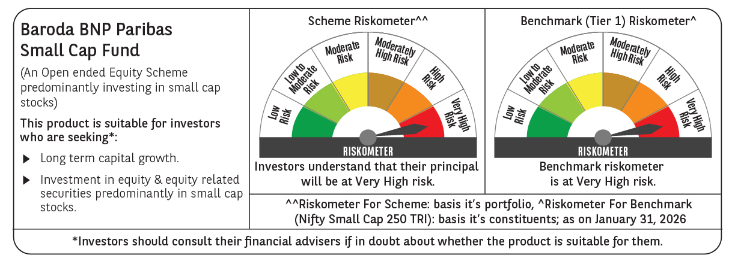

 | Monthly Performance Link: https://www.barodabnpparibasmf.in/assets/download_documents/Performance-of-Schemes-jan-2026_16576.pdf

