T0ME30
 | Baroda BNP Paribas Value Fund

 | Monthly Portfolio Statement as on January 31, 2026
 | Name of the Instrument | ISIN | Industry / Rating | Quantity | Market/Fair Value (Rs. in Lakhs) | % to Net Assets | YTM~ | YTC^ | null
 | Equity & Equity related
 | (a) Listed / awaiting listing on Stock Exchanges
HDFB03 | HDFC Bank Limited | INE040A01034 | Banks | 783,000 | 7,276.03 | 6.48%
RIND01 | Reliance Industries Limited | INE002A01018 | Petroleum Products | 513,000 | 7,158.40 | 6.37%
IBCL05 | ICICI Bank Limited | INE090A01021 | Banks | 360,000 | 4,878.00 | 4.34%
LARS02 | Larsen & Toubro Limited | INE018A01030 | Construction | 108,000 | 4,246.88 | 3.78%
ALLI02 | GE Vernova T&D India Limited | INE200A01026 | Electrical Equipment | 108,000 | 3,488.72 | 3.10%
INFS02 | Infosys Limited | INE009A01021 | IT - Software | 207,000 | 3,396.87 | 3.02%
KOMA03 | Kotak Mahindra Bank Limited | INE237A01036 | Banks | 765,000 | 3,121.20 | 2.78%
BHAH02 | Bharat Heavy Electricals Limited | INE257A01026 | Electrical Equipment | 1,170,000 | 3,073.59 | 2.74%
DIVI02 | Divi's Laboratories Limited | INE361B01024 | Pharmaceuticals & Biotechnology | 49,500 | 2,995.25 | 2.67%
SESA02 | Vedanta Limited | INE205A01025 | Diversified Metals | 396,000 | 2,698.94 | 2.40%
HERO02 | Hero MotoCorp Limited | INE158A01026 | Automobiles | 45,000 | 2,490.30 | 2.22%
TEMA02 | Tech Mahindra Limited | INE669C01036 | IT - Software | 140,000 | 2,440.34 | 2.17%
TCSL01 | Tata Consultancy Services Limited | INE467B01029 | IT - Software | 75,000 | 2,342.93 | 2.09%
OIIL01 | Oil India Limited | INE274J01014 | Oil | 450,000 | 2,295.23 | 2.04%
ULCC01 | UltraTech Cement Limited | INE481G01011 | Cement & Cement Products | 16,200 | 2,056.43 | 1.83%
BHEL02 | Bharat Electronics Limited | INE263A01024 | Aerospace & Defense | 450,000 | 2,020.50 | 1.80%
SPIL03 | Sun Pharmaceutical Industries Limited | INE044A01036 | Pharmaceuticals & Biotechnology | 120,000 | 1,914.36 | 1.70%
JBCH03 | JB Chemicals & Pharmaceuticals Limited | INE572A01036 | Pharmaceuticals & Biotechnology | 99,000 | 1,850.81 | 1.65%
ICEM01 | The India Cements Limited | INE383A01012 | Cement & Cement Products | 396,000 | 1,812.49 | 1.61%
HPEC01 | Hindustan Petroleum Corporation Limited | INE094A01015 | Petroleum Products | 414,000 | 1,767.78 | 1.57%
USFB01 | Ujjivan Small Finance Bank Limited | INE551W01018 | Banks | 2,700,000 | 1,764.99 | 1.57%
NHPC01 | NHPC Limited | INE848E01016 | Power | 2,250,000 | 1,759.50 | 1.57%
ITCL02 | ITC Limited | INE154A01025 | Diversified FMCG | 540,000 | 1,739.61 | 1.55%
EIML02 | Eicher Motors Limited | INE066A01021 | Automobiles | 24,300 | 1,730.77 | 1.54%
SOKO03 | Jtekt India Limited | INE643A01035 | Auto Components | 1,260,000 | 1,724.06 | 1.53%
TMLC01 | Tata Motors Ltd | INE1TAE01010 | Agricultural, Commercial & Construction Vehicles | 375,000 | 1,719.38 | 1.53%
NACL03 | National Aluminium Company Limited | INE139A01034 | Non - Ferrous Metals | 432,000 | 1,665.14 | 1.48%
CHEL02 | Zydus Lifesciences Limited | INE010B01027 | Pharmaceuticals & Biotechnology | 180,000 | 1,593.54 | 1.42%
CANB02 | Canara Bank | INE476A01022 | Banks | 1,080,000 | 1,592.14 | 1.42%
HDLI01 | HDFC Life Insurance Company Limited | INE795G01014 | Insurance | 216,000 | 1,578.96 | 1.41%
YESB03 | Yes Bank Limited | INE528G01035 | Banks | 6,993,000 | 1,497.20 | 1.33%
MAUD01 | Maruti Suzuki India Limited | INE585B01010 | Automobiles | 10,000 | 1,459.90 | 1.30%
ALKE01 | Alkem Laboratories Limited | INE540L01014 | Pharmaceuticals & Biotechnology | 24,300 | 1,379.63 | 1.23%
KPIT03 | Birlasoft Limited | INE836A01035 | IT - Software | 330,000 | 1,379.57 | 1.23%
IDBI01 | IDBI Bank Limited | INE008A01015 | Banks | 1,350,000 | 1,344.20 | 1.20%
PGCI01 | Power Grid Corporation of India Limited | INE752E01010 | Power | 522,000 | 1,338.93 | 1.19%
SJVN01 | SJVN Limited | INE002L01015 | Power | 1,800,000 | 1,305.00 | 1.16%
HLEL02 | Hindustan Unilever Limited | INE030A01027 | Diversified FMCG | 54,000 | 1,281.42 | 1.14%
BPCL01 | Bharat Petroleum Corporation Limited | INE029A01011 | Petroleum Products | 342,000 | 1,246.59 | 1.11%
CIPL03 | Cipla Limited | INE059A01026 | Pharmaceuticals & Biotechnology | 90,000 | 1,191.60 | 1.06%
WIPR02 | Wipro Limited | INE075A01022 | IT - Software | 500,000 | 1,184.50 | 1.05%
TENN01 | Tenneco Clean Air India Limited | INE19RI01016 | Auto Components | 225,000 | 1,174.84 | 1.05%
LGEL01 | LG Electronics India Ltd | INE324D01010 | Consumer Durables | 76,500 | 1,118.89 | 1.00%
SCHI01 | Sanofi Consumer Healthcare India Limited | INE0UOS01011 | Pharmaceuticals & Biotechnology | 26,000 | 1,104.17 | 0.98%
CALC03 | CESC Limited | INE486A01021 | Power | 720,000 | 1,081.15 | 0.96%
HOCH01 | Sanofi India Limited | INE058A01010 | Pharmaceuticals & Biotechnology | 24,300 | 976.30 | 0.87%
HZIN02 | Hindustan Zinc Limited | INE267A01025 | Non - Ferrous Metals | 153,000 | 961.61 | 0.86%
ICII01 | Akzo Nobel India Limited | INE133A01011 | Consumer Durables | 31,500 | 882.00 | 0.78%
IIBL01 | IndusInd Bank Limited | INE095A01012 | Banks | 81,000 | 725.84 | 0.65%
SKFI01 | SKF India (Industrial) Ltd | INE2J8701016 | Industrial Products | 26,100 | 710.15 | 0.63%
SCDL01 | Sundaram Clayton Limited | INE0Q3R01026 | Auto Components | 54,851 | 680.48 | 0.61%
MFSL01 | Mas Financial Services Limited | INE348L01012 | Finance | 117,000 | 380.60 | 0.34%
SKFB02 | SKF India Limited | INE640A01023 | Auto Components | 17,100 | 288.99 | 0.26%
KWWA01 | Kwality Walls (India) Limited ** | INE2KCE01013 | Food Products | 60,000 | 24.12 | 0.02%
 | Sub Total |  |  |  | 104,910.82 | 93.39%
 | (b) Unlisted |  |  |  | NIL | NIL
 | Sub Total |  |  |  | NIL | NIL
 | Total |  |  |  | 104,910.82 | 93.39%
 | Derivatives
 | Index / Stock Futures
MCEXFEB26 | Multi Commodity Exchange of India Limited February 2026 Future |  |  | 45,000 | 1,138.50 | 1.01%
 | Sub Total |  |  |  | 1,138.50 | 1.01%
 | Total |  |  |  | 1,138.50 | 1.01%
 | Money Market Instruments
 | Treasury Bill
TBIL2490 | 364 Days Tbill (MD 26/03/2026) | IN002024Z503 | Sovereign | 500,000 | 496.22 | 0.44% | 5.24%
TBIL2499 | 364 Days Tbill (MD 16/04/2026) | IN002025Z039 | Sovereign | 500,000 | 494.53 | 0.44% | 5.45%
 | Sub Total |  |  |  | 990.75 | 0.88%
 | Total |  |  |  | 990.75 | 0.88%
 | Reverse Repo / TREPS
TRP_020226 | Clearing Corporation of India Ltd |  |  |  | 4,905.44 | 4.37% | 5.01%
 | Sub Total |  |  |  | 4,905.44 | 4.37%
 | Total |  |  |  | 4,905.44 | 4.37%
 | Net Receivables / (Payables) |  |  |  | 421.64 | 0.35%
 | GRAND TOTAL |  |  |  | 112,367.15 | 100.00%

 | ** Thinly Traded / Non Traded Security
 | ~ YTM as on January 31, 2026
 | ^ YTC represents Yield to Call provided by valuation agencies as on January 31, 2026. It is disclosed for Perpetual Bond issued by Banks (i.e. AT-1 Bond / Tier 1 Bond / Tier 2 Bond), as per AMFI Best Practices Guidelines Circular no. 135/BP/91/2020-21 read with SEBI circular No. SEBI/HO/IMD/DF4/CIR/P/2021/034 on Valuation of AT-1 Bonds and Tier 2 Bonds.
 | Details of Stock Future / Index Future
 | Long/Short | Name of the Instrument | Industry | Quantity. | Market/Fair Value (Rs. in Lacs). | % to NAV.
 | Long | Multi Commodity Exchange of India Limited_24/02/2026 | Capital Markets | 45,000 | 1,138.50 | 1.01%

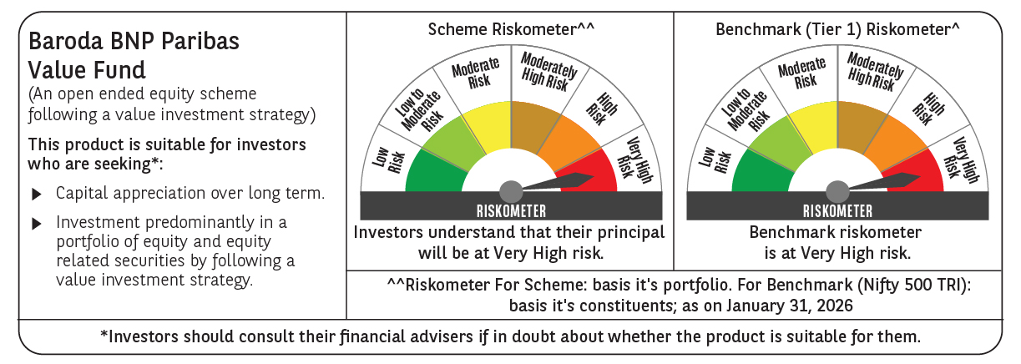

 | Monthly Performance Link: https://www.barodabnpparibasmf.in/assets/download_documents/Performance-of-Schemes-jan-2026_16576.pdf

