T0ME25
 | Baroda BNP Paribas Flexi Cap Fund

 | Monthly Portfolio Statement as on January 31, 2026
 | Name of the Instrument | ISIN | Industry / Rating | Quantity | Market/Fair Value (Rs. in Lakhs) | % to Net Assets | YTM~ | YTC^ | null
 | Equity & Equity related
 | (a) Listed / awaiting listing on Stock Exchanges
HDFB03 | HDFC Bank Limited | INE040A01034 | Banks | 950,000 | 8,827.88 | 7.23%
INFS02 | Infosys Limited | INE009A01021 | IT - Software | 277,735 | 4,557.63 | 3.73%
RIND01 | Reliance Industries Limited | INE002A01018 | Petroleum Products | 300,000 | 4,186.20 | 3.43%
FEBA02 | The Federal Bank Limited | INE171A01029 | Banks | 1,450,000 | 4,172.38 | 3.42%
BTVL02 | Bharti Airtel Limited | INE397D01024 | Telecom - Services | 200,000 | 3,937.40 | 3.22%
HPEC01 | Hindustan Petroleum Corporation Limited | INE094A01015 | Petroleum Products | 850,000 | 3,629.50 | 2.97%
LARS02 | Larsen & Toubro Limited | INE018A01030 | Construction | 90,000 | 3,539.07 | 2.90%
JSPL03 | Jindal Steel Limited | INE749A01030 | Ferrous Metals | 300,000 | 3,396.00 | 2.78%
IIBL01 | IndusInd Bank Limited | INE095A01012 | Banks | 375,000 | 3,360.38 | 2.75%
ZMPL01 | Eternal Limited | INE758T01015 | Retailing | 1,150,000 | 3,146.40 | 2.58%
CANB02 | Canara Bank | INE476A01022 | Banks | 2,100,000 | 3,095.82 | 2.53%
BHAH02 | Bharat Heavy Electricals Limited | INE257A01026 | Electrical Equipment | 1,100,000 | 2,889.70 | 2.37%
ULCC01 | UltraTech Cement Limited | INE481G01011 | Cement & Cement Products | 22,500 | 2,856.15 | 2.34%
TEMA02 | Tech Mahindra Limited | INE669C01036 | IT - Software | 160,000 | 2,788.96 | 2.28%
MAHE01 | Max Healthcare Institute Limited | INE027H01010 | Healthcare Services | 290,000 | 2,774.72 | 2.27%
MAHI02 | Mahindra & Mahindra Limited | INE101A01026 | Automobiles | 80,000 | 2,745.44 | 2.25%
KAVY06 | Karur Vysya Bank Limited | INE036D01028 | Banks | 900,000 | 2,712.60 | 2.22%
SOEL02 | Solar Industries India Limited | INE343H01029 | Chemicals & Petrochemicals | 20,000 | 2,696.00 | 2.21%
SAGI01 | Sagility Limited | INE0W2G01015 | IT - Services | 5,252,101 | 2,622.37 | 2.15%
EIML02 | Eicher Motors Limited | INE066A01021 | Automobiles | 35,000 | 2,492.88 | 2.04%
IBCL05 | ICICI Bank Limited | INE090A01021 | Banks | 180,000 | 2,439.00 | 2.00%
HYUN01 | Hyundai Motor India Ltd | INE0V6F01027 | Automobiles | 110,000 | 2,415.82 | 1.98%
RAKH02 | Radico Khaitan Limited | INE944F01028 | Beverages | 85,000 | 2,403.89 | 1.97%
VMML01 | Vishal Mega Mart Limited | INE01EA01019 | Retailing | 1,900,000 | 2,393.05 | 1.96%
ILOM01 | ICICI Lombard General Insurance Company Limited | INE765G01017 | Insurance | 130,000 | 2,358.33 | 1.93%
ABBP01 | Hitachi Energy India Limited | INE07Y701011 | Electrical Equipment | 12,500 | 2,357.75 | 1.93%
SHTR02 | Shriram Finance Limited | INE721A01047 | Finance | 225,000 | 2,295.00 | 1.88%
ONCO02 | One 97 Communications Limited | INE982J01020 | Financial Technology (Fintech) | 175,000 | 1,990.63 | 1.63%
BLUS03 | Blue Star Limited | INE472A01039 | Consumer Durables | 109,162 | 1,983.36 | 1.62%
AJPH03 | Ajanta Pharma Limited | INE031B01049 | Pharmaceuticals & Biotechnology | 70,000 | 1,947.33 | 1.59%
HINI02 | Hindalco Industries Limited | INE038A01020 | Non - Ferrous Metals | 200,000 | 1,925.20 | 1.58%
KOMA03 | Kotak Mahindra Bank Limited | INE237A01036 | Banks | 450,000 | 1,836.00 | 1.50%
PSYL02 | Persistent Systems Limited | INE262H01021 | IT - Software | 30,000 | 1,810.50 | 1.48%
AMLL01 | Amagi Media Labs Limited | INE121R01077 | IT - Services | 471,491 | 1,728.96 | 1.42%
TTEA02 | Tata Consumer Products Limited | INE192A01025 | Agricultural Food & other Products | 150,000 | 1,700.85 | 1.39%
METR01 | Metropolis Healthcare Limited | INE112L01020 | Healthcare Services | 88,892 | 1,664.95 | 1.36%
ALLI02 | GE Vernova T&D India Limited | INE200A01026 | Electrical Equipment | 50,000 | 1,615.15 | 1.32%
MALE02 | Poonawalla Fincorp Limited | INE511C01022 | Finance | 355,000 | 1,416.45 | 1.16%
KAYN01 | Kaynes Technology India Limited | INE918Z01012 | Industrial Manufacturing | 40,000 | 1,390.16 | 1.14%
SPIL03 | Sun Pharmaceutical Industries Limited | INE044A01036 | Pharmaceuticals & Biotechnology | 85,000 | 1,356.01 | 1.11%
BOCL01 | Linde India Limited | INE473A01011 | Chemicals & Petrochemicals | 22,000 | 1,321.54 | 1.08%
FSNE01 | FSN E-Commerce Ventures Limited | INE388Y01029 | Retailing | 525,000 | 1,246.88 | 1.02%
FAGP02 | Schaeffler India Limited | INE513A01022 | Auto Components | 30,000 | 1,086.63 | 0.89%
CEPL02 | Century Plyboards (India) Limited | INE348B01021 | Consumer Durables | 135,089 | 1,085.85 | 0.89%
NHPC01 | NHPC Limited | INE848E01016 | Power | 1,300,000 | 1,016.60 | 0.83%
 | Sub Total |  |  |  | 115,213.37 | 94.33%
 | (b) Unlisted |  |  |  | NIL | NIL
 | Sub Total |  |  |  | NIL | NIL
 | Total |  |  |  | 115,213.37 | 94.33%
 | Money Market Instruments
 | Treasury Bill
TBIL2566 | 364 Days Tbill (MD 17/09/2026) | IN002025Z252 | Sovereign | 1,500,000 | 1,449.31 | 1.19% | 5.60%
 | Sub Total |  |  |  | 1,449.31 | 1.19%
 | Total |  |  |  | 1,449.31 | 1.19%
 | Reverse Repo / TREPS
TRP_020226 | Clearing Corporation of India Ltd |  |  |  | 4,927.97 | 4.03% | 5.01%
 | Sub Total |  |  |  | 4,927.97 | 4.03%
 | Total |  |  |  | 4,927.97 | 4.03%
 | Net Receivables / (Payables) |  |  |  | 579.69 | 0.45%
 | GRAND TOTAL |  |  |  | 122,170.34 | 100.00%

 | ~ YTM as on January 31, 2026
 | ^ YTC represents Yield to Call provided by valuation agencies as on January 31, 2026. It is disclosed for Perpetual Bond issued by Banks (i.e. AT-1 Bond / Tier 1 Bond / Tier 2 Bond), as per AMFI Best Practices Guidelines Circular no. 135/BP/91/2020-21 read with SEBI circular No. SEBI/HO/IMD/DF4/CIR/P/2021/034 on Valuation of AT-1 Bonds and Tier 2 Bonds.

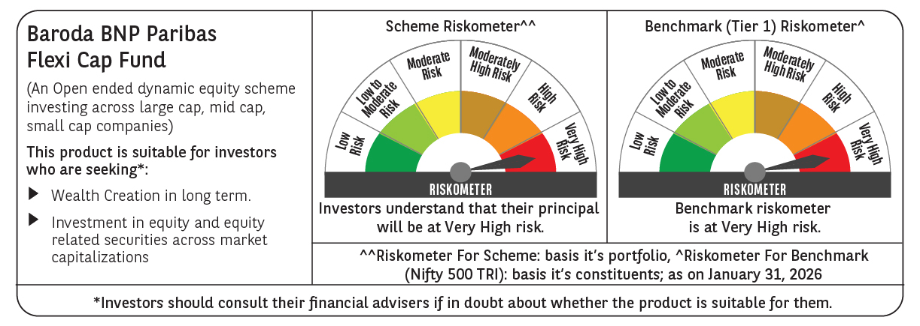

 | Monthly Performance Link: https://www.barodabnpparibasmf.in/assets/download_documents/Performance-of-Schemes-jan-2026_16576.pdf

