T0ME21
 | Baroda BNP Paribas India Consumption Fund

 | Monthly Portfolio Statement as on January 31, 2026
 | Name of the Instrument | ISIN | Industry / Rating | Quantity | Market/Fair Value (Rs. in Lakhs) | % to Net Assets | YTM~ | YTC^ | null
 | Equity & Equity related
 | (a) Listed / awaiting listing on Stock Exchanges
BTVL02 | Bharti Airtel Limited | INE397D01024 | Telecom - Services | 600,000 | 11,812.20 | 8.20%
MAHI02 | Mahindra & Mahindra Limited | INE101A01026 | Automobiles | 332,500 | 11,410.74 | 7.93%
MAUD01 | Maruti Suzuki India Limited | INE585B01010 | Automobiles | 66,300 | 9,679.14 | 6.72%
TWAT02 | Titan Company Limited | INE280A01028 | Consumer Durables | 200,000 | 7,954.80 | 5.52%
EIML02 | Eicher Motors Limited | INE066A01021 | Automobiles | 95,000 | 6,766.38 | 4.70%
SAEL02 | TVS Motor Company Limited | INE494B01023 | Automobiles | 165,000 | 6,067.71 | 4.21%
HLEL02 | Hindustan Unilever Limited | INE030A01027 | Diversified FMCG | 235,000 | 5,576.55 | 3.87%
ITCL02 | ITC Limited | INE154A01025 | Diversified FMCG | 1,700,000 | 5,476.55 | 3.80%
ZMPL01 | Eternal Limited | INE758T01015 | Retailing | 1,800,000 | 4,924.80 | 3.42%
BRIT03 | Britannia Industries Limited | INE216A01030 | Food Products | 75,000 | 4,395.38 | 3.05%
PHMI02 | The Phoenix Mills Limited | INE211B01039 | Realty | 240,000 | 4,009.68 | 2.78%
GCPL02 | Godrej Consumer Products Limited | INE102D01028 | Personal Products | 323,000 | 3,727.74 | 2.59%
MARC02 | Marico Limited | INE196A01026 | Agricultural Food & other Products | 484,000 | 3,532.23 | 2.45%
BLTE01 | Swiggy Limited | INE00H001014 | Retailing | 1,100,000 | 3,407.25 | 2.37%
NEST02 | Nestle India Limited | INE239A01024 | Food Products | 250,000 | 3,331.00 | 2.31%
AVSP01 | Avenue Supermarts Limited | INE192R01011 | Retailing | 90,000 | 3,320.55 | 2.31%
LGEL01 | LG Electronics India Ltd | INE324D01010 | Consumer Durables | 220,000 | 3,217.72 | 2.23%
HERO02 | Hero MotoCorp Limited | INE158A01026 | Automobiles | 50,000 | 2,767.00 | 1.92%
LAKM02 | Trent Limited | INE849A01020 | Retailing | 66,000 | 2,498.43 | 1.74%
ESMC02 | PB Fintech Limited | INE417T01026 | Financial Technology (Fintech) | 150,000 | 2,481.75 | 1.72%
RAKH02 | Radico Khaitan Limited | INE944F01028 | Beverages | 85,000 | 2,403.89 | 1.67%
DABU02 | Dabur India Limited | INE016A01026 | Personal Products | 450,000 | 2,279.70 | 1.58%
MEBR01 | Metro Brands Limited | INE317I01021 | Consumer Durables | 212,821 | 2,235.68 | 1.55%
BEFS02 | Mrs. Bectors Food Specialities Limited | INE495P01020 | Food Products | 950,000 | 2,116.41 | 1.47%
BINL01 | Indus Towers Limited | INE121J01017 | Telecom - Services | 435,000 | 1,932.71 | 1.34%
MAHE01 | Max Healthcare Institute Limited | INE027H01010 | Healthcare Services | 200,000 | 1,913.60 | 1.33%
TTEA02 | Tata Consumer Products Limited | INE192A01025 | Agricultural Food & other Products | 165,000 | 1,870.94 | 1.30%
JUFL02 | Jubilant Foodworks Limited | INE797F01020 | Leisure Services | 360,000 | 1,789.38 | 1.24%
FSNE01 | FSN E-Commerce Ventures Limited | INE388Y01029 | Retailing | 700,000 | 1,662.50 | 1.15%
VMML01 | Vishal Mega Mart Limited | INE01EA01019 | Retailing | 1,300,000 | 1,637.35 | 1.14%
SCLB01 | Leela Palaces Hotels & Resorts Limited | INE0AQ201015 | Leisure Services | 380,000 | 1,599.80 | 1.11%
PROG01 | Procter & Gamble Hygiene and Health Care Limited | INE179A01014 | Personal Products | 13,000 | 1,529.58 | 1.06%
VNBL03 | Varun Beverages Limited | INE200M01039 | Beverages | 320,000 | 1,508.00 | 1.05%
HAIL03 | Havells India Limited | INE176B01034 | Consumer Durables | 115,000 | 1,477.75 | 1.03%
CNAF02 | Zydus Wellness Limited | INE768C01028 | Food Products | 300,000 | 1,344.90 | 0.93%
ISHA01 | Gillette India Limited | INE322A01010 | Personal Products | 15,000 | 1,319.93 | 0.92%
ICII01 | Akzo Nobel India Limited | INE133A01011 | Consumer Durables | 44,892 | 1,256.98 | 0.87%
ORKL01 | Orkla India Limited | INE16NZ01023 | Food Products | 211,280 | 1,242.33 | 0.86%
TBOT01 | TBO Tek Limited | INE673O01025 | Leisure Services | 55,000 | 765.71 | 0.53%
UBBL02 | United Breweries Limited | INE686F01025 | Beverages | 46,714 | 686.00 | 0.48%
KWWA01 | Kwality Walls (India) Limited ** | INE2KCE01013 | Food Products | 265,000 | 106.53 | 0.07%
 | Sub Total |  |  |  | 139,037.27 | 96.52%
 | (b) Unlisted |  |  |  | NIL | NIL
 | Sub Total |  |  |  | NIL | NIL
 | Total |  |  |  | 139,037.27 | 96.52%
 | Derivatives
 | Index / Stock Futures
MCSPFEB26 | United Spirits Limited February 2026 Future |  |  | 96,000 | 1,310.30 | 0.91%
 | Sub Total |  |  |  | 1,310.30 | 0.91%
 | Total |  |  |  | 1,310.30 | 0.91%
 | Debt Instruments
 | (a) Preference Shares
SAEL21PS | 6% TVS Motor Company Limited ** | INE494B04019 | CARE A1+ | 540,000 | 55.21 | 0.04%
 | Sub Total |  |  |  | 55.21 | 0.04%
 | Total |  |  |  | 55.21 | 0.04%
 | Money Market Instruments
 | Treasury Bill
TBIL2525 | 364 Days Tbill (MD 25/06/2026) | IN002025Z138 | Sovereign | 1,000,000 | 978.62 | 0.68% | 5.54%
 | Sub Total |  |  |  | 978.62 | 0.68%
 | Total |  |  |  | 978.62 | 0.68%
 | Reverse Repo / TREPS
TRP_020226 | Clearing Corporation of India Ltd |  |  |  | 1,116.94 | 0.78% | 5.01%
 | Sub Total |  |  |  | 1,116.94 | 0.78%
 | Total |  |  |  | 1,116.94 | 0.78%
 | Net Receivables / (Payables) |  |  |  | 1,481.65 | 1.07%
 | GRAND TOTAL |  |  |  | 143,979.99 | 100.00%

 | ** Thinly Traded / Non Traded Security
 | ~ YTM as on January 31, 2026
 | ^ YTC represents Yield to Call provided by valuation agencies as on January 31, 2026. It is disclosed for Perpetual Bond issued by Banks (i.e. AT-1 Bond / Tier 1 Bond / Tier 2 Bond), as per AMFI Best Practices Guidelines Circular no. 135/BP/91/2020-21 read with SEBI circular No. SEBI/HO/IMD/DF4/CIR/P/2021/034 on Valuation of AT-1 Bonds and Tier 2 Bonds.
 | Details of Stock Future / Index Future
 | Long/Short | Name of the Instrument | Industry | Quantity. | Market/Fair Value (Rs. in Lacs). | % to NAV.
 | Long | United Spirits Limited_24/02/2026 | Beverages | 96,000 | 1,310.30 | 0.91%

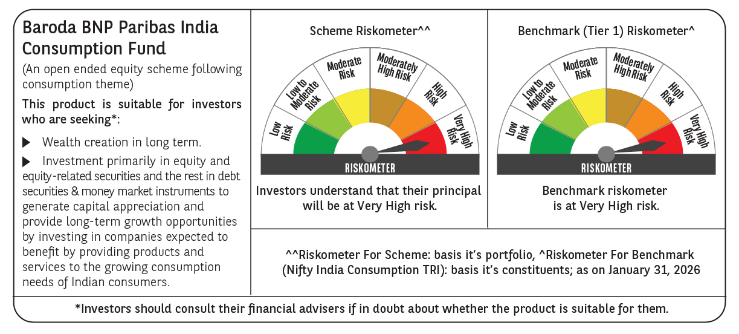

 | Monthly Performance Link: https://www.barodabnpparibasmf.in/assets/download_documents/Performance-of-Schemes-jan-2026_16576.pdf

