T0ME20
 | Baroda BNP Paribas Focused Fund

 | Monthly Portfolio Statement as on January 31, 2026
 | Name of the Instrument | ISIN | Industry | Quantity | Market/Fair Value (Rs. in Lakhs) | % to Net Assets | YTM~ | YTC^ | null
 | Equity & Equity related
 | (a) Listed / awaiting listing on Stock Exchanges
HDFB03 | HDFC Bank Limited | INE040A01034 | Banks | 650,000 | 6,040.13 | 8.91%
BTVL02 | Bharti Airtel Limited | INE397D01024 | Telecom - Services | 175,000 | 3,445.23 | 5.08%
BHAH02 | Bharat Heavy Electricals Limited | INE257A01026 | Electrical Equipment | 1,200,000 | 3,152.40 | 4.65%
HPEC01 | Hindustan Petroleum Corporation Limited | INE094A01015 | Petroleum Products | 725,000 | 3,095.75 | 4.57%
LARS02 | Larsen & Toubro Limited | INE018A01030 | Construction | 75,000 | 2,949.23 | 4.35%
TEMA02 | Tech Mahindra Limited | INE669C01036 | IT - Software | 167,500 | 2,919.69 | 4.31%
MAHI02 | Mahindra & Mahindra Limited | INE101A01026 | Automobiles | 85,000 | 2,917.03 | 4.30%
IIBL01 | IndusInd Bank Limited | INE095A01012 | Banks | 325,000 | 2,912.33 | 4.30%
INFS02 | Infosys Limited | INE009A01021 | IT - Software | 172,046 | 2,823.27 | 4.17%
ILOM01 | ICICI Lombard General Insurance Company Limited | INE765G01017 | Insurance | 150,000 | 2,721.15 | 4.02%
MAHE01 | Max Healthcare Institute Limited | INE027H01010 | Healthcare Services | 275,000 | 2,631.20 | 3.88%
MCEX02 | Multi Commodity Exchange of India Limited | INE745G01043 | Capital Markets | 100,000 | 2,528.00 | 3.73%
PRRC03 | Navin Fluorine International Limited | INE048G01026 | Chemicals & Petrochemicals | 40,000 | 2,439.60 | 3.60%
ONCO02 | One 97 Communications Limited | INE982J01020 | Financial Technology (Fintech) | 200,000 | 2,275.00 | 3.36%
SPIL03 | Sun Pharmaceutical Industries Limited | INE044A01036 | Pharmaceuticals & Biotechnology | 140,000 | 2,233.42 | 3.30%
VMML01 | Vishal Mega Mart Limited | INE01EA01019 | Retailing | 1,750,000 | 2,204.13 | 3.25%
HYUN01 | Hyundai Motor India Ltd | INE0V6F01027 | Automobiles | 95,000 | 2,086.39 | 3.08%
CANB02 | Canara Bank | INE476A01022 | Banks | 1,400,000 | 2,063.88 | 3.05%
MALE02 | Poonawalla Fincorp Limited | INE511C01022 | Finance | 500,000 | 1,995.00 | 2.94%
BHEL02 | Bharat Electronics Limited | INE263A01024 | Aerospace & Defense | 425,000 | 1,908.25 | 2.82%
IHOT02 | The Indian Hotels Company Limited | INE053A01029 | Leisure Services | 250,000 | 1,685.38 | 2.49%
KOMA03 | Kotak Mahindra Bank Limited | INE237A01036 | Banks | 400,000 | 1,632.00 | 2.41%
BRIT03 | Britannia Industries Limited | INE216A01030 | Food Products | 25,000 | 1,465.13 | 2.16%
INKN01 | Inventurus Knowledge Solutions Limited | INE115Q01022 | IT - Services | 75,000 | 1,163.93 | 1.72%
IBCL05 | ICICI Bank Limited | INE090A01021 | Banks | 75,000 | 1,016.25 | 1.50%
BAFL03 | Bajaj Finance Limited | INE296A01032 | Finance | 100,000 | 929.85 | 1.37%
NHPC01 | NHPC Limited | INE848E01016 | Power | 1,150,000 | 899.30 | 1.33%
 | Sub Total |  |  |  | 64,132.92 | 94.65%
 | (b) Unlisted |  |  |  | NIL | NIL
 | Sub Total |  |  |  | NIL | NIL
 | Total |  |  |  | 64,132.92 | 94.65%
 | Reverse Repo / TREPS
TRP_020226 | Clearing Corporation of India Ltd |  |  |  | 2,744.79 | 4.05% | 5.01%
 | Sub Total |  |  |  | 2,744.79 | 4.05%
 | Total |  |  |  | 2,744.79 | 4.05%
 | Net Receivables / (Payables) |  |  |  | 894.51 | 1.30%
 | GRAND TOTAL |  |  |  | 67,772.22 | 100.00%

 | ~ YTM as on January 31, 2026
 | ^ YTC represents Yield to Call provided by valuation agencies as on January 31, 2026. It is disclosed for Perpetual Bond issued by Banks (i.e. AT-1 Bond / Tier 1 Bond / Tier 2 Bond), as per AMFI Best Practices Guidelines Circular no. 135/BP/91/2020-21 read with SEBI circular No. SEBI/HO/IMD/DF4/CIR/P/2021/034 on Valuation of AT-1 Bonds and Tier 2 Bonds.

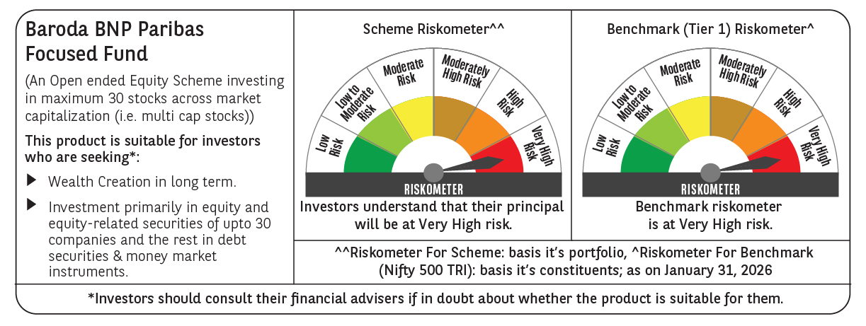

 | Monthly Performance Link: https://www.barodabnpparibasmf.in/assets/download_documents/Performance-of-Schemes-jan-2026_16576.pdf

