T0ME05
 | Baroda BNP Paribas ELSS Tax Saver Fund

 | Monthly Portfolio Statement as on January 31, 2026
 | Name of the Instrument | ISIN | Industry / Rating | Quantity | Market/Fair Value (Rs. in Lakhs) | % to Net Assets | YTM~ | YTC^ | null
 | Equity & Equity related
 | (a) Listed / awaiting listing on Stock Exchanges
HDFB03 | HDFC Bank Limited | INE040A01034 | Banks | 656,320 | 6,098.85 | 6.70%
IBCL05 | ICICI Bank Limited | INE090A01021 | Banks | 329,900 | 4,470.15 | 4.91%
RIND01 | Reliance Industries Limited | INE002A01018 | Petroleum Products | 255,800 | 3,569.43 | 3.92%
SBAI02 | State Bank of India | INE062A01020 | Banks | 278,000 | 2,994.48 | 3.29%
BTVL02 | Bharti Airtel Limited | INE397D01024 | Telecom - Services | 144,966 | 2,853.95 | 3.13%
INFS02 | Infosys Limited | INE009A01021 | IT - Software | 158,994 | 2,609.09 | 2.86%
LARS02 | Larsen & Toubro Limited | INE018A01030 | Construction | 62,520 | 2,458.47 | 2.70%
TEMA02 | Tech Mahindra Limited | INE669C01036 | IT - Software | 134,100 | 2,337.50 | 2.57%
SAGI01 | Sagility Limited | INE0W2G01015 | IT - Services | 4,551,400 | 2,272.51 | 2.50%
SAEL02 | TVS Motor Company Limited | INE494B01023 | Automobiles | 60,500 | 2,224.83 | 2.44%
ZMPL01 | Eternal Limited | INE758T01015 | Retailing | 790,813 | 2,163.66 | 2.38%
BHAH02 | Bharat Heavy Electricals Limited | INE257A01026 | Electrical Equipment | 821,380 | 2,157.77 | 2.37%
HINI02 | Hindalco Industries Limited | INE038A01020 | Non - Ferrous Metals | 220,000 | 2,117.72 | 2.33%
RAKH02 | Radico Khaitan Limited | INE944F01028 | Beverages | 73,000 | 2,064.51 | 2.27%
PRRC03 | Navin Fluorine International Limited | INE048G01026 | Chemicals & Petrochemicals | 33,135 | 2,020.90 | 2.22%
TWAT02 | Titan Company Limited | INE280A01028 | Consumer Durables | 48,500 | 1,929.04 | 2.12%
ESMC02 | PB Fintech Limited | INE417T01026 | Financial Technology (Fintech) | 113,300 | 1,874.55 | 2.06%
KCUL02 | Cummins India Limited | INE298A01020 | Industrial Products | 45,502 | 1,871.27 | 2.05%
ABBP01 | Hitachi Energy India Limited | INE07Y701011 | Electrical Equipment | 9,766 | 1,842.06 | 2.02%
KOMA03 | Kotak Mahindra Bank Limited | INE237A01036 | Banks | 450,000 | 1,836.00 | 2.02%
MAUD01 | Maruti Suzuki India Limited | INE585B01010 | Automobiles | 12,500 | 1,824.88 | 2.00%
BRIT03 | Britannia Industries Limited | INE216A01030 | Food Products | 30,150 | 1,766.94 | 1.94%
LTIL01 | LTIMindtree Limited | INE214T01019 | IT - Software | 28,700 | 1,714.68 | 1.88%
BOCL01 | Linde India Limited | INE473A01011 | Chemicals & Petrochemicals | 28,225 | 1,695.48 | 1.86%
UTIB02 | Axis Bank Limited | INE238A01034 | Banks | 120,000 | 1,644.48 | 1.81%
SPIL03 | Sun Pharmaceutical Industries Limited | INE044A01036 | Pharmaceuticals & Biotechnology | 101,500 | 1,619.23 | 1.78%
ULCC01 | UltraTech Cement Limited | INE481G01011 | Cement & Cement Products | 12,500 | 1,586.75 | 1.74%
TRFO01 | Travel Food Services Limited | INE103V01028 | Leisure Services | 147,883 | 1,577.91 | 1.73%
MAHI02 | Mahindra & Mahindra Limited | INE101A01026 | Automobiles | 45,000 | 1,544.31 | 1.70%
TMLC01 | Tata Motors Ltd | INE1TAE01010 | Agricultural, Commercial & Construction Vehicles | 330,000 | 1,513.05 | 1.66%
USFB01 | Ujjivan Small Finance Bank Limited | INE551W01018 | Banks | 2,246,633 | 1,468.62 | 1.61%
MAXI02 | Max Financial Services Limited | INE180A01020 | Insurance | 90,700 | 1,463.54 | 1.61%
FEBA02 | The Federal Bank Limited | INE171A01029 | Banks | 500,000 | 1,438.75 | 1.58%
RCAM01 | Nippon Life India Asset Management Limited | INE298J01013 | Capital Markets | 160,000 | 1,404.96 | 1.54%
TCAL01 | Tata Capital Limited | INE976I01016 | Finance | 400,000 | 1,368.40 | 1.50%
VMML01 | Vishal Mega Mart Limited | INE01EA01019 | Retailing | 1,026,667 | 1,293.09 | 1.42%
ONCO02 | One 97 Communications Limited | INE982J01020 | Financial Technology (Fintech) | 110,000 | 1,251.25 | 1.37%
ABFS01 | Aditya Birla Capital Limited | INE674K01013 | Finance | 364,000 | 1,236.87 | 1.36%
INAV01 | InterGlobe Aviation Limited | INE646L01027 | Transport Services | 26,500 | 1,218.07 | 1.34%
CHOL02 | Cholamandalam Investment and Finance Company Ltd | INE121A01024 | Finance | 69,471 | 1,133.49 | 1.24%
NTPC01 | NTPC Limited | INE733E01010 | Power | 315,000 | 1,121.40 | 1.23%
CAMS02 | Computer Age Management Services Limited | INE596I01020 | Capital Markets | 157,500 | 1,094.70 | 1.20%
DIVI02 | Divi's Laboratories Limited | INE361B01024 | Pharmaceuticals & Biotechnology | 18,000 | 1,089.18 | 1.20%
AFPL02 | AU Small Finance Bank Limited | INE949L01017 | Banks | 105,000 | 1,031.47 | 1.13%
BHEL02 | Bharat Electronics Limited | INE263A01024 | Aerospace & Defense | 218,000 | 978.82 | 1.07%
RACM01 | Rainbow Childrens Medicare Limited | INE961O01016 | Healthcare Services | 70,860 | 806.46 | 0.89%
TAEL01 | Tata Elxsi Limited | INE670A01012 | IT - Software | 15,000 | 798.53 | 0.88%
LGEL01 | LG Electronics India Ltd | INE324D01010 | Consumer Durables | 45,000 | 658.17 | 0.72%
 | Sub Total |  |  |  | 89,110.22 | 97.85%
 | (b) Unlisted
SDSL01 | DSQ SOFTWARE # | INE286A01017 | Software | 2,500 | $0.00 | 0.00%
SHMM01 | TRANSTREAM INDIA COM LTD # | INE981A01013 | Miscellaneous | 1,000 | $0.00 | 0.00%
 | Sub Total |  |  |  | 0.00 | 0.00%
 | Total |  |  |  | 89,110.22 | 97.85%
 | Debt Instruments
 | (a) Preference Shares
SAEL21PS | 6% TVS Motor Company Limited ** | INE494B04019 | CARE A1+ | 242,000 | 24.74 | 0.03%
 | Sub Total |  |  |  | 24.74 | 0.03%
 | Total |  |  |  | 24.74 | 0.03%
 | Reverse Repo / TREPS
TRP_020226 | Clearing Corporation of India Ltd |  |  |  | 610.29 | 0.67% | 5.01%
 | Sub Total |  |  |  | 610.29 | 0.67%
 | Total |  |  |  | 610.29 | 0.67%
 | Net Receivables / (Payables) |  |  |  | 1,335.61 | 1.45%
 | GRAND TOTAL |  |  |  | 91,080.86 | 100.00%

 | ** Thinly Traded / Non Traded Security
 | # Unlisted Security
 | $ Less Than 0.01% of Net Asset Value
 | ~ YTM as on January 31, 2026
 | ^ YTC represents Yield to Call provided by valuation agencies as on January 31, 2026. It is disclosed for Perpetual Bond issued by Banks (i.e. AT-1 Bond / Tier 1 Bond / Tier 2 Bond), as per AMFI Best Practices Guidelines Circular no. 135/BP/91/2020-21 read with SEBI circular No. SEBI/HO/IMD/DF4/CIR/P/2021/034 on Valuation of AT-1 Bonds and Tier 2 Bonds.

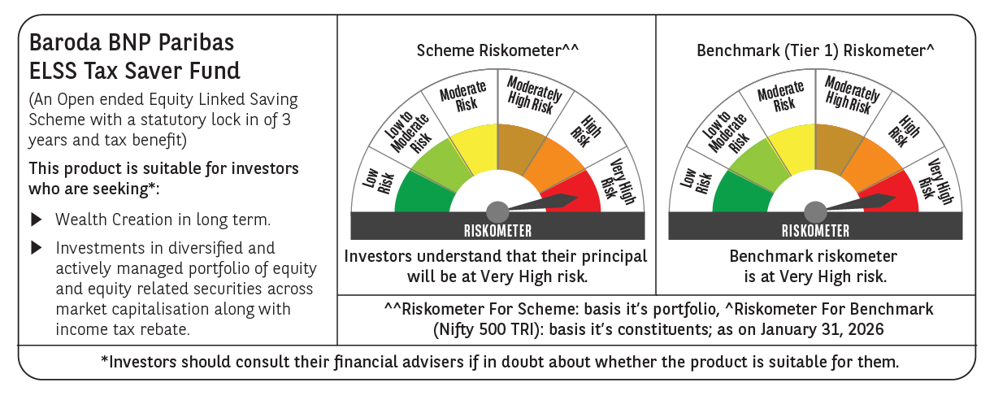

 | Monthly Performance Link: https://www.barodabnpparibasmf.in/assets/download_documents/Performance-of-Schemes-jan-2026_16576.pdf

