T0ME04
 | Baroda BNP Paribas Large Cap Fund

 | Monthly Portfolio Statement as on January 31, 2026
 | Name of the Instrument | ISIN | Industry / Rating | Quantity | Market/Fair Value (Rs. in Lakhs) | % to Net Assets | YTM~ | YTC^ | null
 | Equity & Equity related
 | (a) Listed / awaiting listing on Stock Exchanges
HDFB03 | HDFC Bank Limited | INE040A01034 | Banks | 2,025,000 | 18,817.31 | 7.20%
IBCL05 | ICICI Bank Limited | INE090A01021 | Banks | 1,170,000 | 15,853.50 | 6.06%
RIND01 | Reliance Industries Limited | INE002A01018 | Petroleum Products | 1,134,000 | 15,823.84 | 6.05%
LARS02 | Larsen & Toubro Limited | INE018A01030 | Construction | 288,000 | 11,325.02 | 4.33%
BTVL02 | Bharti Airtel Limited | INE397D01024 | Telecom - Services | 549,000 | 10,808.16 | 4.13%
INFS02 | Infosys Limited | INE009A01021 | IT - Software | 522,000 | 8,566.02 | 3.28%
SBAI02 | State Bank of India | INE062A01020 | Banks | 774,000 | 8,337.14 | 3.19%
ABBP01 | Hitachi Energy India Limited | INE07Y701011 | Electrical Equipment | 42,930 | 8,097.46 | 3.10%
KOMA03 | Kotak Mahindra Bank Limited | INE237A01036 | Banks | 1,845,000 | 7,527.60 | 2.88%
TEMA02 | Tech Mahindra Limited | INE669C01036 | IT - Software | 360,000 | 6,275.16 | 2.40%
TCSL01 | Tata Consultancy Services Limited | INE467B01029 | IT - Software | 198,000 | 6,185.32 | 2.37%
SESA02 | Vedanta Limited | INE205A01025 | Diversified Metals | 900,000 | 6,133.95 | 2.35%
ULCC01 | UltraTech Cement Limited | INE481G01011 | Cement & Cement Products | 43,200 | 5,483.81 | 2.10%
NTPC01 | NTPC Limited | INE733E01010 | Power | 1,530,000 | 5,446.80 | 2.08%
TCAL01 | Tata Capital Limited | INE976I01016 | Finance | 1,350,000 | 4,618.35 | 1.77%
PUBA02 | Punjab National Bank | INE160A01022 | Banks | 3,600,000 | 4,506.84 | 1.72%
SPIL03 | Sun Pharmaceutical Industries Limited | INE044A01036 | Pharmaceuticals & Biotechnology | 279,000 | 4,450.89 | 1.70%
DIVI02 | Divi's Laboratories Limited | INE361B01024 | Pharmaceuticals & Biotechnology | 72,000 | 4,356.72 | 1.67%
NEST02 | Nestle India Limited | INE239A01024 | Food Products | 324,000 | 4,316.98 | 1.65%
ZMPL01 | Eternal Limited | INE758T01015 | Retailing | 1,485,000 | 4,062.96 | 1.55%
ITCL02 | ITC Limited | INE154A01025 | Diversified FMCG | 1,260,000 | 4,059.09 | 1.55%
BAFL03 | Bajaj Finance Limited | INE296A01032 | Finance | 414,000 | 3,849.58 | 1.47%
EIML02 | Eicher Motors Limited | INE066A01021 | Automobiles | 54,000 | 3,846.15 | 1.47%
HLEL02 | Hindustan Unilever Limited | INE030A01027 | Diversified FMCG | 162,000 | 3,844.26 | 1.47%
DRRL03 | Dr. Reddy's Laboratories Limited | INE089A01031 | Pharmaceuticals & Biotechnology | 306,000 | 3,727.39 | 1.43%
TMLC01 | Tata Motors Ltd | INE1TAE01010 | Agricultural, Commercial & Construction Vehicles | 810,000 | 3,713.85 | 1.42%
HYUN01 | Hyundai Motor India Ltd | INE0V6F01027 | Automobiles | 166,500 | 3,656.67 | 1.40%
MOTI02 | Bosch Limited | INE323A01026 | Auto Components | 9,720 | 3,550.72 | 1.36%
MAUD01 | Maruti Suzuki India Limited | INE585B01010 | Automobiles | 24,300 | 3,547.56 | 1.36%
BHAH02 | Bharat Heavy Electricals Limited | INE257A01026 | Electrical Equipment | 1,350,000 | 3,546.45 | 1.36%
HERO02 | Hero MotoCorp Limited | INE158A01026 | Automobiles | 63,000 | 3,486.42 | 1.33%
BFSL02 | Bajaj Finserv Limited | INE918I01026 | Finance | 162,000 | 3,163.21 | 1.21%
UTIB02 | Axis Bank Limited | INE238A01034 | Banks | 225,000 | 3,083.40 | 1.18%
TWAT02 | Titan Company Limited | INE280A01028 | Consumer Durables | 77,400 | 3,078.51 | 1.18%
BHEL02 | Bharat Electronics Limited | INE263A01024 | Aerospace & Defense | 675,000 | 3,030.75 | 1.16%
BPCL01 | Bharat Petroleum Corporation Limited | INE029A01011 | Petroleum Products | 810,000 | 2,952.45 | 1.13%
JVSL04 | JSW Steel Limited | INE019A01038 | Ferrous Metals | 243,000 | 2,950.99 | 1.13%
PGCI01 | Power Grid Corporation of India Limited | INE752E01010 | Power | 1,080,000 | 2,770.20 | 1.06%
LGEL01 | LG Electronics India Ltd | INE324D01010 | Consumer Durables | 189,000 | 2,764.31 | 1.06%
HDLI01 | HDFC Life Insurance Company Limited | INE795G01014 | Insurance | 378,000 | 2,763.18 | 1.06%
CIPL03 | Cipla Limited | INE059A01026 | Pharmaceuticals & Biotechnology | 207,000 | 2,740.68 | 1.05%
PSYL02 | Persistent Systems Limited | INE262H01021 | IT - Software | 45,000 | 2,715.75 | 1.04%
MCSP02 | United Spirits Limited | INE854D01024 | Beverages | 198,000 | 2,697.95 | 1.03%
ESCO01 | Escorts Kubota Limited | INE042A01014 | Agricultural, Commercial & Construction Vehicles | 75,600 | 2,555.88 | 0.98%
VNBL03 | Varun Beverages Limited | INE200M01039 | Beverages | 540,000 | 2,544.75 | 0.97%
NHPC01 | NHPC Limited | INE848E01016 | Power | 3,240,000 | 2,533.68 | 0.97%
BLTE01 | Swiggy Limited | INE00H001014 | Retailing | 810,000 | 2,508.98 | 0.96%
HZIN02 | Hindustan Zinc Limited | INE267A01025 | Non - Ferrous Metals | 315,000 | 1,979.78 | 0.76%
IPAM01 | ICICI Prudential Asset Management Company Limited | INE346A01027 | Capital Markets | 41,570 | 1,235.71 | 0.47%
IIBL01 | IndusInd Bank Limited | INE095A01012 | Banks | 135,000 | 1,209.74 | 0.46%
GMRI03 | GMR Airports Limited | INE776C01039 | Transport Infrastructure | 1,260,000 | 1,183.01 | 0.45%
ILOM01 | ICICI Lombard General Insurance Company Limited | INE765G01017 | Insurance | 63,000 | 1,142.88 | 0.44%
KWWA01 | Kwality Walls (India) Limited ** | INE2KCE01013 | Food Products | 162,000 | 65.12 | 0.02%
 | Sub Total |  |  |  | 253,492.88 | 96.97%
 | (b) Unlisted |  |  |  | NIL | NIL
 | Sub Total |  |  |  | NIL | NIL
 | Total |  |  |  | 253,492.88 | 96.97%
 | Derivatives
 | Index / Stock Futures
MCEXFEB26 | Multi Commodity Exchange of India Limited February 2026 Future |  |  | 118,125 | 2,988.56 | 1.14%
 | Sub Total |  |  |  | 2,988.56 | 1.14%
 | Index / Stock Options
EL24FB262160P | Multi Commodity Exchange of India Limited 2160 Put February 2026 Option |  |  | 61,875 | 13.58 | 0.01%
 | Sub Total |  |  |  | 13.58 | 0.01%
 | Total |  |  |  | 3,002.14 | 1.15%
 | Money Market Instruments
 | Treasury Bill
TBIL2525 | 364 Days Tbill (MD 25/06/2026) | IN002025Z138 | Sovereign | 1,500,000 | 1,467.93 | 0.56% | 5.54%
TBIL2490 | 364 Days Tbill (MD 26/03/2026) | IN002024Z503 | Sovereign | 1,200,000 | 1,190.93 | 0.46% | 5.24%
 | Sub Total |  |  |  | 2,658.86 | 1.02%
 | Total |  |  |  | 2,658.86 | 1.02%
 | Reverse Repo / TREPS
TRP_020226 | Clearing Corporation of India Ltd |  |  |  | 5,610.46 | 2.15% | 5.01%
 | Sub Total |  |  |  | 5,610.46 | 2.15%
 | Total |  |  |  | 5,610.46 | 2.15%
 | Net Receivables / (Payables) |  |  |  | (3,367.73) | (1.29)%
 | GRAND TOTAL |  |  |  | 261,396.61 | 100.00%

 | ** Thinly Traded / Non Traded Security
 | ~ YTM as on January 31, 2026
 | ^ YTC represents Yield to Call provided by valuation agencies as on January 31, 2026. It is disclosed for Perpetual Bond issued by Banks (i.e. AT-1 Bond / Tier 1 Bond / Tier 2 Bond), as per AMFI Best Practices Guidelines Circular no. 135/BP/91/2020-21 read with SEBI circular No. SEBI/HO/IMD/DF4/CIR/P/2021/034 on Valuation of AT-1 Bonds and Tier 2 Bonds.
 | Details of Stock Future / Index Future
 | Long/Short | Name of the Instrument | Industry | Quantity. | Market/Fair Value (Rs. in Lacs). | % to NAV.
 | Long | Multi Commodity Exchange of India Limited_24/02/2026 | Capital Markets | 118,125 | 2,988.56 | 1.14%

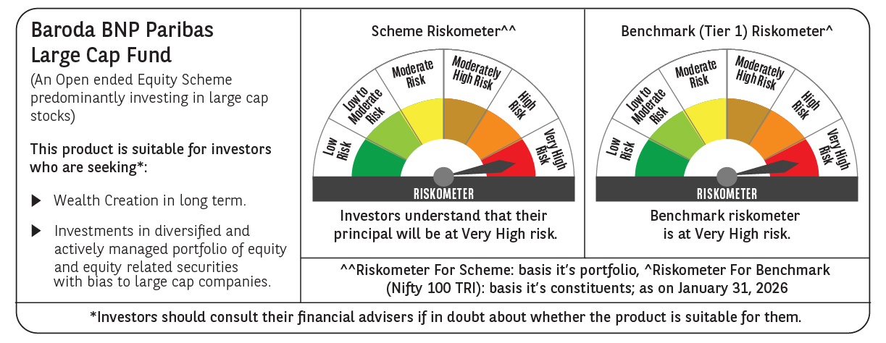

 | Monthly Performance Link: https://www.barodabnpparibasmf.in/assets/download_documents/Performance-of-Schemes-jan-2026_16576.pdf

