T0MD13
 | Baroda BNP Paribas Corporate Bond Fund

 | Monthly Portfolio Statement as on January 31, 2026
 | Name of the Instrument | ISIN | Industry / Rating | Quantity | Market/Fair Value (Rs. in Lakhs) | % to Net Assets | YTM~ | YTC^ | null
 | Equity & Equity related
 | (b) Invits
NHIT01 | National Highways Infra Trust | INE0H7R23014 | Transport Infrastructure | 450,000 | 679.50 | 1.61%
PIIT01 | Powergrid Infrastructure Investment Trust | INE0GGX23010 | Power | 301,229 | 275.35 | 0.65%
IGIF01 | IndiGrid Infrastructure Trust | INE219X23014 | Power | 115,337 | 189.48 | 0.45%
 | Sub Total |  |  |  | 1,144.33 | 2.71%
 | Total |  |  |  | 1,144.33 | 2.71%
 | Debt Instruments
 | (a) Listed / awaiting listing on Stock Exchange
NBAR805 | 7.53% National Bank For Agriculture and Rural Development (24/03/2028) ** | INE261F08EM1 | ICRA AAA | 3,000 | 3,020.13 | 7.15% | 7.16%
GOI6919 | 6.01% Government of India (21/07/2030) | IN0020250067 | Sovereign | 2,400,000 | 2,367.40 | 5.60% | 6.46%
GOI5228 | 7.18% Government of India (14/08/2033) | IN0020230085 | Sovereign | 1,700,000 | 1,744.92 | 4.13% | 6.84%
NTPC166 | 7.32% NTPC Limited (17/07/2029) ** | INE733E07KL3 | CRISIL AAA | 150 | 1,507.98 | 3.57% | 7.12%
BHFL139 | 7.08% Bajaj Housing Finance Limited (12/06/2030) ** | INE377Y07573 | CRISIL AAA | 1,500 | 1,476.67 | 3.50% | 7.50%
GOI6703 | 6.33% Government of India (05/05/2035) | IN0020250026 | Sovereign | 1,500,000 | 1,462.87 | 3.46% | 6.80%
SIDB598 | 7.39% Small Industries Dev Bank of India (21/03/2030) ** | INE556F08KY6 | CRISIL AAA | 1,200 | 1,202.75 | 2.85% | 7.32%
NHBA336 | 7.35% National Housing Bank (02/01/2032) | INE557F08GD6 | CARE AAA | 1,100 | 1,101.27 | 2.61% | 7.33%
HPEC301 | 7.54% Hindustan Petroleum Corporation Limited (15/04/2033) ** | INE094A08143 | CRISIL AAA | 100 | 1,021.15 | 2.42% | 7.16%
POWF505 | 7.7% Power Finance Corporation Limited (15/04/2033) ** | INE134E08MI4 | CRISIL AAA | 1,000 | 1,017.68 | 2.41% | 7.37%
HPEC303 | 7.74% Hindustan Petroleum Corporation Limited (02/03/2028) ** | INE094A08150 | CRISIL AAA | 1,000 | 1,014.64 | 2.40% | 6.95%
LICH680 | 7.74% LIC Housing Finance Limited (11/02/2028) ** | INE115A07QW5 | CRISIL AAA | 1,000 | 1,008.13 | 2.39% | 7.29%
LICH693 | 7.645% LIC Housing Finance Limited (21/02/2030) ** | INE115A07RD3 | CRISIL AAA | 1,000 | 1,008.01 | 2.39% | 7.41%
TCHF414 | 7.712% Tata Capital Housing Finance Limited (14/01/2028) ** | INE033L07IK9 | CRISIL AAA | 1,000 | 1,005.71 | 2.38% | 7.38%
GAIL40 | 7.34% GAIL (India) Limited (20/12/2027) ** | INE129A08014 | CARE AAA | 100 | 1,005.64 | 2.38% | 7.00%
IRLY383 | 7.37% Indian Railway Finance Corporation Limited (31/07/2029) ** | INE053F08411 | CRISIL AAA | 1,000 | 1,005.02 | 2.38% | 7.20%
BAFL943 | 7.7951% Bajaj Finance Limited (10/12/2027) ** | INE296A07TF2 | CRISIL AAA | 1,000 | 1,004.51 | 2.38% | 7.51%
ULCC169 | 7.34% UltraTech Cement Limited (03/03/2028) ** | INE481G08123 | CRISIL AAA | 1,000 | 1,004.21 | 2.38% | 7.11%
IOIC673 | 7.25% Indian Oil Corporation Limited (05/01/2030) | INE242A08569 | CRISIL AAA | 1,000 | 1,004.16 | 2.38% | 7.12%
LICH678 | 7.8650% LIC Housing Finance Limited (20/08/2026) ** | INE115A07QT1 | CRISIL AAA | 1,000 | 1,000.93 | 2.37% | 7.43%
EOPR38 | 7.21% Embassy Office Parks REIT (17/03/2028) ** | INE041007167 | CRISIL AAA | 1,000 | 996.03 | 2.36% | 7.61%
MEBP36 | 7% Mindspace Business Parks REIT (14/09/2027) ** | INE0CCU07165 | CRISIL AAA | 1,000 | 995.34 | 2.36% | 7.51%
BAFL990 | 7.07% Bajaj Finance Limited (21/09/2028) ** | INE296A07TN6 | CRISIL AAA | 1,000 | 988.54 | 2.34% | 7.52%
SIDB636 | 6.74% Small Industries Dev Bank of India (10/01/2029) ** | INE556F08LA4 | CRISIL AAA | 1,000 | 985.81 | 2.33% | 7.29%
RIND263 | 8.65% Reliance Industries Limited (11/12/2028) | INE002A08567 | CRISIL AAA | 80 | 829.77 | 1.96% | 7.15%
BAFL997 | 7.37% Bajaj Finance Limited (27/09/2030) | INE296A07TQ9 | CRISIL AAA | 800 | 791.93 | 1.87% | 7.62%
RECL473 | 6.87% REC Limited (31/05/2030) ** | INE020B08FU0 | ICRA AAA | 800 | 787.80 | 1.86% | 7.28%
PGCI455 | 7.52% Power Grid Corporation of India Limited (23/03/2033) ** | INE752E08684 | CRISIL AAA | 1,000 | 759.58 | 1.80% | 7.30%
GOI6889 | 6.68% Government of India (07/07/2040) | IN0020250042 | Sovereign | 700,000 | 674.22 | 1.60% | 7.22%
RUPL50 | 7.90% Jamnagar Utilities & Power Private Limited (10/08/2028) ** | INE936D07182 | CRISIL AAA | 500 | 505.04 | 1.20% | 7.42%
LICH671 | 7.77% LIC Housing Finance Limited (11/08/2028) | INE115A07QM6 | CRISIL AAA | 50 | 504.90 | 1.20% | 7.30%
EXIM794 | 7.35% Export Import Bank of India (27/07/2028) ** | INE514E08GE8 | CRISIL AAA | 500 | 503.80 | 1.19% | 7.03%
GOI6156 | 6.79% Government of India (07/10/2034) | IN0020240126 | Sovereign | 500,000 | 501.75 | 1.19% | 6.85%
NBAR719 | 7.50% National Bank For Agriculture and Rural Development (31/08/2026) | INE261F08EA6 | CRISIL AAA | 500 | 499.63 | 1.18% | 7.40%
BHAT85 | 7.35% Bharti Telecom Limited (15/10/2027) ** | INE403D08272 | CRISIL AAA | 500 | 496.79 | 1.18% | 7.73%
IILD89 | 7.39% India Infradebt Limited (27/05/2031) ** | INE537P07877 | CRISIL AAA | 500 | 495.36 | 1.17% | 7.62%
NTPC257 | 6.84% NTPC Limited (09/05/2035) ** | INE733E08270 | CRISIL AAA | 500 | 481.69 | 1.14% | 7.39%
BSNL21 | 6.79% Bharat Sanchar Nigam Limited (23/09/2030) ** | INE103D08021 | CRISIL AAA(CE) | 30 | 292.09 | 0.69% | 7.61%
GOI4485 | 7.38% Government of India (20/06/2027) | IN0020220037 | Sovereign | 100,000 | 102.20 | 0.24% | 5.78%
 | Sub Total |  |  |  | 38,176.05 | 90.39%
 | (b) Privately placed / Unlisted |  |  |  | NIL | NIL
 | Sub Total |  |  |  | NIL | NIL
 | (d) Securitised Debt
VAJR29 | Vajra Trust (20/06/2031) ** | INE20NI15047 | CRISIL AAA(SO) | 5 | 495.07 | 1.17% | 10.15%
IUNT24 | India Universal Trust (21/11/2027) ** | INE1CBK15029 | CRISIL AAA(SO) | 5 | 361.50 | 0.86% | 8.10%
VAJR28 | Vajra Trust (20/01/2029) ** | INE20NI15039 | CRISIL AAA(SO) | 3 | 297.89 | 0.71% | 10.18%
SATR47 | Sansar Trust (25/09/2029) ** | INE17O215012 | CRISIL AAA(SO) | 30,000,000 | 132.36 | 0.31% | 9.01%
 | Sub Total |  |  |  | 1,286.82 | 3.05%
 | (b) Privately placed / Unlisted |  |  |  | NIL | NIL
 | Sub Total |  |  |  | NIL | NIL
 | Total |  |  |  | 39,462.87 | 93.44%
 | Others
 | Corporate Debt Market Development Fund
CDMD50ME | Corporate Debt Market Development Fund # | INF0RQ622028 |  | 1,106 | 128.26 | 0.30% | 5.59%
 | Sub Total |  |  |  | 128.26 | 0.30%
 | Total |  |  |  | 128.26 | 0.30%
 | Reverse Repo / TREPS
TRP_020226 | Clearing Corporation of India Ltd |  |  |  | 351.15 | 0.83% | 5.01%
 | Sub Total |  |  |  | 351.15 | 0.83%
 | (b) Privately placed / Unlisted |  |  |  | NIL | NIL
 | Sub Total |  |  |  | NIL | NIL
 | Total |  |  |  | 351.15 | 0.83%
 | Net Receivables / (Payables) |  |  |  | 1,163.30 | 2.72%
 | GRAND TOTAL |  |  |  | 42,249.91 | 100.00%

 | ** Thinly Traded / Non Traded Security
 | # Unlisted Security
 | ~ YTM as on January 31, 2026
 | ^ YTC represents Yield to Call provided by valuation agencies as on January 31, 2026. It is disclosed for Perpetual Bond issued by Banks (i.e. AT-1 Bond / Tier 1 Bond / Tier 2 Bond), as per AMFI Best Practices Guidelines Circular no. 135/BP/91/2020-21 read with SEBI circular No. SEBI/HO/IMD/DF4/CIR/P/2021/034 on Valuation of AT-1 Bonds and Tier 2 Bonds.

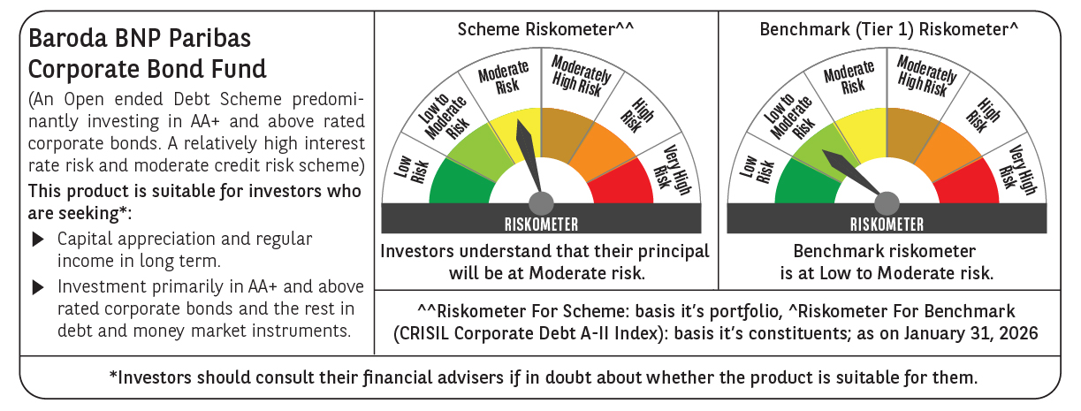



 | Monthly Performance Link: https://www.barodabnpparibasmf.in/assets/download_documents/Performance-of-Schemes-jan-2026_16576.pdf

