T0MD12
 | Baroda BNP Paribas Dynamic Bond Fund

 | Monthly Portfolio Statement as on January 31, 2026
 | Name of the Instrument | ISIN | Rating | Quantity | Market/Fair Value (Rs. in Lakhs) | % to Net Assets | YTM~ | YTC^ | null
 | Debt Instruments
 | (a) Listed / awaiting listing on Stock Exchange
GOI6889 | 6.68% Government of India (07/07/2040) | IN0020250042 | Sovereign | 3,950,000 | 3,804.53 | 22.79% | 7.22%
GOI6638 | 6.9% Government of India (15/04/2065) | IN0020250018 | Sovereign | 3,500,000 | 3,273.49 | 19.61% | 7.54%
NBAR838 | 7.48% National Bank For Agriculture and Rural Development (15/09/2028) | INE261F08EO7 | CRISIL AAA | 1,500 | 1,509.51 | 9.04% | 7.18%
GOI7094 | 6.48% Government of India (06/10/2035) | IN0020250091 | Sovereign | 1,450,000 | 1,427.85 | 8.55% | 6.81%
EXIM794 | 7.35% Export Import Bank of India (27/07/2028) ** | INE514E08GE8 | CRISIL AAA | 1,000 | 1,007.60 | 6.04% | 7.03%
GOI6156 | 6.79% Government of India (07/10/2034) | IN0020240126 | Sovereign | 1,000,000 | 1,003.50 | 6.01% | 6.85%
GOI6019 | 7.09% Government of India (05/08/2054) | IN0020240118 | Sovereign | 1,000,000 | 965.99 | 5.79% | 7.51%
RECL473 | 6.87% REC Limited (31/05/2030) ** | INE020B08FU0 | ICRA AAA | 900 | 886.28 | 5.31% | 7.28%
GOI5228 | 7.18% Government of India (14/08/2033) | IN0020230085 | Sovereign | 500,000 | 513.21 | 3.07% | 6.84%
GOI6919 | 6.01% Government of India (21/07/2030) | IN0020250067 | Sovereign | 500,000 | 493.21 | 2.95% | 6.46%
NHBA337 | 6.80% National Housing Bank (02/04/2032) ** | INE557F08GE4 | CARE AAA | 350 | 340.98 | 2.04% | 7.33%
GOI2174 | 8.26% State Government Securities (02/01/2029) | IN2220180060 | Sovereign | 500 | 0.52 | 0.00% | 6.78%
GOI1830 | 7.64% State Government Securities (29/03/2027) | IN1620160292 | Sovereign | 300 | 0.31 | 0.00% | 6.12%
 | Sub Total |  |  |  | 15,226.98 | 91.20%
 | (b) Privately placed / Unlisted |  |  |  | NIL | NIL
 | Sub Total |  |  |  | NIL | NIL
 | Total |  |  |  | 15,226.98 | 91.20%
 | Money Market Instruments
 | Certificate of Deposit
CANB1077 | Canara Bank (03/06/2026) ** # | INE476A16F60 | CRISIL A1+ | 100 | 488.23 | 2.92% | 7.21%
IBCL1180 | ICICI Bank Limited (27/01/2027) ** # | INE090AD6279 | ICRA A1+ | 100 | 467.75 | 2.80% | 6.99%
 | Sub Total |  |  |  | 955.98 | 5.72%
 | Total |  |  |  | 955.98 | 5.72%
 | Others
 | Corporate Debt Market Development Fund
CDMD50ME | Corporate Debt Market Development Fund # | INF0RQ622028 |  | 516 | 59.85 | 0.36% | 5.59%
 | Sub Total |  |  |  | 59.85 | 0.36%
 | Total |  |  |  | 59.85 | 0.36%
 | Reverse Repo / TREPS
TRP_020226 | Clearing Corporation of India Ltd |  |  |  | 1,382.03 | 8.28% | 5.01%
 | Sub Total |  |  |  | 1,382.03 | 8.28%
 | (b) Privately placed / Unlisted |  |  |  | NIL | NIL
 | Sub Total |  |  |  | NIL | NIL
 | Total |  |  |  | 1,382.03 | 8.28%
 | Net Receivables / (Payables) |  |  |  | (931.20) | (5.56)%
 | GRAND TOTAL |  |  |  | 16,693.64 | 100.00%

 | ** Thinly Traded / Non Traded Security
 | # Unlisted Security
 | $ Less Than 0.01% of Net Asset Value
 | ~ YTM as on January 31, 2026
 | ^ YTC represents Yield to Call provided by valuation agencies as on January 31, 2026. It is disclosed for Perpetual Bond issued by Banks (i.e. AT-1 Bond / Tier 1 Bond / Tier 2 Bond), as per AMFI Best Practices Guidelines Circular no. 135/BP/91/2020-21 read with SEBI circular No. SEBI/HO/IMD/DF4/CIR/P/2021/034 on Valuation of AT-1 Bonds and Tier 2 Bonds.

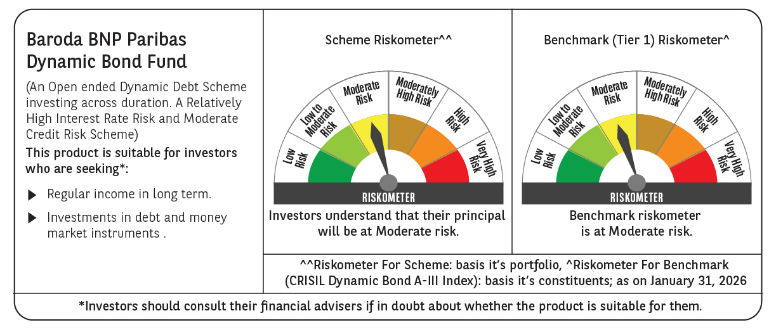



 | Monthly Performance Link: https://www.barodabnpparibasmf.in/assets/download_documents/Performance-of-Schemes-jan-2026_16576.pdf

