T0MD09
 | Baroda BNP Paribas Low Duration Fund

 | Monthly Portfolio Statement as on January 31, 2026
 | Name of the Instrument | ISIN | Rating | Quantity | Market/Fair Value (Rs. in Lakhs) | % to Net Assets | YTM~ | YTC^ | null
 | Debt Instruments
 | (a) Listed / awaiting listing on Stock Exchange
IRLY371 | 7.23% Indian Railway Finance Corporation Limited (15/10/2026) ** | INE053F08304 | CRISIL AAA | 2,000 | 1,999.40 | 6.55% | 7.31%
NBAR719 | 7.50% National Bank For Agriculture and Rural Development (31/08/2026) | INE261F08EA6 | CRISIL AAA | 1,500 | 1,498.88 | 4.91% | 7.40%
RECL474 | 6.52% REC Limited (31/01/2028) | INE020B08FW6 | ICRA AAA | 1,300 | 1,287.64 | 4.22% | 7.05%
GOI6919 | 6.01% Government of India (21/07/2030) | IN0020250067 | Sovereign | 1,100,000 | 1,085.06 | 3.55% | 6.46%
PHFP225 | 8.15% PNB Housing Finance Limited (29/07/2027) ** | INE572E07183 | CARE AA+ | 1,000 | 1,008.27 | 3.30% | 7.49%
PFPL129 | 9% Piramal Finance Limited (28/06/2027) ** | INE202B07JT0 | CARE AA | 1,000 | 1,005.92 | 3.29% | 8.48%
SHTR490 | 8.75% Shriram Finance Limited (15/06/2026) ** | INE721A07RH9 | CRISIL AA+ | 1,000 | 1,004.25 | 3.29% | 7.61%
LICH678 | 7.8650% LIC Housing Finance Limited (20/08/2026) ** | INE115A07QT1 | CRISIL AAA | 1,000 | 1,000.93 | 3.28% | 7.43%
MEBP36 | 7% Mindspace Business Parks REIT (14/09/2027) ** | INE0CCU07165 | CRISIL AAA | 1,000 | 995.34 | 3.26% | 7.51%
TOPL49 | 8.32% Torrent Power Limited (28/02/2027) ** | INE813H07382 | CRISIL AA+ | 900 | 906.65 | 2.97% | 7.60%
RECL428 | 7.56% REC Limited (30/06/2026) | INE020B08ED9 | CRISIL AAA | 900 | 899.58 | 2.95% | 7.35%
BAFL943 | 7.7951% Bajaj Finance Limited (10/12/2027) ** | INE296A07TF2 | CRISIL AAA | 700 | 703.16 | 2.30% | 7.51%
GOI5817 | 7.04% Government of India (03/06/2029) | IN0020240050 | Sovereign | 600,000 | 616.72 | 2.02% | 6.19%
GOI6306 | 6.75% Government of India (23/12/2029) | IN0020240183 | Sovereign | 500,000 | 509.61 | 1.67% | 6.28%
ICFP147 | 10.5% IndoStar Capital Finance Limited (25/09/2026) ** | INE896L07983 | CARE AA- | 50,000 | 503.47 | 1.65% | 9.03%
NBAR701 | 7.58% National Bank For Agriculture and Rural Development (31/07/2026) | INE261F08DX0 | CRISIL AAA | 500 | 499.72 | 1.64% | 7.41%
EOPR38 | 7.21% Embassy Office Parks REIT (17/03/2028) ** | INE041007167 | CRISIL AAA | 500 | 498.02 | 1.63% | 7.61%
BHAT85 | 7.35% Bharti Telecom Limited (15/10/2027) ** | INE403D08272 | CRISIL AAA | 500 | 496.79 | 1.63% | 7.73%
MEBP27 | 8.02% Mindspace Business Parks REIT (13/04/2026) ** | INE0CCU07074 | CRISIL AAA | 400 | 400.30 | 1.31% | 7.85%
GOI4485 | 7.38% Government of India (20/06/2027) | IN0020220037 | Sovereign | 200,000 | 204.40 | 0.67% | 5.78%
 | Sub Total |  |  |  | 17,124.11 | 56.09%
 | (b) Privately placed / Unlisted |  |  |  | NIL | NIL
 | Sub Total |  |  |  | NIL | NIL
 | (c) Securitised Debt
VAJR28 | Vajra Trust (20/01/2029) ** | INE20NI15039 | CRISIL AAA(SO) | 5 | 496.48 | 1.63% | 10.18%
IUNT23 | India Universal Trust (21/11/2026) ** | INE1CBK15011 | CRISIL AAA(SO) | 5 | 152.92 | 0.50% | 8.21%
 | Sub Total |  |  |  | 649.40 | 2.13%
 | (b) Privately placed / Unlisted |  |  |  | NIL | NIL
 | Sub Total |  |  |  | NIL | NIL
 | Total |  |  |  | 17,773.51 | 58.22%
 | Money Market Instruments
 | Certificate of Deposit
SIDB604 | Small Industries Dev Bank of India (05/05/2026) ** # | INE556F16BH3 | CRISIL A1+ | 500 | 2,454.44 | 8.04% | 7.29%
IIBL1010 | IndusInd Bank Limited (27/01/2027) ** # | INE095A169C7 | CRISIL A1+ | 400 | 1,863.10 | 6.10% | 7.45%
EXIM808 | Export Import Bank of India (11/06/2026) ** # | INE514E16CM3 | CRISIL A1+ | 300 | 1,462.22 | 4.79% | 7.25%
UTIB1363 | Axis Bank Limited (25/06/2026) ** # | INE238AD6AZ4 | CRISIL A1+ | 200 | 971.99 | 3.18% | 7.30%
IBCL1180 | ICICI Bank Limited (27/01/2027) ** # | INE090AD6279 | ICRA A1+ | 200 | 935.50 | 3.06% | 6.99%
CANB1077 | Canara Bank (03/06/2026) ** # | INE476A16F60 | CRISIL A1+ | 180 | 878.81 | 2.88% | 7.21%
CANB1073 | Canara Bank (26/05/2026) ** # | INE476A16E87 | CRISIL A1+ | 160 | 782.38 | 2.56% | 7.21%
UNBI444 | Union Bank of India (25/06/2026) # | INE692A16JQ1 | ICRA A1+ | 100 | 486.28 | 1.59% | 7.15%
INBK469 | Indian Bank (12/03/2026) ** # | INE562A16OI3 | CRISIL A1+ | 60 | 297.89 | 0.98% | 6.63%
 | Sub Total |  |  |  | 10,132.61 | 33.18%
 | Commercial Paper
CHOL1101 | Cholamandalam Investment and Finance Company Ltd (27/11/2026) ** | INE121A14YB7 | ICRA A1+ | 200 | 939.80 | 3.08% | 7.82%
 | Sub Total |  |  |  | 939.80 | 3.08%
 | Total |  |  |  | 11,072.41 | 36.26%
 | Others
 | Corporate Debt Market Development Fund
CDMD50ME | Corporate Debt Market Development Fund # | INF0RQ622028 |  | 746 | 86.57 | 0.28% | 5.59%
 | Sub Total |  |  |  | 86.57 | 0.28%
 | Total |  |  |  | 86.57 | 0.28%
 | Reverse Repo / TREPS
TRP_020226 | Clearing Corporation of India Ltd |  |  |  | 1,234.42 | 4.04% | 5.01%
 | Sub Total |  |  |  | 1,234.42 | 4.04%
 | (b) Privately placed / Unlisted |  |  |  | NIL | NIL
 | Sub Total |  |  |  | NIL | NIL
 | Total |  |  |  | 1,234.42 | 4.04%
 | Net Receivables / (Payables) |  |  |  | 370.58 | 1.20%
 | GRAND TOTAL |  |  |  | 30,537.49 | 100.00%

 | ** Thinly Traded / Non Traded Security
 | # Unlisted Security
 | ~ YTM as on January 31, 2026
 | ^ YTC represents Yield to Call provided by valuation agencies as on January 31, 2026. It is disclosed for Perpetual Bond issued by Banks (i.e. AT-1 Bond / Tier 1 Bond / Tier 2 Bond), as per AMFI Best Practices Guidelines Circular no. 135/BP/91/2020-21 read with SEBI circular No. SEBI/HO/IMD/DF4/CIR/P/2021/034 on Valuation of AT-1 Bonds and Tier 2 Bonds.

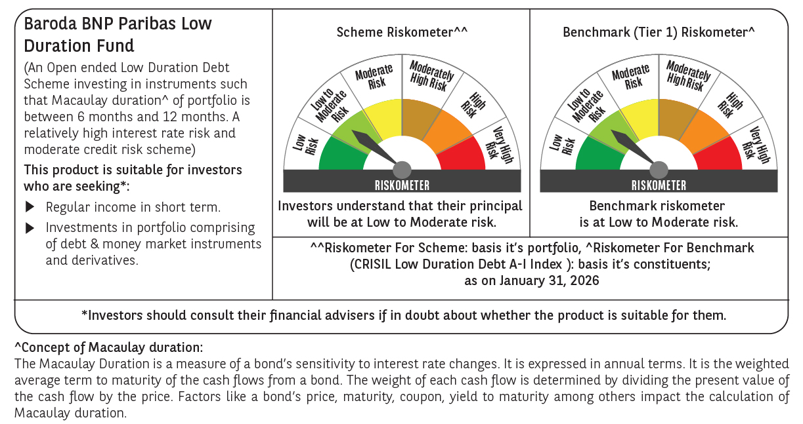



 | Monthly Performance Link: https://www.barodabnpparibasmf.in/assets/download_documents/Performance-of-Schemes-jan-2026_16576.pdf

