YR56
 | Baroda BNP Paribas Business Cycle Fund

 | Monthly Portfolio Statement as on December 31, 2025
 | Name of the Instrument | ISIN | Industry / Rating | Quantity | Market/Fair Value (Rs. in Lakhs) | % to Net Assets | YTM~ | YTC^ | null
 | Equity & Equity related
 | (a) Listed / awaiting listing on Stock Exchanges
HDFB03 | HDFC Bank Limited | INE040A01034 | Banks | 396,000 | 3,925.15 | 6.72%
RIND01 | Reliance Industries Limited | INE002A01018 | Petroleum Products | 207,000 | 3,250.73 | 5.56%
IBCL05 | ICICI Bank Limited | INE090A01021 | Banks | 240,000 | 3,222.96 | 5.51%
LARS02 | Larsen & Toubro Limited | INE018A01030 | Construction | 63,000 | 2,572.61 | 4.40%
ABBP01 | Hitachi Energy India Limited | INE07Y701011 | Electrical Equipment | 11,250 | 2,059.88 | 3.52%
BTVL02 | Bharti Airtel Limited | INE397D01024 | Telecom - Services | 67,500 | 1,421.28 | 2.43%
KOMA02 | Kotak Mahindra Bank Limited | INE237A01028 | Banks | 63,000 | 1,386.69 | 2.37%
INFS02 | Infosys Limited | INE009A01021 | IT - Software | 81,000 | 1,308.47 | 2.24%
PSYL02 | Persistent Systems Limited | INE262H01021 | IT - Software | 20,700 | 1,298.30 | 2.22%
SAEL02 | TVS Motor Company Limited | INE494B01023 | Automobiles | 32,400 | 1,205.22 | 2.06%
SPIL03 | Sun Pharmaceutical Industries Limited | INE044A01036 | Pharmaceuticals & Biotechnology | 67,500 | 1,160.80 | 1.99%
DIVI02 | Divi's Laboratories Limited | INE361B01024 | Pharmaceuticals & Biotechnology | 18,000 | 1,150.65 | 1.97%
SBAI02 | State Bank of India | INE062A01020 | Banks | 117,000 | 1,149.17 | 1.97%
PINP01 | Pine Labs Limited | INE15B701018 | Financial Technology (Fintech) | 450,000 | 1,076.99 | 1.84%
NEST02 | Nestle India Limited | INE239A01024 | Food Products | 81,000 | 1,043.28 | 1.78%
BHAH02 | Bharat Heavy Electricals Limited | INE257A01026 | Electrical Equipment | 360,000 | 1,034.82 | 1.77%
EIML02 | Eicher Motors Limited | INE066A01021 | Automobiles | 13,500 | 987.19 | 1.69%
ICEM01 | The India Cements Limited | INE383A01012 | Cement & Cement Products | 216,000 | 940.14 | 1.61%
WABT01 | ZF Commercial Vehicle Control Systems India Limited | INE342J01019 | Auto Components | 6,300 | 937.31 | 1.60%
ITCL02 | ITC Limited | INE154A01025 | Diversified FMCG | 225,000 | 906.75 | 1.55%
MAUD01 | Maruti Suzuki India Limited | INE585B01010 | Automobiles | 5,400 | 901.64 | 1.54%
PHMI02 | The Phoenix Mills Limited | INE211B01039 | Realty | 46,800 | 867.44 | 1.48%
HZIN02 | Hindustan Zinc Limited | INE267A01025 | Non - Ferrous Metals | 135,000 | 826.81 | 1.41%
TCSL01 | Tata Consultancy Services Limited | INE467B01029 | IT - Software | 25,000 | 801.55 | 1.37%
TMLC01 | Tata Motors Ltd | INE1TAE01010 | Agricultural, Commercial & Construction Vehicles | 189,000 | 785.30 | 1.34%
YESB03 | Yes Bank Limited | INE528G01035 | Banks | 3,600,000 | 777.60 | 1.33%
ESMC02 | PB Fintech Limited | INE417T01026 | Financial Technology (Fintech) | 42,300 | 772.23 | 1.32%
BFSL02 | Bajaj Finserv Limited | INE918I01026 | Finance | 36,000 | 734.36 | 1.26%
FEBA02 | The Federal Bank Limited | INE171A01029 | Banks | 270,000 | 721.17 | 1.23%
SCLB01 | Leela Palaces Hotels & Resorts Limited | INE0AQ201015 | Leisure Services | 162,000 | 702.35 | 1.20%
BOCL01 | Linde India Limited | INE473A01011 | Chemicals & Petrochemicals | 11,700 | 696.79 | 1.19%
IIFM02 | 360 One WAM Limited | INE466L01038 | Capital Markets | 58,500 | 696.15 | 1.19%
IDBK01 | IDFC First Bank Limited | INE092T01019 | Banks | 810,000 | 693.44 | 1.19%
IINF02 | IIFL Finance Limited | INE530B01024 | Finance | 112,500 | 686.81 | 1.18%
UTIB02 | Axis Bank Limited | INE238A01034 | Banks | 54,000 | 685.48 | 1.17%
NHPC01 | NHPC Limited | INE848E01016 | Power | 823,867 | 652.67 | 1.12%
MOTI02 | Bosch Limited | INE323A01026 | Auto Components | 1,800 | 648.72 | 1.11%
VNBL03 | Varun Beverages Limited | INE200M01039 | Beverages | 130,000 | 636.81 | 1.09%
FRHL01 | Fortis Healthcare Limited | INE061F01013 | Healthcare Services | 72,000 | 636.48 | 1.09%
BLTE01 | Swiggy Limited | INE00H001014 | Retailing | 162,000 | 625.73 | 1.07%
SOKO03 | Jtekt India Limited | INE643A01035 | Auto Components | 441,000 | 621.15 | 1.06%
HYUN01 | Hyundai Motor India Ltd | INE0V6F01027 | Automobiles | 27,000 | 620.46 | 1.06%
LGEL01 | LG Electronics India Ltd | INE324D01010 | Consumer Durables | 40,500 | 616.17 | 1.05%
BHEL02 | Bharat Electronics Limited | INE263A01024 | Aerospace & Defense | 153,000 | 611.39 | 1.05%
NAPH02 | Natco Pharma Limited | INE987B01026 | Pharmaceuticals & Biotechnology | 67,500 | 609.56 | 1.04%
HDLI01 | HDFC Life Insurance Company Limited | INE795G01014 | Insurance | 81,000 | 607.38 | 1.04%
ICII01 | Akzo Nobel India Limited | INE133A01011 | Consumer Durables | 19,000 | 603.69 | 1.03%
DRRL03 | Dr. Reddy's Laboratories Limited | INE089A01031 | Pharmaceuticals & Biotechnology | 45,000 | 572.13 | 0.98%
ASEA02 | ABB India Limited | INE117A01022 | Electrical Equipment | 10,800 | 558.36 | 0.96%
IFEL01 | Oracle Financial Services Software Limited | INE881D01027 | IT - Software | 7,200 | 553.46 | 0.95%
HDBF01 | HDB Financial Services Limited | INE756I01012 | Finance | 72,000 | 551.20 | 0.94%
TWAT02 | Titan Company Limited | INE280A01028 | Consumer Durables | 13,500 | 546.95 | 0.94%
SAGI01 | Sagility Limited | INE0W2G01015 | IT - Services | 1,050,420 | 546.43 | 0.93%
CIPL03 | Cipla Limited | INE059A01026 | Pharmaceuticals & Biotechnology | 36,000 | 544.07 | 0.93%
ZMPL01 | Eternal Limited | INE758T01015 | Retailing | 189,000 | 525.51 | 0.90%
TOPH02 | Torrent Pharmaceuticals Limited | INE685A01028 | Pharmaceuticals & Biotechnology | 13,500 | 519.75 | 0.89%
PFIZ01 | Pfizer Limited | INE182A01018 | Pharmaceuticals & Biotechnology | 7,200 | 359.11 | 0.61%
SCDL01 | Sundaram Clayton Limited | INE0Q3R01026 | Auto Components | 23,792 | 291.12 | 0.50%
GMRI03 | GMR Airports Limited | INE776C01039 | Transport Infrastructure | 173,553 | 181.14 | 0.31%
INGE01 | Ingersoll Rand (India) Limited | INE177A01018 | Industrial Products | 2,430 | 84.98 | 0.15%
 | Sub Total |  |  |  | 56,711.93 | 97.00%
 | (b) Unlisted |  |  |  | NIL | NIL
 | Sub Total |  |  |  | NIL | NIL
 | Total |  |  |  | 56,711.93 | 97.00%
 | Derivatives
 | Index / Stock Futures
MCEXJAN26 | Multi Commodity Exchange of India Limited January 2026 Future |  |  | 5,625 | 629.72 | 1.08%
 | Sub Total |  |  |  | 629.72 | 1.08%
 | Total |  |  |  | 629.72 | 1.08%
 | Debt Instruments
 | (a) Preference Shares
SAEL21PS | 6% TVS Motor Company Limited ** | INE494B04019 | CARE A1+ | 136,800 | 13.93 | 0.02%
 | Sub Total |  |  |  | 13.93 | 0.02%
 | Total |  |  |  | 13.93 | 0.02%
 | Money Market Instruments
 | Treasury Bill
TBIL2525 | 364 Days Tbill (MD 25/06/2026) | IN002025Z138 | Sovereign | 500,000 | 487.40 | 0.83% | 5.39%
 | Sub Total |  |  |  | 487.40 | 0.83%
 | Total |  |  |  | 487.40 | 0.83%
 | Reverse Repo / TREPS
TRP_010126 | Clearing Corporation of India Ltd |  |  |  | 1,290.28 | 2.21% | 5.36%
 | Sub Total |  |  |  | 1,290.28 | 2.21%
 | Total |  |  |  | 1,290.28 | 2.21%
 | Net Receivables / (Payables) |  |  |  | (681.49) | (1.14)%
 | GRAND TOTAL |  |  |  | 58,451.77 | 100.00%

 | ** Thinly Traded / Non Traded Security
 | ~ YTM as on December 31, 2025
 | ^ YTC represents Yield to Call provided by valuation agencies as on December 31, 2025. It is disclosed for Perpetual Bond issued by Banks (i.e. AT-1 Bond / Tier 1 Bond / Tier 2 Bond), as per AMFI Best Practices Guidelines Circular no. 135/BP/91/2020-21 read with SEBI circular No. SEBI/HO/IMD/DF4/CIR/P/2021/034 on Valuation of AT-1 Bonds and Tier 2 Bonds.
 | Details of Stock Future / Index Future
 | Long/Short | Name of the Instrument | Industry | Quantity. | Market/Fair Value (Rs. in Lacs). | % to NAV.
 | Long | Multi Commodity Exchange of India Limited_27/01/2026 | Capital Markets | 5,625 | 629.72 | 1.08%

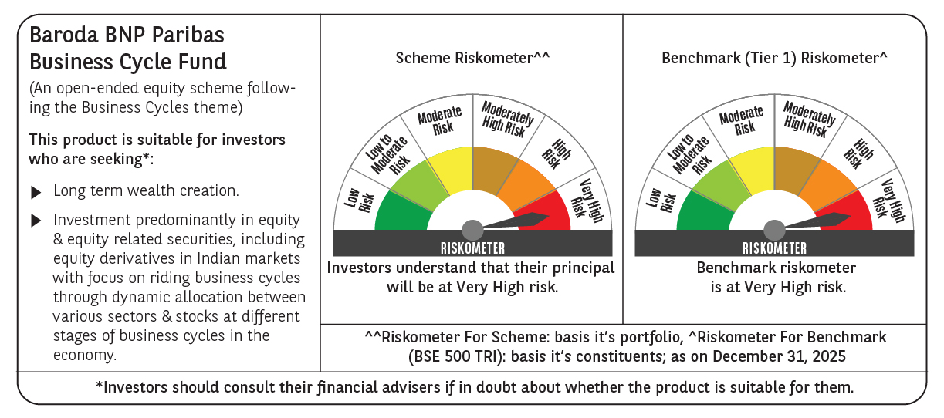

 | Monthly Performance Link: https://www.barodabnpparibasmf.in/assets/download_documents/Performance-of-Schemes-Dec-2025_16084.pdf

