YR54
 | Baroda BNP Paribas Large & Mid Cap Fund

 | Monthly Portfolio Statement as on December 31, 2025
 | Name of the Instrument | ISIN | Industry / Rating | Quantity | Market/Fair Value (Rs. in Lakhs) | % to Net Assets | YTM~ | YTC^ | null
 | Equity & Equity related
 | (a) Listed / awaiting listing on Stock Exchanges
HDFB03 | HDFC Bank Limited | INE040A01034 | Banks | 1,100,000 | 10,903.20 | 6.20%
FEBA02 | The Federal Bank Limited | INE171A01029 | Banks | 2,100,000 | 5,609.10 | 3.19%
INFS02 | Infosys Limited | INE009A01021 | IT - Software | 328,687 | 5,309.61 | 3.02%
HPEC01 | Hindustan Petroleum Corporation Limited | INE094A01015 | Petroleum Products | 1,050,000 | 5,240.03 | 2.98%
RIND01 | Reliance Industries Limited | INE002A01018 | Petroleum Products | 325,000 | 5,103.80 | 2.90%
BTVL02 | Bharti Airtel Limited | INE397D01024 | Telecom - Services | 240,000 | 5,053.44 | 2.88%
JKCE01 | JK Cement Limited | INE823G01014 | Cement & Cement Products | 90,000 | 4,977.90 | 2.83%
IHOT02 | The Indian Hotels Company Limited | INE053A01029 | Leisure Services | 650,000 | 4,802.53 | 2.73%
IBCL05 | ICICI Bank Limited | INE090A01021 | Banks | 350,000 | 4,700.15 | 2.67%
LARS02 | Larsen & Toubro Limited | INE018A01030 | Construction | 110,000 | 4,491.85 | 2.56%
IIBL01 | IndusInd Bank Limited | INE095A01012 | Banks | 500,000 | 4,321.00 | 2.46%
ONCO02 | One 97 Communications Limited | INE982J01020 | Financial Technology (Fintech) | 325,000 | 4,221.43 | 2.40%
ESCO01 | Escorts Kubota Limited | INE042A01014 | Agricultural, Commercial & Construction Vehicles | 110,000 | 4,091.78 | 2.33%
PSYL02 | Persistent Systems Limited | INE262H01021 | IT - Software | 65,000 | 4,076.80 | 2.32%
BRIT03 | Britannia Industries Limited | INE216A01030 | Food Products | 65,000 | 3,920.15 | 2.23%
MAHI02 | Mahindra & Mahindra Limited | INE101A01026 | Automobiles | 105,000 | 3,894.66 | 2.22%
BHAH02 | Bharat Heavy Electricals Limited | INE257A01026 | Electrical Equipment | 1,300,000 | 3,736.85 | 2.13%
ILOM01 | ICICI Lombard General Insurance Company Limited | INE765G01017 | Insurance | 190,000 | 3,727.99 | 2.12%
HZIN02 | Hindustan Zinc Limited | INE267A01025 | Non - Ferrous Metals | 600,000 | 3,674.70 | 2.09%
EIML02 | Eicher Motors Limited | INE066A01021 | Automobiles | 50,000 | 3,656.25 | 2.08%
MOSU03 | Samvardhana Motherson International Limited | INE775A01035 | Auto Components | 3,000,000 | 3,598.20 | 2.05%
HYUN01 | Hyundai Motor India Ltd | INE0V6F01027 | Automobiles | 150,000 | 3,447.00 | 1.96%
ZMPL01 | Eternal Limited | INE758T01015 | Retailing | 1,200,000 | 3,336.60 | 1.90%
FSNE01 | FSN E-Commerce Ventures Limited | INE388Y01029 | Retailing | 1,258,000 | 3,335.59 | 1.90%
SAGI01 | Sagility Limited | INE0W2G01015 | IT - Services | 6,302,521 | 3,278.57 | 1.87%
PRRC03 | Navin Fluorine International Limited | INE048G01026 | Chemicals & Petrochemicals | 55,000 | 3,256.00 | 1.85%
SHTR02 | Shriram Finance Limited | INE721A01047 | Finance | 325,000 | 3,237.65 | 1.84%
RAKH02 | Radico Khaitan Limited | INE944F01028 | Beverages | 95,000 | 3,133.48 | 1.78%
BLUS03 | Blue Star Limited | INE472A01039 | Consumer Durables | 174,460 | 3,019.38 | 1.72%
TEMA02 | Tech Mahindra Limited | INE669C01036 | IT - Software | 180,000 | 2,863.62 | 1.63%
MCEX01 | Multi Commodity Exchange of India Limited | INE745G01035 | Capital Markets | 25,000 | 2,784.00 | 1.58%
KAVY06 | Karur Vysya Bank Limited | INE036D01028 | Banks | 1,050,000 | 2,770.22 | 1.58%
ALLI02 | GE Vernova T&D India Limited | INE200A01026 | Electrical Equipment | 84,904 | 2,659.62 | 1.51%
CANB02 | Canara Bank | INE476A01022 | Banks | 1,650,000 | 2,556.02 | 1.45%
SMAW01 | Smartworks Coworking Spaces Ltd | INE0NAZ01010 | Commercial Services & Supplies | 507,384 | 2,510.28 | 1.43%
AJPH03 | Ajanta Pharma Limited | INE031B01049 | Pharmaceuticals & Biotechnology | 90,000 | 2,492.01 | 1.42%
KAYN01 | Kaynes Technology India Limited | INE918Z01012 | Industrial Manufacturing | 60,000 | 2,407.80 | 1.37%
IIFM02 | 360 One WAM Limited | INE466L01038 | Capital Markets | 200,000 | 2,380.00 | 1.35%
MALE02 | Poonawalla Fincorp Limited | INE511C01022 | Finance | 465,000 | 2,245.72 | 1.28%
SPIL03 | Sun Pharmaceutical Industries Limited | INE044A01036 | Pharmaceuticals & Biotechnology | 130,000 | 2,235.61 | 1.27%
JSPL03 | Jindal Steel Limited | INE749A01030 | Ferrous Metals | 200,000 | 2,107.60 | 1.20%
MAXI02 | Max Financial Services Limited | INE180A01020 | Insurance | 125,000 | 2,089.75 | 1.19%
DIVI02 | Divi's Laboratories Limited | INE361B01024 | Pharmaceuticals & Biotechnology | 32,500 | 2,077.56 | 1.18%
LGEL01 | LG Electronics India Ltd | INE324D01010 | Consumer Durables | 135,000 | 2,053.89 | 1.17%
DIXO02 | Dixon Technologies (India) Limited | INE935N01020 | Consumer Durables | 15,000 | 1,815.30 | 1.03%
JLLH01 | Jupiter Life Line Hospitals Limited | INE682M01012 | Healthcare Services | 127,500 | 1,776.59 | 1.01%
KOMA02 | Kotak Mahindra Bank Limited | INE237A01028 | Banks | 75,000 | 1,650.83 | 0.94%
BOCL01 | Linde India Limited | INE473A01011 | Chemicals & Petrochemicals | 26,300 | 1,566.30 | 0.89%
 | Sub Total |  |  |  | 168,198.41 | 95.69%
 | (b) Unlisted |  |  |  | NIL | NIL
 | Sub Total |  |  |  | NIL | NIL
 | Total |  |  |  | 168,198.41 | 95.69%
 | Money Market Instruments
 | Treasury Bill
TBIL2490 | 364 Days Tbill (MD 26/03/2026) | IN002024Z503 | Sovereign | 500,000 | 494.09 | 0.28% | 5.20%
 | Sub Total |  |  |  | 494.09 | 0.28%
 | Total |  |  |  | 494.09 | 0.28%
 | Reverse Repo / TREPS
TRP_010126 | Clearing Corporation of India Ltd |  |  |  | 8,257.12 | 4.70% | 5.36%
 | Sub Total |  |  |  | 8,257.12 | 4.70%
 | Total |  |  |  | 8,257.12 | 4.70%
 | Net Receivables / (Payables) |  |  |  | (1,205.30) | (0.67)%
 | GRAND TOTAL |  |  |  | 175,744.32 | 100.00%

 | ~ YTM as on December 31, 2025
 | ^ YTC represents Yield to Call provided by valuation agencies as on December 31, 2025. It is disclosed for Perpetual Bond issued by Banks (i.e. AT-1 Bond / Tier 1 Bond / Tier 2 Bond), as per AMFI Best Practices Guidelines Circular no. 135/BP/91/2020-21 read with SEBI circular No. SEBI/HO/IMD/DF4/CIR/P/2021/034 on Valuation of AT-1 Bonds and Tier 2 Bonds.

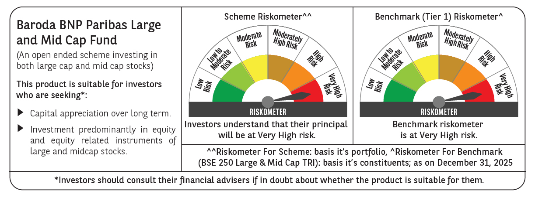

 | Monthly Performance Link: https://www.barodabnpparibasmf.in/assets/download_documents/Performance-of-Schemes-Dec-2025_16084.pdf

