YR51
 | Baroda BNP Paribas Overnight Fund

 | Monthly Portfolio Statement as on December 31, 2025
 | Name of the Instrument | ISIN | Rating | Quantity | Market/Fair Value (Rs. in Lakhs) | % to Net Assets | YTM~ | YTC^ | null
 | Money Market Instruments
 | Treasury Bill
TBIL2532 | 182 Days Tbill (MD 08/01/2026) | IN002025Y156 | Sovereign | 1,500,000 | 1,498.49 | 2.22% | 5.25%
TBIL2462 | 364 Days Tbill (MD 15/01/2026) | IN002024Z404 | Sovereign | 1,000,000 | 997.99 | 1.48% | 5.25%
 | Sub Total |  |  |  | 2,496.48 | 3.70%
 | Total |  |  |  | 2,496.48 | 3.70%
 | Reverse Repo / TREPS
REP4_311225 | Clearing Corporation of India Ltd |  |  |  | 38,399.92 | 56.82% | 5.65%
REP3_311225 | Clearing Corporation of India Ltd |  |  |  | 26,494.72 | 39.21% | 6.00%
TRP_010126 | Clearing Corporation of India Ltd |  |  |  | 146.33 | 0.22% | 5.36%
 | Sub Total |  |  |  | 65,040.97 | 96.25%
 | Total |  |  |  | 65,040.97 | 96.25%
 | Net Receivables / (Payables) |  |  |  | 40.03 | 0.05%
 | GRAND TOTAL |  |  |  | 67,577.48 | 100.00%

 | ~ YTM as on December 31, 2025
 | ^ YTC represents Yield to Call provided by valuation agencies as on December 31, 2025. It is disclosed for Perpetual Bond issued by Banks (i.e. AT-1 Bond / Tier 1 Bond / Tier 2 Bond), as per AMFI Best Practices Guidelines Circular no. 135/BP/91/2020-21 read with SEBI circular No. SEBI/HO/IMD/DF4/CIR/P/2021/034 on Valuation of AT-1 Bonds and Tier 2 Bonds.

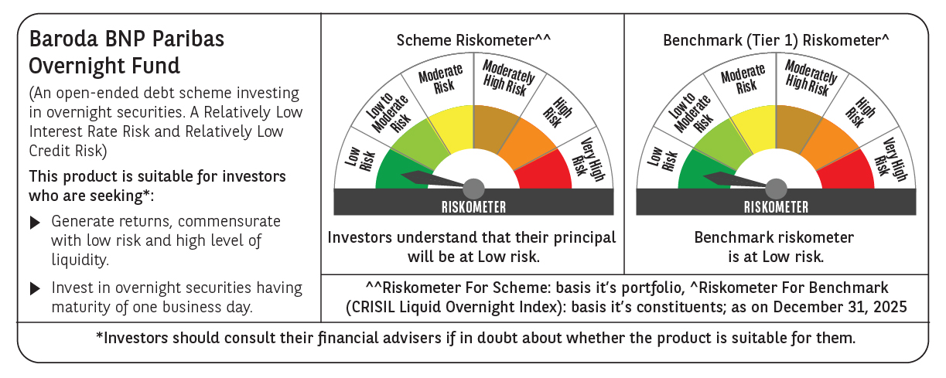

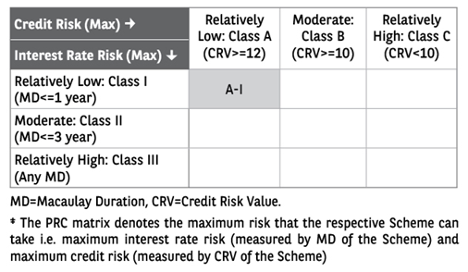

 | Monthly Performance Link: https://www.barodabnpparibasmf.in/assets/download_documents/Performance-of-Schemes-Dec-2025_16084.pdf

