YR47
 | Baroda BNP Paribas Ultra Short Duration Fund

 | Monthly Portfolio Statement as on December 31, 2025
 | Name of the Instrument | ISIN | Rating | Quantity | Market/Fair Value (Rs. in Lakhs) | % to Net Assets | YTM~ | YTC^ | null
 | Debt Instruments
 | (a) Listed / awaiting listing on Stock Exchange
MUFL464 | 8.05% Muthoot Finance Limited (25/11/2027) | INE414G07JQ6 | CRISIL AA+ | 2,500 | 2,516.98 | 3.29% | 7.64%
RECL439 | 7.64% REC Limited (30/06/2026) ** | INE020B08EM0 | CRISIL AAA | 2,500 | 2,509.99 | 3.28% | 6.55%
MEBP27 | 8.02% Mindspace Business Parks REIT (13/04/2026) ** | INE0CCU07074 | CRISIL AAA | 2,100 | 2,107.30 | 2.75% | 6.93%
RECL428 | 7.56% REC Limited (30/06/2026) | INE020B08ED9 | CRISIL AAA | 1,600 | 1,605.80 | 2.10% | 6.55%
SHTR490 | 8.75% Shriram Finance Limited (15/06/2026) ** | INE721A07RH9 | CRISIL AA+ | 1,500 | 1,509.66 | 1.97% | 7.27%
PFPL129 | 9% Piramal Finance Limited (28/06/2027) ** | INE202B07JT0 | CARE AA | 1,500 | 1,507.58 | 1.97% | 8.58%
NBAR719 | 7.50% National Bank For Agriculture and Rural Development (31/08/2026) ** | INE261F08EA6 | CRISIL AAA | 1,500 | 1,505.52 | 1.97% | 6.75%
POWF556 | 6.73% Power Finance Corporation Limited (15/10/2027) ** | INE134E08NW3 | CRISIL AAA | 1,500 | 1,498.28 | 1.96% | 6.78%
LICH678 | 7.8650% LIC Housing Finance Limited (20/08/2026) ** | INE115A07QT1 | CRISIL AAA | 500 | 502.51 | 0.66% | 6.84%
IRLY371 | 7.23% Indian Railway Finance Corporation Limited (15/10/2026) | INE053F08304 | CRISIL AAA | 500 | 501.74 | 0.66% | 6.77%
POWF487 | 7.13% Power Finance Corporation Limited (15/07/2026) ** | INE134E08LP1 | CRISIL AAA | 50 | 500.55 | 0.65% | 6.75%
GOI6919 | 6.01% Government of India (21/07/2030) | IN0020250067 | Sovereign | 500,000 | 493.93 | 0.65% | 6.42%
 | Sub Total |  |  |  | 16,759.84 | 21.91%
 | (b) Privately placed / Unlisted |  |  |  | NIL | NIL
 | Sub Total |  |  |  | NIL | NIL
 | (c) Securitised Debt
VAJR27 | Vajra Trust (20/01/2028) ** | INE20NI15021 | CRISIL AAA(SO) | 19 | 1,899.54 | 2.48% | 9.69%
IUNT23 | India Universal Trust (21/11/2026) ** | INE1CBK15011 | CRISIL AAA(SO) | 13 | 463.03 | 0.60% | 7.44%
VAJR26 | Vajra Trust (20/10/2026) ** | INE20NI15013 | CRISIL AAA(SO) | 16 | 217.04 | 0.28% | 9.23%
 | Sub Total |  |  |  | 2,579.61 | 3.36%
 | (b) Privately placed / Unlisted |  |  |  | NIL | NIL
 | Sub Total |  |  |  | NIL | NIL
 | Total |  |  |  | 19,339.45 | 25.27%
 | Money Market Instruments
 | Certificate of Deposit
EXIM802 | Export Import Bank of India (20/03/2026) # | INE514E16CK7 | CRISIL A1+ | 1,000 | 4,937.64 | 6.45% | 5.91%
INBK502 | Indian Bank (30/04/2026) ** # | INE562A16PQ3 | CRISIL A1+ | 1,000 | 4,898.90 | 6.40% | 6.33%
UNBI444 | Union Bank of India (25/06/2026) ** # | INE692A16JQ1 | ICRA A1+ | 900 | 4,366.03 | 5.70% | 6.40%
KMBK881 | Kotak Mahindra Bank Limited (27/02/2026) ** # | INE237A166Z3 | CRISIL A1+ | 600 | 2,972.54 | 3.88% | 5.91%
CANB1037 | Canara Bank (04/03/2026) # | INE476A16A73 | CRISIL A1+ | 500 | 2,474.99 | 3.23% | 5.95%
CANB1041 | Canara Bank (12/03/2026) ** # | INE476A16B23 | CRISIL A1+ | 500 | 2,471.91 | 3.23% | 5.92%
IDBK535 | IDFC First Bank Limited (15/05/2026) ** # | INE092T16YP5 | CRISIL A1+ | 500 | 2,441.95 | 3.19% | 6.48%
IIBL1002 | IndusInd Bank Limited (15/05/2026) ** # | INE095A160C6 | CRISIL A1+ | 500 | 2,441.08 | 3.19% | 6.58%
HDFB1006 | HDFC Bank Limited (24/06/2026) ** # | INE040A16HB9 | CRISIL A1+ | 500 | 2,426.38 | 3.17% | 6.37%
UTIB1369 | Axis Bank Limited (11/08/2026) ** # | INE238AD6BD9 | CRISIL A1+ | 500 | 2,404.50 | 3.14% | 6.53%
AFPL169 | AU Small Finance Bank Limited (28/08/2026) ** # | INE949L16DQ5 | CARE A1+ | 500 | 2,392.53 | 3.13% | 6.86%
HDFB1022 | HDFC Bank Limited (13/11/2026) ** # | INE040A16HW5 | CRISIL A1+ | 500 | 2,364.68 | 3.09% | 6.61%
INBK504 | Indian Bank (29/05/2026) ** # | INE562A16PR1 | CRISIL A1+ | 400 | 1,949.95 | 2.55% | 6.33%
KMBK889 | Kotak Mahindra Bank Limited (24/09/2026) ** # | INE237AD6042 | CRISIL A1+ | 400 | 1,910.08 | 2.50% | 6.46%
UTIB1363 | Axis Bank Limited (25/06/2026) # | INE238AD6AZ4 | CRISIL A1+ | 300 | 1,455.48 | 1.90% | 6.38%
CANB1073 | Canara Bank (26/05/2026) ** # | INE476A16E87 | CRISIL A1+ | 160 | 780.38 | 1.02% | 6.33%
 | Sub Total |  |  |  | 42,689.02 | 55.77%
 | Commercial Paper
POWF555 | Power Finance Corporation Limited (15/04/2026) ** | INE134E14AX6 | CRISIL A1+ | 1,000 | 4,911.35 | 6.42% | 6.34%
EOPR36 | Embassy Office Parks REIT (20/03/2026) ** | INE041014064 | CRISIL A1+ | 500 | 2,467.88 | 3.22% | 6.09%
MUFL472 | Muthoot Finance Limited (11/09/2026) ** | INE414G14UU1 | CRISIL A1+ | 500 | 2,376.15 | 3.10% | 7.52%
SCIN342 | Standard Chartered Capital Limited (23/09/2026) ** | INE403G14TV4 | CRISIL A1+ | 500 | 2,373.68 | 3.10% | 7.33%
 | Sub Total |  |  |  | 12,129.06 | 15.84%
 | Treasury Bill
TBIL2471 | 364 Days Tbill (MD 12/02/2026) | IN002024Z446 | Sovereign | 500,000 | 496.97 | 0.65% | 5.30%
 | Sub Total |  |  |  | 496.97 | 0.65%
 | Total |  |  |  | 55,315.05 | 72.26%
 | Others
 | Corporate Debt Market Development Fund
CDMD50ME | Corporate Debt Market Development Fund # | INF0RQ622028 |  | 2,878 | 332.51 | 0.43% | 5.49%
 | Sub Total |  |  |  | 332.51 | 0.43%
 | Total |  |  |  | 332.51 | 0.43%
 | Reverse Repo / TREPS
TRP_010126 | Clearing Corporation of India Ltd |  |  |  | 1,077.99 | 1.41% | 5.36%
 | Sub Total |  |  |  | 1,077.99 | 1.41%
 | (b) Privately placed / Unlisted |  |  |  | NIL | NIL
 | Sub Total |  |  |  | NIL | NIL
 | Total |  |  |  | 1,077.99 | 1.41%
 | Net Receivables / (Payables) |  |  |  | 482.99 | 0.63%
 | GRAND TOTAL |  |  |  | 76,547.99 | 100.00%

 | ** Thinly Traded / Non Traded Security
 | # Unlisted Security
 | ~ YTM as on December 31, 2025
 | ^ YTC represents Yield to Call provided by valuation agencies as on December 31, 2025. It is disclosed for Perpetual Bond issued by Banks (i.e. AT-1 Bond / Tier 1 Bond / Tier 2 Bond), as per AMFI Best Practices Guidelines Circular no. 135/BP/91/2020-21 read with SEBI circular No. SEBI/HO/IMD/DF4/CIR/P/2021/034 on Valuation of AT-1 Bonds and Tier 2 Bonds.

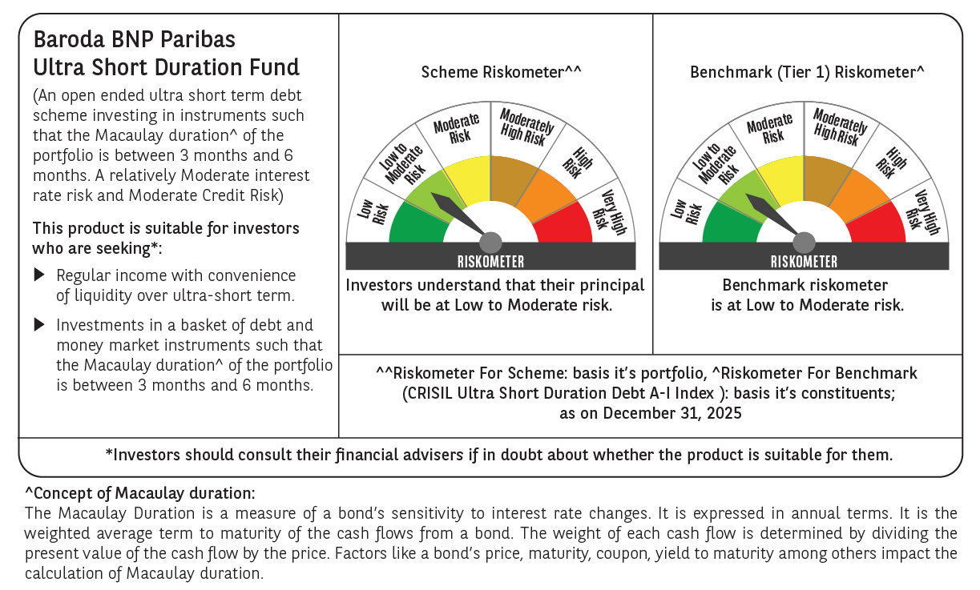

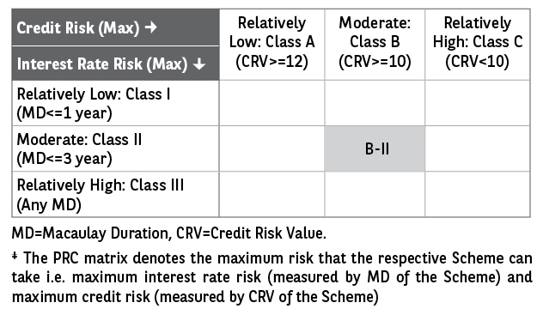

 | Monthly Performance Link: https://www.barodabnpparibasmf.in/assets/download_documents/Performance-of-Schemes-Dec-2025_16084.pdf

