YR29
 | Baroda BNP Paribas Banking & Financial Services Fund

 | Monthly Portfolio Statement as on December 31, 2025
 | Name of the Instrument | ISIN | Industry | Quantity | Market/Fair Value (Rs. in Lakhs) | % to Net Assets | YTM~ | YTC^ | null
 | Equity & Equity related
 | (a) Listed / awaiting listing on Stock Exchanges
HDFB03 | HDFC Bank Limited | INE040A01034 | Banks | 750,000 | 7,434.00 | 19.92%
IBCL05 | ICICI Bank Limited | INE090A01021 | Banks | 345,000 | 4,633.01 | 12.41%
SBAI02 | State Bank of India | INE062A01020 | Banks | 271,200 | 2,663.73 | 7.14%
KOMA02 | Kotak Mahindra Bank Limited | INE237A01028 | Banks | 100,000 | 2,201.10 | 5.90%
UTIB02 | Axis Bank Limited | INE238A01034 | Banks | 150,000 | 1,904.10 | 5.10%
CANB02 | Canara Bank | INE476A01022 | Banks | 800,000 | 1,239.28 | 3.32%
MCEX01 | Multi Commodity Exchange of India Limited | INE745G01035 | Capital Markets | 11,000 | 1,224.96 | 3.28%
IIBL01 | IndusInd Bank Limited | INE095A01012 | Banks | 125,000 | 1,080.25 | 2.89%
BAFL03 | Bajaj Finance Limited | INE296A01032 | Finance | 104,760 | 1,033.77 | 2.77%
RATN01 | RBL Bank Limited | INE976G01028 | Banks | 300,000 | 947.40 | 2.54%
ABFS01 | Aditya Birla Capital Limited | INE674K01013 | Finance | 260,000 | 930.02 | 2.49%
BFSL02 | Bajaj Finserv Limited | INE918I01026 | Finance | 42,500 | 866.96 | 2.32%
USFB01 | Ujjivan Small Finance Bank Limited | INE551W01018 | Banks | 1,559,595 | 826.43 | 2.21%
SLIF01 | SBI Life Insurance Company Limited | INE123W01016 | Insurance | 35,300 | 718.32 | 1.92%
KAVY06 | Karur Vysya Bank Limited | INE036D01028 | Banks | 270,000 | 712.34 | 1.91%
ONCO02 | One 97 Communications Limited | INE982J01020 | Financial Technology (Fintech) | 54,500 | 707.90 | 1.90%
AFPL02 | AU Small Finance Bank Limited | INE949L01017 | Banks | 70,000 | 696.15 | 1.87%
PUBA02 | Punjab National Bank | INE160A01022 | Banks | 535,000 | 661.15 | 1.77%
SHTR02 | Shriram Finance Limited | INE721A01047 | Finance | 60,000 | 597.72 | 1.60%
AGBL01 | Angel One Limited | INE732I01013 | Capital Markets | 25,000 | 586.00 | 1.57%
CHOL02 | Cholamandalam Investment and Finance Company Ltd | INE121A01024 | Finance | 32,500 | 553.22 | 1.48%
ILOM01 | ICICI Lombard General Insurance Company Limited | INE765G01017 | Insurance | 27,500 | 539.58 | 1.45%
HDLI01 | HDFC Life Insurance Company Limited | INE795G01014 | Insurance | 70,000 | 524.90 | 1.41%
IDBK01 | IDFC First Bank Limited | INE092T01019 | Banks | 600,000 | 513.66 | 1.38%
PRUD01 | Prudent Corporate Advisory Services Limited | INE00F201020 | Capital Markets | 20,000 | 509.68 | 1.37%
MALE02 | Poonawalla Fincorp Limited | INE511C01022 | Finance | 100,000 | 482.95 | 1.29%
IIFM02 | 360 One WAM Limited | INE466L01038 | Capital Markets | 35,000 | 416.50 | 1.12%
FEBA02 | The Federal Bank Limited | INE171A01029 | Banks | 150,000 | 400.65 | 1.07%
IINF02 | IIFL Finance Limited | INE530B01024 | Finance | 40,000 | 244.20 | 0.65%
IPAM01 | ICICI Prudential Asset Management Company Limited | INE346A01027 | Capital Markets | 774 | 20.60 | 0.06%
 | Sub Total |  |  |  | 35,870.53 | 96.11%
 | (b) Unlisted |  |  |  | NIL | NIL
 | Sub Total |  |  |  | NIL | NIL
 | Total |  |  |  | 35,870.53 | 96.11%
 | Reverse Repo / TREPS
TRP_010126 | Clearing Corporation of India Ltd |  |  |  | 1,946.26 | 5.21% | 5.36%
 | Sub Total |  |  |  | 1,946.26 | 5.21%
 | Total |  |  |  | 1,946.26 | 5.21%
 | Net Receivables / (Payables) |  |  |  | (492.48) | (1.32)%
 | GRAND TOTAL |  |  |  | 37,324.31 | 100.00%

 | ~ YTM as on December 31, 2025
 | ^ YTC represents Yield to Call provided by valuation agencies as on December 31, 2025. It is disclosed for Perpetual Bond issued by Banks (i.e. AT-1 Bond / Tier 1 Bond / Tier 2 Bond), as per AMFI Best Practices Guidelines Circular no. 135/BP/91/2020-21 read with SEBI circular No. SEBI/HO/IMD/DF4/CIR/P/2021/034 on Valuation of AT-1 Bonds and Tier 2 Bonds.

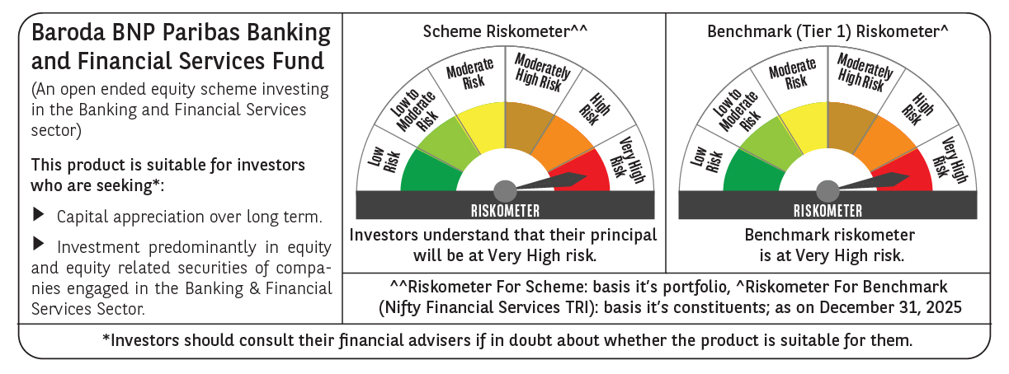

 | Monthly Performance Link: https://www.barodabnpparibasmf.in/assets/download_documents/Performance-of-Schemes-Dec-2025_16084.pdf

