YR11
 | Baroda BNP Paribas Liquid Fund

 | Monthly Portfolio Statement as on December 31, 2025
 | Name of the Instrument | ISIN | Rating | Quantity | Market/Fair Value (Rs. in Lakhs) | % to Net Assets | YTM~ | YTC^ | null
 | Debt Instruments
 | (a) Listed / awaiting listing on Stock Exchange
HDBF304 | 8.04% HDB Financial Services Limited (25/02/2026) | INE756I07EL8 | CRISIL AAA | 250 | 2,504.22 | 0.27% | 6.47%
BAFL842 | 8% Bajaj Finance Limited (27/02/2026) ** | INE296A07SJ6 | CRISIL AAA | 50 | 500.86 | 0.05% | 6.45%
 | Sub Total |  |  |  | 3,005.08 | 0.32%
 | (b) Privately placed / Unlisted |  |  |  | NIL | NIL
 | Sub Total |  |  |  | NIL | NIL
 | Total |  |  |  | 3,005.08 | 0.32%
 | Money Market Instruments
 | Certificate of Deposit
KMBK881 | Kotak Mahindra Bank Limited (27/02/2026) ** # | INE237A166Z3 | CRISIL A1+ | 6,500 | 32,202.56 | 3.45% | 5.91%
PUBA1125 | Punjab National Bank (03/02/2026) ** # | INE160A16TC8 | CRISIL A1+ | 6,000 | 29,840.46 | 3.20% | 5.91%
INBK509 | Indian Bank (17/02/2026) ** # | INE562A16PW1 | CRISIL A1+ | 6,000 | 29,773.62 | 3.19% | 5.91%
EXIM799 | Export Import Bank of India (04/03/2026) # | INE514E16CJ9 | CRISIL A1+ | 5,600 | 27,721.93 | 2.97% | 5.91%
UNBI430 | Union Bank of India (06/03/2026) ** # | INE692A16JB3 | FITCH A1+ | 4,500 | 22,268.66 | 2.39% | 5.92%
INBK503 | Indian Bank (02/02/2026) ** # | INE562A16PS9 | CRISIL A1+ | 4,000 | 19,897.00 | 2.13% | 5.91%
PUBA1130 | Punjab National Bank (26/02/2026) ** # | INE160A16TO3 | CRISIL A1+ | 4,000 | 19,820.18 | 2.12% | 5.91%
UTIB1350 | Axis Bank Limited (05/03/2026) ** # | INE238AD6AO8 | CRISIL A1+ | 4,000 | 19,798.04 | 2.12% | 5.91%
UNBI427 | Union Bank of India (05/03/2026) ** # | INE692A16IY7 | ICRA A1+ | 4,000 | 19,797.54 | 2.12% | 5.93%
UTIB1384 | Axis Bank Limited (25/03/2026) ** # | INE238AD6BT5 | CRISIL A1+ | 4,000 | 19,734.78 | 2.11% | 5.91%
SIDB589 | Small Industries Dev Bank of India (04/02/2026) ** # | INE556F16AZ7 | CRISIL A1+ | 3,500 | 17,403.14 | 1.86% | 5.98%
NBAR823 | National Bank For Agriculture and Rural Development (17/02/2026) ** # | INE261F16959 | ICRA A1+ | 3,000 | 14,885.87 | 1.59% | 5.95%
CANB1062 | Canara Bank (27/02/2026) ** # | INE476A16D96 | CRISIL A1+ | 3,000 | 14,862.48 | 1.59% | 5.93%
CANB1063 | Canara Bank (27/01/2026) ** # | INE476A16E12 | CRISIL A1+ | 2,500 | 12,446.54 | 1.33% | 6.03%
KMBK876 | Kotak Mahindra Bank Limited (28/01/2026) # | INE237A163Z0 | CRISIL A1+ | 2,500 | 12,444.09 | 1.33% | 6.07%
HDFB992 | HDFC Bank Limited (12/03/2026) # | INE040A16GN6 | CRISIL A1+ | 2,500 | 12,359.45 | 1.32% | 5.93%
UNBI416 | Union Bank of India (27/01/2026) ** # | INE692A16IM2 | FITCH A1+ | 2,000 | 9,957.20 | 1.07% | 6.04%
HDFB985 | HDFC Bank Limited (04/02/2026) ** # | INE040A16GE5 | CARE A1+ | 2,000 | 9,945.34 | 1.07% | 5.90%
HDFB990 | HDFC Bank Limited (25/02/2026) ** # | INE040A16GJ4 | CRISIL A1+ | 2,000 | 9,911.14 | 1.06% | 5.95%
CANB1036 | Canara Bank (06/03/2026) ** # | INE476A16A99 | CRISIL A1+ | 2,000 | 9,897.18 | 1.06% | 5.92%
SIDB596 | Small Industries Dev Bank of India (11/03/2026) ** # | INE556F16BD2 | CRISIL A1+ | 2,000 | 9,887.94 | 1.06% | 6.00%
INBK514 | Indian Bank (13/03/2026) ** # | INE562A16QB3 | CRISIL A1+ | 2,000 | 9,886.44 | 1.06% | 5.91%
IIBL991 | IndusInd Bank Limited (11/03/2026) ** # | INE095A16Z42 | CRISIL A1+ | 2,000 | 9,884.99 | 1.06% | 6.15%
HDFB1028 | HDFC Bank Limited (18/03/2026) # | INE040A16IC5 | CARE A1+ | 2,000 | 9,879.15 | 1.06% | 5.88%
UTIB1349 | Axis Bank Limited (04/03/2026) ** # | INE238AD6AN0 | CRISIL A1+ | 1,500 | 7,425.46 | 0.80% | 5.91%
HDFB1014 | HDFC Bank Limited (09/03/2026) ** # | INE040A16HM6 | CARE A1+ | 1,500 | 7,419.65 | 0.79% | 5.90%
HDFB986 | HDFC Bank Limited (06/02/2026) # | INE040A16GF2 | CRISIL A1+ | 1,000 | 4,971.08 | 0.53% | 5.90%
CANB1037 | Canara Bank (04/03/2026) # | INE476A16A73 | CRISIL A1+ | 1,000 | 4,949.98 | 0.53% | 5.95%
CANB1034 | Canara Bank (24/02/2026) ** # | INE476A16A65 | CRISIL A1+ | 500 | 2,478.28 | 0.27% | 5.92%
PUBA1132 | Punjab National Bank (05/03/2026) ** # | INE160A16TS4 | CARE A1+ | 500 | 2,474.74 | 0.27% | 5.91%
KMBK882 | Kotak Mahindra Bank Limited (13/03/2026) ** # | INE237A167Z1 | CRISIL A1+ | 500 | 2,471.68 | 0.26% | 5.89%
 | Sub Total |  |  |  | 436,696.59 | 46.77%
 | Commercial Paper
NBAR868 | National Bank For Agriculture and Rural Development (06/02/2026) ** | INE261F14ON6 | ICRA A1+ | 6,000 | 29,824.11 | 3.20% | 5.98%
HINI122 | Hindalco Industries Limited (15/01/2026) ** | INE038A14395 | CRISIL A1+ | 5,000 | 24,940.03 | 2.67% | 6.27%
TCHF417 | Tata Capital Housing Finance Limited (16/01/2026) ** | INE033L14NP4 | CRISIL A1+ | 4,000 | 19,950.04 | 2.14% | 6.09%
EXIM795 | Export Import Bank of India (27/01/2026) ** | INE514E14SO0 | CRISIL A1+ | 4,000 | 19,914.90 | 2.13% | 6.00%
MOFS244 | Motilal Oswal Financial Services Limited (02/02/2026) ** | INE338I14LF8 | ICRA A1+ | 4,000 | 19,880.70 | 2.13% | 6.85%
HDFS322 | HDFC Securities Limited (12/02/2026) ** | INE700G14QU1 | CARE A1+ | 4,000 | 19,851.98 | 2.13% | 6.48%
SIDB633 | Small Industries Dev Bank of India (24/02/2026) ** | INE556F14LS4 | CRISIL A1+ | 4,000 | 19,823.60 | 2.12% | 6.02%
ABHF163 | Aditya Birla Housing Finance Limited (10/02/2026) ** | INE831R14FK5 | CRISIL A1+ | 3,500 | 17,385.88 | 1.86% | 5.99%
BHAT80 | Bharti Telecom Limited (13/02/2026) ** | INE403D14551 | CRISIL A1+ | 3,500 | 17,365.09 | 1.86% | 6.60%
NTPC255 | NTPC Limited (10/03/2026) ** | INE733E14BU9 | CRISIL A1+ | 3,500 | 17,313.57 | 1.85% | 5.78%
MNGF337 | Manappuram Finance Limited (02/03/2026) ** | INE522D14PB8 | CRISIL A1+ | 3,000 | 14,832.38 | 1.59% | 6.88%
IIFW346 | 360 One Prime Limited (09/03/2026) ** | INE248U14RC8 | CRISIL A1+ | 3,000 | 14,810.91 | 1.59% | 6.96%
SBIC87 | SBICAP Securities Limited (17/03/2026) ** | INE212K14DA9 | CRISIL A1+ | 3,000 | 14,801.40 | 1.59% | 6.53%
KOSE363 | Kotak Securities Limited (12/02/2026) ** | INE028E14TN1 | ICRA A1+ | 2,900 | 14,392.69 | 1.54% | 6.48%
GHFL52 | Godrej Housing Finance Limited (22/01/2026) ** | INE02JD14641 | CRISIL A1+ | 2,000 | 9,964.04 | 1.07% | 6.27%
ASEE39 | Aseem Infrastructure Finance Limited (10/02/2026) ** | INE0AD514297 | CARE A1+ | 2,000 | 9,927.38 | 1.06% | 6.68%
KSFI38 | Kisetsu Saison Fin Ind Pvt Ltd (13/02/2026) ** | INE0DZE14263 | CRISIL A1+ | 2,000 | 9,922.62 | 1.06% | 6.62%
MNGF332 | Manappuram Finance Limited (13/02/2026) ** | INE522D14OW7 | CRISIL A1+ | 2,000 | 9,920.01 | 1.06% | 6.84%
KOSE359 | Kotak Securities Limited (20/02/2026) ** | INE028E14TH3 | CRISIL A1+ | 2,000 | 9,912.01 | 1.06% | 6.48%
BAFL1009 | Bajaj Finance Limited (05/03/2026) ** | INE296A14D88 | CRISIL A1+ | 2,000 | 9,891.34 | 1.06% | 6.36%
MIAC26 | Mirae Asset Capital Markets Private Limited (10/03/2026) ** | INE0T2V14087 | CRISIL A1+ | 2,000 | 9,875.63 | 1.06% | 6.76%
NEFL338 | Network18 Media & Investments Limited (03/02/2026) ** | INE870H14WD4 | CARE A1+ | 1,500 | 7,459.40 | 0.80% | 6.02%
IIFM95 | 360 One WAM Limited (25/02/2026) ** | INE466L14FJ5 | CARE A1+ | 1,500 | 7,422.22 | 0.80% | 6.96%
LICH694 | LIC Housing Finance Limited (11/03/2026) ** | INE115A14FK9 | CRISIL A1+ | 1,500 | 7,415.89 | 0.79% | 6.00%
SKFS88 | Mirae Asset Sharekhan Financial Services Limited (23/01/2026) ** | INE550X14AK0 | CRISIL A1+ | 1,000 | 4,979.26 | 0.53% | 6.91%
BAFL1008 | Bajaj Finance Limited (24/02/2026) ** | INE296A14D70 | CRISIL A1+ | 1,000 | 4,953.36 | 0.53% | 6.37%
DIIP233 | Deutsche Investments India Pvt Limited (06/03/2026) ** | INE144H14IB7 | CRISIL A1+ | 1,000 | 4,942.37 | 0.53% | 6.65%
 | Sub Total |  |  |  | 371,672.81 | 39.81%
 | Treasury Bill
TBIL2580 | 91 Days Tbill (MD 29/01/2026) | IN002025X315 | Sovereign | 50,000,000 | 49,799.60 | 5.34% | 5.25%
TBIL2596 | 91 Days Tbill (MD 05/03/2026) | IN002025X364 | Sovereign | 50,000,000 | 49,556.00 | 5.31% | 5.19%
TBIL2545 | 182 Days Tbill (MD 05/02/2026) | IN002025Y198 | Sovereign | 30,000,000 | 29,851.14 | 3.20% | 5.20%
TBIL2586 | 91 Days Tbill (MD 12/02/2026) | IN002025X331 | Sovereign | 30,000,000 | 29,818.17 | 3.19% | 5.30%
TBIL2603 | 91 Days Tbill (MD 19/03/2026) | IN002025X380 | Sovereign | 10,000,000 | 9,891.29 | 1.06% | 5.21%
TBIL2552 | 182 Days Tbill (MD 19/02/2026) | IN002025Y214 | Sovereign | 5,000,000 | 4,965.40 | 0.53% | 5.19%
TBIL2594 | 91 Days Tbill (MD 26/02/2026) | IN002025X356 | Sovereign | 5,000,000 | 4,960.50 | 0.53% | 5.19%
 | Sub Total |  |  |  | 178,842.10 | 19.16%
 | Total |  |  |  | 987,211.50 | 105.74%
 | Others
 | Corporate Debt Market Development Fund
CDMD50ME | Corporate Debt Market Development Fund # | INF0RQ622028 |  | 22,524 | 2,602.43 | 0.28% | 5.49%
 | Sub Total |  |  |  | 2,602.43 | 0.28%
 | Total |  |  |  | 2,602.43 | 0.28%
 | Reverse Repo / TREPS
TRP_010126 | Clearing Corporation of India Ltd |  |  |  | 9,812.78 | 1.05% | 5.36%
 | Sub Total |  |  |  | 9,812.78 | 1.05%
 | (b) Privately placed / Unlisted |  |  |  | NIL | NIL
 | Sub Total |  |  |  | NIL | NIL
 | Total |  |  |  | 9,812.78 | 1.05%
 | Net Receivables / (Payables) |  |  |  | (69,212.23) | (7.39)%
 | GRAND TOTAL |  |  |  | 933,419.56 | 100.00%

 | ** Thinly Traded / Non Traded Security
 | # Unlisted Security
 | ~ YTM as on December 31, 2025
 | ^ YTC represents Yield to Call provided by valuation agencies as on December 31, 2025. It is disclosed for Perpetual Bond issued by Banks (i.e. AT-1 Bond / Tier 1 Bond / Tier 2 Bond), as per AMFI Best Practices Guidelines Circular no. 135/BP/91/2020-21 read with SEBI circular No. SEBI/HO/IMD/DF4/CIR/P/2021/034 on Valuation of AT-1 Bonds and Tier 2 Bonds.

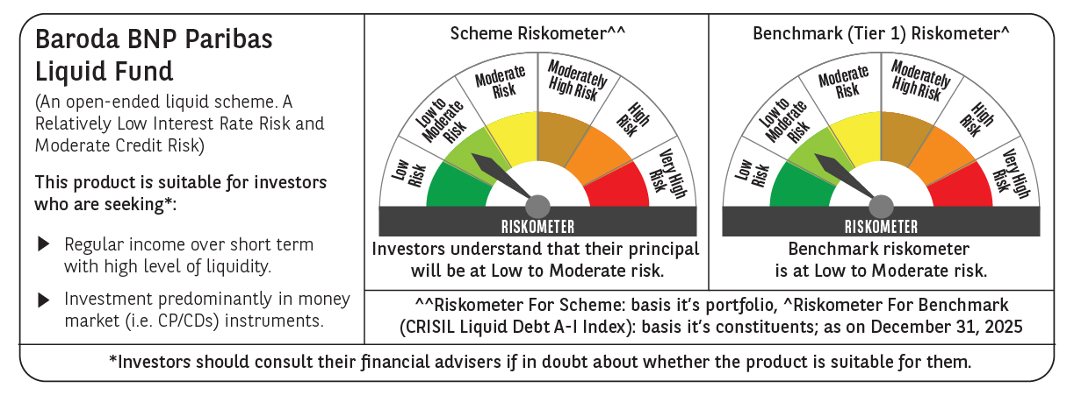

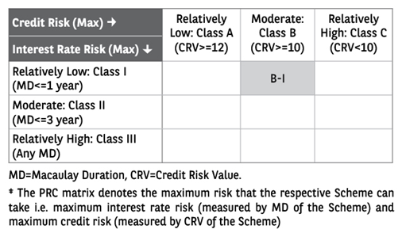

 | Monthly Performance Link: https://www.barodabnpparibasmf.in/assets/download_documents/Performance-of-Schemes-Dec-2025_16084.pdf

