YR07
 | Baroda BNP Paribas Gilt Fund

 | Monthly Portfolio Statement as on December 31, 2025
 | Name of the Instrument | ISIN | Rating | Quantity | Market/Fair Value (Rs. in Lakhs) | % to Net Assets | YTM~ | YTC^ | null
 | Debt Instruments
 | (a) Listed / awaiting listing on Stock Exchange
GOI6638 | 6.9% Government of India (15/04/2065) | IN0020250018 | Sovereign | 32,100,000 | 30,289.69 | 25.59% | 7.47%
GOI7094 | 6.48% Government of India (06/10/2035) | IN0020250091 | Sovereign | 21,800,000 | 21,611.63 | 18.26% | 6.71%
GOI6703 | 6.33% Government of India (05/05/2035) | IN0020250026 | Sovereign | 14,916,600 | 14,635.36 | 12.36% | 6.71%
GOI6019 | 7.09% Government of India (05/08/2054) | IN0020240118 | Sovereign | 10,300,000 | 10,070.29 | 8.51% | 7.41%
GOI3591 | 6.91% State Government Securities (15/09/2033) | IN2220210248 | Sovereign | 5,700,000 | 5,576.08 | 4.71% | 7.41%
GOI4967 | 7.65% State Government Securities (01/02/2033) | IN1520220212 | Sovereign | 5,000,000 | 5,097.86 | 4.31% | 7.42%
GOI4333 | 7.29% State Government Securities (30/03/2032) | IN1520210239 | Sovereign | 5,000,000 | 5,031.63 | 4.25% | 7.29%
GOI5590 | 7.43% State Government Securities (28/02/2035) | IN2220230253 | Sovereign | 5,000,000 | 5,008.32 | 4.23% | 7.54%
GOI6889 | 6.68% Government of India (07/07/2040) | IN0020250042 | Sovereign | 4,500,000 | 4,369.70 | 3.69% | 7.12%
GOI6482 | 7.21% State Government Securities (05/03/2035) | IN1520240277 | Sovereign | 2,500,000 | 2,467.99 | 2.09% | 7.54%
GOI5228 | 7.18% Government of India (14/08/2033) | IN0020230085 | Sovereign | 2,327,500 | 2,401.41 | 2.03% | 6.75%
GOI6794 | 6.64% State Government Securities (21/05/2036) | IN1520250052 | Sovereign | 2,500,000 | 2,368.01 | 2.00% | 7.51%
GOI2950 | 6.61% State Government Securities (02/09/2035) | IN1920200202 | Sovereign | 2,500,000 | 2,366.21 | 2.00% | 7.53%
GOI6919 | 6.01% Government of India (21/07/2030) | IN0020250067 | Sovereign | 2,100,000 | 2,074.52 | 1.75% | 6.42%
GOI6156 | 6.79% Government of India (07/10/2034) | IN0020240126 | Sovereign | 1,150,000 | 1,160.31 | 0.98% | 6.76%
GOI5379 | 7.32% Government of India (13/11/2030) | IN0020230135 | Sovereign | 920,000 | 955.40 | 0.81% | 6.49%
 | Sub Total |  |  |  | 115,484.41 | 97.57%
 | (b) Privately placed / Unlisted |  |  |  | NIL | NIL
 | Sub Total |  |  |  | NIL | NIL
 | Total |  |  |  | 115,484.41 | 97.57%
 | Reverse Repo / TREPS
TRP_010126 | Clearing Corporation of India Ltd |  |  |  | 788.39 | 0.67% | 5.36%
 | Sub Total |  |  |  | 788.39 | 0.67%
 | (b) Privately placed / Unlisted |  |  |  | NIL | NIL
 | Sub Total |  |  |  | NIL | NIL
 | Total |  |  |  | 788.39 | 0.67%
 | Net Receivables / (Payables) |  |  |  | 2,095.24 | 1.76%
 | GRAND TOTAL |  |  |  | 118,368.04 | 100.00%

 | ~ YTM as on December 31, 2025
 | ^ YTC represents Yield to Call provided by valuation agencies as on December 31, 2025. It is disclosed for Perpetual Bond issued by Banks (i.e. AT-1 Bond / Tier 1 Bond / Tier 2 Bond), as per AMFI Best Practices Guidelines Circular no. 135/BP/91/2020-21 read with SEBI circular No. SEBI/HO/IMD/DF4/CIR/P/2021/034 on Valuation of AT-1 Bonds and Tier 2 Bonds.

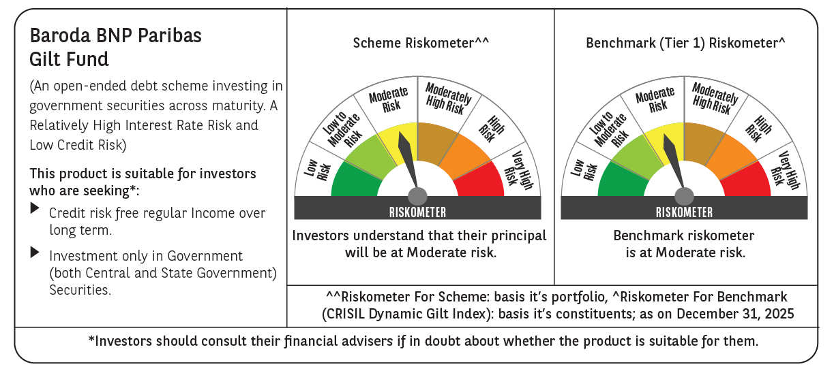



 | Monthly Performance Link: https://www.barodabnpparibasmf.in/assets/download_documents/Performance-of-Schemes-Dec-2025_16084.pdf

