YR04
 | Baroda BNP Paribas Multi Cap Fund

 | Monthly Portfolio Statement as on December 31, 2025
 | Name of the Instrument | ISIN | Industry / Rating | Quantity | Market/Fair Value (Rs. in Lakhs) | % to Net Assets | YTM~ | YTC^ | null
 | Equity & Equity related
 | (a) Listed / awaiting listing on Stock Exchanges
HDFB03 | HDFC Bank Limited | INE040A01034 | Banks | 1,269,472 | 12,583.01 | 4.00%
RIND01 | Reliance Industries Limited | INE002A01018 | Petroleum Products | 670,000 | 10,521.68 | 3.35%
SAGI01 | Sagility Limited | INE0W2G01015 | IT - Services | 15,751,261 | 8,193.81 | 2.61%
RAKH02 | Radico Khaitan Limited | INE944F01028 | Beverages | 240,000 | 7,916.16 | 2.52%
ONCO02 | One 97 Communications Limited | INE982J01020 | Financial Technology (Fintech) | 600,000 | 7,793.40 | 2.48%
PRRC03 | Navin Fluorine International Limited | INE048G01026 | Chemicals & Petrochemicals | 130,000 | 7,696.00 | 2.45%
SAEL02 | TVS Motor Company Limited | INE494B01023 | Automobiles | 200,000 | 7,439.60 | 2.37%
IBCL05 | ICICI Bank Limited | INE090A01021 | Banks | 550,000 | 7,385.95 | 2.35%
KAVY06 | Karur Vysya Bank Limited | INE036D01028 | Banks | 2,600,000 | 6,859.58 | 2.18%
BRIT03 | Britannia Industries Limited | INE216A01030 | Food Products | 111,000 | 6,694.41 | 2.13%
AMBE01 | Amber Enterprises India Limited | INE371P01015 | Consumer Durables | 102,500 | 6,546.68 | 2.08%
INFS02 | Infosys Limited | INE009A01021 | IT - Software | 402,614 | 6,503.83 | 2.07%
TWAT02 | Titan Company Limited | INE280A01028 | Consumer Durables | 160,000 | 6,482.40 | 2.06%
IIBL01 | IndusInd Bank Limited | INE095A01012 | Banks | 750,000 | 6,481.50 | 2.06%
BAFL03 | Bajaj Finance Limited | INE296A01032 | Finance | 650,000 | 6,414.20 | 2.04%
TEMA02 | Tech Mahindra Limited | INE669C01036 | IT - Software | 400,000 | 6,363.60 | 2.03%
MAHI02 | Mahindra & Mahindra Limited | INE101A01026 | Automobiles | 170,000 | 6,305.64 | 2.01%
ABFS01 | Aditya Birla Capital Limited | INE674K01013 | Finance | 1,650,000 | 5,902.05 | 1.88%
MAUD01 | Maruti Suzuki India Limited | INE585B01010 | Automobiles | 35,000 | 5,843.95 | 1.86%
ZMPL01 | Eternal Limited | INE758T01015 | Retailing | 2,100,000 | 5,839.05 | 1.86%
BHAH02 | Bharat Heavy Electricals Limited | INE257A01026 | Electrical Equipment | 2,000,000 | 5,749.00 | 1.83%
VMML01 | Vishal Mega Mart Limited | INE01EA01019 | Retailing | 4,200,000 | 5,727.54 | 1.82%
LARS02 | Larsen & Toubro Limited | INE018A01030 | Construction | 138,897 | 5,671.86 | 1.81%
SSNL02 | Delhivery Limited | INE148O01028 | Transport Services | 1,400,000 | 5,653.90 | 1.80%
PSYL02 | Persistent Systems Limited | INE262H01021 | IT - Software | 90,000 | 5,644.80 | 1.80%
SLIF01 | SBI Life Insurance Company Limited | INE123W01016 | Insurance | 275,000 | 5,595.98 | 1.78%
BHAE02 | BEML Limited | INE258A01024 | Agricultural, Commercial & Construction Vehicles | 300,000 | 5,579.70 | 1.78%
ICEM01 | The India Cements Limited | INE383A01012 | Cement & Cement Products | 1,250,000 | 5,440.63 | 1.73%
TRFO01 | Travel Food Services Limited | INE103V01028 | Leisure Services | 454,564 | 5,329.76 | 1.70%
RCAM01 | Nippon Life India Asset Management Limited | INE298J01013 | Capital Markets | 600,000 | 5,277.90 | 1.68%
BTVL02 | Bharti Airtel Limited | INE397D01024 | Telecom - Services | 250,000 | 5,264.00 | 1.68%
PUBA02 | Punjab National Bank | INE160A01022 | Banks | 4,234,938 | 5,233.54 | 1.67%
MAHE01 | Max Healthcare Institute Limited | INE027H01010 | Healthcare Services | 500,000 | 5,225.50 | 1.66%
DLPL01 | Dr. Lal Path Labs Limited | INE600L01024 | Healthcare Services | 350,000 | 5,189.10 | 1.65%
RACM01 | Rainbow Childrens Medicare Limited | INE961O01016 | Healthcare Services | 374,094 | 4,938.04 | 1.57%
NMDC01 | NMDC Limited | INE584A01023 | Minerals & Mining | 5,750,000 | 4,782.28 | 1.52%
INSP01 | Indiqube Spaces Limited | INE06ST01018 | Commercial Services & Supplies | 2,166,106 | 4,545.14 | 1.45%
BLUS03 | Blue Star Limited | INE472A01039 | Consumer Durables | 260,000 | 4,499.82 | 1.43%
LTHL01 | Lemon Tree Hotels Limited | INE970X01018 | Leisure Services | 2,800,000 | 4,459.28 | 1.42%
ABBP01 | Hitachi Energy India Limited | INE07Y701011 | Electrical Equipment | 22,500 | 4,119.75 | 1.31%
FAGP02 | Schaeffler India Limited | INE513A01022 | Auto Components | 104,607 | 4,057.71 | 1.29%
BLTE01 | Swiggy Limited | INE00H001014 | Retailing | 1,045,000 | 4,036.31 | 1.28%
CDSL01 | Central Depository Services (India) Limited | INE736A01011 | Capital Markets | 275,000 | 3,969.90 | 1.26%
BOCL01 | Linde India Limited | INE473A01011 | Chemicals & Petrochemicals | 66,611 | 3,967.02 | 1.26%
BSEL02 | BSE Limited | INE118H01025 | Capital Markets | 150,000 | 3,948.30 | 1.26%
TEGA01 | Tega Industries Limited | INE011K01018 | Industrial Manufacturing | 200,000 | 3,901.40 | 1.24%
MALE02 | Poonawalla Fincorp Limited | INE511C01022 | Finance | 800,000 | 3,863.60 | 1.23%
PRUD01 | Prudent Corporate Advisory Services Limited | INE00F201020 | Capital Markets | 150,000 | 3,822.60 | 1.22%
CANB02 | Canara Bank | INE476A01022 | Banks | 2,400,000 | 3,717.84 | 1.18%
DIXO02 | Dixon Technologies (India) Limited | INE935N01020 | Consumer Durables | 30,000 | 3,630.60 | 1.16%
DIVI02 | Divi's Laboratories Limited | INE361B01024 | Pharmaceuticals & Biotechnology | 55,000 | 3,515.88 | 1.12%
RATN01 | RBL Bank Limited | INE976G01028 | Banks | 1,000,000 | 3,158.00 | 1.01%
HPEC01 | Hindustan Petroleum Corporation Limited | INE094A01015 | Petroleum Products | 600,000 | 2,994.30 | 0.95%
LGEL01 | LG Electronics India Ltd | INE324D01010 | Consumer Durables | 190,132 | 2,892.67 | 0.92%
KCUL02 | Cummins India Limited | INE298A01020 | Industrial Products | 50,000 | 2,217.20 | 0.71%
 | Sub Total |  |  |  | 303,387.35 | 96.57%
 | (b) Unlisted
AMCL01 | Amex Carb & Chem Limited # | EQ528501XXXX | Miscellaneous | 149,000 | 0.01 | 0.00%
ACOT01 | Accord Cotsyn Limited # | EQ528401XXXX | Retailing | 25,000 | $0.00 | 0.00%
SINV02 | SIV Industries Limited # | INE639A01017 | Textiles - Synthetic | 14,750 | $0.00 | 0.00%
ROYL01 | Royal Indutries Limited # | EQ528201XXXX | Retailing | 10,000 | $0.00 | 0.00%
SDSL01 | DSQ SOFTWARE # | INE286A01017 | Software | 8,000 | $0.00 | 0.00%
WPIL01 | Western Paques (India) Limited # | EQ816301XXXX | Miscellaneous | 6,650 | $0.00 | 0.00%
 | Sub Total |  |  |  | 0.01 | 0.00%
 | Total |  |  |  | 303,387.36 | 96.57%
 | Debt Instruments
 | (a) Preference Shares
SAEL21PS | 6% TVS Motor Company Limited ** | INE494B04019 | CARE A1+ | 800,000 | 81.49 | 0.03%
 | Sub Total |  |  |  | 81.49 | 0.03%
 | Total |  |  |  | 81.49 | 0.03%
 | Reverse Repo / TREPS
TRP_010126 | Clearing Corporation of India Ltd |  |  |  | 14,255.41 | 4.54% | 5.36%
 | Sub Total |  |  |  | 14,255.41 | 4.54%
 | Total |  |  |  | 14,255.41 | 4.54%
 | Net Receivables / (Payables) |  |  |  | (3,502.84) | (1.14)%
 | GRAND TOTAL |  |  |  | 314,221.42 | 100.00%

 | ** Thinly Traded / Non Traded Security
 | # Unlisted Security
 | $ Less Than 0.01% of Net Asset Value
 | ~ YTM as on December 31, 2025
 | ^ YTC represents Yield to Call provided by valuation agencies as on December 31, 2025. It is disclosed for Perpetual Bond issued by Banks (i.e. AT-1 Bond / Tier 1 Bond / Tier 2 Bond), as per AMFI Best Practices Guidelines Circular no. 135/BP/91/2020-21 read with SEBI circular No. SEBI/HO/IMD/DF4/CIR/P/2021/034 on Valuation of AT-1 Bonds and Tier 2 Bonds.

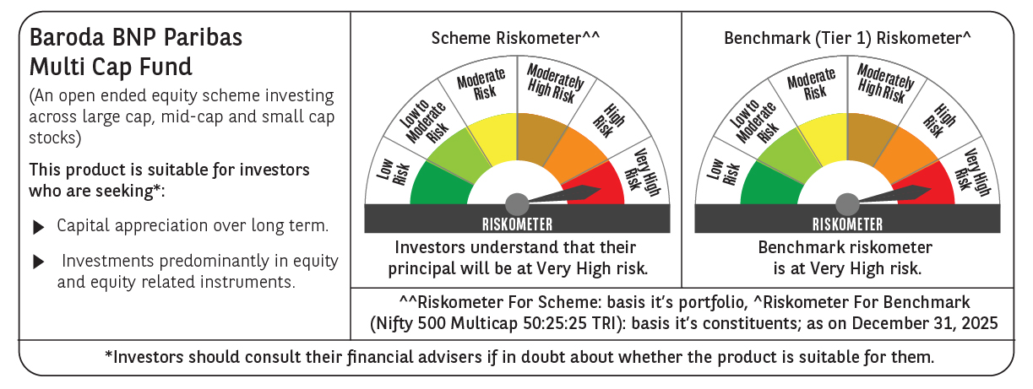

 | Monthly Performance Link: https://www.barodabnpparibasmf.in/assets/download_documents/Performance-of-Schemes-Dec-2025_16084.pdf

