T0ME47
 | Baroda BNP Paribas Business Conglomerates Fund

 | Monthly Portfolio Statement as on December 31, 2025
 | Name of the Instrument | ISIN | Industry / Rating | Quantity | Market/Fair Value (Rs. in Lakhs) | % to Net Assets | YTM~ | YTC^ | null
 | Equity & Equity related
 | (a) Listed / awaiting listing on Stock Exchanges
LARS02 | Larsen & Toubro Limited | INE018A01030 | Construction | 180,000 | 7,350.30 | 9.55%
RIND01 | Reliance Industries Limited | INE002A01018 | Petroleum Products | 423,000 | 6,642.79 | 8.63%
MAHI02 | Mahindra & Mahindra Limited | INE101A01026 | Automobiles | 162,000 | 6,008.90 | 7.81%
TCSL01 | Tata Consultancy Services Limited | INE467B01029 | IT - Software | 108,000 | 3,462.70 | 4.50%
BAFL03 | Bajaj Finance Limited | INE296A01032 | Finance | 324,000 | 3,197.23 | 4.15%
TWAT02 | Titan Company Limited | INE280A01028 | Consumer Durables | 56,700 | 2,297.20 | 2.98%
HZIN02 | Hindustan Zinc Limited | INE267A01025 | Non - Ferrous Metals | 333,000 | 2,039.46 | 2.65%
BALN01 | Bajaj Auto Limited | INE917I01010 | Automobiles | 19,800 | 1,849.91 | 2.40%
ITCL02 | ITC Limited | INE154A01025 | Diversified FMCG | 450,000 | 1,813.50 | 2.36%
SBAI02 | State Bank of India | INE062A01020 | Banks | 171,000 | 1,679.56 | 2.18%
JVSL04 | JSW Steel Limited | INE019A01038 | Ferrous Metals | 144,000 | 1,677.31 | 2.18%
TCAL01 | Tata Capital Limited | INE976I01016 | Finance | 468,000 | 1,599.86 | 2.08%
ULCC01 | UltraTech Cement Limited | INE481G01011 | Cement & Cement Products | 13,500 | 1,590.84 | 2.07%
MUND02 | Adani Ports and Special Economic Zone Limited | INE742F01042 | Transport Infrastructure | 108,000 | 1,587.38 | 2.06%
HDFB03 | HDFC Bank Limited | INE040A01034 | Banks | 157,500 | 1,561.14 | 2.03%
ICII01 | Akzo Nobel India Limited | INE133A01011 | Consumer Durables | 44,200 | 1,404.37 | 1.82%
TOPH02 | Torrent Pharmaceuticals Limited | INE685A01028 | Pharmaceuticals & Biotechnology | 36,000 | 1,386.00 | 1.80%
SAEL02 | TVS Motor Company Limited | INE494B01023 | Automobiles | 36,000 | 1,339.13 | 1.74%
LTIL01 | LTIMindtree Limited | INE214T01019 | IT - Software | 21,600 | 1,309.72 | 1.70%
TEMA02 | Tech Mahindra Limited | INE669C01036 | IT - Software | 81,000 | 1,288.63 | 1.67%
IIBL01 | IndusInd Bank Limited | INE095A01012 | Banks | 144,000 | 1,244.45 | 1.62%
TMLC01 | Tata Motors Ltd | INE1TAE01010 | Agricultural, Commercial & Construction Vehicles | 297,000 | 1,234.04 | 1.60%
IHOT02 | The Indian Hotels Company Limited | INE053A01029 | Leisure Services | 153,000 | 1,130.44 | 1.47%
TPOW02 | Tata Power Company Limited | INE245A01021 | Power | 297,000 | 1,127.41 | 1.46%
COFE03 | Coromandel International Limited | INE169A01031 | Fertilizers & Agrochemicals | 49,500 | 1,121.87 | 1.46%
ADAN02 | Adani Enterprises Limited | INE423A01024 | Metals & Minerals Trading | 45,000 | 1,007.87 | 1.31%
LGEL01 | LG Electronics India Ltd | INE324D01010 | Consumer Durables | 63,000 | 958.48 | 1.25%
ICEM01 | The India Cements Limited | INE383A01012 | Cement & Cement Products | 216,000 | 940.14 | 1.22%
LTFL01 | L&T Finance Limited | INE498L01015 | Finance | 297,000 | 938.37 | 1.22%
CHOL02 | Cholamandalam Investment and Finance Company Ltd | INE121A01024 | Finance | 54,000 | 919.19 | 1.19%
BFSL02 | Bajaj Finserv Limited | INE918I01026 | Finance | 45,000 | 917.96 | 1.19%
CHEL02 | Zydus Lifesciences Limited | INE010B01027 | Pharmaceuticals & Biotechnology | 99,000 | 905.21 | 1.18%
JUFL02 | Jubilant Foodworks Limited | INE797F01020 | Leisure Services | 162,000 | 904.93 | 1.18%
CALC03 | CESC Limited | INE486A01021 | Power | 540,000 | 904.82 | 1.18%
ISHA01 | Gillette India Limited | INE322A01010 | Personal Products | 10,800 | 903.15 | 1.17%
CROM02 | CG Power and Industrial Solutions Limited | INE067A01029 | Electrical Equipment | 135,000 | 874.67 | 1.14%
ESMC02 | PB Fintech Limited | INE417T01026 | Financial Technology (Fintech) | 45,000 | 821.52 | 1.07%
TAEL01 | Tata Elxsi Limited | INE670A01012 | IT - Software | 15,300 | 801.80 | 1.04%
RELS01 | Jio Financial Services Limited | INE758E01017 | Finance | 270,000 | 796.37 | 1.03%
ICON01 | Firstsource Solutions Limited | INE684F01012 | Commercial Services & Supplies | 234,000 | 785.77 | 1.02%
ZMPL01 | Eternal Limited | INE758T01015 | Retailing | 270,000 | 750.74 | 0.98%
JSWC01 | JSW Cement Limited | INE718I01012 | Cement & Cement Products | 630,000 | 748.82 | 0.97%
SCHI01 | Sanofi Consumer Healthcare India Limited | INE0UOS01011 | Pharmaceuticals & Biotechnology | 16,200 | 732.22 | 0.95%
ADAN04 | Adani Enterprises Limited Partly paid up ** | IN9423A01030 | Metals & Minerals Trading | 6,500 | 87.08 | 0.11%
 | Sub Total |  |  |  | 72,643.25 | 94.37%
 | (b) Unlisted |  |  |  | NIL | NIL
 | Sub Total |  |  |  | NIL | NIL
 | Total |  |  |  | 72,643.25 | 94.37%
 | Derivatives
 | Index / Stock Futures
MCEXJAN26 | Multi Commodity Exchange of India Limited January 2026 Future |  |  | 6,750 | 755.66 | 0.98%
CROMJAN26 | CG Power and Industrial Solutions Limited January 2026 Future |  |  | -76,500 | (497.48) | (0.65)%
 | Sub Total |  |  |  | 258.18 | 0.33%
 | Total |  |  |  | 258.18 | 0.33%
 | Debt Instruments
 | (a) Listed / awaiting listing on Stock Exchange
GOI6156 | 6.79% Government of India (07/10/2034) | IN0020240126 | Sovereign | 1,500,000 | 1,513.44 | 1.97% | 6.76%
 | Sub Total |  |  |  | 1,513.44 | 1.97%
 | (b) Privately placed / Unlisted |  |  |  | NIL | NIL
 | Sub Total |  |  |  | NIL | NIL
 | Total |  |  |  | 1,513.44 | 1.97%
 | Reverse Repo / TREPS
TRP_010126 | Clearing Corporation of India Ltd |  |  |  | 2,889.73 | 3.75% | 5.36%
 | Sub Total |  |  |  | 2,889.73 | 3.75%
 | (b) Privately placed / Unlisted |  |  |  | NIL | NIL
 | Sub Total |  |  |  | NIL | NIL
 | Total |  |  |  | 2,889.73 | 3.75%
 | Net Receivables / (Payables) |  |  |  | (331.64) | (0.42)%
 | GRAND TOTAL |  |  |  | 76,972.96 | 100.00%

 | ** Thinly Traded / Non Traded Security
 | ~ YTM as on December 31, 2025
 | ^ YTC represents Yield to Call provided by valuation agencies as on December 31, 2025. It is disclosed for Perpetual Bond issued by Banks (i.e. AT-1 Bond / Tier 1 Bond / Tier 2 Bond), as per AMFI Best Practices Guidelines Circular no. 135/BP/91/2020-21 read with SEBI circular No. SEBI/HO/IMD/DF4/CIR/P/2021/034 on Valuation of AT-1 Bonds and Tier 2 Bonds.
 | Details of Stock Future / Index Future
 | Long/Short | Name of the Instrument | Industry | Quantity. | Market/Fair Value (Rs. in Lacs). | % to NAV.
 | Long | Multi Commodity Exchange of India Limited_27/01/2026 | Capital Markets | 6,750 | 755.66 | 0.98%
 | Short | CG Power and Industrial Solutions Limited_27/01/2026 | Electrical Equipment | 76,500 | 497.48 | 0.65%

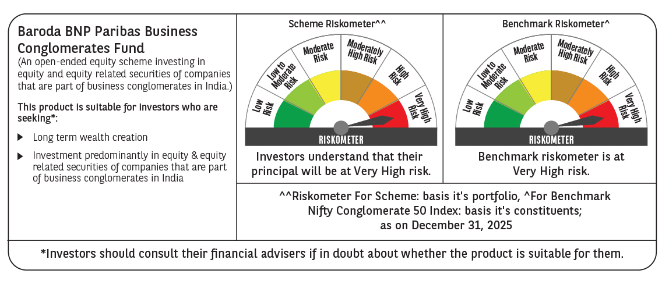

 | Monthly Performance Link: https://www.barodabnpparibasmf.in/assets/download_documents/Performance-of-Schemes-Dec-2025_16084.pdf

