T0ME45
 | Baroda BNP Paribas Health and Wellness Fund

 | Monthly Portfolio Statement as on December 31, 2025
 | Name of the Instrument | ISIN | Industry | Quantity | Market/Fair Value (Rs. in Lakhs) | % to Net Assets | YTM~ | YTC^ | null
 | Equity & Equity related
 | (a) Listed / awaiting listing on Stock Exchanges
SPIL03 | Sun Pharmaceutical Industries Limited | INE044A01036 | Pharmaceuticals & Biotechnology | 245,000 | 4,213.27 | 7.17%
MKIP01 | Mankind Pharma Limited | INE634S01028 | Pharmaceuticals & Biotechnology | 190,000 | 4,173.35 | 7.11%
CIPL03 | Cipla Limited | INE059A01026 | Pharmaceuticals & Biotechnology | 260,000 | 3,929.38 | 6.69%
MAHE01 | Max Healthcare Institute Limited | INE027H01010 | Healthcare Services | 330,000 | 3,448.83 | 5.87%
BOOT01 | Abbott India Limited | INE358A01014 | Pharmaceuticals & Biotechnology | 9,800 | 2,844.45 | 4.84%
APOL02 | Apollo Hospitals Enterprise Limited | INE437A01024 | Healthcare Services | 40,000 | 2,817.00 | 4.80%
ADHL01 | Aster DM Healthcare Limited | INE914M01019 | Healthcare Services | 450,000 | 2,775.83 | 4.73%
LUPL02 | Lupin Limited | INE326A01037 | Pharmaceuticals & Biotechnology | 125,000 | 2,636.88 | 4.49%
DIVI02 | Divi's Laboratories Limited | INE361B01024 | Pharmaceuticals & Biotechnology | 40,000 | 2,557.00 | 4.35%
TOPH02 | Torrent Pharmaceuticals Limited | INE685A01028 | Pharmaceuticals & Biotechnology | 65,000 | 2,502.50 | 4.26%
ASPH02 | AstraZeneca Pharma India Limited | INE203A01020 | Pharmaceuticals & Biotechnology | 26,000 | 2,347.54 | 4.00%
IPCA03 | IPCA Laboratories Limited | INE571A01038 | Pharmaceuticals & Biotechnology | 146,019 | 2,071.86 | 3.53%
GLAN02 | Gland Pharma Limited | INE068V01023 | Pharmaceuticals & Biotechnology | 120,000 | 2,066.40 | 3.52%
AJPH03 | Ajanta Pharma Limited | INE031B01049 | Pharmaceuticals & Biotechnology | 74,350 | 2,058.68 | 3.51%
IPLI01 | ICICI Prudential Life Insurance Company Limited | INE726G01019 | Insurance | 290,000 | 1,937.93 | 3.30%
RACM01 | Rainbow Childrens Medicare Limited | INE961O01016 | Healthcare Services | 140,000 | 1,848.00 | 3.15%
JBCH03 | JB Chemicals & Pharmaceuticals Limited | INE572A01036 | Pharmaceuticals & Biotechnology | 100,000 | 1,819.70 | 3.10%
FRHL01 | Fortis Healthcare Limited | INE061F01013 | Healthcare Services | 200,000 | 1,768.00 | 3.01%
LAUR02 | Laurus Labs Limited | INE947Q01028 | Pharmaceuticals & Biotechnology | 150,000 | 1,662.00 | 2.83%
DLPL01 | Dr. Lal Path Labs Limited | INE600L01024 | Healthcare Services | 100,000 | 1,482.60 | 2.52%
DRRL03 | Dr. Reddy's Laboratories Limited | INE089A01031 | Pharmaceuticals & Biotechnology | 100,000 | 1,271.40 | 2.17%
MEDP01 | MedPlus Health Services Limited | INE804L01022 | Retailing | 130,000 | 1,049.49 | 1.79%
EMPH02 | Emcure Pharmaceuticals Limited | INE168P01015 | Pharmaceuticals & Biotechnology | 75,000 | 1,023.38 | 1.74%
JLLH01 | Jupiter Life Line Hospitals Limited | INE682M01012 | Healthcare Services | 45,000 | 627.03 | 1.07%
POME02 | Poly Medicure Limited | INE205C01021 | Healthcare Equipment & Supplies | 31,156 | 552.61 | 0.94%
METR01 | Metropolis Healthcare Limited | INE112L01020 | Healthcare Services | 18,286 | 352.72 | 0.60%
NHSP02 | Nephrocare Health Services Ltd | INE428V01029 | Healthcare Services | 34,448 | 161.46 | 0.27%
 | Sub Total |  |  |  | 55,999.29 | 95.36%
 | (b) Unlisted |  |  |  | NIL | NIL
 | Sub Total |  |  |  | NIL | NIL
 | Total |  |  |  | 55,999.29 | 95.36%
 | Reverse Repo / TREPS
TRP_010126 | Clearing Corporation of India Ltd |  |  |  | 2,638.64 | 4.49% | 5.36%
 | Sub Total |  |  |  | 2,638.64 | 4.49%
 | Total |  |  |  | 2,638.64 | 4.49%
 | Net Receivables / (Payables) |  |  |  | 86.27 | 0.15%
 | GRAND TOTAL |  |  |  | 58,724.20 | 100.00%

 | ~ YTM as on December 31, 2025
 | ^ YTC represents Yield to Call provided by valuation agencies as on December 31, 2025. It is disclosed for Perpetual Bond issued by Banks (i.e. AT-1 Bond / Tier 1 Bond / Tier 2 Bond), as per AMFI Best Practices Guidelines Circular no. 135/BP/91/2020-21 read with SEBI circular No. SEBI/HO/IMD/DF4/CIR/P/2021/034 on Valuation of AT-1 Bonds and Tier 2 Bonds.

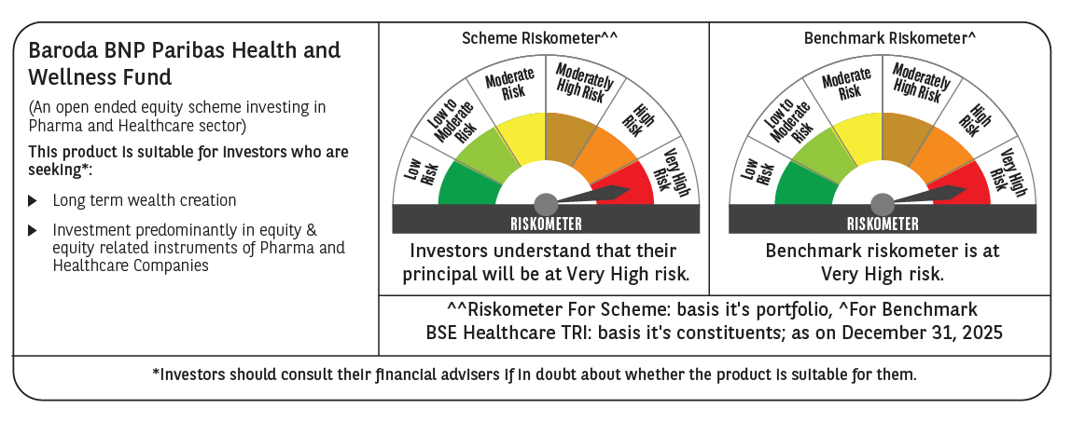

 | Monthly Performance Link: https://www.barodabnpparibasmf.in/assets/download_documents/Performance-of-Schemes-Dec-2025_16084.pdf

