T0ME44
 | Baroda BNP Paribas Multi Asset Active FOF

 | Monthly Portfolio Statement as on December 31, 2025
 | Name of the Instrument | ISIN | Industry / Rating | Quantity | Market/Fair Value (Rs. in Lakhs) | % to Net Assets | YTM~ | YTC^ | null
 | Others
 | Exchange Traded Funds
152231 | Baroda BNP Paribas Gold ETF-RG | INF251K01SU9 |  | 2,010,404 | 2,603.47 | 20.80%
 | Sub Total |  |  |  | 2,603.47 | 20.80%
 | Mutual Fund Units
119400 | Baroda BNP Paribas Short Duration Dr Plan Growth | INF955L01BD5 |  | 19,181,455 | 6,277.59 | 50.15%
150187 | Baroda BNP Paribas Large Cap Direct Plan Growth | INF251K01HN7 |  | 936,897 | 2,459.85 | 19.65%
150180 | Baroda BNP Paribas Dynamic Bond Dr Plan Growth | INF251K01GW0 |  | 1,744,500 | 897.08 | 7.17%
150264 | BARODA BNP PARIBAS Focused Fund Dr Pl - Growth | INF251K01PN0 |  | 391,701 | 100.29 | 0.80%
 | Sub Total |  |  |  | 9,734.81 | 77.77%
 | Total |  |  |  | 12,338.28 | 98.57%
 | Reverse Repo / TREPS
TRP_010126 | Clearing Corporation of India Ltd |  |  |  | 210.22 | 1.68% | 5.36%
 | Sub Total |  |  |  | 210.22 | 1.68%
 | Total |  |  |  | 210.22 | 1.68%
 | Net Receivables / (Payables) |  |  |  | (29.91) | (0.25)%
 | GRAND TOTAL |  |  |  | 12,518.59 | 100.00%

 | ~ YTM as on December 31, 2025
 | ^ YTC represents Yield to Call provided by valuation agencies as on December 31, 2025. It is disclosed for Perpetual Bond issued by Banks (i.e. AT-1 Bond / Tier 1 Bond / Tier 2 Bond), as per AMFI Best Practices Guidelines Circular no. 135/BP/91/2020-21 read with SEBI circular No. SEBI/HO/IMD/DF4/CIR/P/2021/034 on Valuation of AT-1 Bonds and Tier 2 Bonds.

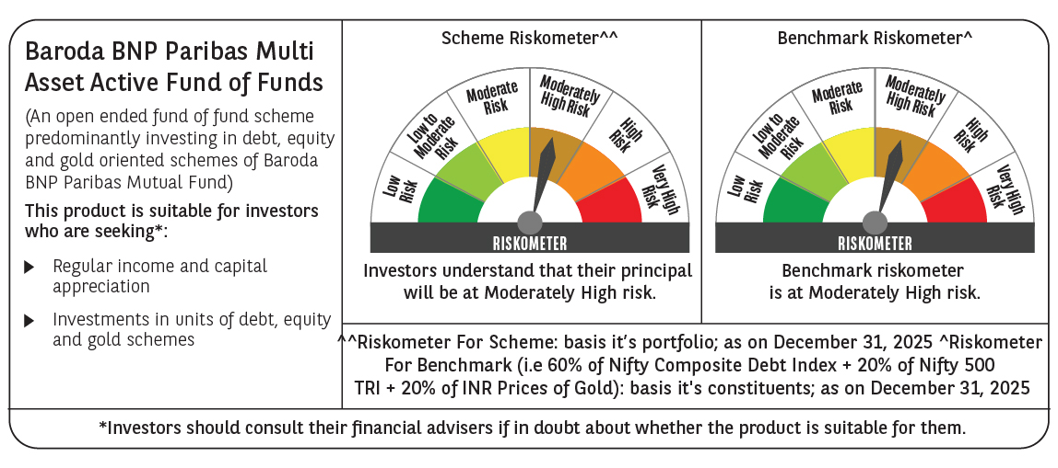

 | Monthly Performance Link: https://www.barodabnpparibasmf.in/assets/download_documents/Performance-of-Schemes-Dec-2025_16084.pdf

