T0ME42
 | Baroda BNP Paribas Energy Opportunities Fund

 | Monthly Portfolio Statement as on December 31, 2025
 | Name of the Instrument | ISIN | Industry | Quantity | Market/Fair Value (Rs. in Lakhs) | % to Net Assets | YTM~ | YTC^ | null
 | Equity & Equity related
 | (a) Listed / awaiting listing on Stock Exchanges
RIND01 | Reliance Industries Limited | INE002A01018 | Petroleum Products | 490,000 | 7,694.96 | 10.72%
NTPC01 | NTPC Limited | INE733E01010 | Power | 1,700,000 | 5,602.35 | 7.81%
COAL01 | Coal India Limited | INE522F01014 | Consumable Fuels | 1,350,000 | 5,386.50 | 7.51%
HPEC01 | Hindustan Petroleum Corporation Limited | INE094A01015 | Petroleum Products | 975,000 | 4,865.74 | 6.78%
BPCL01 | Bharat Petroleum Corporation Limited | INE029A01011 | Petroleum Products | 950,000 | 3,648.00 | 5.08%
ONGC02 | Oil & Natural Gas Corporation Limited | INE213A01029 | Oil | 1,350,000 | 3,245.13 | 4.52%
GAIL01 | GAIL (India) Limited | INE129A01019 | Gas | 1,500,000 | 2,582.40 | 3.60%
PGCI01 | Power Grid Corporation of India Limited | INE752E01010 | Power | 900,000 | 2,381.40 | 3.32%
BHAH02 | Bharat Heavy Electricals Limited | INE257A01026 | Electrical Equipment | 800,000 | 2,299.60 | 3.20%
TPOW02 | Tata Power Company Limited | INE245A01021 | Power | 600,000 | 2,277.60 | 3.17%
LARS02 | Larsen & Toubro Limited | INE018A01030 | Construction | 55,000 | 2,245.93 | 3.13%
OIIL01 | Oil India Limited | INE274J01014 | Oil | 525,000 | 2,227.84 | 3.10%
ABBP01 | Hitachi Energy India Limited | INE07Y701011 | Electrical Equipment | 12,000 | 2,197.20 | 3.06%
NHPC01 | NHPC Limited | INE848E01016 | Power | 2,750,000 | 2,178.55 | 3.04%
AEVO01 | Aegis Vopak Terminals Limited | INE0INX01018 | Oil | 789,216 | 1,967.91 | 2.74%
ULCC01 | UltraTech Cement Limited | INE481G01011 | Cement & Cement Products | 15,000 | 1,767.60 | 2.46%
KSPL02 | KSB Limited | INE999A01023 | Industrial Products | 208,530 | 1,573.88 | 2.19%
MREL01 | Chennai Petroleum Corporation Limited | INE178A01016 | Petroleum Products | 185,000 | 1,546.97 | 2.16%
MARE01 | Mangalore Refinery and Petrochemicals Limited | INE103A01014 | Petroleum Products | 1,000,000 | 1,520.30 | 2.12%
ALLI02 | GE Vernova T&D India Limited | INE200A01026 | Electrical Equipment | 44,450 | 1,392.40 | 1.94%
KCUL02 | Cummins India Limited | INE298A01020 | Industrial Products | 30,000 | 1,330.32 | 1.85%
CROM02 | CG Power and Industrial Solutions Limited | INE067A01029 | Electrical Equipment | 200,000 | 1,295.80 | 1.81%
IOIC01 | Indian Oil Corporation Limited | INE242A01010 | Petroleum Products | 750,000 | 1,248.45 | 1.74%
BOCL01 | Linde India Limited | INE473A01011 | Chemicals & Petrochemicals | 18,950 | 1,128.57 | 1.57%
GUOL01 | Gulf Oil Lubricants India Limited | INE635Q01029 | Petroleum Products | 88,814 | 1,066.12 | 1.49%
NAYV01 | NLC India Limited | INE589A01014 | Power | 384,000 | 960.84 | 1.34%
SIEM02 | Siemens Limited | INE003A01024 | Electrical Equipment | 30,000 | 918.99 | 1.28%
ICEM01 | The India Cements Limited | INE383A01012 | Cement & Cement Products | 210,000 | 914.03 | 1.27%
ASEA02 | ABB India Limited | INE117A01022 | Electrical Equipment | 15,000 | 775.50 | 1.08%
MAGL01 | Mahanagar Gas Limited | INE002S01010 | Gas | 47,842 | 543.53 | 0.76%
 | Sub Total |  |  |  | 68,784.41 | 95.84%
 | (b) Unlisted |  |  |  | NIL | NIL
 | Sub Total |  |  |  | NIL | NIL
 | Total |  |  |  | 68,784.41 | 95.84%
 | Reverse Repo / TREPS
TRP_010126 | Clearing Corporation of India Ltd |  |  |  | 3,935.82 | 5.49% | 5.36%
 | Sub Total |  |  |  | 3,935.82 | 5.49%
 | Total |  |  |  | 3,935.82 | 5.49%
 | Net Receivables / (Payables) |  |  |  | (968.21) | (1.33)%
 | GRAND TOTAL |  |  |  | 71,752.02 | 100.00%

 | ~ YTM as on December 31, 2025
 | ^ YTC represents Yield to Call provided by valuation agencies as on December 31, 2025. It is disclosed for Perpetual Bond issued by Banks (i.e. AT-1 Bond / Tier 1 Bond / Tier 2 Bond), as per AMFI Best Practices Guidelines Circular no. 135/BP/91/2020-21 read with SEBI circular No. SEBI/HO/IMD/DF4/CIR/P/2021/034 on Valuation of AT-1 Bonds and Tier 2 Bonds.

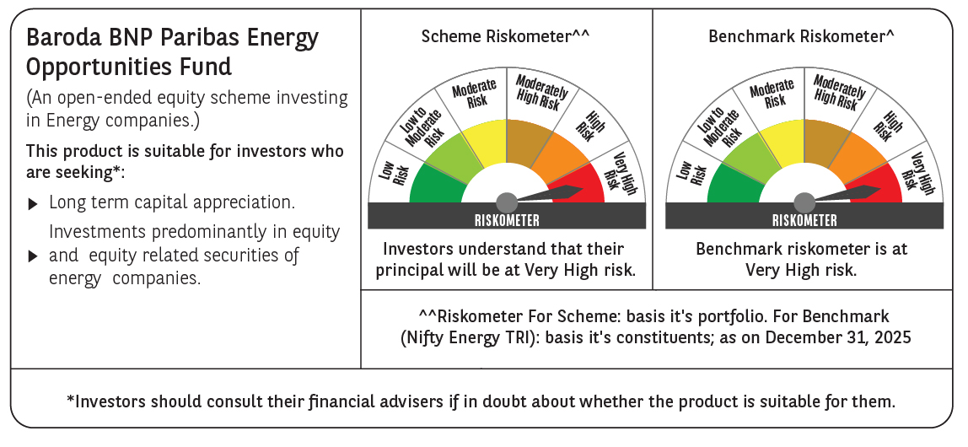

 | Monthly Performance Link: https://www.barodabnpparibasmf.in/assets/download_documents/Performance-of-Schemes-Dec-2025_16084.pdf

