T0ME39
 | Baroda BNP Paribas Nifty200 Momentum 30 Index Fund

 | Monthly Portfolio Statement as on December 31, 2025
 | Name of the Instrument | ISIN | Industry / Rating | Quantity | Market/Fair Value (Rs. in Lakhs) | % to Net Assets | YTM~ | YTC^ | null
 | Equity & Equity related
 | (a) Listed / awaiting listing on Stock Exchanges
ASPA02 | Asian Paints Limited | INE021A01026 | Consumer Durables | 4,399 | 121.83 | 5.05%
EIML02 | Eicher Motors Limited | INE066A01021 | Automobiles | 1,657 | 121.17 | 5.02%
SBAI02 | State Bank of India | INE062A01020 | Banks | 12,303 | 120.84 | 5.01%
SHTR02 | Shriram Finance Limited | INE721A01047 | Finance | 12,118 | 120.72 | 5.01%
MAUD01 | Maruti Suzuki India Limited | INE585B01010 | Automobiles | 719 | 120.05 | 4.98%
BAFL03 | Bajaj Finance Limited | INE296A01032 | Finance | 12,063 | 119.04 | 4.94%
HINI02 | Hindalco Industries Limited | INE038A01020 | Non - Ferrous Metals | 13,403 | 118.84 | 4.93%
BTVL02 | Bharti Airtel Limited | INE397D01024 | Telecom - Services | 5,636 | 118.67 | 4.92%
SAEL02 | TVS Motor Company Limited | INE494B01023 | Automobiles | 2,826 | 105.12 | 4.36%
INAV01 | InterGlobe Aviation Limited | INE646L01027 | Transport Services | 1,983 | 100.33 | 4.16%
HERO02 | Hero MotoCorp Limited | INE158A01026 | Automobiles | 1,722 | 99.38 | 4.12%
SLIF01 | SBI Life Insurance Company Limited | INE123W01016 | Insurance | 4,580 | 93.20 | 3.86%
BSEL02 | BSE Limited | INE118H01025 | Capital Markets | 3,482 | 91.65 | 3.80%
MUFL01 | Muthoot Finance Limited | INE414G01012 | Finance | 2,186 | 83.32 | 3.46%
AFPL02 | AU Small Finance Bank Limited | INE949L01017 | Banks | 7,783 | 77.40 | 3.21%
FEBA02 | The Federal Bank Limited | INE171A01029 | Banks | 26,242 | 70.09 | 2.91%
KCUL02 | Cummins India Limited | INE298A01020 | Industrial Products | 1,558 | 69.09 | 2.86%
CANB02 | Canara Bank | INE476A01022 | Banks | 41,193 | 63.81 | 2.65%
LTFL01 | L&T Finance Limited | INE498L01015 | Finance | 20,186 | 63.78 | 2.64%
ONCO02 | One 97 Communications Limited | INE982J01020 | Financial Technology (Fintech) | 4,759 | 61.81 | 2.56%
ASHL02 | Ashok Leyland Limited | INE208A01029 | Agricultural, Commercial & Construction Vehicles | 31,433 | 56.32 | 2.34%
CHOL02 | Cholamandalam Investment and Finance Company Ltd | INE121A01024 | Finance | 3,258 | 55.46 | 2.30%
MAXI02 | Max Financial Services Limited | INE180A01020 | Insurance | 3,058 | 51.12 | 2.12%
ABFS01 | Aditya Birla Capital Limited | INE674K01013 | Finance | 14,006 | 50.10 | 2.08%
FRHL01 | Fortis Healthcare Limited | INE061F01013 | Healthcare Services | 5,592 | 49.43 | 2.05%
FSNE01 | FSN E-Commerce Ventures Limited | INE388Y01029 | Retailing | 17,766 | 47.11 | 1.95%
SECH03 | UPL Limited | INE628A01036 | Fertilizers & Agrochemicals | 5,793 | 46.06 | 1.91%
GMRI03 | GMR Airports Limited | INE776C01039 | Transport Infrastructure | 39,495 | 41.22 | 1.71%
INBK01 | Indian Bank | INE562A01011 | Banks | 4,849 | 40.60 | 1.68%
GLPH03 | Glenmark Pharmaceuticals Limited | INE935A01035 | Pharmaceuticals & Biotechnology | 1,509 | 30.71 | 1.27%
 | Sub Total |  |  |  | 2,408.27 | 99.86%
 | (b) Unlisted |  |  |  | NIL | NIL
 | Sub Total |  |  |  | NIL | NIL
 | Total |  |  |  | 2,408.27 | 99.86%
 | Debt Instruments
 | (a) Preference Shares
SAEL21PS | 6% TVS Motor Company Limited ** | INE494B04019 | CARE A1+ | 10,460 | 1.07 | 0.04%
 | Sub Total |  |  |  | 1.07 | 0.04%
 | Total |  |  |  | 1.07 | 0.04%
 | Reverse Repo / TREPS
TRP_010126 | Clearing Corporation of India Ltd |  |  |  | 5.63 | 0.23% | 5.36%
 | Sub Total |  |  |  | 5.63 | 0.23%
 | Total |  |  |  | 5.63 | 0.23%
 | Net Receivables / (Payables) |  |  |  | (3.48) | (0.13)%
 | GRAND TOTAL |  |  |  | 2,411.49 | 100.00%

 | ** Thinly Traded / Non Traded Security
 | ~ YTM as on December 31, 2025
 | ^ YTC represents Yield to Call provided by valuation agencies as on December 31, 2025. It is disclosed for Perpetual Bond issued by Banks (i.e. AT-1 Bond / Tier 1 Bond / Tier 2 Bond), as per AMFI Best Practices Guidelines Circular no. 135/BP/91/2020-21 read with SEBI circular No. SEBI/HO/IMD/DF4/CIR/P/2021/034 on Valuation of AT-1 Bonds and Tier 2 Bonds.

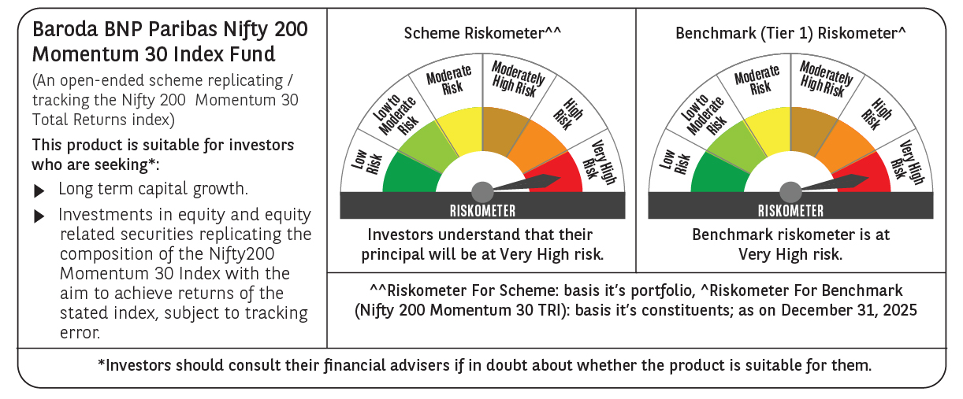

 | Monthly Performance Link: https://www.barodabnpparibasmf.in/assets/download_documents/Performance-of-Schemes-Dec-2025_16084.pdf

