T0ME38
 | Baroda BNP Paribas Dividend Yield Fund

 | Monthly Portfolio Statement as on December 31, 2025
 | Name of the Instrument | ISIN | Industry / Rating | Quantity | Market/Fair Value (Rs. in Lakhs) | % to Net Assets | YTM~ | YTC^ | null
 | Equity & Equity related
 | (a) Listed / awaiting listing on Stock Exchanges
RIND01 | Reliance Industries Limited | INE002A01018 | Petroleum Products | 360,000 | 5,653.44 | 7.26%
HDFB03 | HDFC Bank Limited | INE040A01034 | Banks | 495,000 | 4,906.44 | 6.30%
LARS02 | Larsen & Toubro Limited | INE018A01030 | Construction | 81,000 | 3,307.64 | 4.25%
IBCL05 | ICICI Bank Limited | INE090A01021 | Banks | 234,000 | 3,142.39 | 4.04%
INFS02 | Infosys Limited | INE009A01021 | IT - Software | 162,000 | 2,616.95 | 3.36%
ALLI02 | GE Vernova T&D India Limited | INE200A01026 | Electrical Equipment | 72,000 | 2,255.40 | 2.90%
KOMA02 | Kotak Mahindra Bank Limited | INE237A01028 | Banks | 99,000 | 2,179.09 | 2.80%
JBCH03 | JB Chemicals & Pharmaceuticals Limited | INE572A01036 | Pharmaceuticals & Biotechnology | 110,000 | 2,001.67 | 2.57%
SESA02 | Vedanta Limited | INE205A01025 | Diversified Metals | 315,000 | 1,903.86 | 2.44%
CANB02 | Canara Bank | INE476A01022 | Banks | 1,170,000 | 1,812.45 | 2.33%
TCSL01 | Tata Consultancy Services Limited | INE467B01029 | IT - Software | 55,000 | 1,763.41 | 2.26%
HERO02 | Hero MotoCorp Limited | INE158A01026 | Automobiles | 29,700 | 1,713.99 | 2.20%
HYUN01 | Hyundai Motor India Ltd | INE0V6F01027 | Automobiles | 72,000 | 1,654.56 | 2.12%
GLAX01 | GlaxoSmithKline Pharmaceuticals Limited | INE159A01016 | Pharmaceuticals & Biotechnology | 63,000 | 1,558.37 | 2.00%
DIVI02 | Divi's Laboratories Limited | INE361B01024 | Pharmaceuticals & Biotechnology | 24,300 | 1,553.38 | 1.99%
SPIL03 | Sun Pharmaceutical Industries Limited | INE044A01036 | Pharmaceuticals & Biotechnology | 90,000 | 1,547.73 | 1.99%
ULCC01 | UltraTech Cement Limited | INE481G01011 | Cement & Cement Products | 12,500 | 1,473.00 | 1.89%
HPEC01 | Hindustan Petroleum Corporation Limited | INE094A01015 | Petroleum Products | 288,000 | 1,437.26 | 1.85%
RAKH02 | Radico Khaitan Limited | INE944F01028 | Beverages | 40,500 | 1,335.85 | 1.72%
BAFL03 | Bajaj Finance Limited | INE296A01032 | Finance | 135,000 | 1,332.18 | 1.71%
EIML02 | Eicher Motors Limited | INE066A01021 | Automobiles | 18,000 | 1,316.25 | 1.69%
NEST02 | Nestle India Limited | INE239A01024 | Food Products | 100,000 | 1,288.00 | 1.65%
TEMA02 | Tech Mahindra Limited | INE669C01036 | IT - Software | 80,000 | 1,272.72 | 1.63%
DRRL03 | Dr. Reddy's Laboratories Limited | INE089A01031 | Pharmaceuticals & Biotechnology | 99,000 | 1,258.69 | 1.62%
MAHE01 | Max Healthcare Institute Limited | INE027H01010 | Healthcare Services | 117,000 | 1,222.77 | 1.57%
BHFO02 | Bharat Forge Limited | INE465A01025 | Auto Components | 81,000 | 1,191.02 | 1.53%
ESCO01 | Escorts Kubota Limited | INE042A01014 | Agricultural, Commercial & Construction Vehicles | 31,500 | 1,171.74 | 1.50%
OIIL01 | Oil India Limited | INE274J01014 | Oil | 270,000 | 1,145.75 | 1.47%
NHPC01 | NHPC Limited | INE848E01016 | Power | 1,440,000 | 1,140.77 | 1.46%
NACL03 | National Aluminium Company Limited | INE139A01034 | Non - Ferrous Metals | 360,000 | 1,131.48 | 1.45%
ICRA01 | ICRA Limited | INE725G01011 | Capital Markets | 18,000 | 1,093.59 | 1.40%
ITCL02 | ITC Limited | INE154A01025 | Diversified FMCG | 270,000 | 1,088.10 | 1.40%
BRIT03 | Britannia Industries Limited | INE216A01030 | Food Products | 18,000 | 1,085.58 | 1.39%
IDBK01 | IDFC First Bank Limited | INE092T01019 | Banks | 1,260,000 | 1,078.69 | 1.39%
BPCL01 | Bharat Petroleum Corporation Limited | INE029A01011 | Petroleum Products | 279,000 | 1,071.36 | 1.38%
IIFM02 | 360 One WAM Limited | INE466L01038 | Capital Markets | 90,000 | 1,071.00 | 1.38%
ILOM01 | ICICI Lombard General Insurance Company Limited | INE765G01017 | Insurance | 52,200 | 1,024.22 | 1.32%
HCLT02 | HCL Technologies Limited | INE860A01027 | IT - Software | 60,000 | 973.98 | 1.25%
TENN01 | Tenneco Clean Air India Limited | INE19RI01016 | Auto Components | 189,000 | 959.93 | 1.23%
WIPR02 | Wipro Limited | INE075A01022 | IT - Software | 350,000 | 921.48 | 1.18%
MOTI02 | Bosch Limited | INE323A01026 | Auto Components | 2,430 | 875.77 | 1.12%
ONGC02 | Oil & Natural Gas Corporation Limited | INE213A01029 | Oil | 360,000 | 865.37 | 1.11%
CHOL02 | Cholamandalam Investment and Finance Company Ltd | INE121A01024 | Finance | 49,500 | 842.59 | 1.08%
LGEL01 | LG Electronics India Ltd | INE324D01010 | Consumer Durables | 54,000 | 821.56 | 1.05%
SJVN01 | SJVN Limited | INE002L01015 | Power | 1,080,000 | 807.41 | 1.04%
IFEL01 | Oracle Financial Services Software Limited | INE881D01027 | IT - Software | 10,000 | 768.70 | 0.99%
IPLI01 | ICICI Prudential Life Insurance Company Limited | INE726G01019 | Insurance | 99,000 | 661.57 | 0.85%
SKFI01 | SKF India (Industrial) Ltd | INE2J8701016 | Industrial Products | 25,000 | 650.20 | 0.83%
SKFB02 | SKF India Limited | INE640A01023 | Auto Components | 25,000 | 462.78 | 0.59%
BASF01 | BASF India Limited | INE373A01013 | Chemicals & Petrochemicals | 10,800 | 427.49 | 0.55%
JYLL02 | Jyothy Labs Limited | INE668F01031 | Household Products | 117,000 | 330.70 | 0.42%
 | Sub Total |  |  |  | 75,170.32 | 96.50%
 | (b) Unlisted |  |  |  | NIL | NIL
 | Sub Total |  |  |  | NIL | NIL
 | Total |  |  |  | 75,170.32 | 96.50%
 | Derivatives
 | Index / Stock Futures
MCEXJAN26 | Multi Commodity Exchange of India Limited January 2026 Future |  |  | 6,750 | 755.66 | 0.97%
 | Sub Total |  |  |  | 755.66 | 0.97%
 | Total |  |  |  | 755.66 | 0.97%
 | Money Market Instruments
 | Treasury Bill
TBIL2519 | 364 Days Tbill (MD 11/06/2026) | IN002025Z112 | Sovereign | 1,000,000 | 976.83 | 1.25% | 5.38%
 | Sub Total |  |  |  | 976.83 | 1.25%
 | Total |  |  |  | 976.83 | 1.25%
 | Reverse Repo / TREPS
TRP_010126 | Clearing Corporation of India Ltd |  |  |  | 2,065.37 | 2.65% | 5.36%
 | Sub Total |  |  |  | 2,065.37 | 2.65%
 | Total |  |  |  | 2,065.37 | 2.65%
 | Net Receivables / (Payables) |  |  |  | (1,090.19) | (1.37)%
 | GRAND TOTAL |  |  |  | 77,877.99 | 100.00%

 | ~ YTM as on December 31, 2025
 | ^ YTC represents Yield to Call provided by valuation agencies as on December 31, 2025. It is disclosed for Perpetual Bond issued by Banks (i.e. AT-1 Bond / Tier 1 Bond / Tier 2 Bond), as per AMFI Best Practices Guidelines Circular no. 135/BP/91/2020-21 read with SEBI circular No. SEBI/HO/IMD/DF4/CIR/P/2021/034 on Valuation of AT-1 Bonds and Tier 2 Bonds.
 | Details of Stock Future / Index Future
 | Long/Short | Name of the Instrument | Industry | Quantity. | Market/Fair Value (Rs. in Lacs). | % to NAV.
 | Long | Multi Commodity Exchange of India Limited_27/01/2026 | Capital Markets | 6,750 | 755.66 | 0.97%

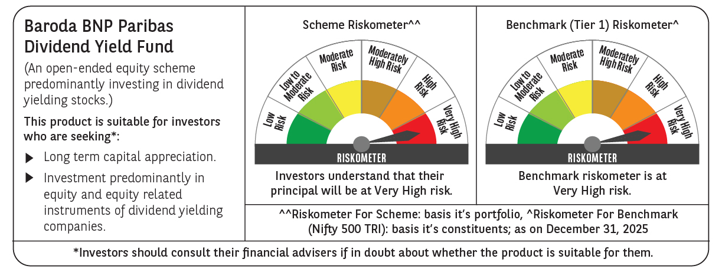

 | Monthly Performance Link: https://www.barodabnpparibasmf.in/assets/download_documents/Performance-of-Schemes-Dec-2025_16084.pdf

