T0ME37
 | Baroda BNP Paribas Manufacturing Fund

 | Monthly Portfolio Statement as on December 31, 2025
 | Name of the Instrument | ISIN | Industry / Rating | Quantity | Market/Fair Value (Rs. in Lakhs) | % to Net Assets | YTM~ | YTC^ | null
 | Equity & Equity related
 | (a) Listed / awaiting listing on Stock Exchanges
RIND01 | Reliance Industries Limited | INE002A01018 | Petroleum Products | 423,000 | 6,642.79 | 6.84%
DIVI02 | Divi's Laboratories Limited | INE361B01024 | Pharmaceuticals & Biotechnology | 90,000 | 5,753.25 | 5.92%
ABBP01 | Hitachi Energy India Limited | INE07Y701011 | Electrical Equipment | 25,200 | 4,614.12 | 4.75%
MAHI02 | Mahindra & Mahindra Limited | INE101A01026 | Automobiles | 117,000 | 4,339.76 | 4.47%
SESA02 | Vedanta Limited | INE205A01025 | Diversified Metals | 630,000 | 3,807.72 | 3.92%
MAUD01 | Maruti Suzuki India Limited | INE585B01010 | Automobiles | 19,800 | 3,306.01 | 3.40%
BHAH02 | Bharat Heavy Electricals Limited | INE257A01026 | Electrical Equipment | 1,080,000 | 3,104.46 | 3.20%
SAEL02 | TVS Motor Company Limited | INE494B01023 | Automobiles | 81,000 | 3,013.04 | 3.10%
ASPH02 | AstraZeneca Pharma India Limited | INE203A01020 | Pharmaceuticals & Biotechnology | 30,600 | 2,762.87 | 2.85%
ESCO01 | Escorts Kubota Limited | INE042A01014 | Agricultural, Commercial & Construction Vehicles | 72,000 | 2,678.26 | 2.76%
NACL03 | National Aluminium Company Limited | INE139A01034 | Non - Ferrous Metals | 810,000 | 2,545.83 | 2.62%
HERO02 | Hero MotoCorp Limited | INE158A01026 | Automobiles | 40,500 | 2,337.26 | 2.41%
JVSL04 | JSW Steel Limited | INE019A01038 | Ferrous Metals | 189,000 | 2,201.47 | 2.27%
BPCL01 | Bharat Petroleum Corporation Limited | INE029A01011 | Petroleum Products | 567,000 | 2,177.28 | 2.24%
SUMI01 | Sumitomo Chemical India Limited | INE258G01013 | Fertilizers & Agrochemicals | 450,000 | 2,119.50 | 2.18%
BOCL01 | Linde India Limited | INE473A01011 | Chemicals & Petrochemicals | 33,300 | 1,983.18 | 2.04%
WABT01 | ZF Commercial Vehicle Control Systems India Limited | INE342J01019 | Auto Components | 12,600 | 1,874.63 | 1.93%
TMLC01 | Tata Motors Ltd | INE1TAE01010 | Agricultural, Commercial & Construction Vehicles | 450,000 | 1,869.75 | 1.93%
SPIL03 | Sun Pharmaceutical Industries Limited | INE044A01036 | Pharmaceuticals & Biotechnology | 108,000 | 1,857.28 | 1.91%
LARS02 | Larsen & Toubro Limited | INE018A01030 | Construction | 45,000 | 1,837.58 | 1.89%
CIPL03 | Cipla Limited | INE059A01026 | Pharmaceuticals & Biotechnology | 117,000 | 1,768.22 | 1.82%
HYUN01 | Hyundai Motor India Ltd | INE0V6F01027 | Automobiles | 72,000 | 1,654.56 | 1.70%
DRRL03 | Dr. Reddy's Laboratories Limited | INE089A01031 | Pharmaceuticals & Biotechnology | 126,000 | 1,601.96 | 1.65%
KCUL02 | Cummins India Limited | INE298A01020 | Industrial Products | 36,000 | 1,596.38 | 1.64%
MOTI02 | Bosch Limited | INE323A01026 | Auto Components | 4,230 | 1,524.49 | 1.57%
PRRC03 | Navin Fluorine International Limited | INE048G01026 | Chemicals & Petrochemicals | 24,300 | 1,438.56 | 1.48%
SOKO03 | Jtekt India Limited | INE643A01035 | Auto Components | 992,271 | 1,397.61 | 1.44%
SIEM02 | Siemens Limited | INE003A01024 | Electrical Equipment | 45,000 | 1,378.49 | 1.42%
LGEL01 | LG Electronics India Ltd | INE324D01010 | Consumer Durables | 90,000 | 1,369.26 | 1.41%
BHEL02 | Bharat Electronics Limited | INE263A01024 | Aerospace & Defense | 342,000 | 1,366.63 | 1.41%
NAYV01 | NLC India Limited | INE589A01014 | Power | 540,000 | 1,351.19 | 1.39%
BHFO02 | Bharat Forge Limited | INE465A01025 | Auto Components | 90,000 | 1,323.36 | 1.36%
PIDI02 | Pidilite Industries Limited | INE318A01026 | Chemicals & Petrochemicals | 81,000 | 1,200.74 | 1.24%
ASEA02 | ABB India Limited | INE117A01022 | Electrical Equipment | 22,500 | 1,163.25 | 1.20%
KSPL02 | KSB Limited | INE999A01023 | Industrial Products | 153,000 | 1,154.77 | 1.19%
IPCA03 | IPCA Laboratories Limited | INE571A01038 | Pharmaceuticals & Biotechnology | 81,000 | 1,149.31 | 1.18%
KEWI01 | Kennametal India Limited | INE717A01029 | Industrial Manufacturing | 52,552 | 1,101.07 | 1.13%
TENN01 | Tenneco Clean Air India Limited | INE19RI01016 | Auto Components | 207,000 | 1,051.35 | 1.08%
BHAE02 | BEML Limited | INE258A01024 | Agricultural, Commercial & Construction Vehicles | 55,800 | 1,037.82 | 1.07%
HALT02 | Hindustan Aeronautics Limited | INE066F01020 | Aerospace & Defense | 23,400 | 1,026.96 | 1.06%
ICEM01 | The India Cements Limited | INE383A01012 | Cement & Cement Products | 234,000 | 1,018.49 | 1.05%
BIRM01 | 3M India Limited | INE470A01017 | Diversified | 2,880 | 1,011.31 | 1.04%
SKFI01 | SKF India (Industrial) Ltd | INE2J8701016 | Industrial Products | 31,500 | 819.25 | 0.84%
JSWC01 | JSW Cement Limited | INE718I01012 | Cement & Cement Products | 630,000 | 748.82 | 0.77%
PFIZ01 | Pfizer Limited | INE182A01018 | Pharmaceuticals & Biotechnology | 13,320 | 664.36 | 0.68%
SKFB02 | SKF India Limited | INE640A01023 | Auto Components | 31,500 | 583.10 | 0.60%
SCDL01 | Sundaram Clayton Limited | INE0Q3R01026 | Auto Components | 42,188 | 516.21 | 0.53%
INGE01 | Ingersoll Rand (India) Limited | INE177A01018 | Industrial Products | 13,500 | 472.10 | 0.49%
BASF01 | BASF India Limited | INE373A01013 | Chemicals & Petrochemicals | 10,800 | 427.49 | 0.44%
 | Sub Total |  |  |  | 93,743.15 | 96.51%
 | (b) Unlisted |  |  |  | NIL | NIL
 | Sub Total |  |  |  | NIL | NIL
 | Total |  |  |  | 93,743.15 | 96.51%
 | Derivatives
 | Index / Stock Futures
MCEXJAN26 | Multi Commodity Exchange of India Limited January 2026 Future |  |  | 6,750 | 755.66 | 0.78%
 | Sub Total |  |  |  | 755.66 | 0.78%
 | Total |  |  |  | 755.66 | 0.78%
 | Debt Instruments
 | (a) Preference Shares
SAEL21PS | 6% TVS Motor Company Limited ** | INE494B04019 | CARE A1+ | 180,000 | 18.33 | 0.02%
 | Sub Total |  |  |  | 18.33 | 0.02%
 | Total |  |  |  | 18.33 | 0.02%
 | Money Market Instruments
 | Treasury Bill
TBIL2487 | 364 Days Tbill (MD 19/03/2026) | IN002024Z495 | Sovereign | 1,500,000 | 1,483.82 | 1.53% | 5.17%
TBIL2525 | 364 Days Tbill (MD 25/06/2026) | IN002025Z138 | Sovereign | 1,000,000 | 974.81 | 1.00% | 5.39%
 | Sub Total |  |  |  | 2,458.63 | 2.53%
 | Total |  |  |  | 2,458.63 | 2.53%
 | Reverse Repo / TREPS
TRP_010126 | Clearing Corporation of India Ltd |  |  |  | 1,033.40 | 1.06% | 5.36%
 | Sub Total |  |  |  | 1,033.40 | 1.06%
 | Total |  |  |  | 1,033.40 | 1.06%
 | Net Receivables / (Payables) |  |  |  | (905.88) | (0.90)%
 | GRAND TOTAL |  |  |  | 97,103.29 | 100.00%

 | ** Thinly Traded / Non Traded Security
 | ~ YTM as on December 31, 2025
 | ^ YTC represents Yield to Call provided by valuation agencies as on December 31, 2025. It is disclosed for Perpetual Bond issued by Banks (i.e. AT-1 Bond / Tier 1 Bond / Tier 2 Bond), as per AMFI Best Practices Guidelines Circular no. 135/BP/91/2020-21 read with SEBI circular No. SEBI/HO/IMD/DF4/CIR/P/2021/034 on Valuation of AT-1 Bonds and Tier 2 Bonds.
 | Details of Stock Future / Index Future
 | Long/Short | Name of the Instrument | Industry | Quantity. | Market/Fair Value (Rs. in Lacs). | % to NAV.
 | Long | Multi Commodity Exchange of India Limited_27/01/2026 | Capital Markets | 6,750 | 755.66 | 0.78%

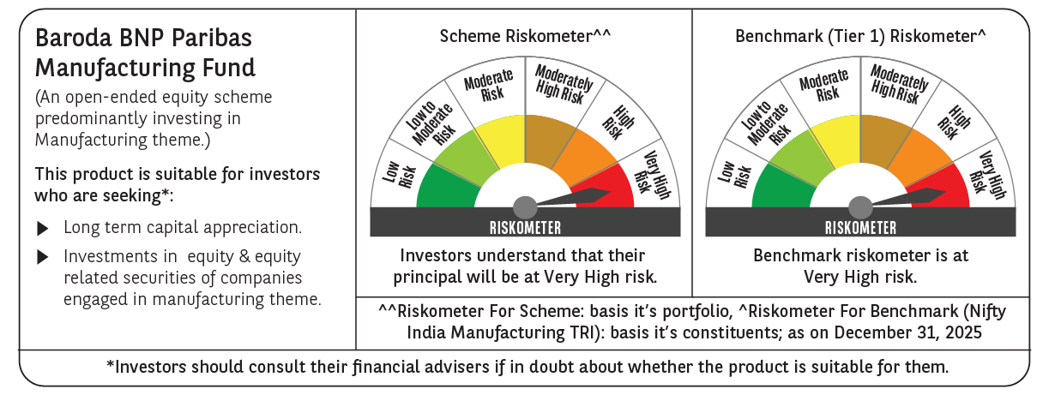

 | Monthly Performance Link: https://www.barodabnpparibasmf.in/assets/download_documents/Performance-of-Schemes-Dec-2025_16084.pdf

