T0ME36
 | Baroda BNP Paribas NIFTY BANK ETF

 | Monthly Portfolio Statement as on December 31, 2025
 | Name of the Instrument | ISIN | Industry | Quantity | Market/Fair Value (Rs. in Lakhs) | % to Net Assets | YTM~ | YTC^ | null
 | Equity & Equity related
 | (a) Listed / awaiting listing on Stock Exchanges
HDFB03 | HDFC Bank Limited | INE040A01034 | Banks | 9,732 | 96.46 | 25.29%
IBCL05 | ICICI Bank Limited | INE090A01021 | Banks | 5,748 | 77.19 | 20.23%
SBAI02 | State Bank of India | INE062A01020 | Banks | 3,711 | 36.45 | 9.55%
KOMA02 | Kotak Mahindra Bank Limited | INE237A01028 | Banks | 1,609 | 35.42 | 9.28%
UTIB02 | Axis Bank Limited | INE238A01034 | Banks | 2,766 | 35.11 | 9.20%
FEBA02 | The Federal Bank Limited | INE171A01029 | Banks | 6,048 | 16.15 | 4.23%
IIBL01 | IndusInd Bank Limited | INE095A01012 | Banks | 1,628 | 14.07 | 3.69%
IDBK01 | IDFC First Bank Limited | INE092T01019 | Banks | 15,954 | 13.66 | 3.58%
AFPL02 | AU Small Finance Bank Limited | INE949L01017 | Banks | 1,366 | 13.58 | 3.56%
BKBA02 | Bank of Baroda | INE028A01039 | Banks | 4,440 | 13.14 | 3.44%
CANB02 | Canara Bank | INE476A01022 | Banks | 8,069 | 12.50 | 3.28%
PUBA02 | Punjab National Bank | INE160A01022 | Banks | 8,689 | 10.74 | 2.81%
YESB03 | Yes Bank Limited | INE528G01035 | Banks | 15,408 | 3.33 | 0.87%
UNBI01 | Union Bank of India | INE692A01016 | Banks | 1,959 | 3.01 | 0.79%
 | Sub Total |  |  |  | 380.81 | 99.80%
 | (b) Unlisted |  |  |  | NIL | NIL
 | Sub Total |  |  |  | NIL | NIL
 | Total |  |  |  | 380.81 | 99.80%
 | Reverse Repo / TREPS
TRP_010126 | Clearing Corporation of India Ltd |  |  |  | 0.32 | 0.08% | 5.35%
 | Sub Total |  |  |  | 0.32 | 0.08%
 | Total |  |  |  | 0.32 | 0.08%
 | Net Receivables / (Payables) |  |  |  | 0.35 | 0.12%
 | GRAND TOTAL |  |  |  | 381.48 | 100.00%

 | ~ YTM as on December 31, 2025
 | ^ YTC represents Yield to Call provided by valuation agencies as on December 31, 2025. It is disclosed for Perpetual Bond issued by Banks (i.e. AT-1 Bond / Tier 1 Bond / Tier 2 Bond), as per AMFI Best Practices Guidelines Circular no. 135/BP/91/2020-21 read with SEBI circular No. SEBI/HO/IMD/DF4/CIR/P/2021/034 on Valuation of AT-1 Bonds and Tier 2 Bonds.

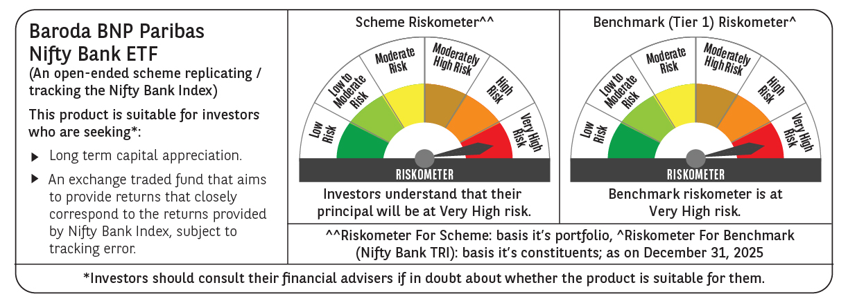

 | Monthly Performance Link: https://www.barodabnpparibasmf.in/assets/download_documents/Performance-of-Schemes-Dec-2025_16084.pdf

