T0ME35
 | Baroda BNP Paribas Retirement Fund

 | Monthly Portfolio Statement as on December 31, 2025
 | Name of the Instrument | ISIN | Industry / Rating | Quantity | Market/Fair Value (Rs. in Lakhs) | % to Net Assets | YTM~ | YTC^ | null
 | Equity & Equity related
 | (a) Listed / awaiting listing on Stock Exchanges
HDFB03 | HDFC Bank Limited | INE040A01034 | Banks | 220,000 | 2,180.64 | 5.44%
IBCL05 | ICICI Bank Limited | INE090A01021 | Banks | 105,300 | 1,414.07 | 3.53%
RIND01 | Reliance Industries Limited | INE002A01018 | Petroleum Products | 81,900 | 1,286.16 | 3.21%
LARS02 | Larsen & Toubro Limited | INE018A01030 | Construction | 23,800 | 971.87 | 2.43%
BTVL02 | Bharti Airtel Limited | INE397D01024 | Telecom - Services | 41,515 | 874.14 | 2.18%
INFS02 | Infosys Limited | INE009A01021 | IT - Software | 52,110 | 841.78 | 2.10%
DIVI02 | Divi's Laboratories Limited | INE361B01024 | Pharmaceuticals & Biotechnology | 11,800 | 754.32 | 1.88%
ZMPL01 | Eternal Limited | INE758T01015 | Retailing | 265,000 | 736.83 | 1.84%
BHAH02 | Bharat Heavy Electricals Limited | INE257A01026 | Electrical Equipment | 250,000 | 718.63 | 1.79%
BRIT03 | Britannia Industries Limited | INE216A01030 | Food Products | 11,350 | 684.52 | 1.71%
TEMA02 | Tech Mahindra Limited | INE669C01036 | IT - Software | 43,010 | 684.25 | 1.71%
TRFO01 | Travel Food Services Limited | INE103V01028 | Leisure Services | 55,200 | 647.22 | 1.62%
INAV01 | InterGlobe Aviation Limited | INE646L01027 | Transport Services | 12,500 | 632.44 | 1.58%
TWAT02 | Titan Company Limited | INE280A01028 | Consumer Durables | 15,500 | 627.98 | 1.57%
AFPL02 | AU Small Finance Bank Limited | INE949L01017 | Banks | 59,400 | 590.73 | 1.47%
MAHI02 | Mahindra & Mahindra Limited | INE101A01026 | Automobiles | 15,300 | 567.51 | 1.42%
KOMA02 | Kotak Mahindra Bank Limited | INE237A01028 | Banks | 25,000 | 550.28 | 1.37%
PRRC03 | Navin Fluorine International Limited | INE048G01026 | Chemicals & Petrochemicals | 9,240 | 547.01 | 1.36%
ULCC01 | UltraTech Cement Limited | INE481G01011 | Cement & Cement Products | 4,600 | 542.06 | 1.35%
RAKH02 | Radico Khaitan Limited | INE944F01028 | Beverages | 16,000 | 527.74 | 1.32%
SAGI01 | Sagility Limited | INE0W2G01015 | IT - Services | 1,012,847 | 526.88 | 1.31%
ABBP01 | Hitachi Energy India Limited | INE07Y701011 | Electrical Equipment | 2,867 | 524.95 | 1.31%
SAEL02 | TVS Motor Company Limited | INE494B01023 | Automobiles | 13,650 | 507.75 | 1.27%
FRHL01 | Fortis Healthcare Limited | INE061F01013 | Healthcare Services | 55,000 | 486.20 | 1.21%
MCEX01 | Multi Commodity Exchange of India Limited | INE745G01035 | Capital Markets | 4,260 | 474.39 | 1.18%
PSYL02 | Persistent Systems Limited | INE262H01021 | IT - Software | 7,450 | 467.26 | 1.17%
VMML01 | Vishal Mega Mart Limited | INE01EA01019 | Retailing | 342,222 | 466.69 | 1.16%
KCUL02 | Cummins India Limited | INE298A01020 | Industrial Products | 10,328 | 457.98 | 1.14%
ALLI02 | GE Vernova T&D India Limited | INE200A01026 | Electrical Equipment | 14,590 | 457.03 | 1.14%
BLTE01 | Swiggy Limited | INE00H001014 | Retailing | 117,333 | 453.20 | 1.13%
UTIB02 | Axis Bank Limited | INE238A01034 | Banks | 35,000 | 444.29 | 1.11%
SBAI02 | State Bank of India | INE062A01020 | Banks | 45,000 | 441.99 | 1.10%
RCAM01 | Nippon Life India Asset Management Limited | INE298J01013 | Capital Markets | 50,000 | 439.83 | 1.10%
CUBI02 | City Union Bank Limited | INE491A01021 | Banks | 150,000 | 436.20 | 1.09%
ESMC02 | PB Fintech Limited | INE417T01026 | Financial Technology (Fintech) | 23,500 | 429.02 | 1.07%
ONCO02 | One 97 Communications Limited | INE982J01020 | Financial Technology (Fintech) | 33,000 | 428.64 | 1.07%
HINI02 | Hindalco Industries Limited | INE038A01020 | Non - Ferrous Metals | 48,000 | 425.62 | 1.06%
MAXI02 | Max Financial Services Limited | INE180A01020 | Insurance | 24,700 | 412.93 | 1.03%
TMLC01 | Tata Motors Ltd | INE1TAE01010 | Agricultural, Commercial & Construction Vehicles | 99,000 | 411.35 | 1.03%
CHOL02 | Cholamandalam Investment and Finance Company Ltd | INE121A01024 | Finance | 23,911 | 407.01 | 1.02%
LTIL01 | LTIMindtree Limited | INE214T01019 | IT - Software | 6,600 | 400.19 | 1.00%
USFB01 | Ujjivan Small Finance Bank Limited | INE551W01018 | Banks | 754,045 | 399.57 | 1.00%
PUBA02 | Punjab National Bank | INE160A01022 | Banks | 313,732 | 387.71 | 0.97%
INSP01 | Indiqube Spaces Limited | INE06ST01018 | Commercial Services & Supplies | 183,645 | 385.34 | 0.96%
HYUN01 | Hyundai Motor India Ltd | INE0V6F01027 | Automobiles | 16,000 | 367.68 | 0.92%
GUAM02 | Ambuja Cements Limited | INE079A01024 | Cement & Cement Products | 64,000 | 356.06 | 0.89%
MAHE01 | Max Healthcare Institute Limited | INE027H01010 | Healthcare Services | 34,000 | 355.33 | 0.89%
BOCL01 | Linde India Limited | INE473A01011 | Chemicals & Petrochemicals | 5,600 | 333.51 | 0.83%
CIPL03 | Cipla Limited | INE059A01026 | Pharmaceuticals & Biotechnology | 22,000 | 332.49 | 0.83%
BAFL03 | Bajaj Finance Limited | INE296A01032 | Finance | 30,000 | 296.04 | 0.74%
FEBA02 | The Federal Bank Limited | INE171A01029 | Banks | 100,000 | 267.10 | 0.67%
 | Sub Total |  |  |  | 29,360.41 | 73.28%
 | (b) Invits
ANZE01 | Anzen India Energy Yield Plus Trust | INE0MIZ23019 | Power | 950,000 | 1,102.00 | 2.75%
 | Sub Total |  |  |  | 1,102.00 | 2.75%
 | (c) Unlisted |  |  |  | NIL | NIL
 | Sub Total |  |  |  | NIL | NIL
 | Total |  |  |  | 30,462.41 | 76.03%
 | Debt Instruments
 | (a) Listed / awaiting listing on Stock Exchange
GOI5728 | 7.34% Government of India (22/04/2064) | IN0020240035 | Sovereign | 5,221,800 | 5,206.09 | 12.99% | 7.50%
GOI6638 | 6.9% Government of India (15/04/2065) | IN0020250018 | Sovereign | 1,300,000 | 1,226.69 | 3.06% | 7.47%
RUPL50 | 7.90% Jamnagar Utilities & Power Private Limited (10/08/2028) ** | INE936D07182 | CRISIL AAA | 500 | 508.84 | 1.27% | 7.11%
GOI6156 | 6.79% Government of India (07/10/2034) | IN0020240126 | Sovereign | 500,000 | 504.48 | 1.26% | 6.76%
NTPC257 | 6.84% NTPC Limited (09/05/2035) ** | INE733E08270 | CRISIL AAA | 500 | 491.72 | 1.23% | 7.08%
PHFL84 | 6.75% Piramal Finance Limited (26/09/2031) | INE516Y07444 | ICRA AA | 57,142 | 431.37 | 1.08% | 9.00%
GOI6019 | 7.09% Government of India (05/08/2054) | IN0020240118 | Sovereign | 200,000 | 195.54 | 0.49% | 7.41%
 | Sub Total |  |  |  | 8,564.73 | 21.38%
 | (b) Privately placed / Unlisted |  |  |  | NIL | NIL
 | Sub Total |  |  |  | NIL | NIL
 | (b) Preference Shares
SAEL21PS | 6% TVS Motor Company Limited ** | INE494B04019 | CARE A1+ | 52,000 | 5.30 | 0.01%
 | Sub Total |  |  |  | 5.30 | 0.01%
 | (b) Privately placed / Unlisted |  |  |  | NIL | NIL
 | Sub Total |  |  |  | NIL | NIL
 | Total |  |  |  | 8,570.03 | 21.39%
 | Reverse Repo / TREPS
TRP_010126 | Clearing Corporation of India Ltd |  |  |  | 954.12 | 2.38% | 5.36%
 | Sub Total |  |  |  | 954.12 | 2.38%
 | (b) Privately placed / Unlisted |  |  |  | NIL | NIL
 | Sub Total |  |  |  | NIL | NIL
 | Total |  |  |  | 954.12 | 2.38%
 | Net Receivables / (Payables) |  |  |  | 87.85 | 0.20%
 | GRAND TOTAL |  |  |  | 40,074.41 | 100.00%

 | ** Thinly Traded / Non Traded Security
 | ~ YTM as on December 31, 2025
 | ^ YTC represents Yield to Call provided by valuation agencies as on December 31, 2025. It is disclosed for Perpetual Bond issued by Banks (i.e. AT-1 Bond / Tier 1 Bond / Tier 2 Bond), as per AMFI Best Practices Guidelines Circular no. 135/BP/91/2020-21 read with SEBI circular No. SEBI/HO/IMD/DF4/CIR/P/2021/034 on Valuation of AT-1 Bonds and Tier 2 Bonds.

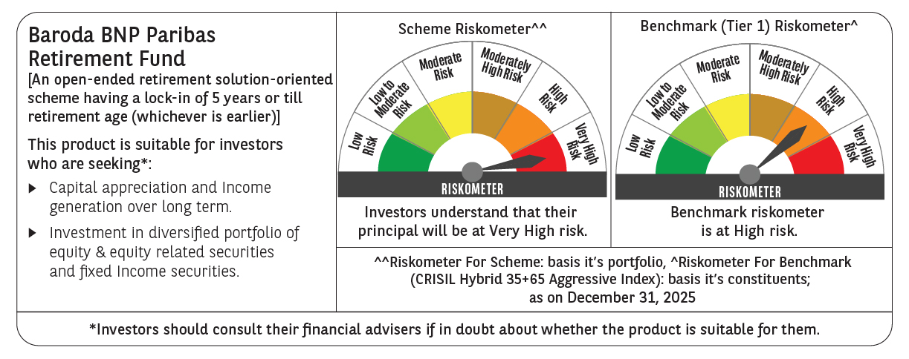

 | Monthly Performance Link: https://www.barodabnpparibasmf.in/assets/download_documents/Performance-of-Schemes-Dec-2025_16084.pdf

