T0ME34
 | Baroda BNP Paribas Innovation Fund

 | Monthly Portfolio Statement as on December 31, 2025
 | Name of the Instrument | ISIN | Industry / Rating | Quantity | Market/Fair Value (Rs. in Lakhs) | % to Net Assets | YTM~ | YTC^ | null
 | Equity & Equity related
 | (a) Listed / awaiting listing on Stock Exchanges
MCEX01 | Multi Commodity Exchange of India Limited | INE745G01035 | Capital Markets | 37,250 | 4,148.16 | 4.50%
ONCO02 | One 97 Communications Limited | INE982J01020 | Financial Technology (Fintech) | 305,000 | 3,961.65 | 4.30%
BOCL01 | Linde India Limited | INE473A01011 | Chemicals & Petrochemicals | 57,774 | 3,440.73 | 3.73%
ESMC02 | PB Fintech Limited | INE417T01026 | Financial Technology (Fintech) | 184,600 | 3,370.06 | 3.66%
BTVL02 | Bharti Airtel Limited | INE397D01024 | Telecom - Services | 158,108 | 3,329.12 | 3.61%
ZMPL01 | Eternal Limited | INE758T01015 | Retailing | 1,194,500 | 3,321.31 | 3.60%
ABBP01 | Hitachi Energy India Limited | INE07Y701011 | Electrical Equipment | 17,224 | 3,153.71 | 3.42%
PRRC03 | Navin Fluorine International Limited | INE048G01026 | Chemicals & Petrochemicals | 51,711 | 3,061.29 | 3.32%
SAEL02 | TVS Motor Company Limited | INE494B01023 | Automobiles | 77,400 | 2,879.13 | 3.12%
CAMS02 | Computer Age Management Services Limited | INE596I01020 | Capital Markets | 345,000 | 2,556.11 | 2.77%
DIVI02 | Divi's Laboratories Limited | INE361B01024 | Pharmaceuticals & Biotechnology | 39,200 | 2,505.86 | 2.72%
KCUL02 | Cummins India Limited | INE298A01020 | Industrial Products | 55,723 | 2,470.98 | 2.68%
IBCL05 | ICICI Bank Limited | INE090A01021 | Banks | 180,000 | 2,417.22 | 2.62%
SAGI01 | Sagility Limited | INE0W2G01015 | IT - Services | 4,550,420 | 2,367.13 | 2.57%
FSNE01 | FSN E-Commerce Ventures Limited | INE388Y01029 | Retailing | 890,000 | 2,359.84 | 2.56%
MAHI02 | Mahindra & Mahindra Limited | INE101A01026 | Automobiles | 63,000 | 2,336.80 | 2.54%
RIND01 | Reliance Industries Limited | INE002A01018 | Petroleum Products | 147,600 | 2,317.91 | 2.51%
BLTE01 | Swiggy Limited | INE00H001014 | Retailing | 590,000 | 2,278.88 | 2.47%
BAFL03 | Bajaj Finance Limited | INE296A01032 | Finance | 230,000 | 2,269.64 | 2.46%
BIRM01 | 3M India Limited | INE470A01017 | Diversified | 6,264 | 2,199.60 | 2.39%
IEIN02 | Info Edge (India) Limited | INE663F01032 | Retailing | 163,000 | 2,173.77 | 2.36%
TRFO01 | Travel Food Services Limited | INE103V01028 | Leisure Services | 175,000 | 2,051.88 | 2.23%
KFIN01 | KFin Technologies Limited | INE138Y01010 | Capital Markets | 180,000 | 1,947.60 | 2.11%
TBOT01 | TBO Tek Limited | INE673O01025 | Leisure Services | 113,073 | 1,880.06 | 2.04%
AMIO02 | Acutaas Chemicals Limited | INE00FF01025 | Pharmaceuticals & Biotechnology | 108,462 | 1,849.17 | 2.01%
INAV01 | InterGlobe Aviation Limited | INE646L01027 | Transport Services | 34,500 | 1,745.53 | 1.89%
AMBE01 | Amber Enterprises India Limited | INE371P01015 | Consumer Durables | 27,000 | 1,724.49 | 1.87%
MOTI02 | Bosch Limited | INE323A01026 | Auto Components | 4,539 | 1,635.86 | 1.77%
USFB01 | Ujjivan Small Finance Bank Limited | INE551W01018 | Banks | 2,941,407 | 1,558.65 | 1.69%
HYUN01 | Hyundai Motor India Ltd | INE0V6F01027 | Automobiles | 65,000 | 1,493.70 | 1.62%
MAXI02 | Max Financial Services Limited | INE180A01020 | Insurance | 88,500 | 1,479.54 | 1.61%
INFS02 | Infosys Limited | INE009A01021 | IT - Software | 87,998 | 1,421.52 | 1.54%
KPEL01 | KPIT Technologies Limited | INE04I401011 | IT - Software | 121,000 | 1,418.73 | 1.54%
LENS01 | Lenskart Solutions Limited | INE956O01016 | Retailing | 301,638 | 1,359.48 | 1.48%
PINP01 | Pine Labs Limited | INE15B701018 | Financial Technology (Fintech) | 500,000 | 1,196.65 | 1.30%
PFIZ01 | Pfizer Limited | INE182A01018 | Pharmaceuticals & Biotechnology | 22,879 | 1,141.14 | 1.24%
SOKO03 | Jtekt India Limited | INE643A01035 | Auto Components | 807,136 | 1,136.85 | 1.23%
ALLI02 | GE Vernova T&D India Limited | INE200A01026 | Electrical Equipment | 36,000 | 1,127.70 | 1.22%
BSEL02 | BSE Limited | INE118H01025 | Capital Markets | 40,000 | 1,052.88 | 1.14%
AGBL01 | Angel One Limited | INE732I01013 | Capital Markets | 40,000 | 937.60 | 1.02%
APLI04 | Hexaware Technologies Limited | INE093A01041 | IT - Software | 116,251 | 889.96 | 0.97%
LGEL01 | LG Electronics India Ltd | INE324D01010 | Consumer Durables | 57,994 | 882.32 | 0.96%
 | Sub Total |  |  |  | 88,850.21 | 96.39%
 | (b) Unlisted |  |  |  | NIL | NIL
 | Sub Total |  |  |  | NIL | NIL
 | Total |  |  |  | 88,850.21 | 96.39%
 | Derivatives
 | Index / Stock Futures
BAFLJAN26 | Bajaj Finance Limited January 2026 Future |  |  | 90,000 | 893.79 | 0.97%
 | Sub Total |  |  |  | 893.79 | 0.97%
 | Total |  |  |  | 893.79 | 0.97%
 | Debt Instruments
 | (a) Preference Shares
SAEL21PS | 6% TVS Motor Company Limited ** | INE494B04019 | CARE A1+ | 472,000 | 48.08 | 0.05%
 | Sub Total |  |  |  | 48.08 | 0.05%
 | Total |  |  |  | 48.08 | 0.05%
 | Money Market Instruments
 | Treasury Bill
TBIL2503 | 364 Days Tbill (MD 01/05/2026) | IN002025Z054 | Sovereign | 1,000,000 | 982.80 | 1.07% | 5.32%
 | Sub Total |  |  |  | 982.80 | 1.07%
 | Total |  |  |  | 982.80 | 1.07%
 | Reverse Repo / TREPS
TRP_010126 | Clearing Corporation of India Ltd |  |  |  | 2,258.70 | 2.45% | 5.36%
 | Sub Total |  |  |  | 2,258.70 | 2.45%
 | Total |  |  |  | 2,258.70 | 2.45%
 | Net Receivables / (Payables) |  |  |  | (866.91) | (0.93)%
 | GRAND TOTAL |  |  |  | 92,166.67 | 100.00%

 | ** Thinly Traded / Non Traded Security
 | ~ YTM as on December 31, 2025
 | ^ YTC represents Yield to Call provided by valuation agencies as on December 31, 2025. It is disclosed for Perpetual Bond issued by Banks (i.e. AT-1 Bond / Tier 1 Bond / Tier 2 Bond), as per AMFI Best Practices Guidelines Circular no. 135/BP/91/2020-21 read with SEBI circular No. SEBI/HO/IMD/DF4/CIR/P/2021/034 on Valuation of AT-1 Bonds and Tier 2 Bonds.
 | Details of Stock Future / Index Future
 | Long/Short | Name of the Instrument | Industry | Quantity. | Market/Fair Value (Rs. in Lacs). | % to NAV.
 | Long | Bajaj Finance Limited_27/01/2026 | Finance | 90,000 | 893.79 | 0.97%

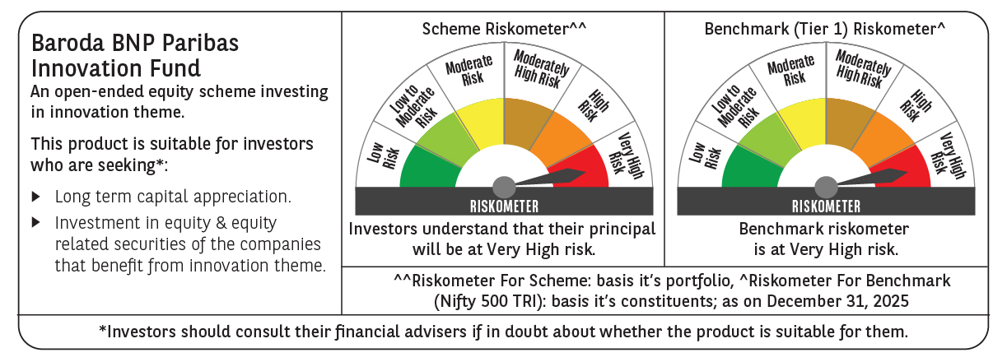

 | Monthly Performance Link: https://www.barodabnpparibasmf.in/assets/download_documents/Performance-of-Schemes-Dec-2025_16084.pdf

