T0ME33
 | Baroda BNP Paribas Nifty 50 Index Fund

 | Monthly Portfolio Statement as on December 31, 2025
 | Name of the Instrument | ISIN | Industry | Quantity | Market/Fair Value (Rs. in Lakhs) | % to Net Assets | YTM~ | YTC^ | null
 | Equity & Equity related
 | (a) Listed / awaiting listing on Stock Exchanges
HDFB03 | HDFC Bank Limited | INE040A01034 | Banks | 82,860 | 821.31 | 12.77%
RIND01 | Reliance Industries Limited | INE002A01018 | Petroleum Products | 36,481 | 572.90 | 8.91%
IBCL05 | ICICI Bank Limited | INE090A01021 | Banks | 38,579 | 518.08 | 8.05%
BTVL02 | Bharti Airtel Limited | INE397D01024 | Telecom - Services | 14,899 | 313.71 | 4.88%
INFS02 | Infosys Limited | INE009A01021 | IT - Software | 19,046 | 307.67 | 4.78%
LARS02 | Larsen & Toubro Limited | INE018A01030 | Construction | 6,301 | 257.30 | 4.00%
SBAI02 | State Bank of India | INE062A01020 | Banks | 22,157 | 217.63 | 3.38%
ITCL02 | ITC Limited | INE154A01025 | Diversified FMCG | 52,187 | 210.31 | 3.27%
UTIB02 | Axis Bank Limited | INE238A01034 | Banks | 15,268 | 193.81 | 3.01%
TCSL01 | Tata Consultancy Services Limited | INE467B01029 | IT - Software | 5,510 | 176.66 | 2.75%
MAHI02 | Mahindra & Mahindra Limited | INE101A01026 | Automobiles | 4,729 | 175.41 | 2.73%
KOMA02 | Kotak Mahindra Bank Limited | INE237A01028 | Banks | 7,955 | 175.10 | 2.72%
BAFL03 | Bajaj Finance Limited | INE296A01032 | Finance | 14,459 | 142.68 | 2.22%
MAUD01 | Maruti Suzuki India Limited | INE585B01010 | Automobiles | 701 | 117.05 | 1.82%
HLEL02 | Hindustan Unilever Limited | INE030A01027 | Diversified FMCG | 4,803 | 111.23 | 1.73%
ZMPL01 | Eternal Limited | INE758T01015 | Retailing | 39,580 | 110.05 | 1.71%
SPIL03 | Sun Pharmaceutical Industries Limited | INE044A01036 | Pharmaceuticals & Biotechnology | 5,706 | 98.13 | 1.53%
HCLT02 | HCL Technologies Limited | INE860A01027 | IT - Software | 5,713 | 92.74 | 1.44%
TWAT02 | Titan Company Limited | INE280A01028 | Consumer Durables | 2,227 | 90.23 | 1.40%
NTPC01 | NTPC Limited | INE733E01010 | Power | 25,630 | 84.46 | 1.31%
TISC03 | Tata Steel Limited | INE081A01020 | Ferrous Metals | 43,661 | 78.62 | 1.22%
BHEL02 | Bharat Electronics Limited | INE263A01024 | Aerospace & Defense | 19,411 | 77.57 | 1.21%
ULCC01 | UltraTech Cement Limited | INE481G01011 | Cement & Cement Products | 645 | 76.01 | 1.18%
SHTR02 | Shriram Finance Limited | INE721A01047 | Finance | 7,373 | 73.45 | 1.14%
ASPA02 | Asian Paints Limited | INE021A01026 | Consumer Durables | 2,452 | 67.91 | 1.06%
HINI02 | Hindalco Industries Limited | INE038A01020 | Non - Ferrous Metals | 7,655 | 67.88 | 1.06%
PGCI01 | Power Grid Corporation of India Limited | INE752E01010 | Power | 24,423 | 64.62 | 1.00%
BFSL02 | Bajaj Finserv Limited | INE918I01026 | Finance | 3,093 | 63.09 | 0.98%
INAV01 | InterGlobe Aviation Limited | INE646L01027 | Transport Services | 1,237 | 62.59 | 0.97%
GRAS02 | Grasim Industries Limited | INE047A01021 | Cement & Cement Products | 2,056 | 58.16 | 0.90%
JVSL04 | JSW Steel Limited | INE019A01038 | Ferrous Metals | 4,986 | 58.08 | 0.90%
BALN01 | Bajaj Auto Limited | INE917I01010 | Automobiles | 586 | 54.75 | 0.85%
TEMA02 | Tech Mahindra Limited | INE669C01036 | IT - Software | 3,439 | 54.71 | 0.85%
MUND02 | Adani Ports and Special Economic Zone Limited | INE742F01042 | Transport Infrastructure | 3,705 | 54.46 | 0.85%
EIML02 | Eicher Motors Limited | INE066A01021 | Automobiles | 742 | 54.26 | 0.84%
RELS01 | Jio Financial Services Limited | INE758E01017 | Finance | 17,787 | 52.46 | 0.82%
LAKM02 | Trent Limited | INE849A01020 | Retailing | 1,202 | 51.43 | 0.80%
ONGC02 | Oil & Natural Gas Corporation Limited | INE213A01029 | Oil | 20,977 | 50.42 | 0.78%
NEST02 | Nestle India Limited | INE239A01024 | Food Products | 3,870 | 49.85 | 0.77%
SLIF01 | SBI Life Insurance Company Limited | INE123W01016 | Insurance | 2,443 | 49.71 | 0.77%
COAL01 | Coal India Limited | INE522F01014 | Consumable Fuels | 12,349 | 49.27 | 0.77%
CIPL03 | Cipla Limited | INE059A01026 | Pharmaceuticals & Biotechnology | 3,050 | 46.09 | 0.72%
HDLI01 | HDFC Life Insurance Company Limited | INE795G01014 | Insurance | 5,862 | 43.96 | 0.68%
MAHE01 | Max Healthcare Institute Limited | INE027H01010 | Healthcare Services | 4,110 | 42.95 | 0.67%
TTEA02 | Tata Consumer Products Limited | INE192A01025 | Agricultural Food & other Products | 3,548 | 42.29 | 0.66%
DRRL03 | Dr. Reddy's Laboratories Limited | INE089A01031 | Pharmaceuticals & Biotechnology | 3,291 | 41.84 | 0.65%
TELC03 | Tata Motors Passenger Vehicles Limited | INE155A01022 | Automobiles | 11,222 | 41.22 | 0.64%
WIPR02 | Wipro Limited | INE075A01022 | IT - Software | 15,415 | 40.58 | 0.63%
APOL02 | Apollo Hospitals Enterprise Limited | INE437A01024 | Healthcare Services | 565 | 39.79 | 0.62%
ADAN02 | Adani Enterprises Limited | INE423A01024 | Metals & Minerals Trading | 1,400 | 31.36 | 0.49%
ADAN04 | Adani Enterprises Limited Partly paid up ** | IN9423A01030 | Metals & Minerals Trading | 300 | 4.02 | 0.06%
KWWA01 | Kwality Walls (India) Limited ** | INE2KCE01013 | Food Products | 4,648 | 1.87 | 0.03%
 | Sub Total |  |  |  | 6,431.73 | 99.98%
 | (b) Unlisted |  |  |  | NIL | NIL
 | Sub Total |  |  |  | NIL | NIL
 | Total |  |  |  | 6,431.73 | 99.98%
 | Reverse Repo / TREPS
TRP_010126 | Clearing Corporation of India Ltd |  |  |  | 4.51 | 0.07% | 5.36%
 | Sub Total |  |  |  | 4.51 | 0.07%
 | Total |  |  |  | 4.51 | 0.07%
 | Net Receivables / (Payables) |  |  |  | (3.41) | (0.05)%
 | GRAND TOTAL |  |  |  | 6,432.83 | 100.00%

 | ** Thinly Traded / Non Traded Security
 | ~ YTM as on December 31, 2025
 | ^ YTC represents Yield to Call provided by valuation agencies as on December 31, 2025. It is disclosed for Perpetual Bond issued by Banks (i.e. AT-1 Bond / Tier 1 Bond / Tier 2 Bond), as per AMFI Best Practices Guidelines Circular no. 135/BP/91/2020-21 read with SEBI circular No. SEBI/HO/IMD/DF4/CIR/P/2021/034 on Valuation of AT-1 Bonds and Tier 2 Bonds.

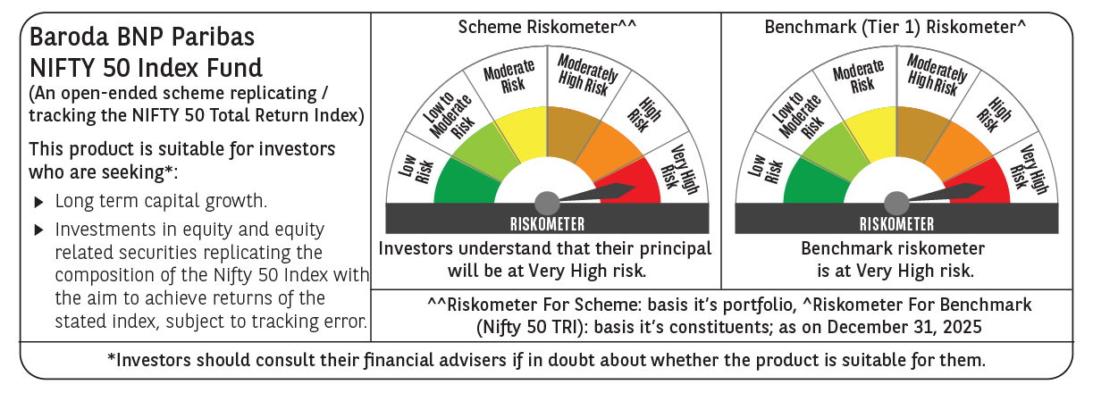

 | Monthly Performance Link: https://www.barodabnpparibasmf.in/assets/download_documents/Performance-of-Schemes-Dec-2025_16084.pdf

