T0ME32
 | Baroda BNP Paribas Small Cap Fund

 | Monthly Portfolio Statement as on December 31, 2025
 | Name of the Instrument | ISIN | Industry | Quantity | Market/Fair Value (Rs. in Lakhs) | % to Net Assets | YTM~ | YTC^ | null
 | Equity & Equity related
 | (a) Listed / awaiting listing on Stock Exchanges
CUBI02 | City Union Bank Limited | INE491A01021 | Banks | 1,350,000 | 3,925.80 | 3.22%
KAVY06 | Karur Vysya Bank Limited | INE036D01028 | Banks | 1,464,000 | 3,862.47 | 3.17%
BHAE02 | BEML Limited | INE258A01024 | Agricultural, Commercial & Construction Vehicles | 200,000 | 3,719.80 | 3.05%
PRRC03 | Navin Fluorine International Limited | INE048G01026 | Chemicals & Petrochemicals | 60,000 | 3,552.00 | 2.91%
SAGI01 | Sagility Limited | INE0W2G01015 | IT - Services | 6,800,000 | 3,537.36 | 2.90%
CANH02 | Can Fin Homes Limited | INE477A01020 | Finance | 347,000 | 3,227.27 | 2.65%
AMBE01 | Amber Enterprises India Limited | INE371P01015 | Consumer Durables | 50,000 | 3,193.50 | 2.62%
PHWL01 | PhysicsWallah Limited | INE0LP301011 | Other Consumer Services | 2,382,100 | 3,163.67 | 2.59%
NACL03 | National Aluminium Company Limited | INE139A01034 | Non - Ferrous Metals | 1,000,000 | 3,143.00 | 2.58%
ECLE01 | eClerx Services Limited | INE738I01010 | Commercial Services & Supplies | 65,000 | 3,051.95 | 2.50%
SOKO03 | Jtekt India Limited | INE643A01035 | Auto Components | 2,100,377 | 2,958.38 | 2.43%
ASPH02 | AstraZeneca Pharma India Limited | INE203A01020 | Pharmaceuticals & Biotechnology | 32,200 | 2,907.34 | 2.38%
KSPL02 | KSB Limited | INE999A01023 | Industrial Products | 378,352 | 2,855.61 | 2.34%
LTHL01 | Lemon Tree Hotels Limited | INE970X01018 | Leisure Services | 1,700,000 | 2,707.42 | 2.22%
AFFI02 | Affle 3i Limited | INE00WC01027 | IT - Services | 150,000 | 2,699.10 | 2.21%
MCEX01 | Multi Commodity Exchange of India Limited | INE745G01035 | Capital Markets | 24,000 | 2,672.64 | 2.19%
MSUW01 | Motherson Sumi Wiring India Limited | INE0FS801015 | Auto Components | 5,500,000 | 2,668.60 | 2.19%
RAKH02 | Radico Khaitan Limited | INE944F01028 | Beverages | 80,000 | 2,638.72 | 2.16%
MFSL01 | Mas Financial Services Limited | INE348L01012 | Finance | 800,000 | 2,588.80 | 2.12%
BHAH02 | Bharat Heavy Electricals Limited | INE257A01026 | Electrical Equipment | 900,000 | 2,587.05 | 2.12%
MALE02 | Poonawalla Fincorp Limited | INE511C01022 | Finance | 525,000 | 2,535.49 | 2.08%
SSNL02 | Delhivery Limited | INE148O01028 | Transport Services | 625,000 | 2,524.06 | 2.07%
DLPL01 | Dr. Lal Path Labs Limited | INE600L01024 | Healthcare Services | 170,000 | 2,520.42 | 2.07%
ADHL01 | Aster DM Healthcare Limited | INE914M01019 | Healthcare Services | 400,000 | 2,467.40 | 2.02%
ICEM01 | The India Cements Limited | INE383A01012 | Cement & Cement Products | 550,000 | 2,393.88 | 1.96%
USFB01 | Ujjivan Small Finance Bank Limited | INE551W01018 | Banks | 4,500,000 | 2,384.55 | 1.96%
KPEL01 | KPIT Technologies Limited | INE04I401011 | IT - Software | 162,500 | 1,905.31 | 1.56%
RATN01 | RBL Bank Limited | INE976G01028 | Banks | 600,000 | 1,894.80 | 1.55%
DCMC02 | DCM Shriram Limited | INE499A01024 | Diversified | 150,000 | 1,878.15 | 1.54%
CNAF02 | Zydus Wellness Limited | INE768C01028 | Food Products | 408,400 | 1,856.59 | 1.52%
ABBP01 | Hitachi Energy India Limited | INE07Y701011 | Electrical Equipment | 10,000 | 1,831.00 | 1.50%
INGE01 | Ingersoll Rand (India) Limited | INE177A01018 | Industrial Products | 52,348 | 1,830.61 | 1.50%
JBCH03 | JB Chemicals & Pharmaceuticals Limited | INE572A01036 | Pharmaceuticals & Biotechnology | 98,441 | 1,791.33 | 1.47%
AGBL01 | Angel One Limited | INE732I01013 | Capital Markets | 75,000 | 1,758.00 | 1.44%
LAUR02 | Laurus Labs Limited | INE947Q01028 | Pharmaceuticals & Biotechnology | 150,000 | 1,662.00 | 1.36%
KFIN01 | KFin Technologies Limited | INE138Y01010 | Capital Markets | 150,000 | 1,623.00 | 1.33%
ISHF02 | India Shelter Finance Corporation Limited | INE922K01024 | Finance | 200,000 | 1,607.70 | 1.32%
MNGF02 | Manappuram Finance Limited | INE522D01027 | Finance | 500,000 | 1,542.75 | 1.27%
SCLB01 | Leela Palaces Hotels & Resorts Limited | INE0AQ201015 | Leisure Services | 353,066 | 1,530.72 | 1.26%
ICRA01 | ICRA Limited | INE725G01011 | Capital Markets | 25,174 | 1,529.45 | 1.25%
YESB03 | Yes Bank Limited | INE528G01035 | Banks | 7,000,000 | 1,512.00 | 1.24%
PFIZ01 | Pfizer Limited | INE182A01018 | Pharmaceuticals & Biotechnology | 30,000 | 1,496.31 | 1.23%
GUOL01 | Gulf Oil Lubricants India Limited | INE635Q01029 | Petroleum Products | 124,551 | 1,495.11 | 1.23%
STPR03 | JK Lakshmi Cement Limited | INE786A01032 | Cement & Cement Products | 182,856 | 1,422.80 | 1.17%
TRFO01 | Travel Food Services Limited | INE103V01028 | Leisure Services | 120,000 | 1,407.00 | 1.15%
INKN01 | Inventurus Knowledge Solutions Limited | INE115Q01022 | IT - Services | 82,777 | 1,372.28 | 1.13%
ALLI02 | GE Vernova T&D India Limited | INE200A01026 | Electrical Equipment | 40,000 | 1,253.00 | 1.03%
NHSP02 | Nephrocare Health Services Ltd | INE428V01029 | Healthcare Services | 243,782 | 1,142.61 | 0.94%
VRLO01 | VRL Logistics Limited | INE366I01010 | Transport Services | 380,000 | 1,019.16 | 0.84%
CRAF01 | Craftsman Automation Limited | INE00LO01017 | Auto Components | 12,500 | 961.19 | 0.79%
MAGL01 | Mahanagar Gas Limited | INE002S01010 | Gas | 79,737 | 905.89 | 0.74%
DOMS01 | Doms Industries Limited | INE321T01012 | Household Products | 14,870 | 388.91 | 0.32%
 | Sub Total |  |  |  | 115,103.95 | 94.39%
 | (b) Unlisted |  |  |  | NIL | NIL
 | Sub Total |  |  |  | NIL | NIL
 | Total |  |  |  | 115,103.95 | 94.39%
 | Reverse Repo / TREPS
TRP_010126 | Clearing Corporation of India Ltd |  |  |  | 6,870.00 | 5.63% | 5.36%
 | Sub Total |  |  |  | 6,870.00 | 5.63%
 | Total |  |  |  | 6,870.00 | 5.63%
 | Net Receivables / (Payables) |  |  |  | (57.23) | (0.02)%
 | GRAND TOTAL |  |  |  | 121,916.72 | 100.00%

 | ~ YTM as on December 31, 2025
 | ^ YTC represents Yield to Call provided by valuation agencies as on December 31, 2025. It is disclosed for Perpetual Bond issued by Banks (i.e. AT-1 Bond / Tier 1 Bond / Tier 2 Bond), as per AMFI Best Practices Guidelines Circular no. 135/BP/91/2020-21 read with SEBI circular No. SEBI/HO/IMD/DF4/CIR/P/2021/034 on Valuation of AT-1 Bonds and Tier 2 Bonds.

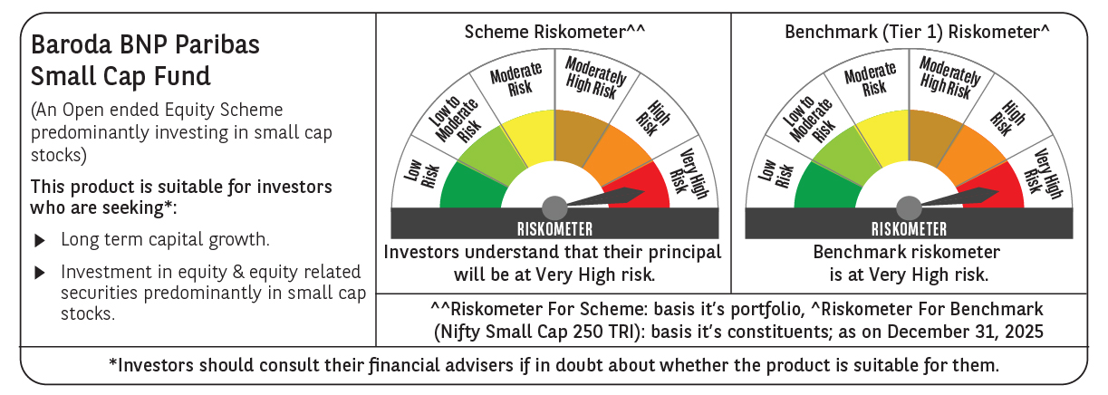

 | Monthly Performance Link: https://www.barodabnpparibasmf.in/assets/download_documents/Performance-of-Schemes-Dec-2025_16084.pdf

