T0ME25
 | Baroda BNP Paribas Flexi Cap Fund

 | Monthly Portfolio Statement as on December 31, 2025
 | Name of the Instrument | ISIN | Industry | Quantity | Market/Fair Value (Rs. in Lakhs) | % to Net Assets | YTM~ | YTC^ | null
 | Equity & Equity related
 | (a) Listed / awaiting listing on Stock Exchanges
HDFB03 | HDFC Bank Limited | INE040A01034 | Banks | 950,000 | 9,416.40 | 7.44%
INFS02 | Infosys Limited | INE009A01021 | IT - Software | 277,735 | 4,486.53 | 3.55%
FEBA02 | The Federal Bank Limited | INE171A01029 | Banks | 1,650,000 | 4,407.15 | 3.48%
HPEC01 | Hindustan Petroleum Corporation Limited | INE094A01015 | Petroleum Products | 850,000 | 4,241.93 | 3.35%
BTVL02 | Bharti Airtel Limited | INE397D01024 | Telecom - Services | 190,000 | 4,000.64 | 3.16%
RIND01 | Reliance Industries Limited | INE002A01018 | Petroleum Products | 250,000 | 3,926.00 | 3.10%
LARS02 | Larsen & Toubro Limited | INE018A01030 | Construction | 90,000 | 3,675.15 | 2.90%
IBCL05 | ICICI Bank Limited | INE090A01021 | Banks | 270,000 | 3,625.83 | 2.87%
ONCO02 | One 97 Communications Limited | INE982J01020 | Financial Technology (Fintech) | 250,000 | 3,247.25 | 2.57%
JSPL03 | Jindal Steel Limited | INE749A01030 | Ferrous Metals | 300,000 | 3,161.40 | 2.50%
MAHE01 | Max Healthcare Institute Limited | INE027H01010 | Healthcare Services | 290,000 | 3,030.79 | 2.40%
IIBL01 | IndusInd Bank Limited | INE095A01012 | Banks | 350,000 | 3,024.70 | 2.39%
MAHI02 | Mahindra & Mahindra Limited | INE101A01026 | Automobiles | 80,000 | 2,967.36 | 2.34%
BHAH02 | Bharat Heavy Electricals Limited | INE257A01026 | Electrical Equipment | 1,000,000 | 2,874.50 | 2.27%
RAKH02 | Radico Khaitan Limited | INE944F01028 | Beverages | 85,000 | 2,803.64 | 2.22%
ZMPL01 | Eternal Limited | INE758T01015 | Retailing | 1,000,000 | 2,780.50 | 2.20%
ABBP01 | Hitachi Energy India Limited | INE07Y701011 | Electrical Equipment | 15,000 | 2,746.50 | 2.17%
SAGI01 | Sagility Limited | INE0W2G01015 | IT - Services | 5,252,101 | 2,732.14 | 2.16%
ULCC01 | UltraTech Cement Limited | INE481G01011 | Cement & Cement Products | 22,500 | 2,651.40 | 2.10%
VMML01 | Vishal Mega Mart Limited | INE01EA01019 | Retailing | 1,900,000 | 2,591.03 | 2.05%
EIML02 | Eicher Motors Limited | INE066A01021 | Automobiles | 35,000 | 2,559.38 | 2.02%
CANB02 | Canara Bank | INE476A01022 | Banks | 1,650,000 | 2,556.02 | 2.02%
ILOM01 | ICICI Lombard General Insurance Company Limited | INE765G01017 | Insurance | 130,000 | 2,550.73 | 2.02%
TEMA02 | Tech Mahindra Limited | INE669C01036 | IT - Software | 160,000 | 2,545.44 | 2.01%
HYUN01 | Hyundai Motor India Ltd | INE0V6F01027 | Automobiles | 110,000 | 2,527.80 | 2.00%
KAVY06 | Karur Vysya Bank Limited | INE036D01028 | Banks | 900,000 | 2,374.47 | 1.88%
AJPH03 | Ajanta Pharma Limited | INE031B01049 | Pharmaceuticals & Biotechnology | 85,000 | 2,353.57 | 1.86%
SHTR02 | Shriram Finance Limited | INE721A01047 | Finance | 225,000 | 2,241.45 | 1.77%
SOEL02 | Solar Industries India Limited | INE343H01029 | Chemicals & Petrochemicals | 17,500 | 2,144.10 | 1.69%
FSNE01 | FSN E-Commerce Ventures Limited | INE388Y01029 | Retailing | 758,000 | 2,009.84 | 1.59%
FAGP02 | Schaeffler India Limited | INE513A01022 | Auto Components | 50,000 | 1,939.50 | 1.53%
DIVI02 | Divi's Laboratories Limited | INE361B01024 | Pharmaceuticals & Biotechnology | 30,000 | 1,917.75 | 1.52%
BLUS03 | Blue Star Limited | INE472A01039 | Consumer Durables | 109,162 | 1,889.27 | 1.49%
ALLI02 | GE Vernova T&D India Limited | INE200A01026 | Electrical Equipment | 60,302 | 1,888.96 | 1.49%
PSYL02 | Persistent Systems Limited | INE262H01021 | IT - Software | 30,000 | 1,881.60 | 1.49%
KAYN01 | Kaynes Technology India Limited | INE918Z01012 | Industrial Manufacturing | 45,000 | 1,805.85 | 1.43%
TTEA02 | Tata Consumer Products Limited | INE192A01025 | Agricultural Food & other Products | 150,000 | 1,788.00 | 1.41%
HINI02 | Hindalco Industries Limited | INE038A01020 | Non - Ferrous Metals | 200,000 | 1,773.40 | 1.40%
METR01 | Metropolis Healthcare Limited | INE112L01020 | Healthcare Services | 88,892 | 1,714.64 | 1.35%
MALE02 | Poonawalla Fincorp Limited | INE511C01022 | Finance | 355,000 | 1,714.47 | 1.35%
LGEL01 | LG Electronics India Ltd | INE324D01010 | Consumer Durables | 100,000 | 1,521.40 | 1.20%
SPIL03 | Sun Pharmaceutical Industries Limited | INE044A01036 | Pharmaceuticals & Biotechnology | 85,000 | 1,461.75 | 1.16%
CEPL02 | Century Plyboards (India) Limited | INE348B01021 | Consumer Durables | 170,000 | 1,408.96 | 1.11%
BOCL01 | Linde India Limited | INE473A01011 | Chemicals & Petrochemicals | 22,000 | 1,310.21 | 1.04%
KOMA02 | Kotak Mahindra Bank Limited | INE237A01028 | Banks | 50,000 | 1,100.55 | 0.87%
 | Sub Total |  |  |  | 121,369.95 | 95.92%
 | (b) Unlisted |  |  |  | NIL | NIL
 | Sub Total |  |  |  | NIL | NIL
 | Total |  |  |  | 121,369.95 | 95.92%
 | Reverse Repo / TREPS
TRP_010126 | Clearing Corporation of India Ltd |  |  |  | 5,763.41 | 4.55% | 5.36%
 | Sub Total |  |  |  | 5,763.41 | 4.55%
 | Total |  |  |  | 5,763.41 | 4.55%
 | Net Receivables / (Payables) |  |  |  | (590.13) | (0.47)%
 | GRAND TOTAL |  |  |  | 126,543.23 | 100.00%

 | ~ YTM as on December 31, 2025
 | ^ YTC represents Yield to Call provided by valuation agencies as on December 31, 2025. It is disclosed for Perpetual Bond issued by Banks (i.e. AT-1 Bond / Tier 1 Bond / Tier 2 Bond), as per AMFI Best Practices Guidelines Circular no. 135/BP/91/2020-21 read with SEBI circular No. SEBI/HO/IMD/DF4/CIR/P/2021/034 on Valuation of AT-1 Bonds and Tier 2 Bonds.

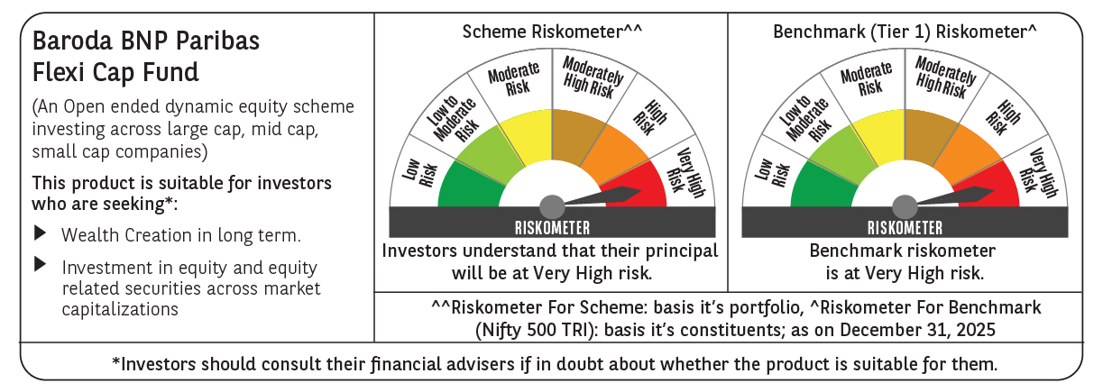

 | Monthly Performance Link: https://www.barodabnpparibasmf.in/assets/download_documents/Performance-of-Schemes-Dec-2025_16084.pdf

