T0ME21
 | Baroda BNP Paribas India Consumption Fund

 | Monthly Portfolio Statement as on December 31, 2025
 | Name of the Instrument | ISIN | Industry / Rating | Quantity | Market/Fair Value (Rs. in Lakhs) | % to Net Assets | YTM~ | YTC^ | null
 | Equity & Equity related
 | (a) Listed / awaiting listing on Stock Exchanges
MAHI02 | Mahindra & Mahindra Limited | INE101A01026 | Automobiles | 350,000 | 12,982.20 | 8.40%
BTVL02 | Bharti Airtel Limited | INE397D01024 | Telecom - Services | 600,000 | 12,633.60 | 8.17%
ITCL02 | ITC Limited | INE154A01025 | Diversified FMCG | 2,200,000 | 8,866.00 | 5.74%
TWAT02 | Titan Company Limited | INE280A01028 | Consumer Durables | 200,000 | 8,103.00 | 5.24%
MAUD01 | Maruti Suzuki India Limited | INE585B01010 | Automobiles | 47,500 | 7,931.08 | 5.13%
EIML02 | Eicher Motors Limited | INE066A01021 | Automobiles | 95,000 | 6,946.88 | 4.49%
HLEL02 | Hindustan Unilever Limited | INE030A01027 | Diversified FMCG | 235,000 | 5,442.37 | 3.52%
SAEL02 | TVS Motor Company Limited | INE494B01023 | Automobiles | 135,000 | 5,021.73 | 3.25%
ZMPL01 | Eternal Limited | INE758T01015 | Retailing | 1,800,000 | 5,004.90 | 3.24%
BRIT03 | Britannia Industries Limited | INE216A01030 | Food Products | 75,000 | 4,523.25 | 2.93%
PHMI02 | The Phoenix Mills Limited | INE211B01039 | Realty | 240,000 | 4,448.40 | 2.88%
BLTE01 | Swiggy Limited | INE00H001014 | Retailing | 1,100,000 | 4,248.75 | 2.75%
GCPL02 | Godrej Consumer Products Limited | INE102D01028 | Personal Products | 323,000 | 3,947.71 | 2.55%
MARC02 | Marico Limited | INE196A01026 | Agricultural Food & other Products | 484,000 | 3,632.90 | 2.35%
AVSP01 | Avenue Supermarts Limited | INE192R01011 | Retailing | 90,000 | 3,403.98 | 2.20%
LGEL01 | LG Electronics India Ltd | INE324D01010 | Consumer Durables | 220,000 | 3,347.08 | 2.17%
HERO02 | Hero MotoCorp Limited | INE158A01026 | Automobiles | 50,000 | 2,885.50 | 1.87%
RAKH02 | Radico Khaitan Limited | INE944F01028 | Beverages | 85,000 | 2,803.64 | 1.81%
HYUN01 | Hyundai Motor India Ltd | INE0V6F01027 | Automobiles | 120,000 | 2,757.60 | 1.78%
ESMC02 | PB Fintech Limited | INE417T01026 | Financial Technology (Fintech) | 150,000 | 2,738.40 | 1.77%
NEST02 | Nestle India Limited | INE239A01024 | Food Products | 200,000 | 2,576.00 | 1.67%
MEBR01 | Metro Brands Limited | INE317I01021 | Consumer Durables | 212,821 | 2,568.96 | 1.66%
LAKM02 | Trent Limited | INE849A01020 | Retailing | 60,000 | 2,567.40 | 1.66%
DABU02 | Dabur India Limited | INE016A01026 | Personal Products | 450,000 | 2,266.20 | 1.47%
BEFS02 | Mrs. Bectors Food Specialities Limited | INE495P01020 | Food Products | 950,000 | 2,188.80 | 1.42%
MAHE01 | Max Healthcare Institute Limited | INE027H01010 | Healthcare Services | 200,000 | 2,090.20 | 1.35%
TTEA02 | Tata Consumer Products Limited | INE192A01025 | Agricultural Food & other Products | 165,000 | 1,966.80 | 1.27%
FSNE01 | FSN E-Commerce Ventures Limited | INE388Y01029 | Retailing | 700,000 | 1,856.05 | 1.20%
BINL01 | Indus Towers Limited | INE121J01017 | Telecom - Services | 435,000 | 1,821.56 | 1.18%
VMML01 | Vishal Mega Mart Limited | INE01EA01019 | Retailing | 1,300,000 | 1,772.81 | 1.15%
PROG01 | Procter & Gamble Hygiene and Health Care Limited | INE179A01014 | Personal Products | 13,000 | 1,686.23 | 1.09%
JUFL02 | Jubilant Foodworks Limited | INE797F01020 | Leisure Services | 300,000 | 1,675.80 | 1.08%
SCLB01 | Leela Palaces Hotels & Resorts Limited | INE0AQ201015 | Leisure Services | 380,000 | 1,647.49 | 1.07%
HAIL03 | Havells India Limited | INE176B01034 | Consumer Durables | 115,000 | 1,638.64 | 1.06%
VNBL03 | Varun Beverages Limited | INE200M01039 | Beverages | 320,000 | 1,567.52 | 1.01%
LTHL01 | Lemon Tree Hotels Limited | INE970X01018 | Leisure Services | 970,000 | 1,544.82 | 1.00%
ICII01 | Akzo Nobel India Limited | INE133A01011 | Consumer Durables | 44,892 | 1,426.35 | 0.92%
CNAF02 | Zydus Wellness Limited | INE768C01028 | Food Products | 300,000 | 1,363.80 | 0.88%
ORKL01 | Orkla India Limited | INE16NZ01023 | Food Products | 211,280 | 1,341.52 | 0.87%
UBBL02 | United Breweries Limited | INE686F01025 | Beverages | 80,000 | 1,297.36 | 0.84%
ISHA01 | Gillette India Limited | INE322A01010 | Personal Products | 15,000 | 1,254.38 | 0.81%
TBOT01 | TBO Tek Limited | INE673O01025 | Leisure Services | 50,000 | 831.35 | 0.54%
KWWA01 | Kwality Walls (India) Limited ** | INE2KCE01013 | Food Products | 265,000 | 106.53 | 0.07%
 | Sub Total |  |  |  | 150,725.54 | 97.51%
 | (b) Unlisted |  |  |  | NIL | NIL
 | Sub Total |  |  |  | NIL | NIL
 | Total |  |  |  | 150,725.54 | 97.51%
 | Derivatives
 | Index / Stock Futures
MCSPJAN26 | United Spirits Limited January 2026 Future |  |  | 96,000 | 1,391.04 | 0.90%
 | Sub Total |  |  |  | 1,391.04 | 0.90%
 | Total |  |  |  | 1,391.04 | 0.90%
 | Debt Instruments
 | (a) Preference Shares
SAEL21PS | 6% TVS Motor Company Limited ** | INE494B04019 | CARE A1+ | 540,000 | 55.00 | 0.04%
 | Sub Total |  |  |  | 55.00 | 0.04%
 | Total |  |  |  | 55.00 | 0.04%
 | Money Market Instruments
 | Treasury Bill
TBIL2525 | 364 Days Tbill (MD 25/06/2026) | IN002025Z138 | Sovereign | 1,000,000 | 974.81 | 0.63% | 5.39%
 | Sub Total |  |  |  | 974.81 | 0.63%
 | Total |  |  |  | 974.81 | 0.63%
 | Reverse Repo / TREPS
TRP_010126 | Clearing Corporation of India Ltd |  |  |  | 2,961.65 | 1.92% | 5.36%
 | Sub Total |  |  |  | 2,961.65 | 1.92%
 | Total |  |  |  | 2,961.65 | 1.92%
 | Net Receivables / (Payables) |  |  |  | (1,557.91) | (1.00)%
 | GRAND TOTAL |  |  |  | 154,550.13 | 100.00%

 | ** Thinly Traded / Non Traded Security
 | ~ YTM as on December 31, 2025
 | ^ YTC represents Yield to Call provided by valuation agencies as on December 31, 2025. It is disclosed for Perpetual Bond issued by Banks (i.e. AT-1 Bond / Tier 1 Bond / Tier 2 Bond), as per AMFI Best Practices Guidelines Circular no. 135/BP/91/2020-21 read with SEBI circular No. SEBI/HO/IMD/DF4/CIR/P/2021/034 on Valuation of AT-1 Bonds and Tier 2 Bonds.
 | Details of Stock Future / Index Future
 | Long/Short | Name of the Instrument | Industry | Quantity. | Market/Fair Value (Rs. in Lacs). | % to NAV.
 | Long | United Spirits Limited_27/01/2026 | Beverages | 96,000 | 1,391.04 | 0.90%

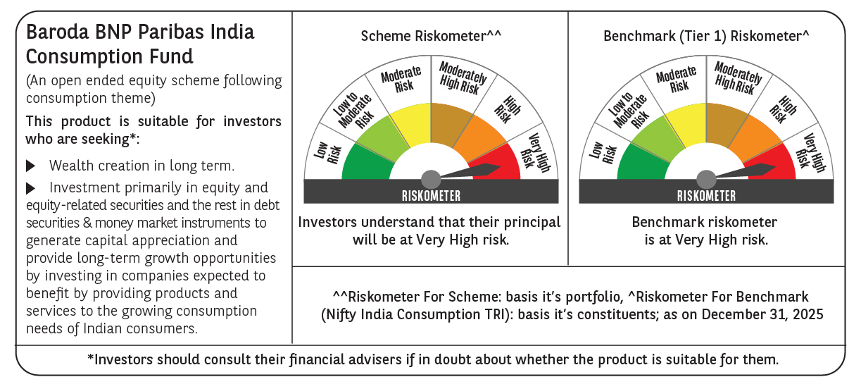

 | Monthly Performance Link: https://www.barodabnpparibasmf.in/assets/download_documents/Performance-of-Schemes-Dec-2025_16084.pdf

