T0ME20
 | Baroda BNP Paribas Focused Fund

 | Monthly Portfolio Statement as on December 31, 2025
 | Name of the Instrument | ISIN | Industry | Quantity | Market/Fair Value (Rs. in Lakhs) | % to Net Assets | YTM~ | YTC^ | null
 | Equity & Equity related
 | (a) Listed / awaiting listing on Stock Exchanges
HDFB03 | HDFC Bank Limited | INE040A01034 | Banks | 650,000 | 6,442.80 | 9.08%
HPEC01 | Hindustan Petroleum Corporation Limited | INE094A01015 | Petroleum Products | 725,000 | 3,618.11 | 5.10%
MCEX01 | Multi Commodity Exchange of India Limited | INE745G01035 | Capital Markets | 30,000 | 3,340.80 | 4.71%
ONCO02 | One 97 Communications Limited | INE982J01020 | Financial Technology (Fintech) | 250,000 | 3,247.25 | 4.58%
BHAH02 | Bharat Heavy Electricals Limited | INE257A01026 | Electrical Equipment | 1,100,000 | 3,161.95 | 4.46%
BTVL02 | Bharti Airtel Limited | INE397D01024 | Telecom - Services | 150,000 | 3,158.40 | 4.45%
MAHI02 | Mahindra & Mahindra Limited | INE101A01026 | Automobiles | 85,000 | 3,152.82 | 4.45%
LARS02 | Larsen & Toubro Limited | INE018A01030 | Construction | 75,000 | 3,062.63 | 4.32%
ILOM01 | ICICI Lombard General Insurance Company Limited | INE765G01017 | Insurance | 150,000 | 2,943.15 | 4.15%
MAHE01 | Max Healthcare Institute Limited | INE027H01010 | Healthcare Services | 275,000 | 2,874.03 | 4.05%
INFS02 | Infosys Limited | INE009A01021 | IT - Software | 172,046 | 2,779.23 | 3.92%
TEMA02 | Tech Mahindra Limited | INE669C01036 | IT - Software | 167,500 | 2,664.76 | 3.76%
IIBL01 | IndusInd Bank Limited | INE095A01012 | Banks | 300,000 | 2,592.60 | 3.66%
MALE02 | Poonawalla Fincorp Limited | INE511C01022 | Finance | 500,000 | 2,414.75 | 3.40%
BLTE01 | Swiggy Limited | INE00H001014 | Retailing | 625,000 | 2,414.06 | 3.40%
VMML01 | Vishal Mega Mart Limited | INE01EA01019 | Retailing | 1,750,000 | 2,386.48 | 3.36%
PRRC03 | Navin Fluorine International Limited | INE048G01026 | Chemicals & Petrochemicals | 40,000 | 2,368.00 | 3.34%
HYUN01 | Hyundai Motor India Ltd | INE0V6F01027 | Automobiles | 95,000 | 2,183.10 | 3.08%
BHEL02 | Bharat Electronics Limited | INE263A01024 | Aerospace & Defense | 475,000 | 1,898.10 | 2.68%
IHOT02 | The Indian Hotels Company Limited | INE053A01029 | Leisure Services | 250,000 | 1,847.13 | 2.60%
CANB02 | Canara Bank | INE476A01022 | Banks | 1,100,000 | 1,704.01 | 2.40%
IBCL05 | ICICI Bank Limited | INE090A01021 | Banks | 125,000 | 1,678.63 | 2.37%
LGEL01 | LG Electronics India Ltd | INE324D01010 | Consumer Durables | 100,000 | 1,521.40 | 2.15%
INKN01 | Inventurus Knowledge Solutions Limited | INE115Q01022 | IT - Services | 75,000 | 1,243.35 | 1.75%
SPIL03 | Sun Pharmaceutical Industries Limited | INE044A01036 | Pharmaceuticals & Biotechnology | 70,000 | 1,203.79 | 1.70%
DIXO02 | Dixon Technologies (India) Limited | INE935N01020 | Consumer Durables | 7,500 | 907.65 | 1.28%
FSNE01 | FSN E-Commerce Ventures Limited | INE388Y01029 | Retailing | 258,000 | 684.09 | 0.96%
 | Sub Total |  |  |  | 67,493.07 | 95.16%
 | (b) Unlisted |  |  |  | NIL | NIL
 | Sub Total |  |  |  | NIL | NIL
 | Total |  |  |  | 67,493.07 | 95.16%
 | Reverse Repo / TREPS
TRP_010126 | Clearing Corporation of India Ltd |  |  |  | 2,269.87 | 3.20% | 5.36%
 | Sub Total |  |  |  | 2,269.87 | 3.20%
 | Total |  |  |  | 2,269.87 | 3.20%
 | Net Receivables / (Payables) |  |  |  | 1,163.32 | 1.64%
 | GRAND TOTAL |  |  |  | 70,926.26 | 100.00%

 | ~ YTM as on December 31, 2025
 | ^ YTC represents Yield to Call provided by valuation agencies as on December 31, 2025. It is disclosed for Perpetual Bond issued by Banks (i.e. AT-1 Bond / Tier 1 Bond / Tier 2 Bond), as per AMFI Best Practices Guidelines Circular no. 135/BP/91/2020-21 read with SEBI circular No. SEBI/HO/IMD/DF4/CIR/P/2021/034 on Valuation of AT-1 Bonds and Tier 2 Bonds.

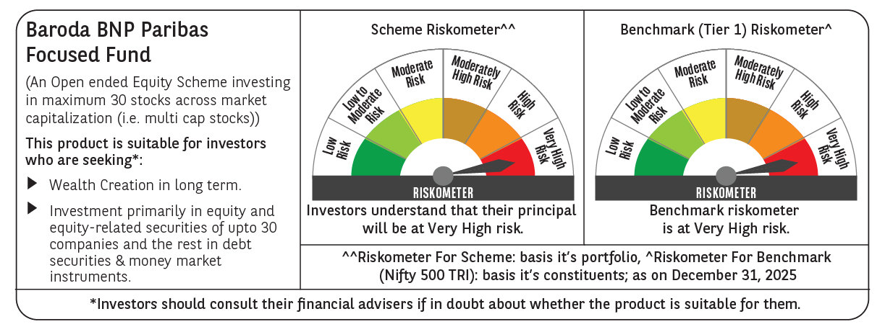

 | Monthly Performance Link: https://www.barodabnpparibasmf.in/assets/download_documents/Performance-of-Schemes-Dec-2025_16084.pdf

