T0ME05
 | Baroda BNP Paribas ELSS Tax Saver Fund

 | Monthly Portfolio Statement as on December 31, 2025
 | Name of the Instrument | ISIN | Industry / Rating | Quantity | Market/Fair Value (Rs. in Lakhs) | % to Net Assets | YTM~ | YTC^ | null
 | Equity & Equity related
 | (a) Listed / awaiting listing on Stock Exchanges
HDFB03 | HDFC Bank Limited | INE040A01034 | Banks | 656,320 | 6,505.44 | 6.91%
IBCL05 | ICICI Bank Limited | INE090A01021 | Banks | 329,900 | 4,430.23 | 4.71%
RIND01 | Reliance Industries Limited | INE002A01018 | Petroleum Products | 255,800 | 4,017.08 | 4.27%
BTVL02 | Bharti Airtel Limited | INE397D01024 | Telecom - Services | 144,966 | 3,052.40 | 3.24%
SBAI02 | State Bank of India | INE062A01020 | Banks | 278,000 | 2,730.52 | 2.90%
INFS02 | Infosys Limited | INE009A01021 | IT - Software | 158,994 | 2,568.39 | 2.73%
LARS02 | Larsen & Toubro Limited | INE018A01030 | Construction | 62,520 | 2,553.00 | 2.71%
RAKH02 | Radico Khaitan Limited | INE944F01028 | Beverages | 73,000 | 2,407.83 | 2.56%
SAGI01 | Sagility Limited | INE0W2G01015 | IT - Services | 4,551,400 | 2,367.64 | 2.51%
BHAH02 | Bharat Heavy Electricals Limited | INE257A01026 | Electrical Equipment | 821,380 | 2,361.06 | 2.51%
SAEL02 | TVS Motor Company Limited | INE494B01023 | Automobiles | 60,500 | 2,250.48 | 2.39%
ZMPL01 | Eternal Limited | INE758T01015 | Retailing | 790,813 | 2,198.86 | 2.34%
TEMA02 | Tech Mahindra Limited | INE669C01036 | IT - Software | 134,100 | 2,133.40 | 2.27%
ESMC02 | PB Fintech Limited | INE417T01026 | Financial Technology (Fintech) | 113,300 | 2,068.40 | 2.20%
KCUL02 | Cummins India Limited | INE298A01020 | Industrial Products | 45,502 | 2,017.74 | 2.14%
KOMA02 | Kotak Mahindra Bank Limited | INE237A01028 | Banks | 90,000 | 1,980.99 | 2.10%
TWAT02 | Titan Company Limited | INE280A01028 | Consumer Durables | 48,500 | 1,964.98 | 2.09%
PRRC03 | Navin Fluorine International Limited | INE048G01026 | Chemicals & Petrochemicals | 33,135 | 1,961.59 | 2.08%
HINI02 | Hindalco Industries Limited | INE038A01020 | Non - Ferrous Metals | 220,000 | 1,950.74 | 2.07%
MAHI02 | Mahindra & Mahindra Limited | INE101A01026 | Automobiles | 50,000 | 1,854.60 | 1.97%
BRIT03 | Britannia Industries Limited | INE216A01030 | Food Products | 30,150 | 1,818.35 | 1.93%
ABBP01 | Hitachi Energy India Limited | INE07Y701011 | Electrical Equipment | 9,766 | 1,788.15 | 1.90%
SPIL03 | Sun Pharmaceutical Industries Limited | INE044A01036 | Pharmaceuticals & Biotechnology | 101,500 | 1,745.50 | 1.85%
LTIL01 | LTIMindtree Limited | INE214T01019 | IT - Software | 28,700 | 1,740.22 | 1.85%
TRFO01 | Travel Food Services Limited | INE103V01028 | Leisure Services | 147,883 | 1,733.93 | 1.84%
BOCL01 | Linde India Limited | INE473A01011 | Chemicals & Petrochemicals | 28,225 | 1,680.94 | 1.79%
MAUD01 | Maruti Suzuki India Limited | INE585B01010 | Automobiles | 10,000 | 1,669.70 | 1.77%
ABFS01 | Aditya Birla Capital Limited | INE674K01013 | Finance | 450,000 | 1,609.65 | 1.71%
MAXI02 | Max Financial Services Limited | INE180A01020 | Insurance | 90,700 | 1,516.32 | 1.61%
ULCC01 | UltraTech Cement Limited | INE481G01011 | Cement & Cement Products | 12,500 | 1,473.00 | 1.56%
ONCO02 | One 97 Communications Limited | INE982J01020 | Financial Technology (Fintech) | 110,000 | 1,428.79 | 1.52%
USFB01 | Ujjivan Small Finance Bank Limited | INE551W01018 | Banks | 2,656,633 | 1,407.75 | 1.50%
RCAM01 | Nippon Life India Asset Management Limited | INE298J01013 | Capital Markets | 160,000 | 1,407.44 | 1.49%
VMML01 | Vishal Mega Mart Limited | INE01EA01019 | Retailing | 1,026,667 | 1,400.07 | 1.49%
TMLC01 | Tata Motors Ltd | INE1TAE01010 | Agricultural, Commercial & Construction Vehicles | 330,000 | 1,371.15 | 1.46%
INAV01 | InterGlobe Aviation Limited | INE646L01027 | Transport Services | 26,500 | 1,340.77 | 1.42%
PUBA02 | Punjab National Bank | INE160A01022 | Banks | 1,084,330 | 1,340.02 | 1.42%
FEBA02 | The Federal Bank Limited | INE171A01029 | Banks | 500,000 | 1,335.50 | 1.42%
RACM01 | Rainbow Childrens Medicare Limited | INE961O01016 | Healthcare Services | 100,860 | 1,331.35 | 1.41%
UTIB02 | Axis Bank Limited | INE238A01034 | Banks | 100,000 | 1,269.40 | 1.35%
CHOL02 | Cholamandalam Investment and Finance Company Ltd | INE121A01024 | Finance | 69,471 | 1,182.54 | 1.26%
CAMS02 | Computer Age Management Services Limited | INE596I01020 | Capital Markets | 157,500 | 1,166.92 | 1.24%
AFPL02 | AU Small Finance Bank Limited | INE949L01017 | Banks | 117,000 | 1,163.57 | 1.24%
DIVI02 | Divi's Laboratories Limited | INE361B01024 | Pharmaceuticals & Biotechnology | 18,000 | 1,150.65 | 1.22%
NTPC01 | NTPC Limited | INE733E01010 | Power | 315,000 | 1,038.08 | 1.10%
IHOT02 | The Indian Hotels Company Limited | INE053A01029 | Leisure Services | 125,000 | 923.56 | 0.98%
APLI04 | Hexaware Technologies Limited | INE093A01041 | IT - Software | 116,345 | 890.68 | 0.95%
LGEL01 | LG Electronics India Ltd | INE324D01010 | Consumer Durables | 45,000 | 684.63 | 0.73%
 | Sub Total |  |  |  | 91,984.00 | 97.71%
 | (b) Unlisted
SDSL01 | DSQ SOFTWARE # | INE286A01017 | Software | 2,500 | $0.00 | 0.00%
SHMM01 | TRANSTREAM INDIA COM LTD # | INE981A01013 | Miscellaneous | 1,000 | $0.00 | 0.00%
 | Sub Total |  |  |  | 0.00 | 0.00%
 | Total |  |  |  | 91,984.00 | 97.71%
 | Debt Instruments
 | (a) Preference Shares
SAEL21PS | 6% TVS Motor Company Limited ** | INE494B04019 | CARE A1+ | 242,000 | 24.65 | 0.03%
 | Sub Total |  |  |  | 24.65 | 0.03%
 | Total |  |  |  | 24.65 | 0.03%
 | Reverse Repo / TREPS
TRP_010126 | Clearing Corporation of India Ltd |  |  |  | 2,286.21 | 2.43% | 5.36%
 | Sub Total |  |  |  | 2,286.21 | 2.43%
 | Total |  |  |  | 2,286.21 | 2.43%
 | Net Receivables / (Payables) |  |  |  | (150.89) | (0.17)%
 | GRAND TOTAL |  |  |  | 94,143.97 | 100.00%

 | ** Thinly Traded / Non Traded Security
 | # Unlisted Security
 | $ Less Than 0.01% of Net Asset Value
 | ~ YTM as on December 31, 2025
 | ^ YTC represents Yield to Call provided by valuation agencies as on December 31, 2025. It is disclosed for Perpetual Bond issued by Banks (i.e. AT-1 Bond / Tier 1 Bond / Tier 2 Bond), as per AMFI Best Practices Guidelines Circular no. 135/BP/91/2020-21 read with SEBI circular No. SEBI/HO/IMD/DF4/CIR/P/2021/034 on Valuation of AT-1 Bonds and Tier 2 Bonds.

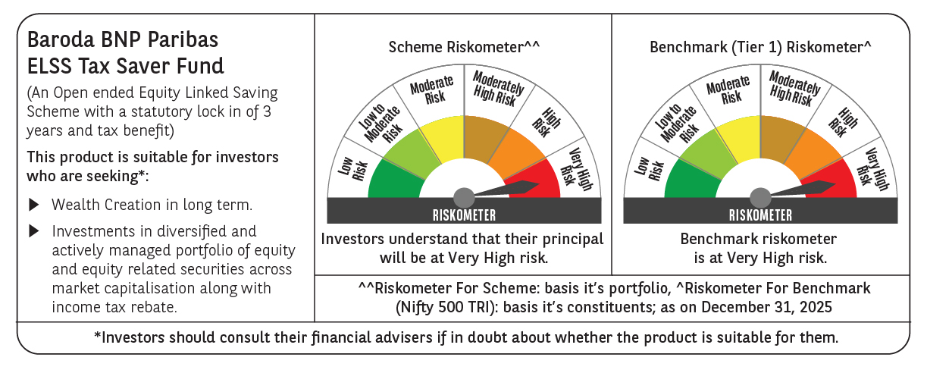

 | Monthly Performance Link: https://www.barodabnpparibasmf.in/assets/download_documents/Performance-of-Schemes-Dec-2025_16084.pdf

