T0ME04
 | Baroda BNP Paribas Large Cap Fund

 | Monthly Portfolio Statement as on December 31, 2025
 | Name of the Instrument | ISIN | Industry / Rating | Quantity | Market/Fair Value (Rs. in Lakhs) | % to Net Assets | YTM~ | YTC^ | null
 | Equity & Equity related
 | (a) Listed / awaiting listing on Stock Exchanges
HDFB03 | HDFC Bank Limited | INE040A01034 | Banks | 2,106,000 | 20,874.67 | 7.73%
RIND01 | Reliance Industries Limited | INE002A01018 | Petroleum Products | 1,134,000 | 17,808.34 | 6.59%
IBCL05 | ICICI Bank Limited | INE090A01021 | Banks | 1,260,000 | 16,920.54 | 6.26%
LARS02 | Larsen & Toubro Limited | INE018A01030 | Construction | 297,000 | 12,128.00 | 4.49%
BTVL02 | Bharti Airtel Limited | INE397D01024 | Telecom - Services | 549,000 | 11,559.74 | 4.28%
INFS02 | Infosys Limited | INE009A01021 | IT - Software | 522,000 | 8,432.39 | 3.12%
KOMA02 | Kotak Mahindra Bank Limited | INE237A01028 | Banks | 369,000 | 8,122.06 | 3.01%
ABBP01 | Hitachi Energy India Limited | INE07Y701011 | Electrical Equipment | 43,200 | 7,909.92 | 2.93%
SBAI02 | State Bank of India | INE062A01020 | Banks | 729,000 | 7,160.24 | 2.65%
TCSL01 | Tata Consultancy Services Limited | INE467B01029 | IT - Software | 198,000 | 6,348.28 | 2.35%
TEMA02 | Tech Mahindra Limited | INE669C01036 | IT - Software | 360,000 | 5,727.24 | 2.12%
ITCL02 | ITC Limited | INE154A01025 | Diversified FMCG | 1,395,000 | 5,621.85 | 2.08%
SESA02 | Vedanta Limited | INE205A01025 | Diversified Metals | 900,000 | 5,439.60 | 2.01%
ULCC01 | UltraTech Cement Limited | INE481G01011 | Cement & Cement Products | 43,200 | 5,090.69 | 1.88%
NTPC01 | NTPC Limited | INE733E01010 | Power | 1,530,000 | 5,042.12 | 1.87%
DIVI02 | Divi's Laboratories Limited | INE361B01024 | Pharmaceuticals & Biotechnology | 72,000 | 4,602.60 | 1.70%
PUBA02 | Punjab National Bank | INE160A01022 | Banks | 3,600,000 | 4,448.88 | 1.65%
NEST02 | Nestle India Limited | INE239A01024 | Food Products | 324,000 | 4,173.12 | 1.54%
ZMPL01 | Eternal Limited | INE758T01015 | Retailing | 1,485,000 | 4,129.04 | 1.53%
BAFL03 | Bajaj Finance Limited | INE296A01032 | Finance | 414,000 | 4,085.35 | 1.51%
MAUD01 | Maruti Suzuki India Limited | INE585B01010 | Automobiles | 24,300 | 4,057.37 | 1.50%
EIML02 | Eicher Motors Limited | INE066A01021 | Automobiles | 54,000 | 3,948.75 | 1.46%
CIPL03 | Cipla Limited | INE059A01026 | Pharmaceuticals & Biotechnology | 261,000 | 3,944.49 | 1.46%
HYUN01 | Hyundai Motor India Ltd | INE0V6F01027 | Automobiles | 171,000 | 3,929.58 | 1.45%
DRRL03 | Dr. Reddy's Laboratories Limited | INE089A01031 | Pharmaceuticals & Biotechnology | 306,000 | 3,890.48 | 1.44%
BHAH02 | Bharat Heavy Electricals Limited | INE257A01026 | Electrical Equipment | 1,350,000 | 3,880.58 | 1.44%
HLEL02 | Hindustan Unilever Limited | INE030A01027 | Diversified FMCG | 162,000 | 3,751.76 | 1.39%
SPIL03 | Sun Pharmaceutical Industries Limited | INE044A01036 | Pharmaceuticals & Biotechnology | 216,000 | 3,714.55 | 1.37%
HERO02 | Hero MotoCorp Limited | INE158A01026 | Automobiles | 63,000 | 3,635.73 | 1.35%
MOTI02 | Bosch Limited | INE323A01026 | Auto Components | 9,990 | 3,600.40 | 1.33%
TMLC01 | Tata Motors Ltd | INE1TAE01010 | Agricultural, Commercial & Construction Vehicles | 810,000 | 3,365.55 | 1.25%
BFSL02 | Bajaj Finserv Limited | INE918I01026 | Finance | 162,000 | 3,304.64 | 1.22%
TWAT02 | Titan Company Limited | INE280A01028 | Consumer Durables | 77,400 | 3,135.86 | 1.16%
BLTE01 | Swiggy Limited | INE00H001014 | Retailing | 810,000 | 3,128.63 | 1.16%
BPCL01 | Bharat Petroleum Corporation Limited | INE029A01011 | Petroleum Products | 810,000 | 3,110.40 | 1.15%
VNBL03 | Varun Beverages Limited | INE200M01039 | Beverages | 603,000 | 2,953.80 | 1.09%
TCAL01 | Tata Capital Limited | INE976I01016 | Finance | 855,000 | 2,922.82 | 1.08%
MCSP02 | United Spirits Limited | INE854D01024 | Beverages | 198,000 | 2,858.53 | 1.06%
PGCI01 | Power Grid Corporation of India Limited | INE752E01010 | Power | 1,080,000 | 2,857.68 | 1.06%
UTIB02 | Axis Bank Limited | INE238A01034 | Banks | 225,000 | 2,856.15 | 1.06%
ESCO01 | Escorts Kubota Limited | INE042A01014 | Agricultural, Commercial & Construction Vehicles | 76,500 | 2,845.65 | 1.05%
HDLI01 | HDFC Life Insurance Company Limited | INE795G01014 | Insurance | 378,000 | 2,834.43 | 1.05%
JVSL04 | JSW Steel Limited | INE019A01038 | Ferrous Metals | 243,000 | 2,830.46 | 1.05%
PSYL02 | Persistent Systems Limited | INE262H01021 | IT - Software | 45,000 | 2,822.40 | 1.04%
LGEL01 | LG Electronics India Ltd | INE324D01010 | Consumer Durables | 180,000 | 2,738.52 | 1.01%
BHEL02 | Bharat Electronics Limited | INE263A01024 | Aerospace & Defense | 675,000 | 2,697.30 | 1.00%
NHPC01 | NHPC Limited | INE848E01016 | Power | 3,060,000 | 2,424.13 | 0.90%
HDBF01 | HDB Financial Services Limited | INE756I01012 | Finance | 315,000 | 2,411.48 | 0.89%
ILOM01 | ICICI Lombard General Insurance Company Limited | INE765G01017 | Insurance | 108,000 | 2,119.07 | 0.78%
GMRI03 | GMR Airports Limited | INE776C01039 | Transport Infrastructure | 1,260,000 | 1,315.06 | 0.49%
IPAM01 | ICICI Prudential Asset Management Company Limited | INE346A01027 | Capital Markets | 41,570 | 1,106.22 | 0.41%
KWWA01 | Kwality Walls (India) Limited ** | INE2KCE01013 | Food Products | 162,000 | 65.12 | 0.02%
 | Sub Total |  |  |  | 260,682.26 | 96.47%
 | (b) Unlisted |  |  |  | NIL | NIL
 | Sub Total |  |  |  | NIL | NIL
 | Total |  |  |  | 260,682.26 | 96.47%
 | Derivatives
 | Index / Stock Futures
MCEXJAN26 | Multi Commodity Exchange of India Limited January 2026 Future |  |  | 22,500 | 2,518.88 | 0.93%
 | Sub Total |  |  |  | 2,518.88 | 0.93%
 | Total |  |  |  | 2,518.88 | 0.93%
 | Money Market Instruments
 | Treasury Bill
TBIL2525 | 364 Days Tbill (MD 25/06/2026) | IN002025Z138 | Sovereign | 1,500,000 | 1,462.21 | 0.54% | 5.39%
TBIL2490 | 364 Days Tbill (MD 26/03/2026) | IN002024Z503 | Sovereign | 1,200,000 | 1,185.81 | 0.44% | 5.20%
 | Sub Total |  |  |  | 2,648.02 | 0.98%
 | Total |  |  |  | 2,648.02 | 0.98%
 | Reverse Repo / TREPS
TRP_010126 | Clearing Corporation of India Ltd |  |  |  | 7,096.55 | 2.63% | 5.36%
 | Sub Total |  |  |  | 7,096.55 | 2.63%
 | Total |  |  |  | 7,096.55 | 2.63%
 | Net Receivables / (Payables) |  |  |  | (2,734.89) | (1.01)%
 | GRAND TOTAL |  |  |  | 270,210.82 | 100.00%

 | ** Thinly Traded / Non Traded Security
 | ~ YTM as on December 31, 2025
 | ^ YTC represents Yield to Call provided by valuation agencies as on December 31, 2025. It is disclosed for Perpetual Bond issued by Banks (i.e. AT-1 Bond / Tier 1 Bond / Tier 2 Bond), as per AMFI Best Practices Guidelines Circular no. 135/BP/91/2020-21 read with SEBI circular No. SEBI/HO/IMD/DF4/CIR/P/2021/034 on Valuation of AT-1 Bonds and Tier 2 Bonds.
 | Details of Stock Future / Index Future
 | Long/Short | Name of the Instrument | Industry | Quantity. | Market/Fair Value (Rs. in Lacs). | % to NAV.
 | Long | Multi Commodity Exchange of India Limited_27/01/2026 | Capital Markets | 22,500 | 2,518.88 | 0.93%

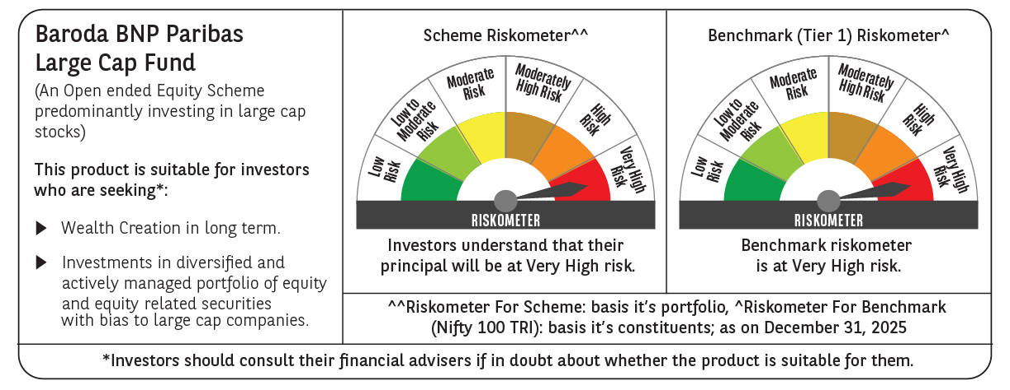

 | Monthly Performance Link: https://www.barodabnpparibasmf.in/assets/download_documents/Performance-of-Schemes-Dec-2025_16084.pdf

