T0MD28
 | Baroda BNP Paribas NIFTY SDL December 2028 Index Fund

 | Monthly Portfolio Statement as on December 31, 2025
 | Name of the Instrument | ISIN | Rating | Quantity | Market/Fair Value (Rs. in Lakhs) | % to Net Assets | YTM~ | YTC^ | null
 | Debt Instruments
 | (a) Listed / awaiting listing on Stock Exchange
GOI2167 | 8.08% State Government Securities (26/12/2028) | IN2220180052 | Sovereign | 1,152,700 | 1,205.84 | 42.05% | 6.46%
GOI2183 | 8.08% State Government Securities (26/12/2028) | IN3120180200 | Sovereign | 760,000 | 795.04 | 27.72% | 6.46%
GOI2171 | 8.08% State Government Securities (26/12/2028) | IN1920180115 | Sovereign | 375,000 | 392.29 | 13.68% | 6.46%
GOI2168 | 8.08% State Government Securities (26/12/2028) | IN1520180234 | Sovereign | 355,000 | 371.37 | 12.95% | 6.46%
 | Sub Total |  |  |  | 2,764.54 | 96.40%
 | (b) Privately placed / Unlisted |  |  |  | NIL | NIL
 | Sub Total |  |  |  | NIL | NIL
 | Total |  |  |  | 2,764.54 | 96.40%
 | Reverse Repo / TREPS
TRP_010126 | Clearing Corporation of India Ltd |  |  |  | 100.56 | 3.51% | 5.36%
 | Sub Total |  |  |  | 100.56 | 3.51%
 | (b) Privately placed / Unlisted |  |  |  | NIL | NIL
 | Sub Total |  |  |  | NIL | NIL
 | Total |  |  |  | 100.56 | 3.51%
 | Net Receivables / (Payables) |  |  |  | 2.50 | 0.09%
 | GRAND TOTAL |  |  |  | 2,867.60 | 100.00%

 | Issuer | Index Weight | Portfolio Weight | Replication Factor
 | G-Secs / T-Bills | 0% | 0% | 0%
 | SDLs | 100% | 96% | 96%
 | Cash & Cash Equivalents | 0% | 4% | 0%
 | Total | 100% | 100% | 96%

 | ~ YTM as on December 31, 2025
 | ^ YTC represents Yield to Call provided by valuation agencies as on December 31, 2025. It is disclosed for Perpetual Bond issued by Banks (i.e. AT-1 Bond / Tier 1 Bond / Tier 2 Bond), as per AMFI Best Practices Guidelines Circular no. 135/BP/91/2020-21 read with SEBI circular No. SEBI/HO/IMD/DF4/CIR/P/2021/034 on Valuation of AT-1 Bonds and Tier 2 Bonds.

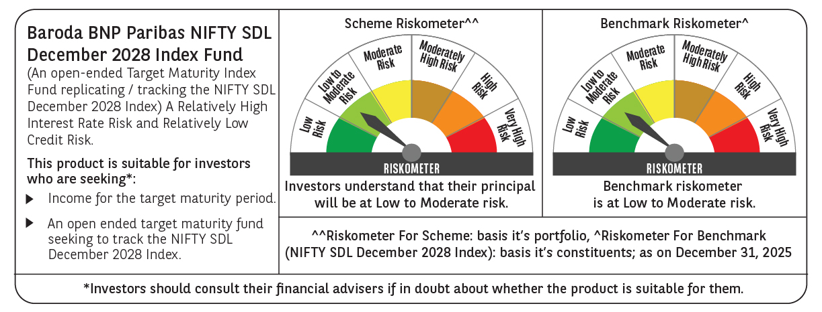



 | Monthly Performance Link: https://www.barodabnpparibasmf.in/assets/download_documents/Performance-of-Schemes-Dec-2025_16084.pdf

