T0MD12
 | Baroda BNP Paribas Dynamic Bond Fund

 | Monthly Portfolio Statement as on December 31, 2025
 | Name of the Instrument | ISIN | Rating | Quantity | Market/Fair Value (Rs. in Lakhs) | % to Net Assets | YTM~ | YTC^ | null
 | Debt Instruments
 | (a) Listed / awaiting listing on Stock Exchange
GOI6638 | 6.9% Government of India (15/04/2065) | IN0020250018 | Sovereign | 6,000,000 | 5,661.62 | 33.23% | 7.47%
GOI5228 | 7.18% Government of India (14/08/2033) | IN0020230085 | Sovereign | 1,650,000 | 1,702.40 | 9.99% | 6.75%
GOI7094 | 6.48% Government of India (06/10/2035) | IN0020250091 | Sovereign | 1,650,000 | 1,635.74 | 9.60% | 6.71%
EXIM794 | 7.35% Export Import Bank of India (27/07/2028) | INE514E08GE8 | CRISIL AAA | 1,000 | 1,013.64 | 5.95% | 6.77%
NBAR838 | 7.48% National Bank For Agriculture and Rural Development (15/09/2028) | INE261F08EO7 | CRISIL AAA | 1,000 | 1,013.07 | 5.95% | 6.91%
GOI6156 | 6.79% Government of India (07/10/2034) | IN0020240126 | Sovereign | 1,000,000 | 1,008.96 | 5.92% | 6.76%
NTPC257 | 6.84% NTPC Limited (09/05/2035) ** | INE733E08270 | CRISIL AAA | 1,000 | 983.45 | 5.77% | 7.08%
GOI6019 | 7.09% Government of India (05/08/2054) | IN0020240118 | Sovereign | 1,000,000 | 977.70 | 5.74% | 7.41%
RECL473 | 6.87% REC Limited (31/05/2030) ** | INE020B08FU0 | ICRA AAA | 900 | 894.87 | 5.25% | 7.01%
NHBA334 | 7.20% National Housing Bank (03/10/2031) ** | INE557F08GB0 | CARE AAA | 700 | 705.61 | 4.14% | 7.03%
NHBA337 | 6.80% National Housing Bank (02/04/2032) | INE557F08GE4 | CARE AAA | 350 | 345.21 | 2.03% | 7.07%
GOI6919 | 6.01% Government of India (21/07/2030) | IN0020250067 | Sovereign | 300,000 | 296.36 | 1.74% | 6.42%
GOI6703 | 6.33% Government of India (05/05/2035) | IN0020250026 | Sovereign | 233,400 | 229.00 | 1.34% | 6.71%
GOI2174 | 8.26% State Government Securities (02/01/2029) | IN2220180060 | Sovereign | 500 | 0.52 | 0.00% | 6.70%
GOI1830 | 7.64% State Government Securities (29/03/2027) | IN1620160292 | Sovereign | 300 | 0.31 | 0.00% | 6.18%
 | Sub Total |  |  |  | 16,468.46 | 96.65%
 | (b) Privately placed / Unlisted |  |  |  | NIL | NIL
 | Sub Total |  |  |  | NIL | NIL
 | Total |  |  |  | 16,468.46 | 96.65%
 | Others
 | Corporate Debt Market Development Fund
CDMD50ME | Corporate Debt Market Development Fund # | INF0RQ622028 |  | 516 | 59.62 | 0.35% | 5.49%
 | Sub Total |  |  |  | 59.62 | 0.35%
 | Total |  |  |  | 59.62 | 0.35%
 | Reverse Repo / TREPS
TRP_010126 | Clearing Corporation of India Ltd |  |  |  | 115.39 | 0.68% | 5.36%
 | Sub Total |  |  |  | 115.39 | 0.68%
 | (b) Privately placed / Unlisted |  |  |  | NIL | NIL
 | Sub Total |  |  |  | NIL | NIL
 | Total |  |  |  | 115.39 | 0.68%
 | Net Receivables / (Payables) |  |  |  | 392.11 | 2.32%
 | GRAND TOTAL |  |  |  | 17,035.58 | 100.00%

 | ** Thinly Traded / Non Traded Security
 | # Unlisted Security
 | $ Less Than 0.01% of Net Asset Value
 | ~ YTM as on December 31, 2025
 | ^ YTC represents Yield to Call provided by valuation agencies as on December 31, 2025. It is disclosed for Perpetual Bond issued by Banks (i.e. AT-1 Bond / Tier 1 Bond / Tier 2 Bond), as per AMFI Best Practices Guidelines Circular no. 135/BP/91/2020-21 read with SEBI circular No. SEBI/HO/IMD/DF4/CIR/P/2021/034 on Valuation of AT-1 Bonds and Tier 2 Bonds.

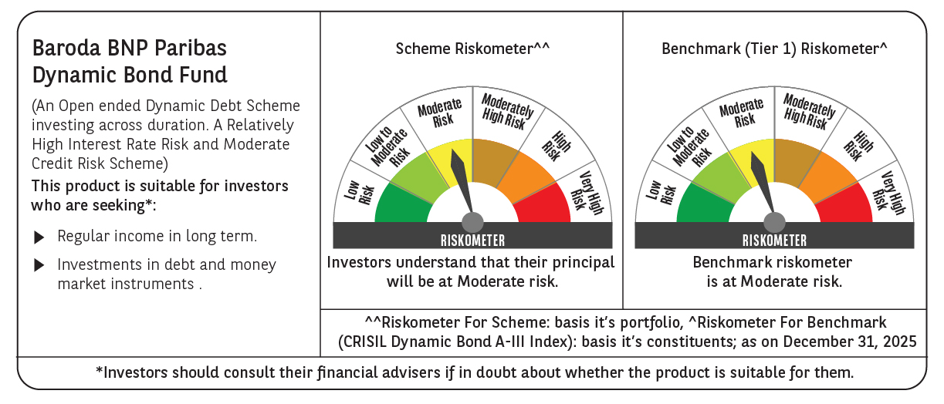



 | Monthly Performance Link: https://www.barodabnpparibasmf.in/assets/download_documents/Performance-of-Schemes-Dec-2025_16084.pdf

