T0MD09
 | Baroda BNP Paribas Low Duration Fund

 | Monthly Portfolio Statement as on December 31, 2025
 | Name of the Instrument | ISIN | Rating | Quantity | Market/Fair Value (Rs. in Lakhs) | % to Net Assets | YTM~ | YTC^ | null
 | Debt Instruments
 | (a) Listed / awaiting listing on Stock Exchange
NBAR719 | 7.50% National Bank For Agriculture and Rural Development (31/08/2026) ** | INE261F08EA6 | CRISIL AAA | 2,500 | 2,509.19 | 8.04% | 6.75%
IRLY371 | 7.23% Indian Railway Finance Corporation Limited (15/10/2026) | INE053F08304 | CRISIL AAA | 2,000 | 2,006.98 | 6.43% | 6.77%
POWF487 | 7.13% Power Finance Corporation Limited (15/07/2026) ** | INE134E08LP1 | CRISIL AAA | 200 | 2,002.20 | 6.42% | 6.75%
RECL474 | 6.52% REC Limited (31/01/2028) | INE020B08FW6 | ICRA AAA | 1,500 | 1,492.85 | 4.78% | 6.77%
GOI6919 | 6.01% Government of India (21/07/2030) | IN0020250067 | Sovereign | 1,100,000 | 1,086.65 | 3.48% | 6.42%
PHFP225 | 8.15% PNB Housing Finance Limited (29/07/2027) ** | INE572E07183 | CARE AA+ | 1,000 | 1,013.19 | 3.25% | 7.18%
SHTR490 | 8.75% Shriram Finance Limited (15/06/2026) ** | INE721A07RH9 | CRISIL AA+ | 1,000 | 1,006.44 | 3.23% | 7.27%
PFPL129 | 9% Piramal Finance Limited (28/06/2027) ** | INE202B07JT0 | CARE AA | 1,000 | 1,005.05 | 3.22% | 8.58%
LICH678 | 7.8650% LIC Housing Finance Limited (20/08/2026) ** | INE115A07QT1 | CRISIL AAA | 1,000 | 1,005.02 | 3.22% | 6.84%
MEBP36 | 7% Mindspace Business Parks REIT (14/09/2027) ** | INE0CCU07165 | CRISIL AAA | 1,000 | 1,000.41 | 3.21% | 7.16%
TOPL49 | 8.32% Torrent Power Limited (28/02/2027) ** | INE813H07382 | CRISIL AA+ | 900 | 910.71 | 2.92% | 7.21%
RECL428 | 7.56% REC Limited (30/06/2026) | INE020B08ED9 | CRISIL AAA | 900 | 903.26 | 2.89% | 6.55%
BAFL943 | 7.7951% Bajaj Finance Limited (10/12/2027) ** | INE296A07TF2 | CRISIL AAA | 700 | 707.69 | 2.27% | 7.16%
GOI5817 | 7.04% Government of India (03/06/2029) | IN0020240050 | Sovereign | 600,000 | 618.32 | 1.98% | 6.13%
GOI6306 | 6.75% Government of India (23/12/2029) | IN0020240183 | Sovereign | 500,000 | 509.90 | 1.63% | 6.28%
ICFP147 | 10.5% IndoStar Capital Finance Limited (25/09/2026) ** | INE896L07983 | CARE AA- | 50,000 | 506.04 | 1.62% | 8.50%
EOPR38 | 7.21% Embassy Office Parks REIT (17/03/2028) ** | INE041007167 | CRISIL AAA | 500 | 500.30 | 1.60% | 7.37%
MEBP27 | 8.02% Mindspace Business Parks REIT (13/04/2026) ** | INE0CCU07074 | CRISIL AAA | 400 | 401.39 | 1.29% | 6.93%
GOI4485 | 7.38% Government of India (20/06/2027) | IN0020220037 | Sovereign | 200,000 | 204.75 | 0.66% | 5.75%
 | Sub Total |  |  |  | 19,390.34 | 62.14%
 | (b) Privately placed / Unlisted |  |  |  | NIL | NIL
 | Sub Total |  |  |  | NIL | NIL
 | (c) Securitised Debt
VAJR28 | Vajra Trust (20/01/2029) ** | INE20NI15039 | CRISIL AAA(SO) | 5 | 498.24 | 1.60% | 9.90%
IUNT23 | India Universal Trust (21/11/2026) ** | INE1CBK15011 | CRISIL AAA(SO) | 5 | 178.09 | 0.57% | 7.44%
 | Sub Total |  |  |  | 676.33 | 2.17%
 | (b) Privately placed / Unlisted |  |  |  | NIL | NIL
 | Sub Total |  |  |  | NIL | NIL
 | Total |  |  |  | 20,066.67 | 64.31%
 | Money Market Instruments
 | Certificate of Deposit
SIDB604 | Small Industries Dev Bank of India (05/05/2026) ** # | INE556F16BH3 | CRISIL A1+ | 500 | 2,446.80 | 7.84% | 6.40%
KMBK881 | Kotak Mahindra Bank Limited (27/02/2026) ** # | INE237A166Z3 | CRISIL A1+ | 400 | 1,981.70 | 6.35% | 5.91%
EXIM808 | Export Import Bank of India (11/06/2026) ** # | INE514E16CM3 | CRISIL A1+ | 300 | 1,459.29 | 4.68% | 6.33%
UTIB1363 | Axis Bank Limited (25/06/2026) # | INE238AD6AZ4 | CRISIL A1+ | 200 | 970.32 | 3.11% | 6.38%
CANB1073 | Canara Bank (26/05/2026) ** # | INE476A16E87 | CRISIL A1+ | 160 | 780.38 | 2.50% | 6.33%
UNBI444 | Union Bank of India (25/06/2026) ** # | INE692A16JQ1 | ICRA A1+ | 100 | 485.11 | 1.55% | 6.40%
INBK469 | Indian Bank (12/03/2026) ** # | INE562A16OI3 | CRISIL A1+ | 60 | 296.64 | 0.95% | 5.90%
 | Sub Total |  |  |  | 8,420.24 | 26.98%
 | Commercial Paper
CHOL1101 | Cholamandalam Investment and Finance Company Ltd (27/11/2026) ** | INE121A14YB7 | ICRA A1+ | 200 | 937.61 | 3.00% | 7.36%
 | Sub Total |  |  |  | 937.61 | 3.00%
 | Total |  |  |  | 9,357.85 | 29.98%
 | Others
 | Corporate Debt Market Development Fund
CDMD50ME | Corporate Debt Market Development Fund # | INF0RQ622028 |  | 643 | 74.24 | 0.24% | 5.49%
 | Sub Total |  |  |  | 74.24 | 0.24%
 | Total |  |  |  | 74.24 | 0.24%
 | Reverse Repo / TREPS
TRP_010126 | Clearing Corporation of India Ltd |  |  |  | 1,097.11 | 3.52% | 5.36%
 | Sub Total |  |  |  | 1,097.11 | 3.52%
 | (b) Privately placed / Unlisted |  |  |  | NIL | NIL
 | Sub Total |  |  |  | NIL | NIL
 | Total |  |  |  | 1,097.11 | 3.52%
 | Net Receivables / (Payables) |  |  |  | 609.62 | 1.95%
 | GRAND TOTAL |  |  |  | 31,205.49 | 100.00%

 | ** Thinly Traded / Non Traded Security
 | # Unlisted Security
 | ~ YTM as on December 31, 2025
 | ^ YTC represents Yield to Call provided by valuation agencies as on December 31, 2025. It is disclosed for Perpetual Bond issued by Banks (i.e. AT-1 Bond / Tier 1 Bond / Tier 2 Bond), as per AMFI Best Practices Guidelines Circular no. 135/BP/91/2020-21 read with SEBI circular No. SEBI/HO/IMD/DF4/CIR/P/2021/034 on Valuation of AT-1 Bonds and Tier 2 Bonds.

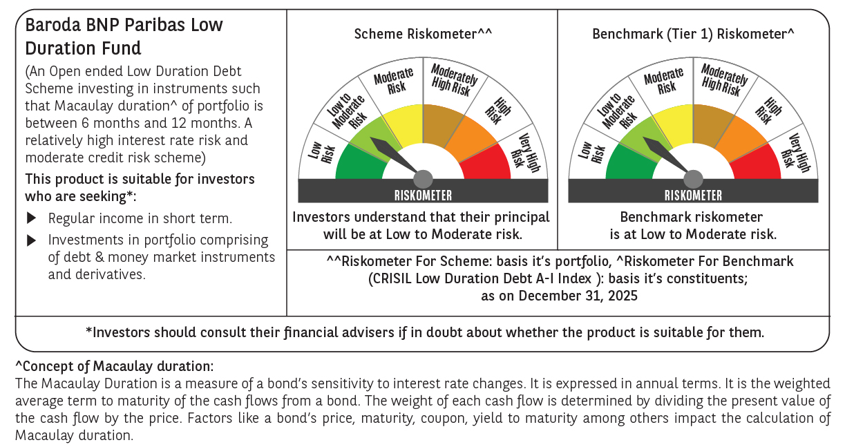



 | Monthly Performance Link: https://www.barodabnpparibasmf.in/assets/download_documents/Performance-of-Schemes-Dec-2025_16084.pdf

