LD
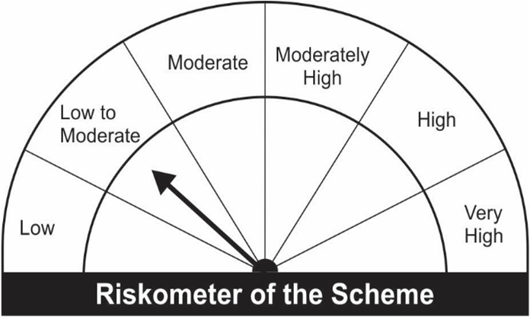
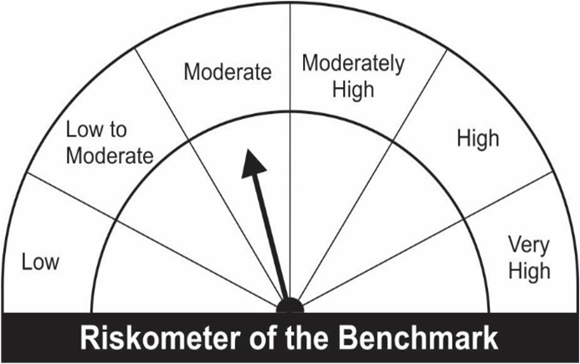
JM Low Duration Fund (An open ended low duration debt scheme investing in instruments such that the Macaulay duration of the portfolio is between 6 to 12 months) A relatively low interest rate risk and moderate credit risk.
Portfolio as on 28.02.2022
Name of the Instruments | Industry/Rating | Quantity | Market Value (Rs. In Lakhs) | % age to NAV | ISIN | Yield % | ^YTC (AT1/Tier 2 bonds)
DEBT INSTRUMENTS
a) Listed/Awaiting Listing On Stock Exchange
Larsen & Toubro Ltd.** | CRISIL AAA | 100 | 1,024.12 | 6.84 | INE018A08AY9 | 5.0150
HDB Financial Services Ltd.** | CRISIL AAA | 100 | 1,023.90 | 6.84 | INE756I07DC9 | 5.3550
Hindalco Industries Ltd.** | CRISIL AA+ | 100 | 1,018.95 | 6.81 | INE038A07274 | 4.7551
REC Ltd.** | CRISIL AAA | 100 | 1,011.43 | 6.76 | INE020B08AK2 | 4.6250
NABARD** | IND AAA | 100 | 1,010.47 | 6.75 | INE261F08BN5 | 4.5600
Tata Steel Ltd** | CARE AA+ | 50 | 920.92 | 6.15 | INE081A08181 | 4.2101
Dalmia Cement (Bharat) Ltd.** | ICRA AA+ | 70 | 702.81 | 4.70 | INE290B07063 | 4.4198
Bajaj Finance Ltd.** | CRISIL AAA | 50 | 507.64 | 3.39 | INE296A07QX1 | 4.9700
Reliance Industries Ltd.** | CRISIL AAA | 50 | 507.55 | 3.39 | INE002A08500 | 4.8050
Reliance Industries Ltd ** | CRISIL AAA | 50 | 505.63 | 3.38 | INE002A08476 | 4.5450
Housing Development Finance Corporation Ltd.** | CRISIL AAA | 50 | 505.58 | 3.38 | INE001A07RW5 | 4.6600
Aditya Birla Finance Ltd.** | CARE AAA | 50 | 505.36 | 3.38 | INE860H08DG0 | 5.1350
Power Finance Corporation Ltd.** | CRISIL AAA | 50 | 505.06 | 3.37 | INE134E08JD1 | 4.5650
SIDBI Ltd.** | CARE AAA | 50 | 505.00 | 3.37 | INE556F08JN1 | 4.4900
Mahindra & Mahindra Financial Services Ltd.** | IND AAA | 50 | 502.50 | 3.36 | INE774D07SC1 | 4.2000
Bharat Petroleum Corporation Ltd.** | CRISIL AAA | 5 | 50.04 | 0.33 | INE029A07075 | 3.7778
Sub Total: |  |  | 10,806.96 | 72.20

b) Privately Placed / Unlisted |  |  | NIL | NIL

Total: |  |  | 10,806.96 | 72.20 | -

TERM DEPOSITS

Deposits (Maturity not exceeding 91 days) |  |  | NIL | NIL

Deposits (Placed as F & O margin) |  |  | NIL | NIL

MONEY MARKET INSTRUMENTS
Certificate of Deposit (CD) / Commercial Paper (CP)
Piramal Capital & Housing Finance Ld.CP** | CRISIL A1+ | 200 | 942.62 | 6.30 | INE516Y14BO9 | 7.3575
Treasury Bills
91 Days Treasury-Bill 05/05/2022 | GOI SOV | 500,000 | 496.73 | 3.32 | IN002021X512 | 3.7001
91 Days Treasury-Bill 12/05/2022 | GOI SOV | 500,000 | 496.38 | 3.32 | IN002021X520 | 3.6927
364 Days Treasury-Bill 29/12/2022 | GOI SOV | 500,000 | 482.46 | 3.22 | IN002021Z400 | 4.3800
364 Days Treasury-Bill 02/02/2023 | GOI SOV | 500,000 | 479.85 | 3.21 | IN002021Z467 | 4.5350
Sub Total: |  |  | 2,898.04 | 19.36

TREPS-Triparty Repo |  | - | 220.83 | 1.48 |  | 3.3176
Sub Total: |  |  | 220.83 | 1.48

Total: |  |  | 13,925.83 | 93.04 | -

Net Current Assets |  |  | 1,041.80 | 6.96

Net Assets |  |  | 14,967.62 | 100.00

** Non Traded.
Number of Instances of Deviation In valuation Of Securities as per Sebi circular ref no SEBI/HO/IMD/DF4/CIR/P/2019/102 dated September 24, 2019- Nil
^ YTC i.e. Yield to Call is disclosed at security level only for Additional Tier 1 Bonds and Tier 2 Bonds issued by Banks as per AMFI Best Practices Notification 135/BP/91/2020-21 read with SEBI circular SEBI/HO/IMD/DF4/CIR/P/2021/034
Where the scheme has invested in floating rate instruments and / or interest rate derivatives, the following disclaimer may be read in regard to such investment;
"This scheme has exposure to floating rate instruments and / or interest rate derivatives. The duration of these instruments is linked to the interest rate reset period. The interest rate risk in a floating rate instrument or in a fixed rate instrument hedged with derivatives is likely to be lesser than that in an equivalent maturity fixed rate instrument. Under some market circumstances the volatility may be of an order greater than what may ordinarily be expected considering only its duration. Hence investors are recommended to consider the unadjusted portfolio maturity of the scheme as well and exercise adequate due diligence when deciding to make their investments"

This Product is suitable for investors who are seeking* |  |  | Benchmark of the scheme - Crisil Low Duration Debt Index
• Regular Income over Short Term.
• Investment in Debt and Money Market securities such that the Macaulay duration of the portfolio is between 6 months - 12 months.
*Investors should consult their financial advisers if in doubt about whether the product is suitable for them.

