LF
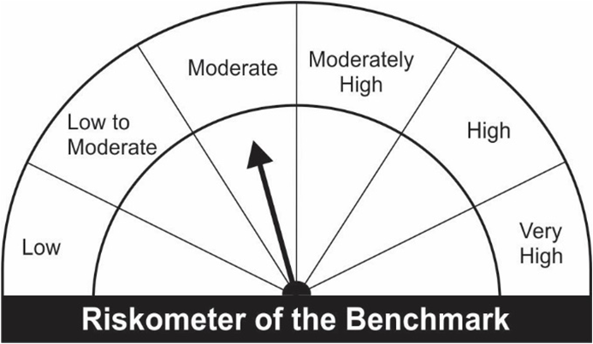
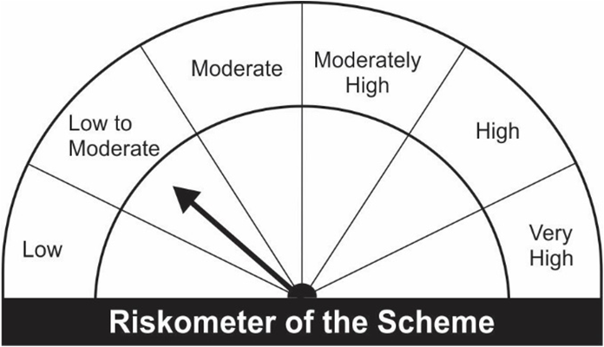
JM Liquid Fund (An Open-Ended Liquid Scheme) A relatively low interest rate risk and relatively low credit risk
Portfolio as on 28.02.2022
Name of the Instruments | Industry/Rating | Quantity | Market Value (Rs. In Lakhs) | % age to NAV | ISIN | Yield % | ^YTC (AT1/Tier 2 bonds)

DEBT INSTRUMENTS
a) Listed/Awaiting Listing On Stock Exchange
Reliance Industries Ltd.** | CARE AAA | 500 | 5,004.15 | 4.34 | INE002A08575 | 3.6703
REC Ltd.** | CARE AAA | 250 | 2,503.03 | 2.17 | INE020B08BM6 | 3.6354
Piramal Capital & Housing Finance Ltd.** | CARE AA | 250 | 2,008.57 | 1.74 | INE516Y07105 | 6.0003
Sub Total: |  |  | 9,515.74 | 8.25

b) Privately Placed / Unlisted |  |  | NIL | NIL

Total: |  |  | 9,515.74 | 8.25 | -

TERM DEPOSITS

Deposits (Maturity not exceeding 91 days) |  |  | NIL | NIL

Deposits (Placed as F & O margin) |  |  | NIL | NIL

MONEY MARKET INSTRUMENTS
Certificate of Deposit (CD) / Commercial Paper (CP)
Reliance Retail Ventures Ltd.CP** | CARE A1+ | 1,000 | 4,997.06 | 4.33 | INE929O14479 | 3.5882
Axis Bank Ltd.CD** | IND A1+ | 5,000 | 4,995.65 | 4.33 | INE238A166V1 | 3.5355
Kotak Mahindra Investments Ltd.CP** | CRISIL A1+ | 1,000 | 4,990.82 | 4.33 | INE975F14UR9 | 3.9493
Hindustan Petroleum Corporation Ltd.CP** | IND A1+ | 1,000 | 4,986.59 | 4.32 | INE094A14II4 | 3.6354
Adani Ports and SEZ Ltd.CP** | IND A1+ | 1,000 | 4,984.13 | 4.32 | INE742F14QB5 | 4.0095
Canara Bank CD** | CRISIL A1+ | 1,000 | 4,965.96 | 4.31 | INE476A16SM9 | 3.8497
NABARD.CP** | ICRA A1+ | 1,000 | 4,954.20 | 4.30 | INE261F14IP3 | 3.9700
SIDBI Ltd CD | CRISIL A1+ | 3,000 | 2,994.98 | 2.60 | INE556F16853 | 3.6002
Kotak Mahindra Investments Ltd.CP** | CRISIL A1+ | 500 | 2,499.47 | 2.17 | INE975F14VS5 | 3.8789
Berger Paints India Ltd.CP** | CARE A1+ | 500 | 2,499.25 | 2.17 | INE463A14LF1 | 3.6633
Reliance Industries Ltd.CP** | CARE A1+ | 500 | 2,496.80 | 2.17 | INE002A14IQ0 | 3.6013
Godrej Agrovet Ltd.CP** | ICRA A1+ | 500 | 2,494.50 | 2.16 | INE850D14KW0 | 3.8305
Birla Group Holdings Private Ltd.CP** | ICRA A1+ | 500 | 2,492.91 | 2.16 | INE09OL14961 | 4.3254
Bank of Baroda CD** | IND A1+ | 500 | 2,489.38 | 2.16 | INE028A16CJ8 | 3.7997
Bank of Baroda CD** | IND A1+ | 500 | 2,481.04 | 2.15 | INE028A16CM2 | 3.8748
ICICI Securities Ltd.CP** | CRISIL A1+ | 500 | 2,477.29 | 2.15 | INE763G14LW6 | 4.3450
Axis Bank Ltd.CD** | ICRA A1+ | 300 | 1,490.08 | 1.29 | INE238A160Y8 | 3.9208
Treasury Bills
91 Days Treasury-Bill 24/03/2022 | GOI SOV | 8,000,000 | 7,983.14 | 6.92 | IN002021X413 | 3.3508
91 Days Treasury-Bill 14/04/2022 | GOI SOV | 2,500,000 | 2,489.50 | 2.16 | IN002021X488 | 3.4996
91 Days Treasury-Bill 12/05/2022 | GOI SOV | 2,000,000 | 1,985.54 | 1.72 | IN002021X520 | 3.6927
364 Days Treasury-Bill 03/03/2022 | GOI SOV | 1,500,000 | 1,499.72 | 1.30 | IN002020Z485 | 3.3586
Sub Total: |  |  | 73,247.98 | 63.52

TREPS-Triparty Repo |  | - | 27,817.75 | 24.12 |  | 3.4339
Sub Total: |  |  | 27,817.75 | 24.12

Total: |  |  | 110,581.47 | 95.89 | -

Net Current Assets |  |  | 4,742.23 | 4.11

Net Assets |  |  | 115,323.70 | 100.00

** Non Traded.

Number of Instances of Deviation In valuation Of Securities as per Sebi circular ref no SEBI/HO/IMD/DF4/CIR/P/2019/102 dated September 24, 2019- Nil
^ YTC i.e. Yield to Call is disclosed at security level only for Additional Tier 1 Bonds and Tier 2 Bonds issued by Banks as per AMFI Best Practices Notification 135/BP/91/2020-21 read with SEBI circular SEBI/HO/IMD/DF4/CIR/P/2021/034
Where the scheme has invested in floating rate instruments and / or interest rate derivatives, the following disclaimer may be read in regard to such investment;
"This scheme has exposure to floating rate instruments and / or interest rate derivatives. The duration of these instruments is linked to the interest rate reset period. The interest rate risk in a floating rate instrument or in a fixed rate instrument hedged with derivatives is likely to be lesser than that in an equivalent maturity fixed rate instrument. Under some market circumstances the volatility may be of an order greater than what may ordinarily be expected considering only its duration. Hence investors are recommended to consider the unadjusted portfolio maturity of the scheme as well and exercise adequate due diligence when deciding to make their investments"
This Product is suitable for investors who are seeking* |  |  | Benchmark of the scheme - Crisil Liquid Fund Index
• Regular Income over Short Term.
• Investment in debt and money market securities with maturity of upto 91 days only.
*Investors should consult their financial advisers if in doubt about whether the product is suitable for them.

